Figure 1
This file presents the data underlying the figures in CBO's December 2018 report The Cost of Replacing Today's Air Force Fleet.
www.cbo.gov/publication/54657

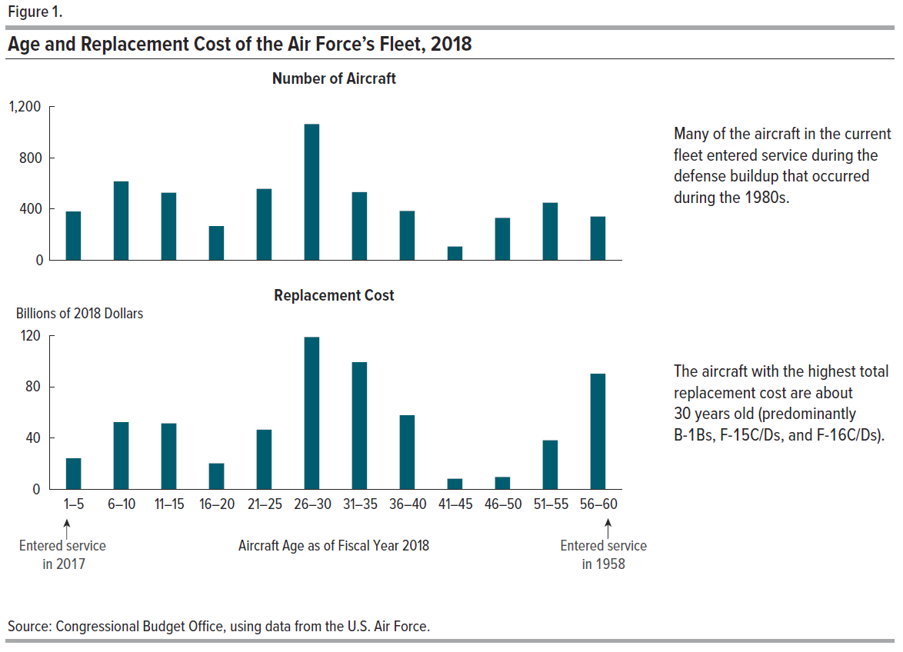
Figure 1.
Age and Replacement Cost of the Air Force’s Fleet, 2018

Aircraft Age | Number of Aircraft | Replacement Cost
(As of Fiscal Year 2018) |  | (Billions of 2018 Dollars)
1–5 | 381 | 24.24
6–10 | 616 | 52.38
11–15 | 527 | 51.45
16–20 | 268 | 20.26
21–25 | 557 | 46.62
26–30 | 1,063 | 118.66
31–35 | 532 | 98.99
36–40 | 386 | 57.75
41–45 | 108 | 8.24
46–50 | 332 | 9.73
51–55 | 450 | 38.15
56–60 | 342 | 90.06

Figure 2
This file presents the data underlying the figures in CBO's December 2018 report The Cost of Replacing Today's Air Force Fleet.
www.cbo.gov/publication/54657

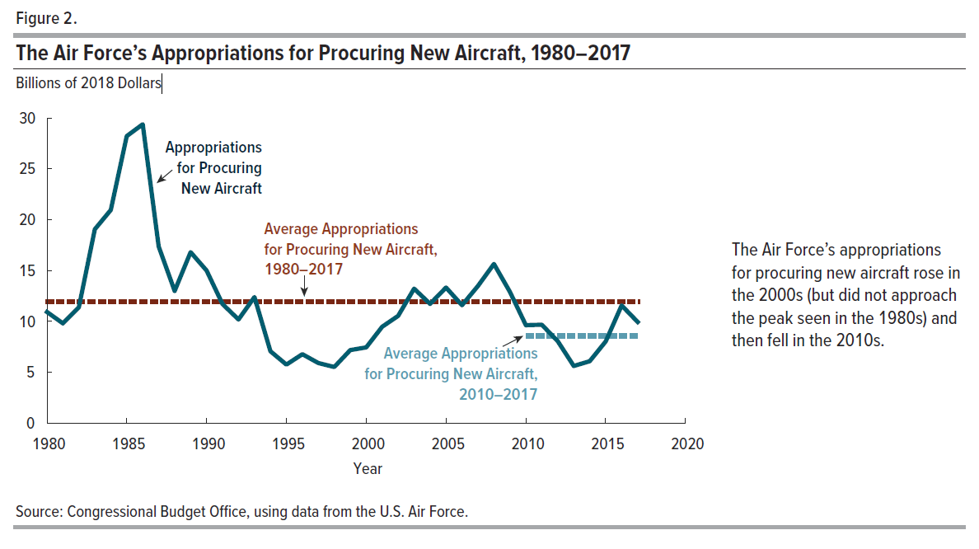
Figure 2.
The Air Force’s Appropriations for Procuring New Aircraft, 1980–2017

Billions of 2018 Dollars
Year | Appropriations for Procuring New Aircraft | Average Appropriations for Procuring New Aircraft, 1980–2017 | Average Appropriations for Procuring New Aircraft, 2010–2017
1980 | 10.92719 | 11.90424
1981 | 9.82004 | 11.90424
1982 | 11.39723 | 11.90424
1983 | 19.05671 | 11.90424
1984 | 20.94721 | 11.90424
1985 | 28.21680 | 11.90424
1986 | 29.37214 | 11.90424
1987 | 17.36664 | 11.90424
1988 | 12.99861 | 11.90424
1989 | 16.80344 | 11.90424
1990 | 14.99751 | 11.90424
1991 | 11.71067 | 11.90424
1992 | 10.17927 | 11.90424
1993 | 12.38292 | 11.90424
1994 | 7.07508 | 11.90424
1995 | 5.75220 | 11.90424
1996 | 6.78322 | 11.90424
1997 | 5.90116 | 11.90424
1998 | 5.52103 | 11.90424
1999 | 7.17044 | 11.90424
2000 | 7.43754 | 11.90424
2001 | 9.47369 | 11.90424
2002 | 10.54865 | 11.90424
2003 | 13.20827 | 11.90424
2004 | 11.72231 | 11.90424
2005 | 13.32665 | 11.90424
2006 | 11.59240 | 11.90424
2007 | 13.48860 | 11.90424
2008 | 15.64624 | 11.90424
2009 | 12.91480 | 11.90424
2010 | 9.64173 | 11.90424 | 8.57779
2011 | 9.68422 | 11.90424 | 8.57779
2012 | 8.04815 | 11.90424 | 8.57779
2013 | 5.62403 | 11.90424 | 8.57779
2014 | 6.09100 | 11.90424 | 8.57779
2015 | 8.02670 | 11.90424 | 8.57779
2016 | 11.56969 | 11.90424 | 8.57779
2017 | 9.93676 | 11.90424 | 8.57779

Figure 3
This file presents the data underlying the figures in CBO's December 2018 report The Cost of Replacing Today's Air Force Fleet.
www.cbo.gov/publication/54657

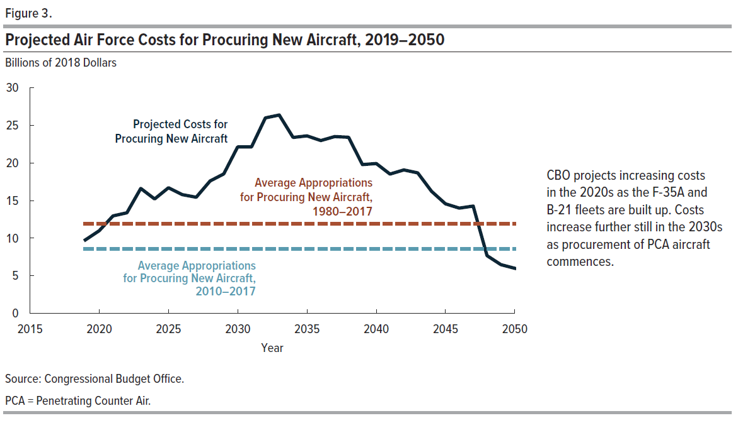
Figure 3.
Projected Air Force Costs for Procuring New Aircraft, 2019–2050

Billions of 2018 Dollars
Year | Projected Costs for Procuring New Aircraft | Average Appropriations for Procuring New Aircraft, 1980–2017 | Average Appropriations for Procuring New Aircraft, 2010–2017
2019 | 9.75658 | 11.90424 | 8.57779
2020 | 10.99270 | 11.90424 | 8.57779
2021 | 12.95311 | 11.90424 | 8.57779
2022 | 13.37588 | 11.90424 | 8.57779
2023 | 16.61562 | 11.90424 | 8.57779
2024 | 15.19977 | 11.90424 | 8.57779
2025 | 16.69513 | 11.90424 | 8.57779
2026 | 15.78258 | 11.90424 | 8.57779
2027 | 15.42500 | 11.90424 | 8.57779
2028 | 17.59774 | 11.90424 | 8.57779
2029 | 18.53143 | 11.90424 | 8.57779
2030 | 22.11298 | 11.90424 | 8.57779
2031 | 22.11730 | 11.90424 | 8.57779
2032 | 25.97862 | 11.90424 | 8.57779
2033 | 26.35813 | 11.90424 | 8.57779
2034 | 23.37249 | 11.90424 | 8.57779
2035 | 23.59438 | 11.90424 | 8.57779
2036 | 22.96711 | 11.90424 | 8.57779
2037 | 23.48502 | 11.90424 | 8.57779
2038 | 23.40246 | 11.90424 | 8.57779
2039 | 19.77811 | 11.90424 | 8.57779
2040 | 19.91313 | 11.90424 | 8.57779
2041 | 18.51842 | 11.90424 | 8.57779
2042 | 19.05723 | 11.90424 | 8.57779
2043 | 18.67807 | 11.90424 | 8.57779
2044 | 16.22533 | 11.90424 | 8.57779
2045 | 14.55626 | 11.90424 | 8.57779
2046 | 13.99280 | 11.90424 | 8.57779
2047 | 14.25650 | 11.90424 | 8.57779
2048 | 7.67281 | 11.90424 | 8.57779
2049 | 6.47296 | 11.90424 | 8.57779
2050 | 6.00004 | 11.90424 | 8.57779

Figure 4
This file presents the data underlying the figures in CBO's December 2018 report The Cost of Replacing Today's Air Force Fleet.
www.cbo.gov/publication/54657

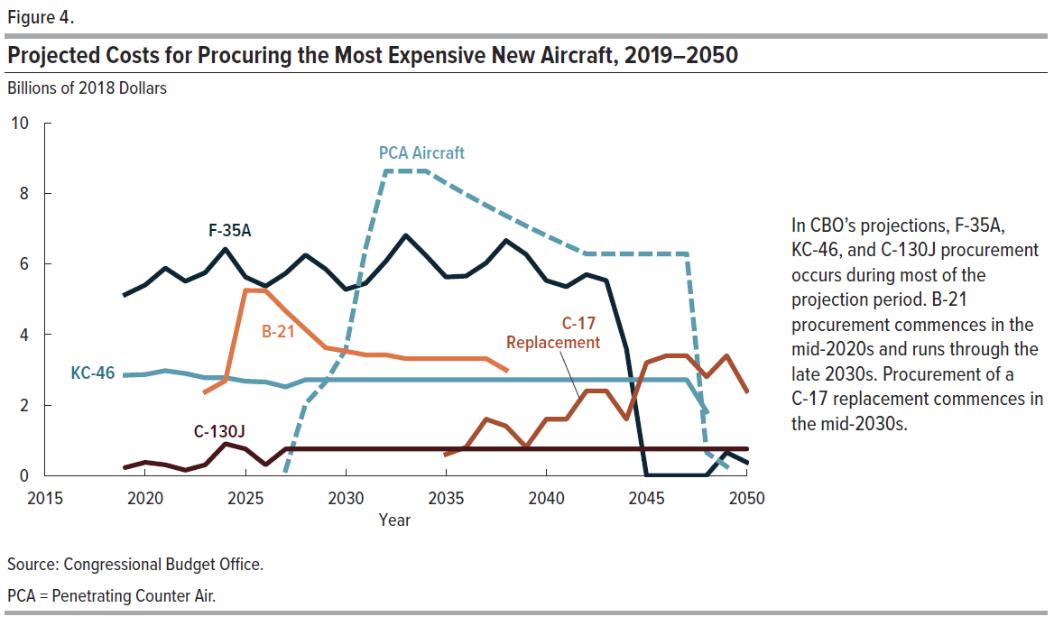
Figure 4.
Projected Costs for Procuring the Most Expensive New Aircraft, 2019–2050

Billions of 2018 Dollars
Year | F-35A | PCA Aircraft | KC-46 | B-21 | C-17 Replacement | C-130J | All Other
2019 | 5.13458 |  | 2.84757 |  |  | 0.22500 | 1.54943
2020 | 5.40762 |  | 2.86849 |  |  | 0.37500 | 2.34159
2021 | 5.88545 |  | 2.97401 |  |  | 0.30000 | 3.79365
2022 | 5.51362 |  | 2.89050 |  |  | 0.15000 | 4.82175
2023 | 5.76237 |  | 2.77131 | 2.37188 |  | 0.30000 | 5.41006
2024 | 6.42709 |  | 2.77488 | 2.69133 |  | 0.90000 | 2.40647
2025 | 5.63226 |  | 2.67798 | 5.25146 |  | 0.75000 | 2.38344
2026 | 5.37392 |  | 2.65086 | 5.24833 |  | 0.30000 | 2.20947
2027 | 5.73509 | 0.14694 | 2.51050 | 4.66577 |  | 0.75000 | 1.61669
2028 | 6.25888 | 2.03279 | 2.71600 | 4.14735 |  | 0.75000 | 1.69272
2029 | 5.85611 | 2.65591 | 2.71600 | 3.62893 |  | 0.75000 | 2.92447
2030 | 5.28096 | 3.57849 | 2.71600 | 3.52525 |  | 0.75000 | 6.26228
2031 | 5.46002 | 6.48000 | 2.71600 | 3.42157 |  | 0.75000 | 3.28971
2032 | 6.08331 | 8.64000 | 2.71600 | 3.42157 |  | 0.75000 | 4.36775
2033 | 6.81634 | 8.64000 | 2.71600 | 3.31788 |  | 0.75000 | 4.11790
2034 | 6.24594 | 8.64000 | 2.71600 | 3.31788 |  | 0.75000 | 1.70266
2035 | 5.63454 | 8.30304 | 2.71600 | 3.31788 | 0.60000 | 0.75000 | 2.27291
2036 | 5.66402 | 7.97922 | 2.71600 | 3.31788 | 0.80000 | 0.75000 | 1.73998
2037 | 6.03341 | 7.66803 | 2.71600 | 3.31788 | 1.60000 | 0.75000 | 1.39968
2038 | 6.66465 | 7.36898 | 2.71600 | 2.99350 | 1.40000 | 0.75000 | 1.50933
2039 | 6.27217 | 7.08159 | 2.71600 |  | 0.80000 | 0.75000 | 2.15835
2040 | 5.53521 | 6.80541 | 2.71600 |  | 1.60000 | 0.75000 | 2.50650
2041 | 5.36148 | 6.54000 | 2.71600 |  | 1.60000 | 0.75000 | 1.55093
2042 | 5.70384 | 6.28494 | 2.71600 |  | 2.40000 | 0.75000 | 1.20245
2043 | 5.53375 | 6.28494 | 2.71600 |  | 2.40000 | 0.75000 | 0.99338
2044 | 3.59614 | 6.28494 | 2.71600 |  | 1.60000 | 0.75000 | 1.27825
2045 | 0.00000 | 6.28494 | 2.71600 |  | 3.20000 | 0.75000 | 1.60532
2046 | 0.00000 | 6.28494 | 2.71600 |  | 3.40000 | 0.75000 | 0.84186
2047 | 0.00000 | 6.28494 | 2.71600 |  | 3.40000 | 0.75000 | 1.10556
2048 | 0.00000 | 0.65468 | 1.81067 |  | 2.80000 | 0.75000 | 1.65746
2049 | 0.65748 | 0.25000 |  |  | 3.40000 | 0.75000 | 1.41548
2050 | 0.37570 |  |  |  | 2.40000 | 0.75000 | 2.47433

Figure 5
This file presents the data underlying the figures in CBO's December 2018 report The Cost of Replacing Today's Air Force Fleet.
www.cbo.gov/publication/54657

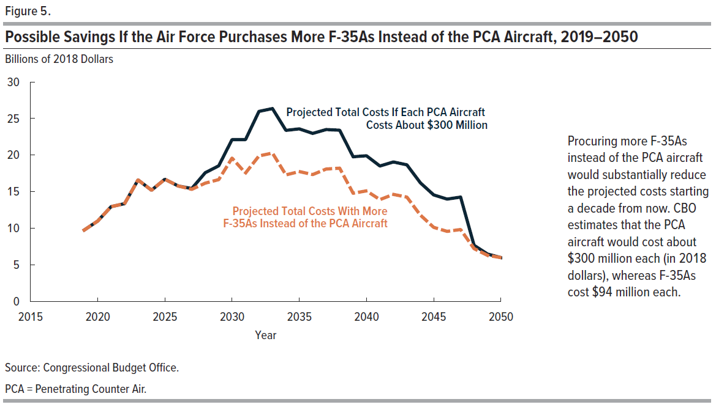
Figure 5.
Possible Savings If the Air Force Purchases More F-35As Instead of the PCA Aircraft, 2019–2050

Billions of 2018 Dollars
Year | Projected Total Costs If Each PCA Aircraft Costs About $300 Million | Projected Total Costs With More F-35As Instead of the PCA Aircraft
2019 | 9.75658 | 9.75658
2020 | 10.99270 | 10.99270
2021 | 12.95311 | 12.95311
2022 | 13.37588 | 13.37588
2023 | 16.61562 | 16.61562
2024 | 15.19977 | 15.19977
2025 | 16.69513 | 16.69513
2026 | 15.78258 | 15.78258
2027 | 15.42500 | 15.32162
2028 | 17.59774 | 16.16755
2029 | 18.53143 | 16.66284
2030 | 22.11298 | 19.59530
2031 | 22.11730 | 17.55823
2032 | 25.97862 | 19.89986
2033 | 26.35813 | 20.27937
2034 | 23.37249 | 17.29373
2035 | 23.59438 | 17.75269
2036 | 22.96711 | 17.35325
2037 | 23.48502 | 18.09009
2038 | 23.40246 | 18.21794
2039 | 19.77811 | 14.79579
2040 | 19.91313 | 15.12511
2041 | 18.51842 | 13.91713
2042 | 19.05723 | 14.63540
2043 | 18.67807 | 14.25624
2044 | 16.22533 | 11.80350
2045 | 14.55626 | 10.13443
2046 | 13.99280 | 9.57097
2047 | 14.25650 | 9.83467
2048 | 7.67281 | 7.21220
2049 | 6.47296 | 6.29707
2050 | 6.00004 | 6.00004

