Figure 1
This file presents data that supplement information in CBO's August 2018 report The Long-Term Budget Outlook Under Alternative Scenarios for Fiscal Policy.
www.cbo.gov/publication/54325

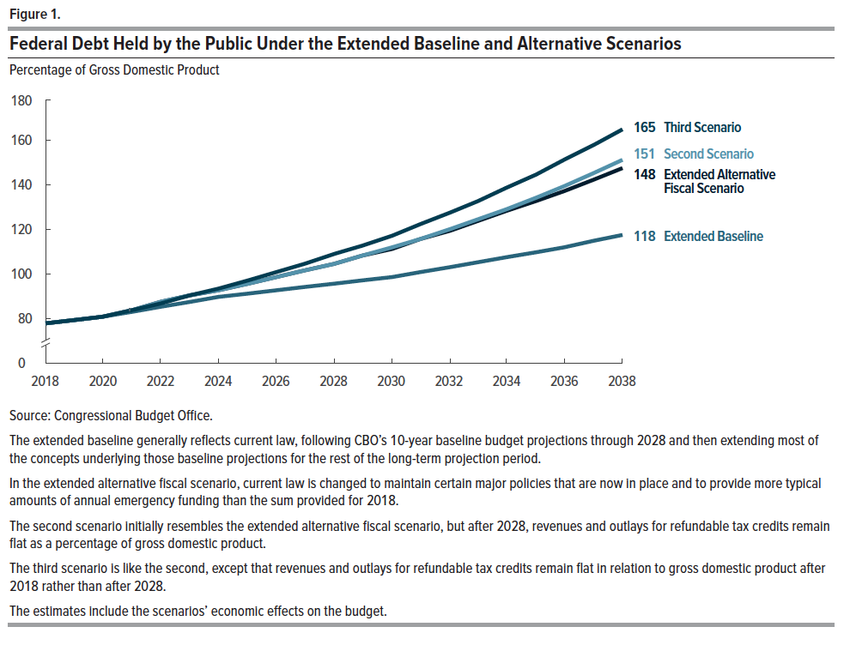
Figure 1.
Federal Debt Held by the Public Under the Extended Baseline and Alternative Scenarios

Percentage of Gross Domestic Product

 | Extended Baseline | Extended Alternative Fiscal Scenario | Second Scenario | Third Scenario
2018 | 78 | 78 | 78 | 78
2019 | 79 | 79 | 79 | 79
2020 | 81 | 81 | 81 | 81
2021 | 83 | 84 | 84 | 84
2022 | 86 | 87 | 87 | 87
2023 | 88 | 90 | 90 | 91
2024 | 90 | 93 | 93 | 94
2025 | 91 | 96 | 96 | 97
2026 | 93 | 99 | 99 | 101
2027 | 94 | 101 | 102 | 105
2028 | 96 | 105 | 105 | 109
2029 | 97 | 108 | 108 | 113
2030 | 99 | 112 | 112 | 117
2031 | 101 | 116 | 116 | 122
2032 | 103 | 120 | 120 | 127
2033 | 105 | 124 | 125 | 133
2034 | 107 | 128 | 129 | 139
2035 | 110 | 133 | 134 | 145
2036 | 112 | 138 | 140 | 151
2037 | 115 | 143 | 145 | 158
2038 | 118 | 148 | 151 | 165

Figure 2
This file presents data that supplement information in CBO's August 2018 report The Long-Term Budget Outlook Under Alternative Scenarios for Fiscal Policy.
www.cbo.gov/publication/54325

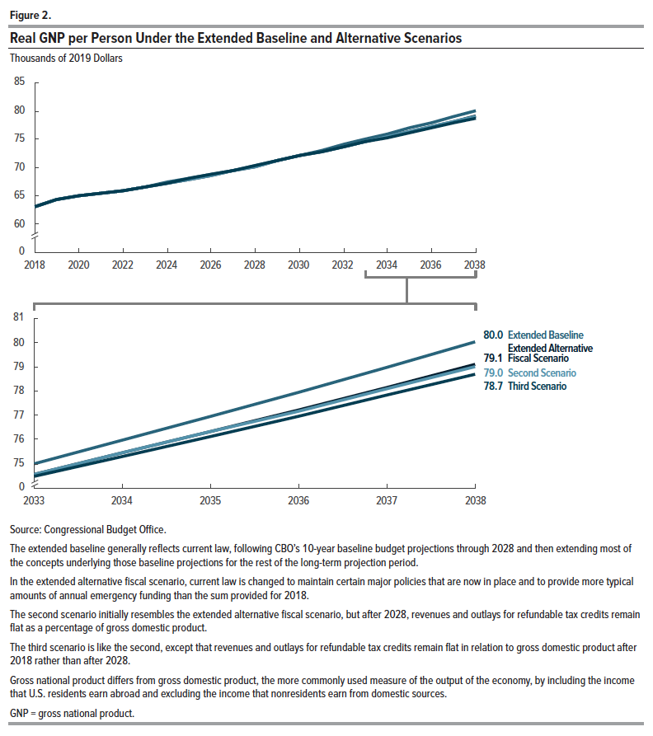
Figure 2.
Real GNP per Person Under the Extended Baseline and Alternative Scenarios
Thousands of 2019 Dollars

 | Extended Baseline | Extended Alternative Fiscal Scenario | Second Scenario | Third Scenario
2018 | 63.1 | 63.1 | 63.1 | 63.1
2019 | 64.3 | 64.3 | 64.3 | 64.2
2020 | 64.9 | 65.1 | 65.1 | 65.1
2021 | 65.4 | 65.5 | 65.5 | 65.5
2022 | 66.0 | 65.9 | 65.9 | 66.0
2023 | 66.6 | 66.5 | 66.5 | 66.6
2024 | 67.4 | 67.2 | 67.2 | 67.3
2025 | 68.1 | 68.0 | 68.0 | 68.0
2026 | 68.8 | 68.7 | 68.7 | 68.8
2027 | 69.5 | 69.4 | 69.4 | 69.5
2028 | 70.3 | 70.2 | 70.2 | 70.3
2029 | 71.3 | 71.2 | 71.1 | 71.2
2030 | 72.2 | 72.0 | 72.0 | 72.1
2031 | 73.1 | 72.8 | 72.8 | 72.8
2032 | 74.1 | 73.7 | 73.7 | 73.7
2033 | 75.0 | 74.6 | 74.6 | 74.5
2034 | 76.0 | 75.4 | 75.4 | 75.3
2035 | 76.9 | 76.3 | 76.3 | 76.1
2036 | 77.9 | 77.2 | 77.2 | 77.0
2037 | 79.0 | 78.1 | 78.1 | 77.8
2038 | 80.0 | 79.1 | 79.0 | 78.7

