Figure 1
This file contains data that supplement information presented in Costs of Building a 355-Ship Navy (April 2017).
www.cbo.gov/publication/52632

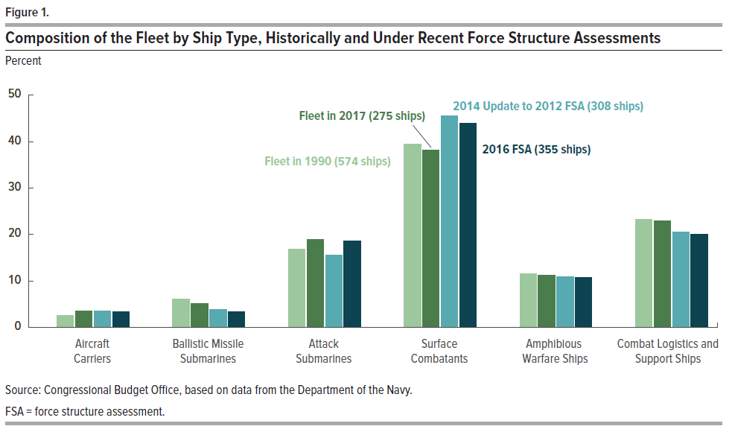
Figure 1.
Composition of the Fleet by Ship Type, Historically and Under Recent Force Structure Assessments
Percent
 |  |  | 2014 Update to
 | Fleet in 1990 (574 Ships) | Fleet in 2017 (275 Ships) | 2012 FSA (308 Ships) | 2016 FSA (355 Ships)
Aircraft Carriers | 2.6 | 3.6 | 3.6 | 3.4
Ballistic Missile Submarines | 6.1 | 5.1 | 3.9 | 3.4
Attack Submarines | 16.9 | 18.9 | 15.6 | 18.6
Surface Combatants | 39.5 | 38.2 | 45.5 | 43.9
Amphibious Warfare Ships | 11.5 | 11.3 | 11.0 | 10.7
Combat Logistics and Support Ships | 23.3 | 22.9 | 20.5 | 20.0

Source: Congressional Budget Office, based on data from the Department of the Navy.

FSA = force structure assessment.

Figure 2
This file contains data that supplement information presented in Costs of Building a 355-Ship Navy (April 2017).
www.cbo.gov/publication/52632

Figure 2.
Annual Inventory of Battle Force Ships Under CBO's Four Alternatives
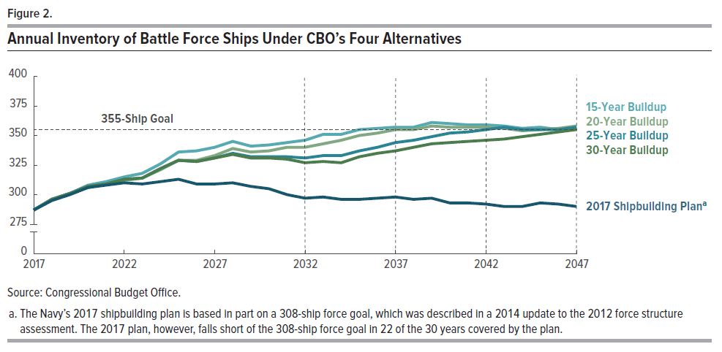
 | 2017 | 2018 | 2019 | 2020 | 2021 | 2022 | 2023 | 2024 | 2025 | 2026 | 2027 | 2028 | 2029 | 2030 | 2031 | 2032 | 2033 | 2034 | 2035 | 2036 | 2037 | 2038 | 2039 | 2040 | 2041 | 2042 | 2043 | 2044 | 2045 | 2046 | 2047
15-Year Buildup | 287 | 296 | 301 | 308 | 311 | 315 | 318 | 326 | 336 | 337 | 340 | 345 | 341 | 342 | 344 | 346 | 351 | 351 | 355 | 356 | 357 | 357 | 361 | 360 | 359 | 359 | 358 | 356 | 357 | 355 | 356
20-Year Buildup | 287 | 296 | 301 | 306 | 309 | 312 | 314 | 321 | 329 | 329 | 333 | 339 | 336 | 337 | 340 | 340 | 343 | 346 | 350 | 352 | 355 | 355 | 358 | 357 | 357 | 357 | 356 | 354 | 355 | 356 | 358
25-Year Buildup | 287 | 296 | 301 | 307 | 309 | 313 | 314 | 322 | 329 | 328 | 331 | 335 | 332 | 332 | 332 | 331 | 333 | 333 | 337 | 340 | 344 | 346 | 349 | 352 | 353 | 355 | 357 | 355 | 355 | 355 | 357
30-Year Buildup | 287 | 296 | 301 | 307 | 309 | 313 | 314 | 322 | 329 | 328 | 331 | 334 | 331 | 331 | 330 | 327 | 328 | 327 | 332 | 335 | 337 | 340 | 343 | 344 | 345 | 346 | 347 | 349 | 351 | 353 | 355
2017 Shipbuilding Plana | 287 | 295 | 300 | 306 | 308 | 310 | 309 | 311 | 313 | 309 | 309 | 310 | 307 | 305 | 300 | 297 | 298 | 296 | 296 | 297 | 298 | 296 | 297 | 293 | 293 | 292 | 290 | 290 | 293 | 292 | 290

Source: Congressional Budget Office.

a. The Navy's 2017 shipbuilding plan is based in part on a 308-ship force goal, which was described in a 2014 update to the 2012 force structure assessment. The 2017 plan, however, falls short of the 308-ship force
goal in 22 of the 30 years covered by the plan.

Figure 3
This file contains data that supplement information presented in Costs of Building a 355-Ship Navy (April 2017).
www.cbo.gov/publication/52632

Figure 3.
Average Annual Ship Purchases and Costs of Building a 355-Ship Fleet Under CBO's Four Alternatives and
the Navy's 2017 Shipbuilding Plan

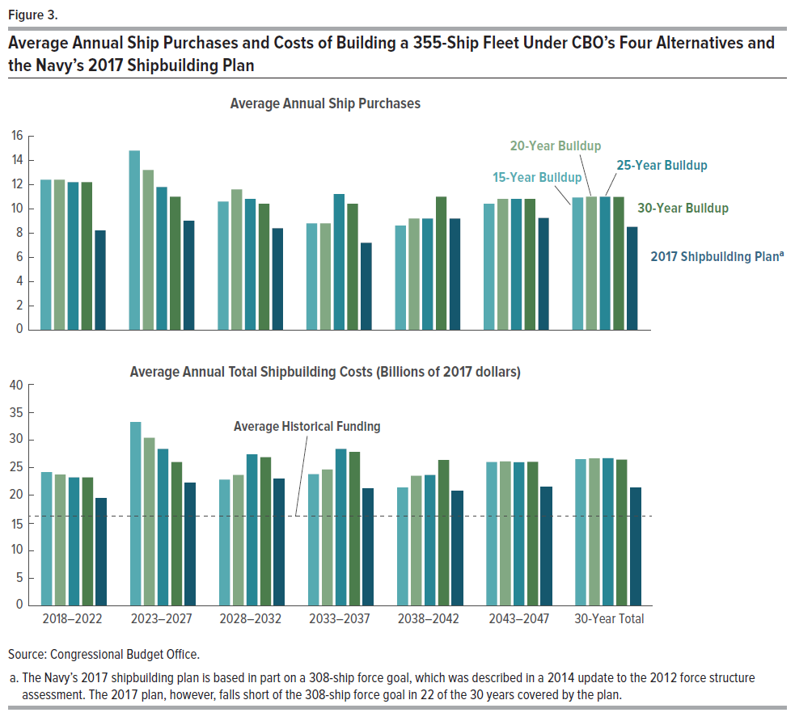
Top Panel
 | Average Annual Ship Purchases
 | 2018-2022 | 2023-2027 | 2028-2032 | 2033-2037 | 2038-2042 | 2043-2047 | 30-Year Total
15-Year Buildup | 12.4 | 14.8 | 10.6 | 8.8 | 8.6 | 10.4 | 10.9
20-Year Buildup | 12.4 | 13.2 | 11.6 | 8.8 | 9.2 | 10.8 | 11.0
25-Year Buildup | 12.2 | 11.8 | 10.8 | 11.2 | 9.2 | 10.8 | 11.0
30-Year Buildup | 12.2 | 11.0 | 10.4 | 10.4 | 11.0 | 10.8 | 11.0
2017 Shipbuilding Plana | 8.2 | 9.0 | 8.4 | 7.2 | 9.2 | 9.3 | 8.5

Bottom Panel
 | Average Annual Total Shipbuilding Costs (Billions of 2017 dollars)
 | 2018-2022 | 2023-2027 | 2028-2032 | 2033-2037 | 2038-2042 | 2043-2047 | 30-Year Total
15-Year Buildup | 24.2 | 33.3 | 22.8 | 23.8 | 21.4 | 26.0 | 26.5
20-Year Buildup | 23.7 | 30.4 | 23.7 | 24.6 | 23.5 | 26.1 | 26.6
25-Year Buildup | 23.2 | 28.4 | 27.4 | 28.4 | 23.6 | 26.0 | 26.7
30-Year Buildup | 23.2 | 26.0 | 26.9 | 27.8 | 26.4 | 26.0 | 26.5
2017 Shipbuilding Plana | 19.5 | 22.2 | 22.9 | 21.2 | 20.8 | 21.5 | 21.4
Average Historical Funding | 16.3 | 16.3 | 16.3 | 16.3 | 16.3 | 16.3 | 16.3

Source: Congressional Budget Office.

a. The Navy's 2017 shipbuilding plan is based in part on a 308-ship force goal, which was described in a 2014 update to the 2012 force structure
assessment. The 2017 plan, however, falls short of the 308-ship force goal in 22 of the 30 years covered by the plan.

Figure 4
This file contains data that supplement information presented in Costs of Building a 355-Ship Navy (April 2017).
www.cbo.gov/publication/52632

Figure 4.
Number of Sailors Required to Crew a 355-Ship Fleet and Annual Operating Costs, 2017 to 2047

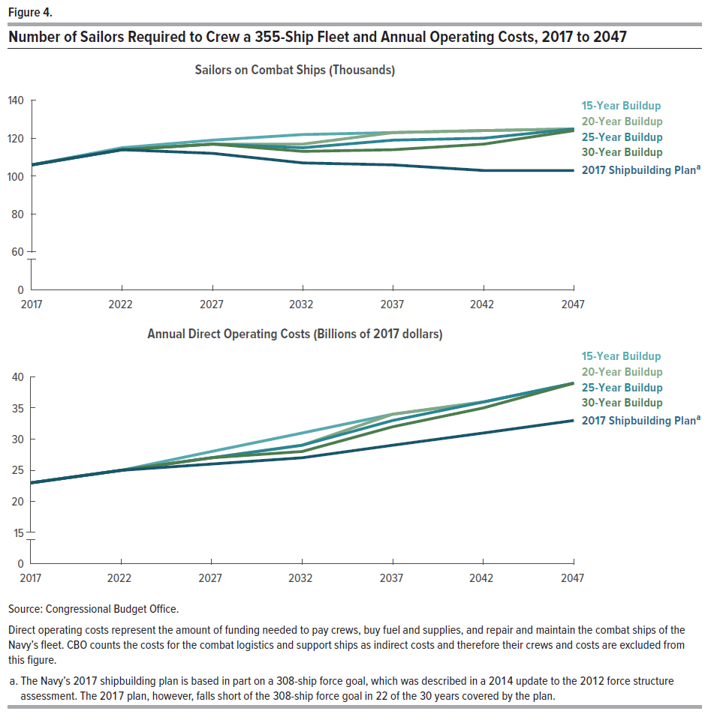
Top Panel
 | Sailors on Combat Ships (Thousands)

 | 2017 | 2022 | 2027 | 2032 | 2037 | 2042 | 2047
15-Year Buildup | 106 | 115 | 119 | 122 | 123 | 124 | 125
20-Year Buildup | 106 | 114 | 117 | 117 | 123 | 124 | 125
25-Year Buildup | 106 | 114 | 117 | 115 | 119 | 120 | 125
30-Year Buildup | 106 | 114 | 117 | 113 | 114 | 117 | 124
2017 Shipbuilding Plana | 106 | 114 | 112 | 107 | 106 | 103 | 103

Bottom Panel
 | Annual Direct Operating Costs (Billions of 2017 dollars)

15-Year Buildup | 23 | 25 | 28 | 31 | 34 | 36 | 39
20-Year Buildup | 23 | 25 | 27 | 29 | 34 | 36 | 39
25-Year Buildup | 23 | 25 | 27 | 29 | 33 | 36 | 39
30-Year Buildup | 23 | 25 | 27 | 28 | 32 | 35 | 39
2017 Shipbuilding Plana | 23 | 25 | 26 | 27 | 29 | 31 | 33

Source: Congressional Budget Office.

Direct operating costs represent the amount of funding needed to pay crews, buy fuel and supplies, and repair and
maintain the combat ships of the Navy's fleet. CBO counts the costs for the combat logistics and support ships as
indirect costs and, therefore, their crews and costs are excluded from this figure.

a. The Navy's 2017 shipbuilding plan is based in part on a 308-ship force goal, which was described in a 2014 update to
the 2012 force structure assessment. The 2017 plan, however, falls short of the 308-ship force goal in 22 of the 30 years
covered by the plan.

Figure 5
This file contains data that supplement information presented in Costs of Building a 355-Ship Navy (April 2017).
www.cbo.gov/publication/52632

Figure 5.
Average Annual Ship Construction and Operation and Support Costs for a 355-Ship Fleet
Under CBO's Four Alternatives and the Navy's 2017 Shipbuilding Plan
Billions of 2017 Dollars
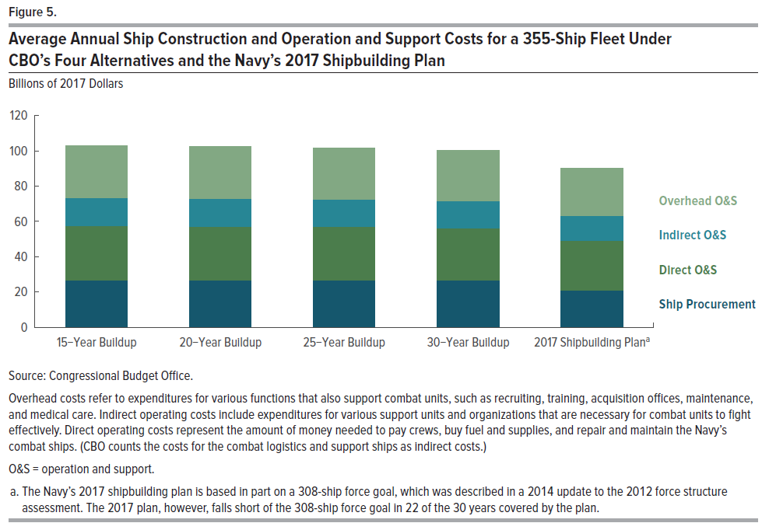
 | Ship Procurement | Direct O&S | Indirect O&S | Overhead O&S
15-Year Buildup | 26.5 | 31.1 | 15.7 | 29.8
20-Year Buildup | 26.6 | 30.7 | 15.4 | 29.5
25-Year Buildup | 26.7 | 30.4 | 15.3 | 29.1
30-Year Buildup | 26.5 | 30.0 | 15.1 | 28.8
2017 Shipbuilding Plana | 21.2 | 27.8 | 14.1 | 26.9

Source: Congressional Budget Office.

Overhead costs refer to expenditures for various functions that also support combat units, such as
recruiting, training, acquisition offices, maintenance, and medical care. Indirect operating costs
include expenditures for various support units and organizations that are necessary for combat units
to fight effectively. Direct operating costs represent the amount of money needed to pay crews,
buy fuel and supplies, and repair and maintain the Navy's combat ships. (CBO counts the costs for
the combat logistics and support ships as indirect costs.)

O&S = operation and support.

a. The Navy's 2017 shipbuilding plan is based in part on a 308-ship force goal, which was described
in a 2014 update to the 2012 force structure assessment. The 2017 plan, however, falls short of the
308-ship force goal in 22 of the 30 years covered by the plan.

