Table 1
This file presents the data from the tables and figures in CBO's April 2024 report The Shipbuilding Composite Index and Its Rates of Change Compared With Economywide Inflation Rates.
www.cbo.gov/publication/59026

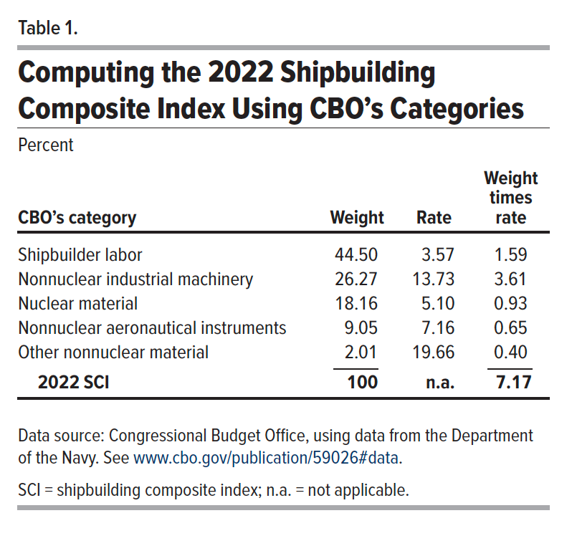
Table 1. Computing the 2022 Shipbuilding Composite Index Using CBO's Categories
Percent

CBO's category | Weight | Rate | Weight times rate
Shipbuilder labor | 44.50 | 3.57 | 1.59
Nonnuclear industrial machinery | 26.27 | 13.73 | 3.61
Nuclear material | 18.16 | 5.10 | 0.93
Nonnuclear aeronautical instruments | 9.05 | 7.16 | 0.65
Other nonnuclear material | 2.01 | 19.66 | 0.40
2022 SCI | 100 | n.a. | 7.17

Back to Table of Contents

Table 2
This file presents the data from the tables and figures in CBO's April 2024 report The Shipbuilding Composite Index and Its Rates of Change Compared With Economywide Inflation Rates.
www.cbo.gov/publication/59026

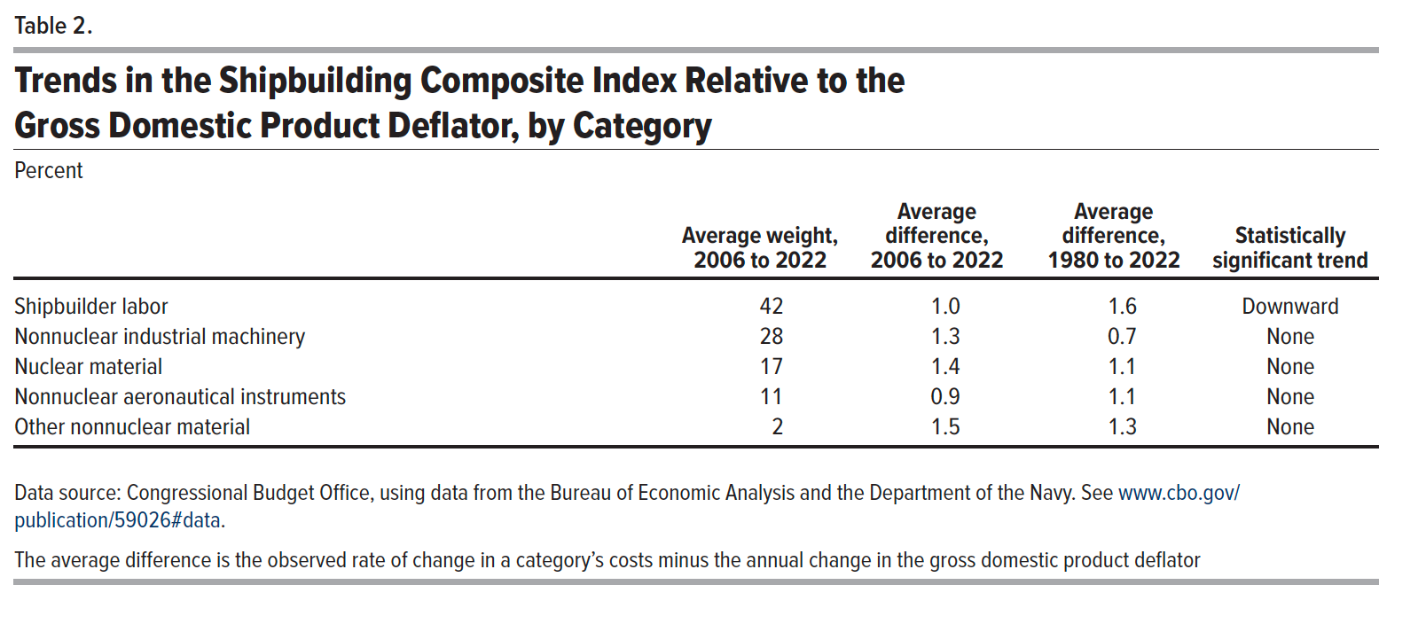
Table 2. Trends in the Shipbuilding Composite Index Relative to the Gross Domestic Product Deflator, by Category
Percent

 | Average weight, 2006-2022 | Average differential, 2006-2022 | Average differential, 1980-2022 | Trend
Shipbuilder labor | 42 | 1.0 | 1.6 | Downward
Nonnuclear industrial machinery | 28 | 1.3 | 0.7 | None
Nuclear material | 17 | 1.4 | 1.1 | None
Nonnuclear aeronautical instruments | 11 | 0.9 | 1.1 | None
Other nonnuclear material | 2 | 1.5 | 1.3 | None

Back to Table of Contents

Table 6
This file presents the data from the tables and figures in CBO's April 2024 report The Shipbuilding Composite Index and Its Rates of Change Compared With Economywide Inflation Rates.
www.cbo.gov/publication/59026

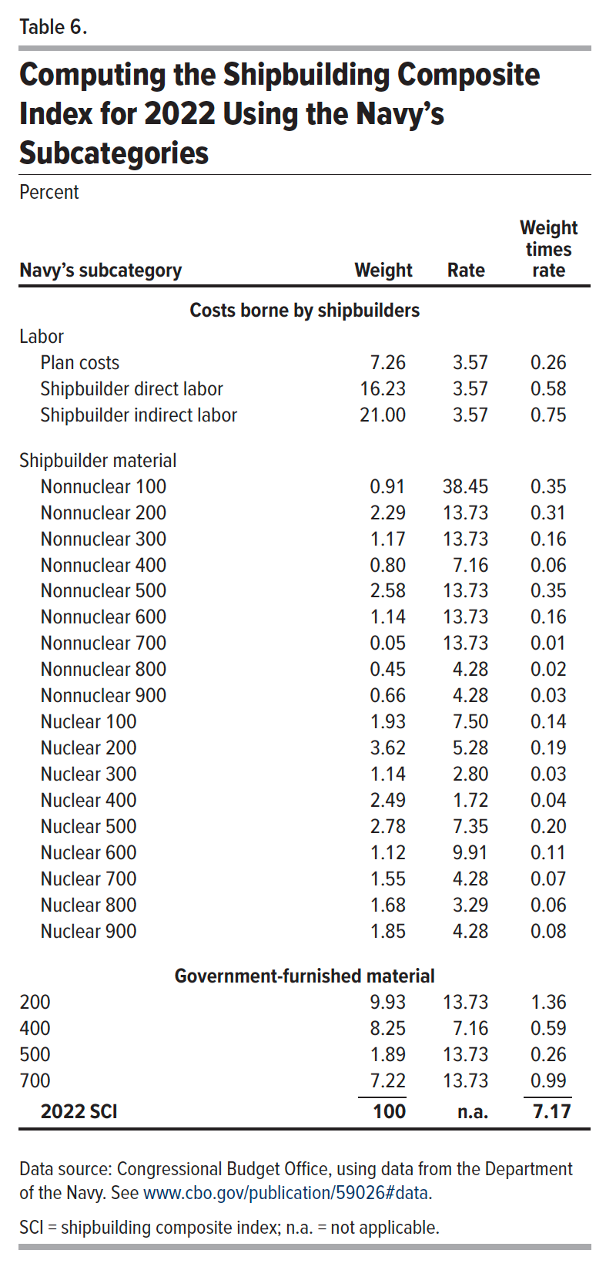
Table 6. Computing the Shipbuilding Composite Index for 2022 Using the Navy's Subcategories
Percent

Navy's subcategory | Weight | Rate | Weight times rate
Labor
Plan costs | 7.26 | 3.57 | 0.26
Shipbuilder direct labor | 16.23 | 3.57 | 0.58
Shipbuilder indirect labor | 21.00 | 3.57 | 0.75

Shipbuilder Material
Nonnuclear 100 | 0.91 | 38.45 | 0.35
Nonnuclear 200 | 2.29 | 13.73 | 0.31
Nonnuclear 300 | 1.17 | 13.73 | 0.16
Nonnuclear 400 | 0.80 | 7.16 | 0.06
Nonnuclear 500 | 2.58 | 13.73 | 0.35
Nonnuclear 600 | 1.14 | 13.73 | 0.16
Nonnuclear 700 | 0.05 | 13.73 | 0.01
Nonnuclear 800 | 0.45 | 4.28 | 0.02
Nonnuclear 900 | 0.66 | 4.28 | 0.03
Nuclear 100 | 1.93 | 7.50 | 0.14
Nuclear 200 | 3.62 | 5.28 | 0.19
Nuclear 300 | 1.14 | 2.80 | 0.03
Nuclear 400 | 2.49 | 1.72 | 0.04
Nuclear 500 | 2.78 | 7.35 | 0.20
Nuclear 600 | 1.12 | 9.91 | 0.11
Nuclear 700 | 1.55 | 4.28 | 0.07
Nuclear 800 | 1.68 | 3.29 | 0.06
Nuclear 900 | 1.85 | 4.28 | 0.08

Government-furnished material
200 | 9.93 | 13.73 | 1.36
400 | 8.25 | 7.16 | 0.59
500 | 1.89 | 13.73 | 0.26
700 | 7.22 | 13.73 | 0.99

2022 SCI | 100 |  | 7.17

Back to Table of Contents

Figure 1
This file presents the data from the tables and figures in CBO's April 2024 report The Shipbuilding Composite Index and Its Rates of Change Compared With Economywide Inflation Rates.
www.cbo.gov/publication/59026

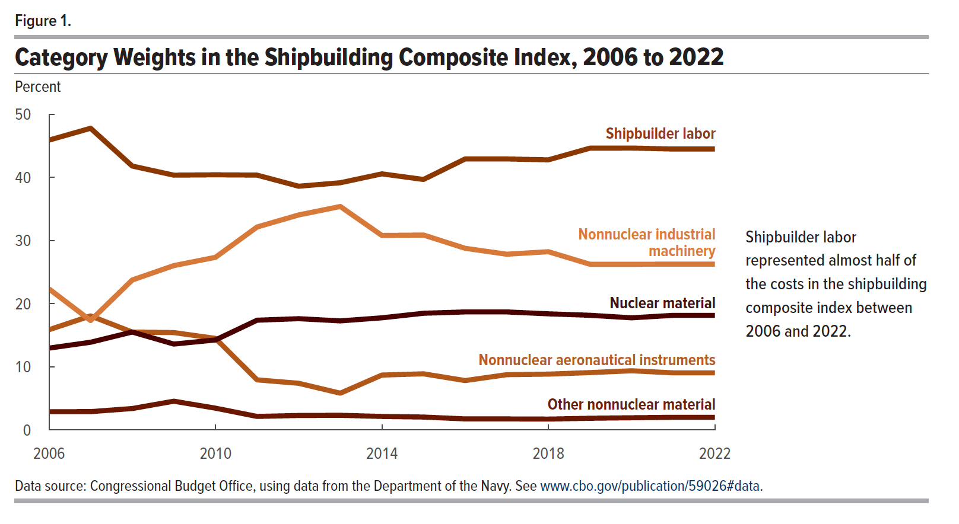
Figure 1. Category Weights in the Shipbuilding Composite Index, 2006-2022
Percent

 | Shipbuilder labor | Nonnuclear industrial machinery | Nuclear material | Nonnuclear aeronautical instruments | Other nonnuclear material
2006 | 45.91 | 22.35 | 12.97 | 15.88 | 2.90
2007 | 47.79 | 17.34 | 13.90 | 18.07 | 2.91
2008 | 41.81 | 23.76 | 15.52 | 15.51 | 3.40
2009 | 40.36 | 26.04 | 13.61 | 15.43 | 4.56
2010 | 40.42 | 27.35 | 14.26 | 14.51 | 3.46
2011 | 40.37 | 32.15 | 17.39 | 7.94 | 2.15
2012 | 38.61 | 34.06 | 17.63 | 7.40 | 2.30
2013 | 39.16 | 35.40 | 17.28 | 5.83 | 2.33
2014 | 40.57 | 30.81 | 17.77 | 8.70 | 2.15
2015 | 39.68 | 30.88 | 18.49 | 8.90 | 2.05
2016 | 42.93 | 28.78 | 18.70 | 7.83 | 1.76
2017 | 42.93 | 27.84 | 18.70 | 8.76 | 1.76
2018 | 42.79 | 28.24 | 18.40 | 8.85 | 1.73
2019 | 44.64 | 26.25 | 18.17 | 9.09 | 1.86
2020 | 44.66 | 26.25 | 17.77 | 9.38 | 1.94
2021 | 44.50 | 26.27 | 18.16 | 9.05 | 2.01
2022 | 44.50 | 26.27 | 18.16 | 9.05 | 2.01

Back to Table of Contents

Figure 2
This file presents the data from the tables and figures in CBO's April 2024 report The Shipbuilding Composite Index and Its Rates of Change Compared With Economywide Inflation Rates.
www.cbo.gov/publication/59026

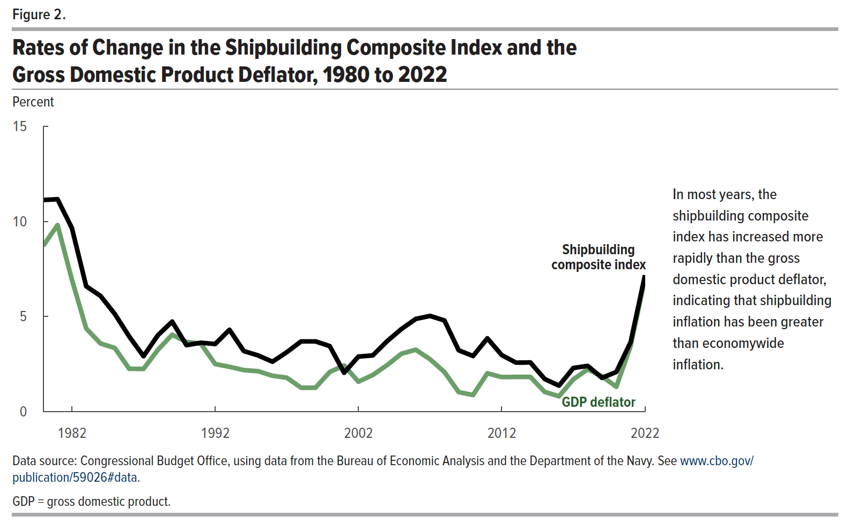
Figure 2. Rates of Change in the Shipbuilding Composite Index and the Gross Domestic Product Deflator, 1980-2022
Percent

 | Shipbuilding composite index | GDP deflator
1980 | 11.13 | 8.72
1981 | 11.17 | 9.81
1982 | 9.66 | 6.95
1983 | 6.59 | 4.37
1984 | 6.08 | 3.58
1985 | 5.13 | 3.34
1986 | 3.95 | 2.25
1987 | 2.91 | 2.24
1988 | 4.01 | 3.24
1989 | 4.73 | 4.04
1990 | 3.49 | 3.66
1991 | 3.62 | 3.57
1992 | 3.55 | 2.50
1993 | 4.30 | 2.35
1994 | 3.18 | 2.18
1995 | 2.95 | 2.12
1996 | 2.62 | 1.88
1997 | 3.12 | 1.78
1998 | 3.69 | 1.25
1999 | 3.69 | 1.25
2000 | 3.44 | 2.08
2001 | 2.04 | 2.42
2002 | 2.89 | 1.57
2003 | 2.95 | 1.92
2004 | 3.70 | 2.44
2005 | 4.34 | 3.04
2006 | 4.87 | 3.25
2007 | 5.03 | 2.75
2008 | 4.79 | 2.08
2009 | 3.22 | 1.02
2010 | 2.92 | 0.87
2011 | 3.85 | 2.01
2012 | 2.97 | 1.81
2013 | 2.57 | 1.82
2014 | 2.58 | 1.82
2015 | 1.71 | 1.03
2016 | 1.36 | 0.80
2017 | 2.29 | 1.69
2018 | 2.40 | 2.22
2019 | 1.77 | 1.85
2020 | 2.08 | 1.30
2021 | 3.65 | 3.45
2022 | 7.17 | 6.99

Back to Table of Contents

