Table 1
This file presents the data in the tables in CBO’s February 2024 report How Changes in Funding for the IRS Affect Revenues.
www.cbo.gov/publication/59972

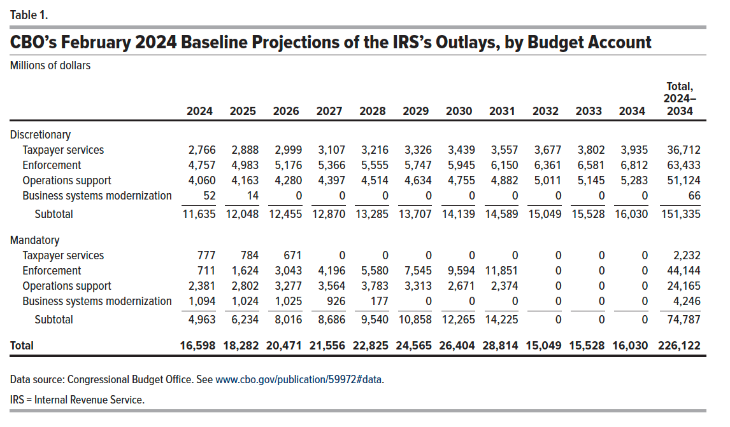
Table 1. CBO's February 2024 Baseline Projections of the IRS’s Outlays, by Budget Account
Millions of dollars

 | 2024 | 2025 | 2026 | 2027 | 2028 | 2029 | 2030 | 2031 | 2032 | 2033 | 2034 | Total, 2024– 2034
Discretionary
Taxpayer services | 2,766 | 2,888 | 2,999 | 3,107 | 3,216 | 3,326 | 3,439 | 3,557 | 3,677 | 3,802 | 3,935 | 36,712
Enforcement | 4,757 | 4,983 | 5,176 | 5,366 | 5,555 | 5,747 | 5,945 | 6,150 | 6,361 | 6,581 | 6,812 | 63,433
Operations support | 4,060 | 4,163 | 4,280 | 4,397 | 4,514 | 4,634 | 4,755 | 4,882 | 5,011 | 5,145 | 5,283 | 51,124
Business systems modernization | 52 | 14 | 0 | 0 | 0 | 0 | 0 | 0 | 0 | 0 | 0 | 66
Subtotal | 11,635 | 12,048 | 12,455 | 12,870 | 13,285 | 13,707 | 14,139 | 14,589 | 15,049 | 15,528 | 16,030 | 151,335

Mandatory
Taxpayer services | 777 | 784 | 671 | 0 | 0 | 0 | 0 | 0 | 0 | 0 | 0 | 2,232
Enforcement | 711 | 1,624 | 3,043 | 4,196 | 5,580 | 7,545 | 9,594 | 11,851 | 0 | 0 | 0 | 44,144
Operations support | 2,381 | 2,802 | 3,277 | 3,564 | 3,783 | 3,313 | 2,671 | 2,374 | 0 | 0 | 0 | 24,165
Business systems modernization | 1,094 | 1,024 | 1,025 | 926 | 177 | 0 | 0 | 0 | 0 | 0 | 0 | 4,246
Subtotal | 4,963 | 6,234 | 8,016 | 8,686 | 9,540 | 10,858 | 12,265 | 14,225 | 0 | 0 | 0 | 74,787

Total | 16,598 | 18,282 | 20,471 | 21,556 | 22,825 | 24,565 | 26,404 | 28,814 | 15,049 | 15,528 | 16,030 | 226,122

Back to Table of Contents

Table 2
This file presents the data in the tables in CBO’s February 2024 report How Changes in Funding for the IRS Affect Revenues.
www.cbo.gov/publication/59972

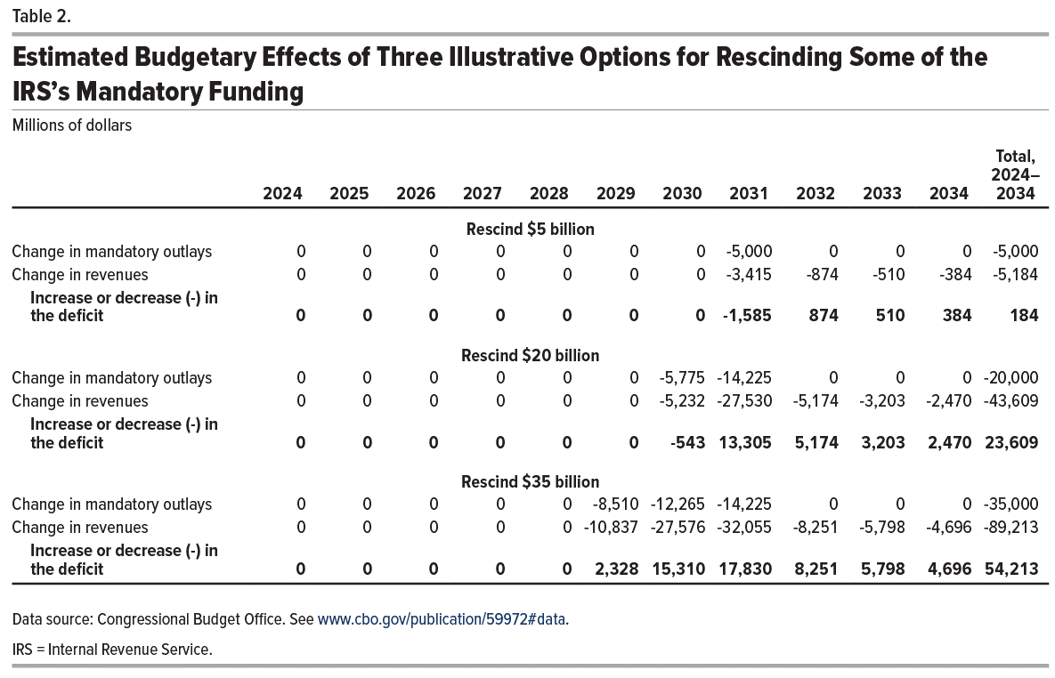
Table 2. Estimated Budgetary Effects of Three Illustrative Options for Rescinding Some of the IRS’s Mandatory Funding
Millions of dollars

 | 2024 | 2025 | 2026 | 2027 | 2028 | 2029 | 2030 | 2031 | 2032 | 2033 | 2034 | Total, 2024– 2034
 | Rescind $5 billion
Change in mandatory outlays | 0 | 0 | 0 | 0 | 0 | 0 | 0 | -5,000 | 0 | 0 | 0 | -5,000
Change in revenues | 0 | 0 | 0 | 0 | 0 | 0 | 0 | -3,415 | -874 | -510 | -385 | -5,184
Increase or decrease (-) in the deficit | 0 | 0 | 0 | 0 | 0 | 0 | 0 | -1,585 | 874 | 510 | 385 | 184

 | Rescind $20 billion
Change in mandatory outlays | 0 | 0 | 0 | 0 | 0 | 0 | -5,775 | -14,225 | 0 | 0 | 0 | -20,000
Change in revenues | 0 | 0 | 0 | 0 | 0 | 0 | -5,232 | -27,530 | -5,174 | -3,203 | -2,470 | -43,609
Increase or decrease (-) in the deficit | 0 | 0 | 0 | 0 | 0 | 0 | -543 | 13,305 | 5,174 | 3,203 | 2,470 | 23,609

 | Rescind $35 billion
Change in mandatory outlays | 0 | 0 | 0 | 0 | 0 | -8,510 | -12,265 | -14,225 | 0 | 0 | 0 | -35,000
Change in revenues | 0 | 0 | 0 | 0 | 0 | -10,837 | -27,576 | -32,055 | -8,251 | -5,798 | -4,696 | -89,213
Increase or decrease (-) in the deficit | 0 | 0 | 0 | 0 | 0 | 2,327 | 15,311 | 17,830 | 8,251 | 5,798 | 4,696 | 54,213

Back to Table of Contents

