Figure 1
This file presents the data underlying the figures in CBO's January 2024 testimony the Accuracy of CBO’s Recent Baseline Projections.
http://www.cbo.gov/publications/59905

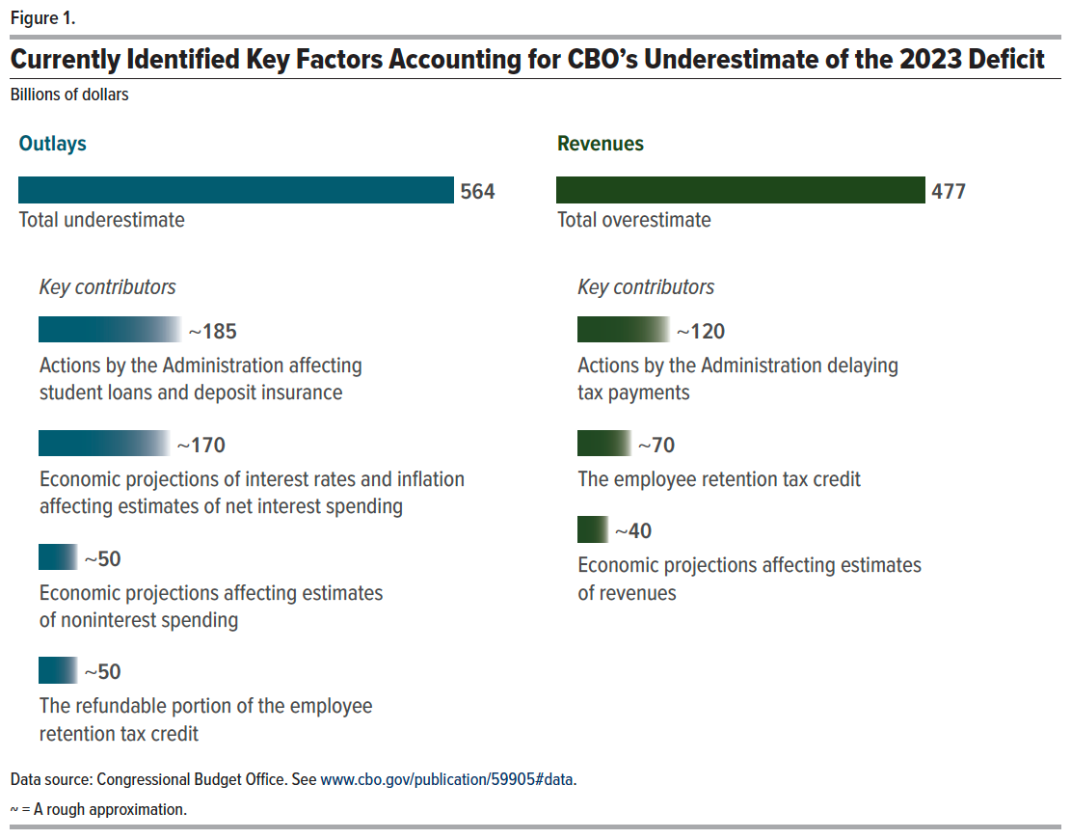
Figure 1. Currently Identified Key Factors Accounting for CBO’s Underestimate of the 2023 Deficit
Billions of dollars

Series | Value | Category
Total underestimate | 564 | Outlays
Actions by the Administration affecting student loans and deposit insurance | ~185 | Outlays
Economic projections of interest rates and inflation affecting estimates of net interest spending | ~170 | Outlays
Economic projections affecting estimates of noninterest spending | ~50 | Outlays
The refundable portion of the employee retention tax credit | ~50 | Outlays
Total overestimate | 477 | Revenues
Actions by the Administration delaying tax payments | ~120 | Revenues
The employee retention tax credit | ~70 | Revenues
Economic projections affecting estimates of revenues | ~40 | Revenues

Back to Table of Contents

Figure 2
This file presents the data underlying the figures in CBO's January 2024 testimony the Accuracy of CBO’s Recent Baseline Projections.
http://www.cbo.gov/publications/59905

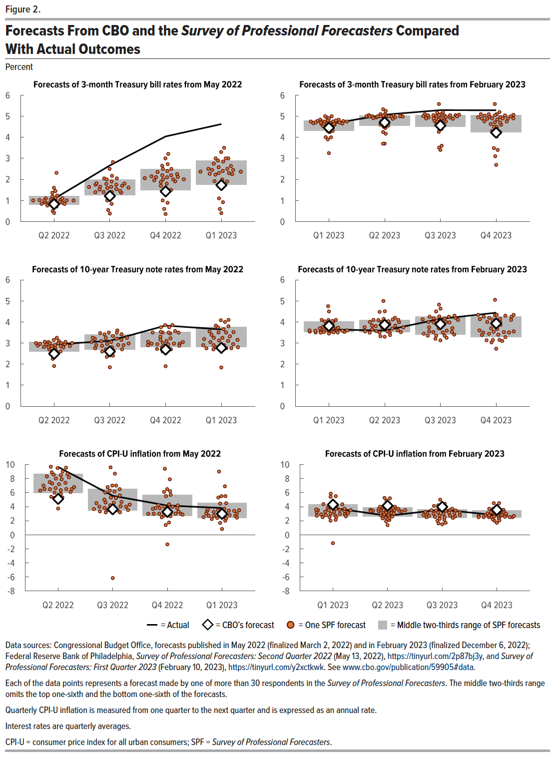
Figure 2. Forecasts From CBO and the Survey of Professional Forecasters Compared With Actual Outcomes
Percent

3-month Treasury bill rates
Forecast | Quarter | CBO’s forecast | Actual | Middle two-thirds range of SPF forecasts, lower bound | Middle two-thirds range of SPF forecasts, upper bound | SPF forecasts
2022-05-01 | Q2 2022 | 0.8 | 1.1 | 0.8 | 1.2 | 0.9 | 1.0 |  | 1.0 | 1.2 | 1.1 | 1.5 | 1.1 | 1.0 | 2.3 | 0.8 | 1.2 | 0.8 | 1.1 | 0.9 | 1.0 | 1.0 | 1.6 | 1.0 | 1.0 | 1.1 | 0.8 | 0.9 | 0.9 | 0.5 |  | 0.9 | 0.4 | 1.4 | 0.8 | 0.7 | 0.8 | 1.0
2022-05-02 | Q3 2022 | 1.2 | 2.7 | 1.3 | 2.0 | 1.6 | 1.7 |  | 1.6 | 2.2 | 1.7 | 2.1 | 1.7 | 1.3 | 2.8 | 1.7 | 1.4 | 1.5 | 1.9 | 1.8 | 2.1 | 1.4 | 2.5 | 1.0 | 1.8 | 1.8 | 1.6 | 1.4 | 1.5 | 0.6 |  | 1.5 | 0.4 | 1.8 | 0.8 | 1.2 | 1.4 | 2.0
2022-05-03 | Q4 2022 | 1.4 | 4.0 | 1.5 | 2.5 | 2.1 | 2.0 |  | 2.0 | 2.7 | 2.1 | 2.5 | 2.2 | 1.5 | 3.2 | 2.0 | 1.5 | 1.9 | 2.4 | 2.4 | 2.7 | 1.8 | 3.0 | 1.0 | 2.3 | 2.2 | 2.1 | 1.9 | 2.0 | 0.6 |  | 2.2 | 0.4 | 2.1 | 0.9 | 1.4 | 1.7 | 2.5
2022-05-04 | Q1 2023 | 1.7 | 4.6 | 1.8 | 2.9 | 2.6 | 2.5 |  | 2.3 | 3.0 | 2.4 | 2.8 | 2.3 | 1.8 | 3.3 | 2.2 | 1.6 | 2.3 | 2.9 | 2.9 | 3.0 | 1.9 | 3.5 | 1.1 | 2.5 | 2.5 | 2.5 | 2.4 | 2.3 | 0.6 |  | 2.6 | 0.4 | 2.4 | 0.9 | 1.9 | 2.0 | 3.0
2023-02-01 | Q1 2023 | 4.5 | 4.6 | 4.3 | 4.8 | 4.8 | 4.8 | 4.8 | 4.7 | 4.7 | 4.8 | 4.8 | 4.3 | 4.8 | 4.6 | 3.9 | 4.8 | 4.8 | 4.8 | 4.8 | 4.7 | 4.7 | 5.0 | 4.6 | 4.8 | 4.7 | 4.7 | 4.6 | 4.3 | 4.3 | 4.7 | 4.9 | 4.5 | 4.6 | 4.0 | 4.7 | 3.3 |  | 5.0 | 4.0 | 4.5 | 5.0
2023-02-02 | Q2 2023 | 4.7 | 5.1 | 4.6 | 5.0 | 5.0 | 5.3 | 5.0 | 5.0 | 5.0 | 5.0 | 5.1 | 4.6 | 4.7 | 5.0 | 3.7 | 5.0 | 5.1 | 4.8 | 5.1 | 4.9 | 5.0 | 5.1 | 4.8 | 5.0 | 4.9 | 5.0 | 4.6 | 4.4 | 4.5 | 5.0 | 5.0 | 4.6 | 4.2 | 4.7 | 4.9 | 4.3 |  | 5.0 | 3.7 | 4.9 | 5.3
2023-02-03 | Q3 2023 | 4.6 | 5.3 | 4.5 | 5.1 | 5.0 | 5.6 | 4.9 | 5.1 | 5.0 | 5.1 | 5.1 | 4.7 | 4.3 | 5.0 | 3.6 | 4.9 | 4.9 | 4.8 | 5.1 | 4.7 | 5.0 | 5.1 | 4.8 | 5.0 | 4.9 | 5.1 | 4.4 | 4.8 | 4.5 | 5.1 | 4.9 | 4.4 | 3.5 | 5.1 | 5.2 | 4.8 |  | 5.0 | 3.4 | 4.9 | 5.2
2023-02-04 | Q4 2023 | 4.2 | 5.3 | 4.3 | 5.1 | 4.9 | 5.6 | 4.8 | 5.1 | 5.0 | 5.1 | 5.0 | 4.6 | 3.5 | 4.9 | 3.4 | 4.7 | 5.0 | 4.5 | 5.1 | 4.0 | 4.9 | 5.0 | 4.7 | 4.8 | 4.9 | 5.0 | 4.3 | 4.9 | 4.3 | 4.8 | 4.9 | 4.2 | 2.7 | 5.1 | 5.1 | 4.5 |  | 5.0 | 3.1 | 4.6 | 5.2

10-year Treasury note rates
Forecast | Quarter | CBO’s forecast | Actual | Middle two-thirds range of SPF forecasts, lower bound | Middle two-thirds range of SPF forecasts, upper bound | SPF forecasts
2022-05-01 | Q2 2022 | 2.5 | 2.9 | 2.6 | 3.1 | 2.9 | 3.0 |  | 3.0 | 3.1 | 3.0 | 2.5 | 2.9 | 3.0 | 2.9 | 2.6 | 2.7 | 2.8 | 2.8 | 3.1 |  | 2.6 | 2.6 | 3.1 | 3.0 | 2.8 | 2.9 | 2.9 | 2.8 | 2.3 | 3.0 | 3.2 | 1.9 | 3.0 | 3.1 | 2.4 | 2.9 | 3.3
2022-05-02 | Q3 2022 | 2.6 | 3.1 | 2.7 | 3.4 | 3.0 | 3.6 |  | 3.1 | 3.3 | 3.2 | 2.6 | 2.9 | 3.3 | 2.3 | 2.8 | 2.7 | 3.4 | 3.2 | 3.5 |  | 2.8 | 2.7 | 3.2 | 3.3 | 2.9 | 2.9 | 3.1 | 2.9 | 2.4 | 3.1 | 3.5 | 1.9 | 3.4 | 3.0 | 2.7 | 3.2 | 3.5
2022-05-03 | Q4 2022 | 2.7 | 3.8 | 2.8 | 3.5 | 3.0 | 3.8 |  | 3.2 | 3.5 | 3.2 | 2.7 | 2.9 | 3.5 | 3.0 | 3.0 | 2.8 | 3.6 | 3.5 | 3.9 |  | 3.0 | 2.8 | 3.3 | 3.5 | 2.9 | 3.1 | 3.0 | 3.0 | 2.6 | 3.1 | 3.9 | 1.9 | 3.8 | 2.9 | 2.7 | 3.5 | 3.5
2022-05-04 | Q1 2023 | 2.8 | 3.6 | 2.8 | 3.8 | 3.1 | 3.6 |  | 3.2 | 3.5 | 3.3 | 2.8 | 2.9 | 3.8 | 3.1 | 2.8 | 2.7 | 3.7 | 3.8 | 4.1 |  | 2.8 | 2.8 | 3.5 | 3.5 | 2.9 | 3.4 | 3.3 | 3.1 | 2.8 | 3.2 | 4.1 | 1.8 | 4.0 | 2.9 | 2.9 | 3.8 | 3.3
2023-02-01 | Q1 2023 | 3.8 | 3.6 | 3.5 | 4.0 | 3.6 | 4.0 | 3.7 | 3.6 | 3.8 | 3.7 | 3.6 | 4.1 | 3.5 | 3.6 | 3.7 | 3.6 | 3.9 | 3.5 | 3.7 | 3.5 |  | 3.9 | 4.0 | 3.5 | 3.5 | 3.6 | 3.7 | 4.1 | 3.7 | 3.5 | 4.1 | 3.6 | 3.5 | 4.1 | 3.6 | 4.8 |  | 4.5 | 3.5 |  | 3.6
2023-02-02 | Q2 2023 | 3.9 | 3.6 | 3.5 | 4.1 | 3.7 | 4.5 | 4.0 | 3.8 | 3.6 | 4.1 | 3.6 | 4.2 | 3.5 | 3.5 | 3.6 | 4.0 | 4.5 | 3.3 | 3.9 | 3.3 |  | 3.8 | 4.0 | 3.8 | 3.5 | 4.1 | 3.7 | 4.1 | 3.6 | 3.8 | 4.1 | 3.8 | 3.4 | 4.2 | 3.8 | 5.0 |  | 4.0 | 3.5 |  | 3.8
2023-02-03 | Q3 2023 | 3.9 | 4.2 | 3.4 | 4.3 | 3.6 | 4.6 | 4.1 | 3.7 | 3.3 | 4.3 | 3.6 | 4.2 | 3.4 | 3.4 | 3.5 | 4.0 | 4.8 | 3.3 | 4.2 | 3.2 |  | 3.4 | 4.1 | 3.8 | 3.4 | 4.3 | 3.5 | 4.3 | 3.7 | 4.0 | 4.1 | 4.0 | 3.1 | 4.3 | 4.2 | 4.5 |  | 4.0 | 3.5 |  | 3.8
2023-02-04 | Q4 2023 | 3.9 | 4.4 | 3.3 | 4.3 | 3.5 | 4.3 | 4.1 | 3.7 | 3.1 | 4.2 | 3.6 | 4.2 | 3.4 | 3.1 | 3.4 | 3.9 | 5.1 | 3.2 | 4.3 | 3.0 |  | 3.2 | 4.1 | 3.5 | 3.3 | 4.3 | 3.4 | 4.3 | 3.6 | 4.0 | 4.1 | 4.3 | 2.7 | 4.3 | 4.3 | 4.0 |  | 3.5 | 3.5 |  | 3.7

CPI-U inflation
Forecast | Quarter | CBO’s forecast | Actual | Middle two-thirds range of SPF forecasts, lower bound | Middle two-thirds range of SPF forecasts, upper bound | SPF forecasts
2022-05-01 | Q2 2022 | 5.1 | 9.7 | 6.0 | 8.7 | 5.3 | 6.0 | 8.3 | 6.5 | 9.7 | 9.5 | 6.7 | 6.3 | 9.5 | 3.7 | 5.4 | 6.5 | 8.5 | 7.3 | 7.0 | 7.9 | 6.8 | 8.9 | 9.0 | 6.5 | 8.6 | 5.8 | 8.0 | 5.2 | 8.2 | 8.7 | 6.3 | 6.5 | 7.5 | 7.4 | 6.1 |  | 7.2
2022-05-02 | Q3 2022 | 3.6 | 5.5 | 3.5 | 6.5 | 4.0 | 4.3 | 4.6 | 3.7 | 5.2 | 3.5 | 5.6 | 3.2 | 9.6 | -6.2 | 4.1 | 3.5 | 4.7 | 5.0 | 4.5 | 4.6 | 4.0 | 5.3 | 8.7 | 3.3 | 6.0 | 4.2 | 7.0 | 3.2 | 7.0 | 6.2 | 3.8 | 6.3 | 6.5 | 3.5 | 3.7 |  | 6.8
2022-05-03 | Q4 2022 | 3.3 | 4.2 | 2.7 | 5.7 | 3.0 | 3.0 | 4.3 | 2.6 | 3.8 | 1.4 | 3.0 | 2.7 | 9.4 | -1.4 | 4.3 | 3.0 | 4.0 | 3.8 | 4.0 | 3.3 | 3.0 | 3.8 | 7.9 | 2.9 | 3.2 | 3.7 | 6.1 | 2.5 | 6.5 | 3.8 | 4.2 | 6.2 | 5.5 | 1.7 | 3.0 |  | 5.7
2022-05-04 | Q1 2023 | 3.0 | 3.8 | 2.4 | 4.5 | 2.7 | 2.7 | 3.4 | 2.2 | 3.2 | 0.8 | 3.0 | 2.5 | 9.0 | 1.7 | 3.0 | 2.8 | 3.5 | 3.4 | 3.5 | 2.7 | 2.9 | 2.0 | 6.9 | 2.5 | 3.3 | 3.4 | 5.3 | 2.3 | 5.5 | 3.7 | 4.4 | 5.5 | 4.5 | 2.4 | 2.4 |  | 3.6
2023-02-01 | Q1 2023 | 4.3 | 3.8 | 2.6 | 4.3 | 3.2 | 3.7 | 3.5 | 2.5 | 4.1 | 3.3 | 2.9 | 5.5 | -1.2 | 2.7 | 2.0 | 5.9 | 3.5 | 3.2 | 4.3 | 4.0 | 2.9 | 2.8 | 5.4 | 3.0 | 4.4 | 3.7 | 2.6 | 3.4 | 3.6 | 2.7 | 4.6 | 3.5 | 2.1 | 3.1 | 2.5 | 3.0 |  | 3.5 | 3.7 | 2.5 | 4.3
2023-02-02 | Q2 2023 | 4.1 | 2.7 | 2.6 | 3.9 | 3.5 | 3.6 | 3.3 | 3.1 | 4.2 | 4.0 | 2.9 | 5.3 | 1.4 | 3.4 | 2.1 | 3.9 | 3.4 | 2.8 | 5.2 | 3.5 | 3.7 | 2.4 | 4.9 | 3.7 | 3.4 | 3.1 | 2.3 | 3.3 | 3.4 | 2.8 | 3.8 | 3.5 | 2.4 | 3.1 | 2.6 | 3.0 |  | 3.5 | 3.7 | 1.9 | 4.0
2023-02-03 | Q3 2023 | 4.0 | 3.6 | 2.4 | 3.6 | 3.1 | 2.7 | 2.5 | 2.7 | 3.5 | 2.0 | 2.6 | 5.0 | 2.3 | 3.6 | 2.4 | 3.2 | 3.5 | 1.6 | 4.4 | 3.4 | 4.1 | 1.7 | 4.1 | 3.2 | 2.7 | 3.0 | 2.1 | 2.5 | 3.2 | 3.1 | 4.2 | 3.0 | 3.2 | 2.8 | 2.5 | 2.8 |  | 3.5 | 3.7 | 1.5 | 3.5
2023-02-04 | Q4 2023 | 3.5 | 2.8 | 2.5 | 3.5 | 2.9 | 2.5 | 2.8 | 2.7 | 2.8 | 2.8 | 2.5 | 4.5 | 3.5 | 3.0 | 2.0 | 3.1 | 3.2 | 2.2 | 3.7 | 3.2 | 2.5 | 2.3 | 4.5 | 2.7 | 2.5 | 2.5 | 2.0 | 2.8 | 3.0 | 3.3 | 3.7 | 2.8 | 2.6 | 2.5 | 2.5 | 2.6 |  | 3.5 | 3.7 | 1.7 | 3.1

Back to Table of Contents

