Table_1
This file presents the data from the tables in CBO's December 2023 report The Budgetary and Economic Effects of S. 2488, the Raise the Wage Act of 2023.
www.cbo.gov/publication/59833

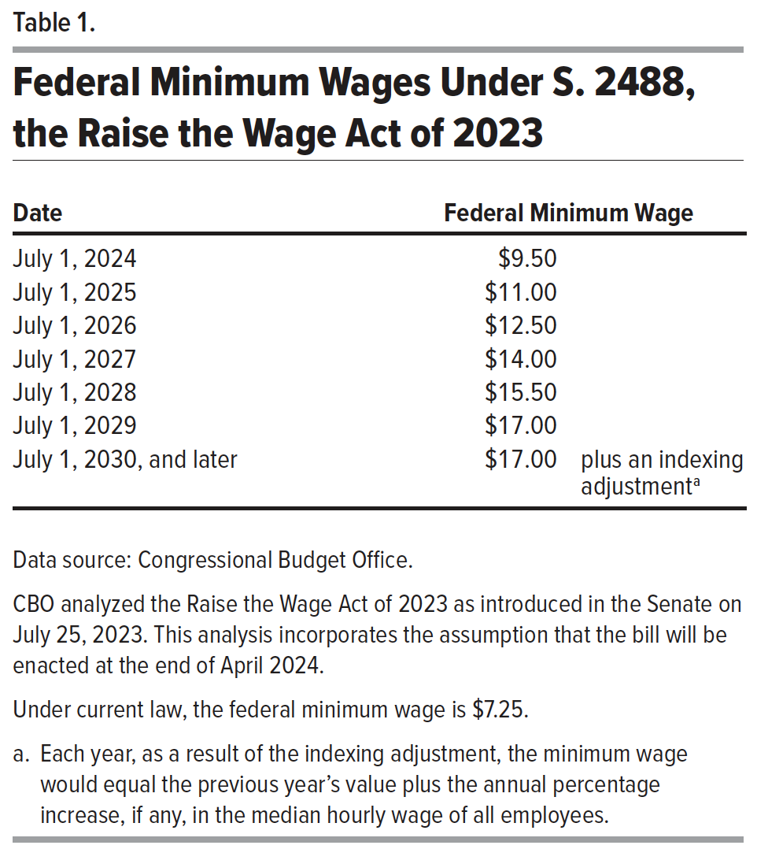
Table 1. Federal Minimum Wages Under S. 2488, the Raise the Wage Act of 2023

 | Federal Minimum Wage
Date
2024-07-01 | $9.50
2025-07-01 | $11.00
2026-07-01 | $12.50
2027-07-01 | $14.00
2028-07-01 | $15.50
2029-07-01 | $17.00
July 1, 2030, and later | $17.00 | plus an indexing adjustmenta

Data source: Congressional Budget Office.
CBO analyzed the Raise the Wage Act of 2023 as introduced in the Senate on July 25, 2023. This analysis incorporates the assumption that the bill will be enacted at the end of April 2024.
Under current law, the federal minimum wage is $7.25.
a. Each year, as a result of the indexing adjustment, the minimum wage would equal the previous year’s value plus the annual percentage increase, if any, in the median hourly wage of all employees.

Back to Table of Contents

Table_2
This file presents the data from the tables in CBO's December 2023 report The Budgetary and Economic Effects of S. 2488, the Raise the Wage Act of 2023.
www.cbo.gov/publication/59833

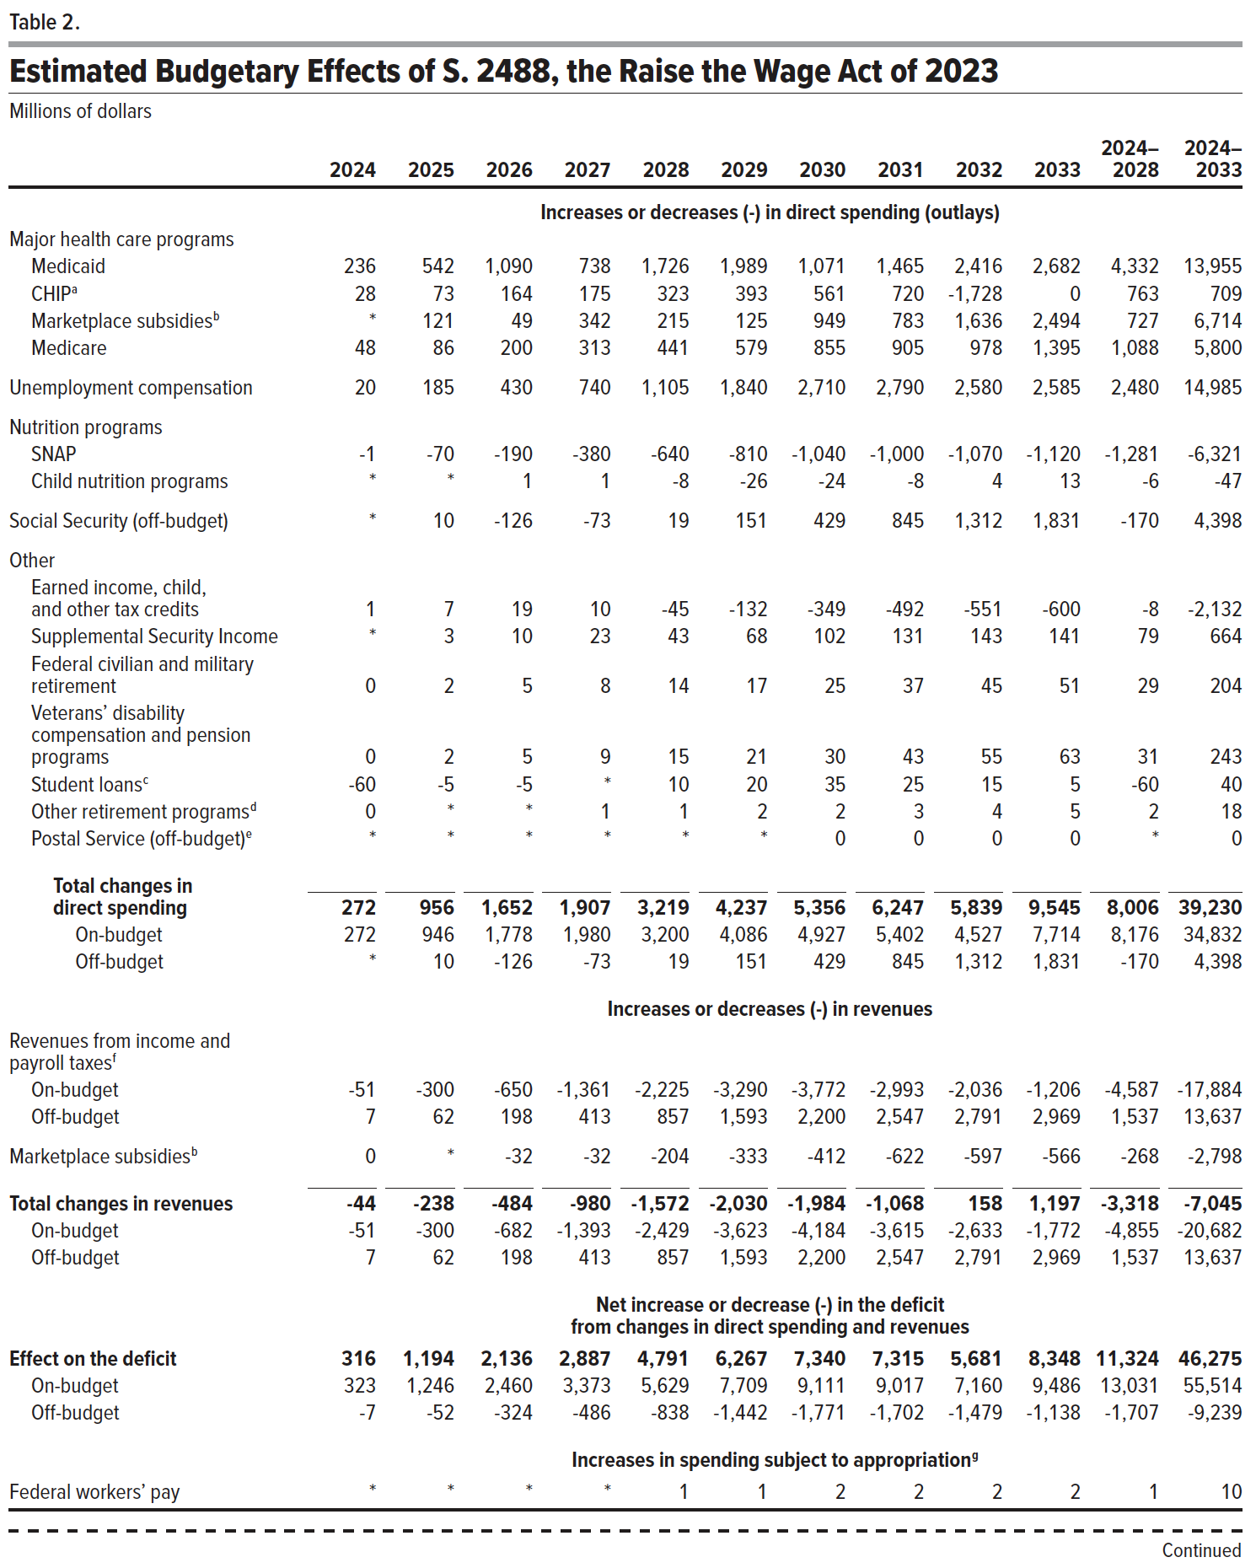
Table 2. Estimated Budgetary Effects of S. 2488, the Raise the Wage Act of 2023
Millions of dollars

 | 2024 | 2025 | 2026 | 2027 | 2028 | 2029 | 2030 | 2031 | 2032 | 2033 | 2024–2028 | 2024–2033
 | Increases or decreases (-) in direct spending (outlays)
Major health care programs
Medicaid | 236 | 542 | 1,090 | 738 | 1,726 | 1,989 | 1,071 | 1,465 | 2,416 | 2,682 | 4,332 | 13,955
CHIPa | 28 | 73 | 164 | 175 | 323 | 393 | 561 | 720 | -1,728 | 0 | 763 | 709
Marketplace subsidies b | * | 121 | 49 | 342 | 215 | 125 | 949 | 783 | 1,636 | 2,494 | 727 | 6,714
Medicare | 48 | 86 | 200 | 313 | 441 | 579 | 855 | 905 | 978 | 1,395 | 1,088 | 5,800
Unemployment compensation | 20 | 185 | 430 | 740 | 1,105 | 1,840 | 2,710 | 2,790 | 2,580 | 2,585 | 2,480 | 14,985
Nutrition programs
SNAP | -1 | -70 | -190 | -380 | -640 | -810 | -1,040 | -1,000 | -1,070 | -1,120 | -1,281 | -6,321
Child nutrition programs | * | * | 1 | 1 | -8 | -26 | -24 | -8 | 4 | 13 | -6 | -47
Social Security (off-budget) | * | 10 | -126 | -73 | 19 | 151 | 429 | 845 | 1,312 | 1,831 | -170 | 4,398
Other
Earned income, child, and other tax credits | 1 | 7 | 19 | 10 | -45 | -132 | -349 | -492 | -551 | -600 | -8 | -2,132
Supplemental Security Income | * | 3 | 10 | 23 | 43 | 68 | 102 | 131 | 143 | 141 | 79 | 664
Federal civilian and military retirement | 0 | 2 | 5 | 8 | 14 | 17 | 25 | 37 | 45 | 51 | 29 | 204
Veterans’ disability compensation and pension programs | 0 | 2 | 5 | 9 | 15 | 21 | 30 | 43 | 55 | 63 | 31 | 243
Student loans c | -60 | -5 | -5 | * | 10 | 20 | 35 | 25 | 15 | 5 | -60 | 40
Other retirement programs d | 0 | * | * | 1 | 1 | 2 | 2 | 3 | 4 | 5 | 2 | 18
Postal Service (off-budget) e | * | * | * | * | * | * | 0 | 0 | 0 | 0 | * | 0
Total changes in direct spending | 272 | 956 | 1,652 | 1,907 | 3,219 | 4,237 | 5,356 | 6,247 | 5,839 | 9,545 | 8,006 | 39,230
On-budget | 272 | 946 | 1,778 | 1,980 | 3,200 | 4,086 | 4,927 | 5,402 | 4,527 | 7,714 | 8,176 | 34,832
Off-budget | * | 10 | -126 | -73 | 19 | 151 | 429 | 845 | 1,312 | 1,831 | -170 | 4,398
 | Increases or decreases (-) in revenues
Revenues from income and payroll taxes f
On-budget | -51 | -300 | -650 | -1,361 | -2,225 | -3,290 | -3,772 | -2,993 | -2,036 | -1206 | -4,587 | -17,884
Off-budget | 7 | 62 | 198 | 413 | 857 | 1,593 | 2,200 | 2,547 | 2,791 | 2,969 | 1,537 | 13,637
Marketplace subsidiesb | 0 | * | -32 | -32 | -204 | -333 | -412 | -622 | -597 | -566 | -268 | -2,798
Total changes in revenues | -44 | -238 | -484 | -980 | -1,572 | -2,030 | -1,984 | -1,068 | 158 | 1,197 | -3,318 | -7,045
On-budget | -51 | -300 | -682 | -1,393 | -2,429 | -3,623 | -4,184 | -3,615 | -2,633 | -1,772 | -4,855 | -20,682
Off-budget | 7 | 62 | 198 | 413 | 857 | 1,593 | 2,200 | 2,547 | 2,791 | 2,969 | 1,537 | 13,637
 | Net increase or decrease (-) in the deficit from changes in direct spending and revenues
Effect on the deficit | 316 | 1,194 | 2,136 | 2,887 | 4,791 | 6,267 | 7,340 | 7,315 | 5,681 | 8,348 | 11,324 | 46,275
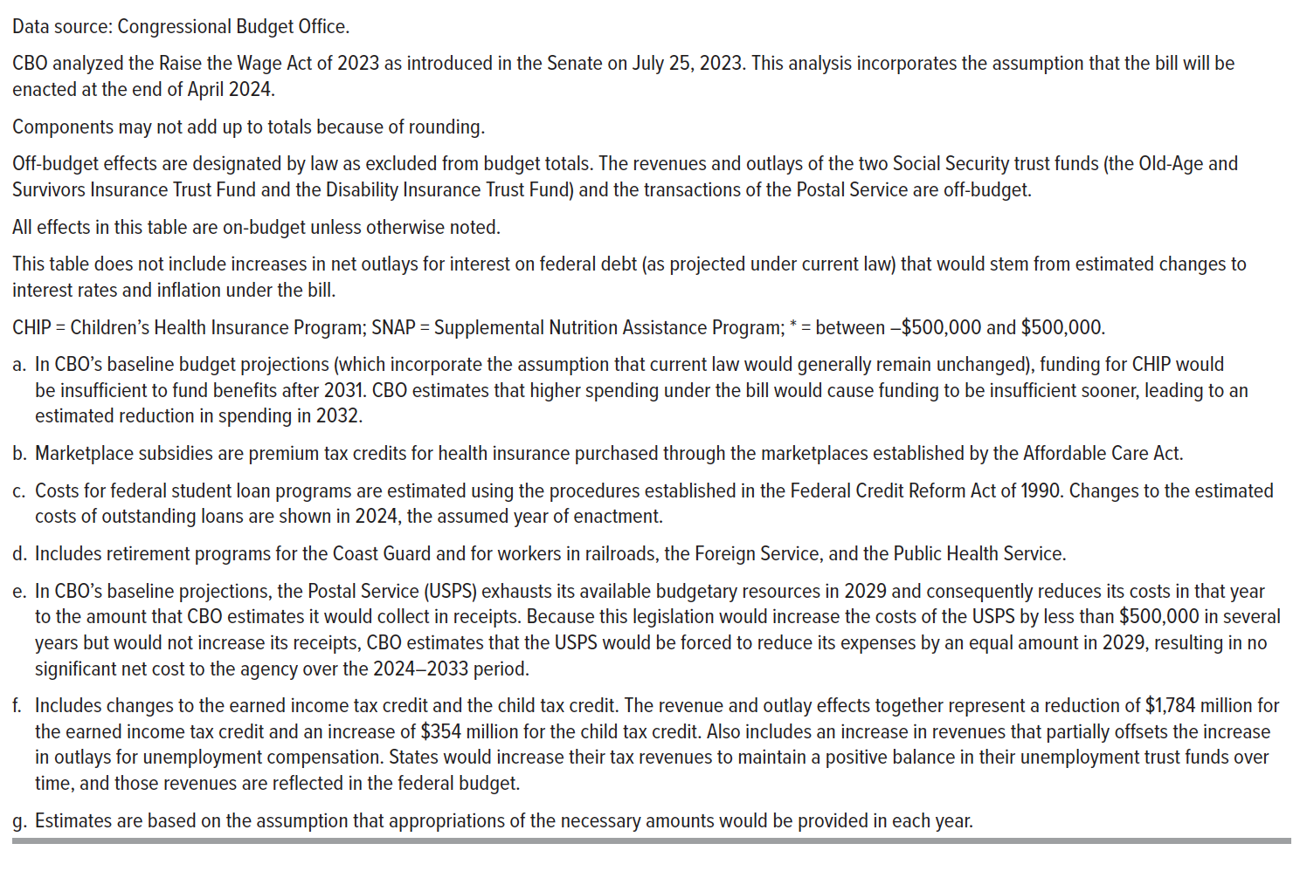
On-budget | 323 | 1,246 | 2,460 | 3,373 | 5,629 | 7,709 | 9,111 | 9,017 | 7,160 | 9,486 | 13,031 | 55,514
Off-budget | -7 | -52 | -324 | -486 | -838 | -1,442 | -1,771 | -1,702 | -1,479 | -1,138 | -1,707 | -9,239
 | Increases in spending subject to appropriation g
Federal workers’ pay | * | * | * | * | 1 | 1 | 2 | 2 | 2 | 2 | 1 | 10

Data source: Congressional Budget Office.
CBO analyzed the Raise the Wage Act of 2023 as introduced in the Senate on July 25, 2023. This analysis incorporates the assumption that the bill will be enacted at the end of April 2024.
Components may not add up to totals because of rounding.
Off-budget effects are designated by law as excluded from budget totals. The revenues and outlays of the two Social Security trust funds (the Old-Age and Survivors Insurance Trust Fund and the Disability Insurance Trust Fund) and the transactions of the Postal Service are off-budget.

All effects in this table are on-budget unless otherwise noted.
This table does not include increases in net outlays for interest on federal debt (as projected under current law) that would stem from estimated changes to interest rates and inflation under the bill.
CHIP = Children’s Health Insurance Program; SNAP = Supplemental Nutrition Assistance Program; * = between –$500,000 and $500,000.

a. In CBO’s baseline budget projections (which incorporate the assumption that current law would generally remain unchanged), funding for CHIP would be insufficient to fund benefits after 2031. CBO estimates that higher spending under the bill would cause funding to be insufficient sooner, leading to an estimated reduction in spending in 2032.

b. Marketplace subsidies are premium tax credits for health insurance purchased through the marketplaces established by the Affordable Care Act.
c. Costs for federal student loan programs are estimated using the procedures established in the Federal Credit Reform Act of 1990. Changes to the estimated costs of outstanding loans are shown in 2024, the assumed year of enactment.

d. Includes retirement programs for the Coast Guard and for workers in railroads, the Foreign Service, and the Public Health Service.
e. In CBO’s baseline projections, the Postal Service (USPS) exhausts its available budgetary resources in 2029 and consequently reduces its costs in that year to the amount that CBO estimates it would collect in receipts. Because this legislation would increase the costs of the USPS by less than $500,000 in several years but would not increase its receipts, CBO estimates that the USPS would be forced to reduce its expenses by an equal amount in 2029, resulting in no significant net cost to the agency over the 2024–2033 period.

f. Includes changes to the earned income tax credit and the child tax credit. The revenue and outlay effects together represent a reduction of $1,784 million for the earned income tax credit and an increase of $354 million for the child tax credit. Also includes an increase in revenues that partially offsets the increase in outlays for unemployment compensation. States would increase their tax revenues to maintain a positive balance in their unemployment trust funds over time, and those revenues are reflected in the federal budget.

g. Estimates are based on the assumption that appropriations of the necessary amounts would be provided in each year.

Back to Table of Contents

