Figure 1
This file presents the data from the figure in CBO's April 2023 testimony Social Security’s Finances.
https://www.cbo.gov/publication/59052

Figure 1. Population, by Age Group
Millions of People
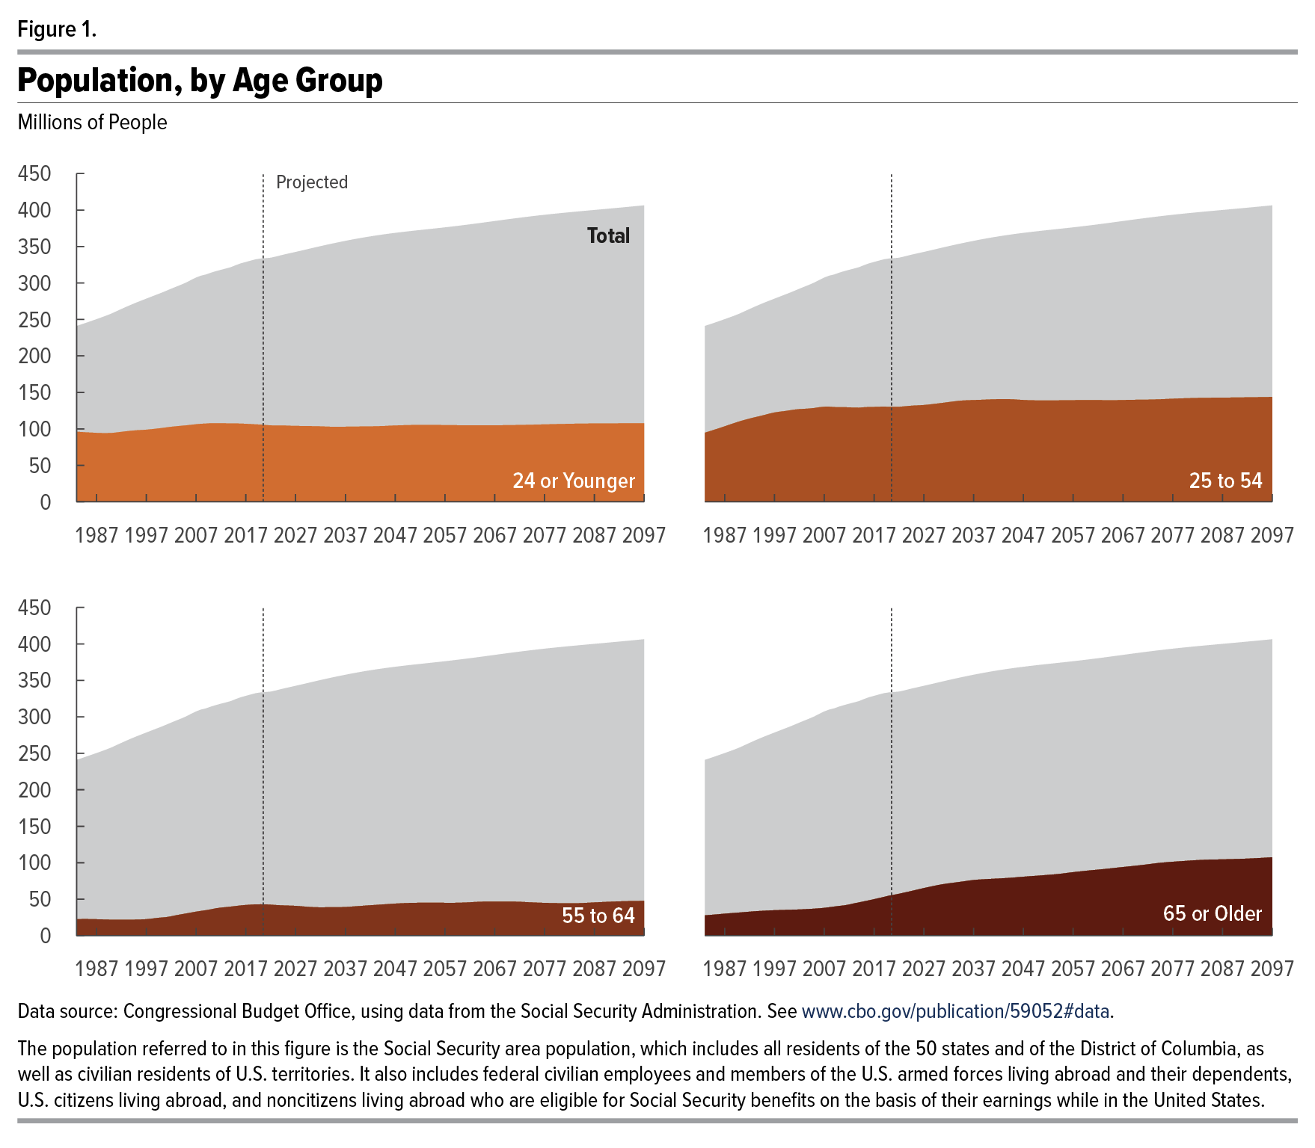
Year | 24 or Younger | 25 to 54 | 55 to 64 | 65 or Older | Total
1983 | 96 | 95 | 23 | 28 | 241
1984 | 96 | 97 | 23 | 28 | 243
1985 | 95 | 99 | 23 | 29 | 246
1986 | 95 | 101 | 23 | 29 | 248
1987 | 94 | 103 | 22 | 30 | 250
1988 | 94 | 106 | 22 | 31 | 253
1989 | 94 | 108 | 22 | 31 | 255
1990 | 94 | 110 | 22 | 32 | 258
1991 | 95 | 112 | 22 | 32 | 261
1992 | 96 | 114 | 22 | 33 | 264
1993 | 97 | 116 | 22 | 33 | 267
1994 | 97 | 117 | 22 | 34 | 270
1995 | 98 | 119 | 22 | 34 | 273
1996 | 98 | 121 | 22 | 35 | 276
1997 | 99 | 122 | 23 | 35 | 278
1998 | 99 | 123 | 23 | 35 | 281
1999 | 100 | 124 | 24 | 35 | 284
2000 | 101 | 125 | 25 | 35 | 286
2001 | 102 | 126 | 25 | 36 | 289
2002 | 103 | 127 | 26 | 36 | 292
2003 | 103 | 127 | 28 | 36 | 295
2004 | 104 | 128 | 29 | 37 | 298
2005 | 105 | 129 | 30 | 37 | 301
2006 | 105 | 130 | 32 | 37 | 304
2007 | 106 | 130 | 33 | 38 | 307
2008 | 107 | 130 | 34 | 39 | 310
2009 | 107 | 130 | 35 | 40 | 312
2010 | 108 | 130 | 36 | 41 | 314
2011 | 108 | 130 | 37 | 41 | 316
2012 | 108 | 129 | 38 | 43 | 318
2013 | 107 | 129 | 39 | 44 | 320
2014 | 107 | 129 | 40 | 46 | 322
2015 | 107 | 130 | 41 | 47 | 324
2016 | 107 | 130 | 41 | 48 | 327
2017 | 107 | 130 | 42 | 50 | 329
2018 | 107 | 130 | 42 | 52 | 331
2019 | 106 | 130 | 43 | 53 | 332
2020 | 106 | 130 | 43 | 55 | 333
2021 | 105 | 130 | 43 | 56 | 334
2022 | 105 | 130 | 42 | 57 | 335
2023 | 105 | 131 | 42 | 59 | 336
2024 | 105 | 131 | 42 | 60 | 338
2025 | 104 | 132 | 41 | 62 | 339
2026 | 104 | 132 | 41 | 64 | 341
2027 | 104 | 133 | 41 | 65 | 343
2028 | 104 | 133 | 40 | 67 | 344
2029 | 104 | 134 | 40 | 68 | 346
2030 | 104 | 135 | 39 | 70 | 347
2031 | 104 | 136 | 39 | 71 | 349
2032 | 103 | 137 | 39 | 72 | 350
2033 | 103 | 138 | 39 | 73 | 352
2034 | 103 | 138 | 39 | 73 | 353
2035 | 103 | 139 | 39 | 74 | 355
2036 | 103 | 139 | 39 | 75 | 356
2037 | 103 | 139 | 39 | 76 | 358
2038 | 103 | 140 | 40 | 77 | 359
2039 | 103 | 140 | 40 | 77 | 360
2040 | 103 | 140 | 41 | 78 | 362
2041 | 103 | 140 | 41 | 78 | 363
2042 | 103 | 141 | 42 | 78 | 364
2043 | 103 | 141 | 42 | 79 | 365
2044 | 104 | 141 | 43 | 79 | 366
2045 | 104 | 140 | 43 | 80 | 367
2046 | 104 | 140 | 43 | 80 | 368
2047 | 105 | 140 | 44 | 81 | 369
2048 | 105 | 139 | 44 | 81 | 369
2049 | 105 | 139 | 45 | 82 | 370
2050 | 105 | 139 | 45 | 82 | 371
2051 | 105 | 139 | 45 | 83 | 372
2052 | 105 | 139 | 45 | 83 | 373
2053 | 105 | 139 | 45 | 84 | 373
2054 | 105 | 139 | 45 | 85 | 374
2055 | 105 | 139 | 45 | 85 | 375
2056 | 105 | 139 | 45 | 86 | 375
2057 | 105 | 139 | 45 | 87 | 376
2058 | 105 | 139 | 45 | 88 | 377
2059 | 105 | 139 | 45 | 89 | 378
2060 | 105 | 139 | 45 | 89 | 379
2061 | 105 | 139 | 45 | 90 | 379
2062 | 105 | 139 | 46 | 90 | 380
2063 | 105 | 139 | 46 | 91 | 381
2064 | 105 | 139 | 46 | 92 | 382
2065 | 105 | 139 | 47 | 93 | 383
2066 | 105 | 139 | 47 | 93 | 384
2067 | 105 | 139 | 47 | 94 | 385
2068 | 105 | 140 | 47 | 95 | 386
2069 | 105 | 140 | 47 | 95 | 387
2070 | 105 | 140 | 47 | 96 | 388
2071 | 105 | 140 | 47 | 97 | 388
2072 | 105 | 140 | 46 | 98 | 389
2073 | 105 | 140 | 46 | 99 | 390
2074 | 106 | 140 | 46 | 100 | 391
2075 | 106 | 141 | 45 | 100 | 392
2076 | 106 | 141 | 45 | 101 | 393
2077 | 106 | 141 | 45 | 101 | 393
2078 | 106 | 142 | 45 | 102 | 394
2079 | 106 | 142 | 45 | 102 | 395
2080 | 107 | 142 | 44 | 103 | 396
2081 | 107 | 142 | 44 | 103 | 396
2082 | 107 | 142 | 44 | 104 | 397
2083 | 107 | 142 | 44 | 104 | 398
2084 | 107 | 143 | 45 | 104 | 398
2085 | 107 | 143 | 45 | 104 | 399
2086 | 107 | 143 | 45 | 104 | 399
2087 | 107 | 143 | 46 | 105 | 400
2088 | 107 | 143 | 46 | 105 | 401
2089 | 107 | 143 | 46 | 105 | 401
2090 | 107 | 143 | 46 | 105 | 402
2091 | 107 | 143 | 47 | 105 | 403
2092 | 108 | 143 | 47 | 106 | 403
2093 | 108 | 143 | 47 | 106 | 404
2094 | 108 | 143 | 47 | 106 | 404
2095 | 108 | 143 | 47 | 107 | 405
2096 | 108 | 144 | 48 | 107 | 406
2097 | 108 | 144 | 48 | 107 | 406

Back to Table of Contents

