Table 1
This file presents the data from the table and figure in the Congressional Budget Office's Request for Appropriations for Fiscal Year 2024
www.cbo.gov/publication/58985

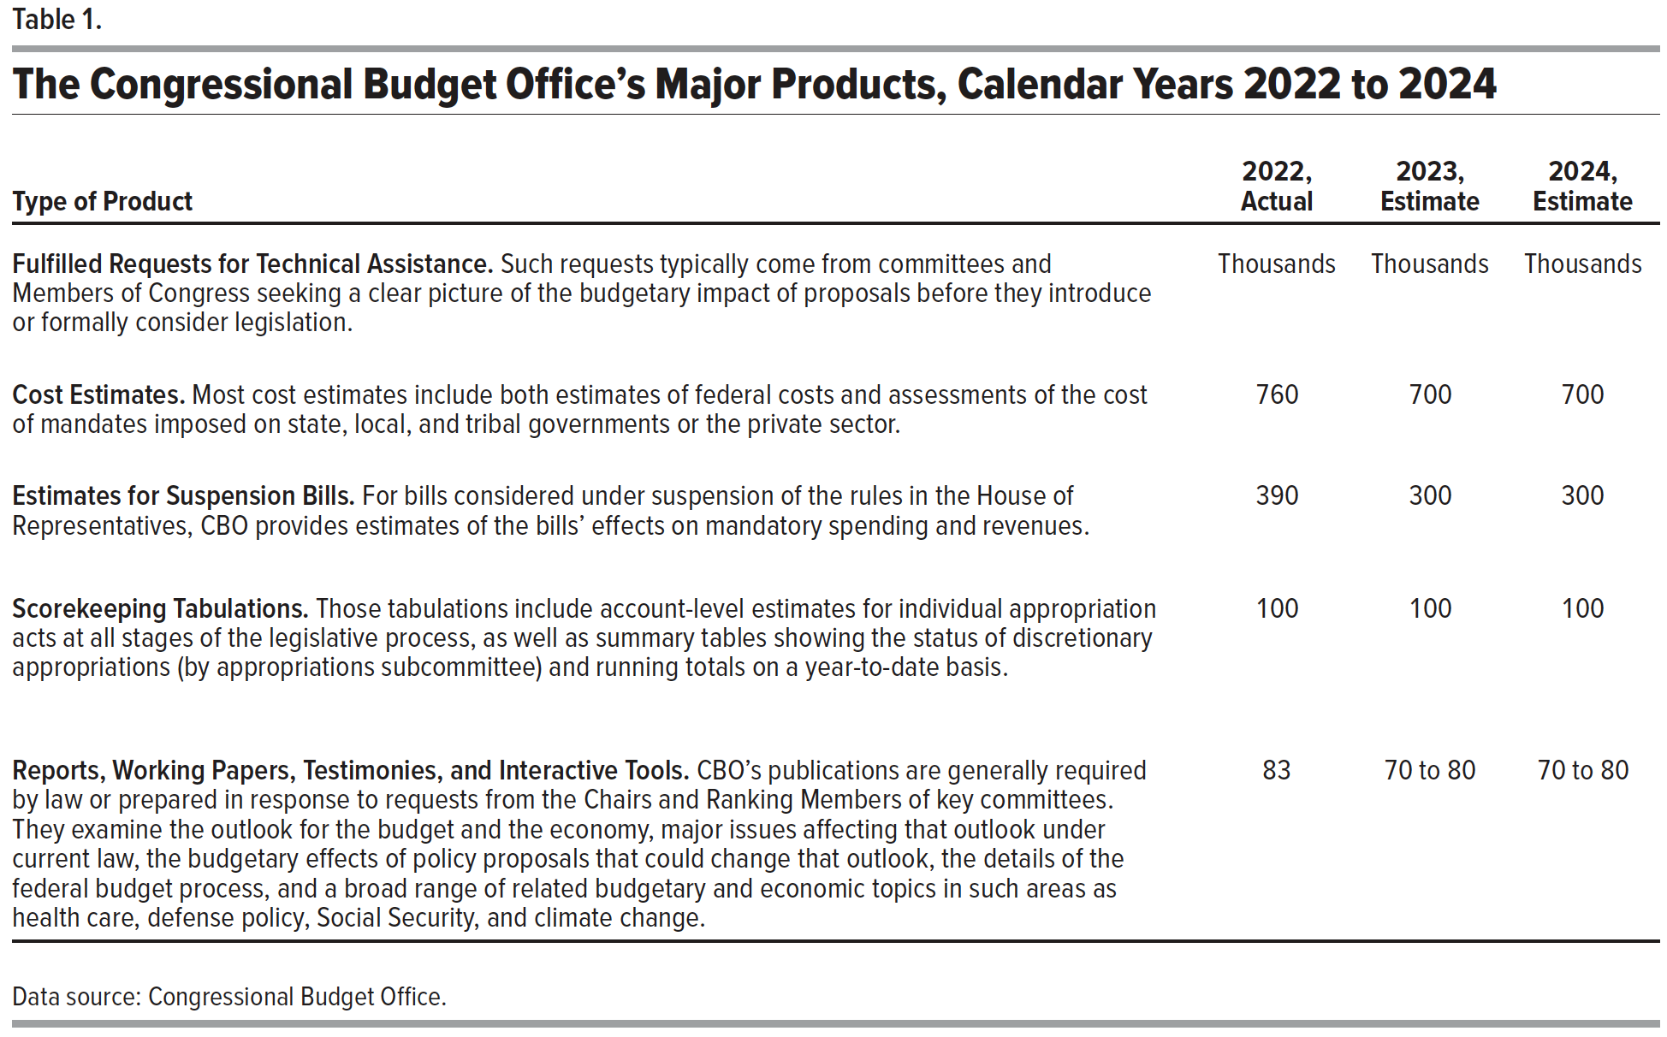
Table 1. The Congressional Budget Office’s Major Products, Calendar Years 2022 to 2024

 | 2022, | 2023, | 2024,
Type of Product | Actual | Estimate | Estimate
Fulfilled Requests for Technical Assistance. Such requests typically come from committees and Members of Congress seeking a clear picture of the budgetary impact of proposals before they introduce or formally consider legislation. | Thousands | Thousands | Thousands
Cost Estimates. Most cost estimates include both estimates of federal costs and assessments of the cost of mandates imposed on state, local, and tribal governments or the private sector. | 760 | 700 | 700
Estimates for Suspension Bills. For bills considered under suspension of the rules in the House of Representatives, CBO provides estimates of the bills’ effects on mandatory spending and revenues. | 390 | 300 | 300
Scorekeeping Tabulations. Those tabulations include account-level estimates for individual appropriation acts at all stages of the legislative process, as well as summary tables showing the status of discretionary appropriations (by appropriations subcommittee) and running totals on a year-to-date basis. | 100 | 100 | 100
Reports, Working Papers, Testimonies, and Interactive Tools. CBO’s publications are generally required by law or prepared in response to requests from the Chairs and Ranking Members of key committees. They examine the outlook for the budget and the economy, major issues affecting that outlook under current law, the budgetary effects of policy proposals that could change that outlook, the details of the federal budget process, and a broad range of related budgetary and economic topics in such areas as health care, defense policy, Social Security, and climate change. | 83 | 70 to 80 | 70 to 80

Back to Table of Contents

Figure 1
This file presents the data from the table and figure in the Congressional Budget Office's Request for Appropriations for Fiscal Year 2024
www.cbo.gov/publication/58985

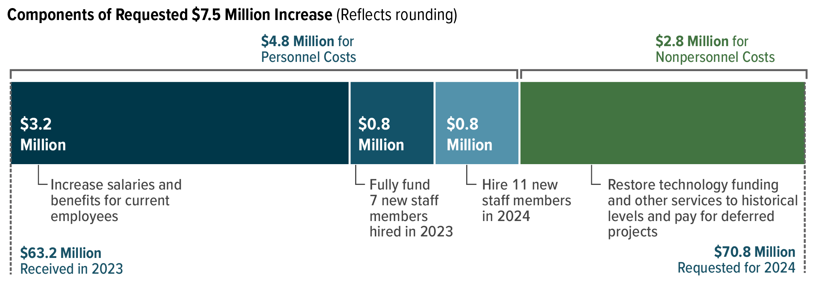
Figure 1. Components of Requested $7.5 Million Increase
Millions of Dollars

$3.2 Million: Increase salaries and benefits for current employees | 3.2
$0.8 Million: Fully fund 7 new staff members hired in 2023 | 0.8
$0.8 Million: Hire 11 new staff members in 2024 | 0.8
Restore technology funding and other services to historical levels and pay for deferred projects | 2.8

Back to Table of Contents

