Table 1
This file presents the data from the tables and figure in CBO's March 2023 letter to to Chairman Whitehouse and Chairman Wyden, Spending Reductions That Would Balance the Budget in 2033.
www.cbo.gov/publication/58984

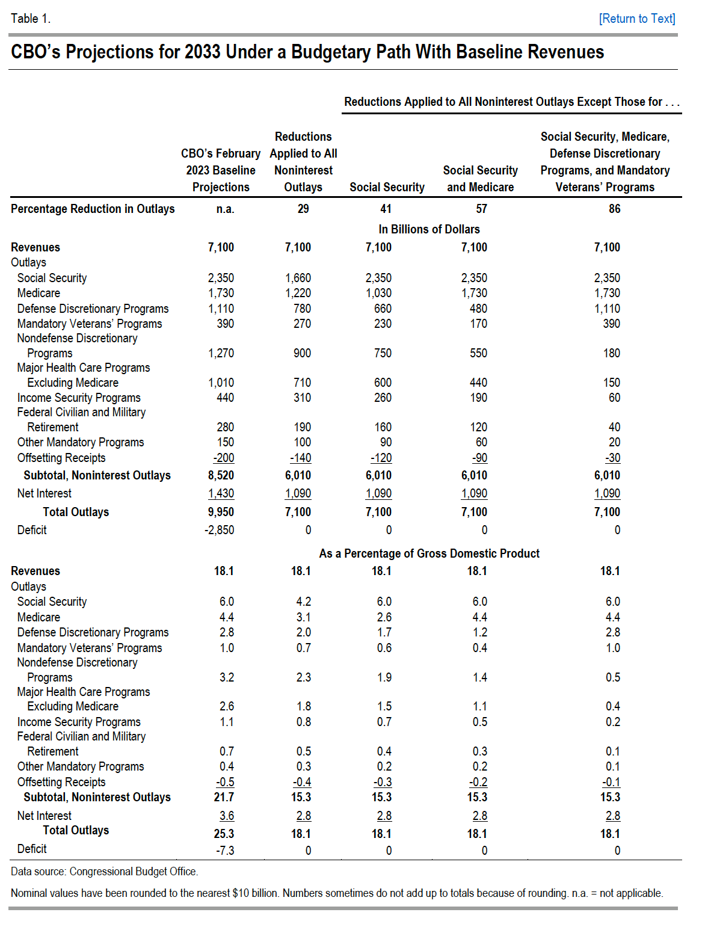
Table 1. CBO's Projections for 2033 Under a Budgetary Path With Baseline Revenues

 |  |  | Reductions Applied to All Noninterest Outlays Except Those for…
 | CBO’s February 2023 Baseline Projections | Reductions Applied to All Noninterest Outlays | Social Security | Social Security and Medicare | Social Security, Medicare, Defense Discretionary Programs, and Mandatory Veterans’ Programs
Percentage Reduction in Outlays | n.a. | 29 | 41 | 57 | 86
 | In Billions of Dollars
Revenues | 7,100 | 7,100 | 7,100 | 7,100 | 7,100
Outlays
Social Security | 2,350 | 1,660 | 2,350 | 2,350 | 2,350
Medicare | 1,730 | 1,220 | 1,030 | 1,730 | 1,730
Defense Discretionary Programs | 1,110 | 780 | 660 | 480 | 1,110
Mandatory Veterans’ Programs | 390 | 270 | 230 | 170 | 390
Nondefense Discretionary Programs | 1,270 | 900 | 750 | 550 | 180
Major Health Care Programs Excluding Medicare | 1,010 | 710 | 600 | 440 | 150
Income Security Programs | 440 | 310 | 260 | 190 | 60
Federal Civilian and Military Retirement | 280 | 190 | 160 | 120 | 40
Other Mandatory Programs | 150 | 100 | 90 | 60 | 20
Offsetting Receipts | -200 | -140 | -120 | -90 | -30
Subtotal, Noninterest Outlays | 8,520 | 6,010 | 6,010 | 6,010 | 6,010
Net Interest | 1,430 | 1,090 | 1,090 | 1,090 | 1,090
Total Outlays | 9,950 | 7,100 | 7,100 | 7,100 | 7,100
Deficit | -2,850 | 0 | 0 | 0 | 0
 | As a Percentage of Gross Domestic Product
Revenues | 18.1 | 18.1 | 18.1 | 18.1 | 18.1
Outlays
Social Security | 6.0 | 4.2 | 6.0 | 6.0 | 6.0
Medicare | 4.4 | 3.1 | 2.6 | 4.4 | 4.4
Defense Discretionary Programs | 2.8 | 2.0 | 1.7 | 1.2 | 2.8
Mandatory Veterans’ Programs | 1.0 | 0.7 | 0.6 | 0.4 | 1.0
Nondefense Discretionary Programs | 3.2 | 2.3 | 1.9 | 1.4 | 0.5
Major Health Care Programs Excluding Medicare | 2.6 | 1.8 | 1.5 | 1.1 | 0.4
Income Security Programs | 1.1 | 0.8 | 0.7 | 0.5 | 0.2
Federal Civilian and Military Retirement | 0.7 | 0.5 | 0.4 | 0.3 | 0.1
Other Mandatory Programs | 0.4 | 0.3 | 0.2 | 0.2 | 0.1
Offsetting Receipts | -0.5 | -0.4 | -0.3 | -0.2 | -0.1
Subtotal, Noninterest Outlays | 21.7 | 15.3 | 15.3 | 15.3 | 15.3
Net Interest | 3.6 | 2.8 | 2.8 | 2.8 | 2.8
Total Outlays | 25.3 | 18.1 | 18.1 | 18.1 | 18.1
Deficit | -7.3 | 0 | 0 | 0 | 0

Back to Table of Contents

Table 2
This file presents the data from the tables and figure in CBO's March 2023 letter to to Chairman Whitehouse and Chairman Wyden, Spending Reductions That Would Balance the Budget in 2033.
www.cbo.gov/publication/58984

Table 2. CBO's Projections for 2033 Under a Budgetary Path Incorporating Extensions of Certain Provisions of the 2017 Tax Act
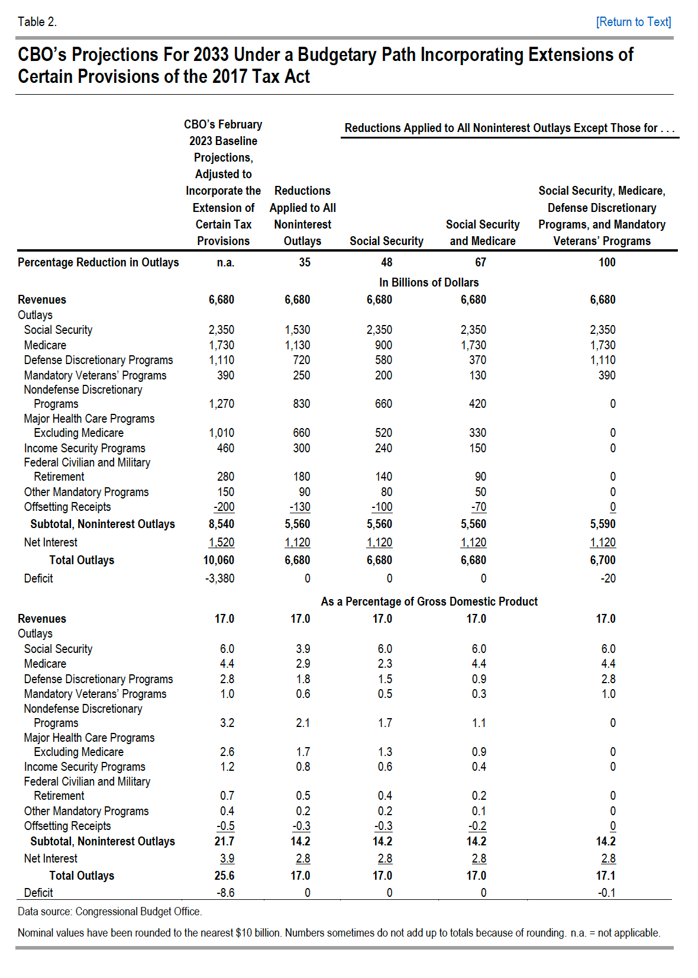

 |  |  | Reductions Applied to All Noninterest Outlays Except Those for…
 | CBO’s February 2023 Baseline Projections, Adjusted to Incorporate the Extension of Certain Tax Provisions | Reductions Applied to All Noninterest Outlays | Social Security | Social Security and Medicare | Social Security, Medicare, Defense Discretionary Programs, and Mandatory Veterans’ Programs
Percentage Reduction in Outlays | n.a. | 35 | 48 | 67 | 100
 | In Billions of Dollars
Revenues | 6,680 | 6,680 | 6,680 | 6,680 | 6,680
Outlays
Social Security | 2,350 | 1,530 | 2,350 | 2,350 | 2,350
Medicare | 1,730 | 1,130 | 900 | 1,730 | 1,730
Defense Discretionary Programs | 1,110 | 720 | 580 | 370 | 1,110
Mandatory Veterans’ Programs | 390 | 250 | 200 | 130 | 390
Nondefense Discretionary Programs | 1,270 | 830 | 660 | 420 | 0
Major Health Care Programs Excluding Medicare | 1,010 | 660 | 520 | 330 | 0
Income Security Programs | 460 | 300 | 240 | 150 | 0
Federal Civilian and Military Retirement | 280 | 180 | 140 | 90 | 0
Other Mandatory Programs | 150 | 90 | 80 | 50 | 0
Offsetting Receipts | -200 | -130 | -100 | -70 | 0
Subtotal, Noninterest Outlays | 8,540 | 5,560 | 5,560 | 5,560 | 5,590
Net Interest | 1,520 | 1,120 | 1,120 | 1,120 | 1,120
Total Outlays | 10,060 | 6,680 | 6,680 | 6,680 | 6,700
Deficit | -3,380 | 0 | 0 | 0 | -20
 | As a Percentage of Gross Domestic Product
Revenues | 17 | 17 | 17 | 17 | 17
Outlays
Social Security | 6.0 | 3.9 | 6.0 | 6.0 | 6.0
Medicare | 4.4 | 2.9 | 2.3 | 4.4 | 4.4
Defense Discretionary Programs | 2.8 | 1.8 | 1.5 | 0.9 | 2.8
Mandatory Veterans’ Programs | 1.0 | 0.6 | 0.5 | 0.3 | 1.0
Nondefense Discretionary Programs | 3.2 | 2.1 | 1.7 | 1.1 | 0
Major Health Care Programs Excluding Medicare | 2.6 | 1.7 | 1.3 | 0.9 | 0
Income Security Programs | 1.2 | 0.8 | 0.6 | 0.4 | 0
Federal Civilian and Military Retirement | 0.7 | 0.5 | 0.4 | 0.2 | 0
Other Mandatory Programs | 0.4 | 0.2 | 0.2 | 0.1 | 0
Offsetting Receipts | -0.5 | -0.3 | -0.3 | -0.2 | 0
Subtotal, Noninterest Outlays | 21.7 | 14.2 | 14.2 | 14.2 | 14.2
Net Interest | 3.9 | 2.8 | 2.8 | 2.8 | 2.8
Total Outlays | 25.6 | 17.0 | 17.0 | 17.0 | 17.1
Deficit | -8.6 | 0 | 0 | 0 | -0.1

Back to Table of Contents

Figure 1
This file presents the data from the tables and figure in CBO's March 2023 letter to to Chairman Whitehouse and Chairman Wyden, Spending Reductions That Would Balance the Budget in 2033.
www.cbo.gov/publication/58984

Figure 1. Noninterest Outlays in CBO’s Baseline and Under Two Specified Budgetary Paths to Budget Balance in 2033
Percentage of Gross Domestic Product

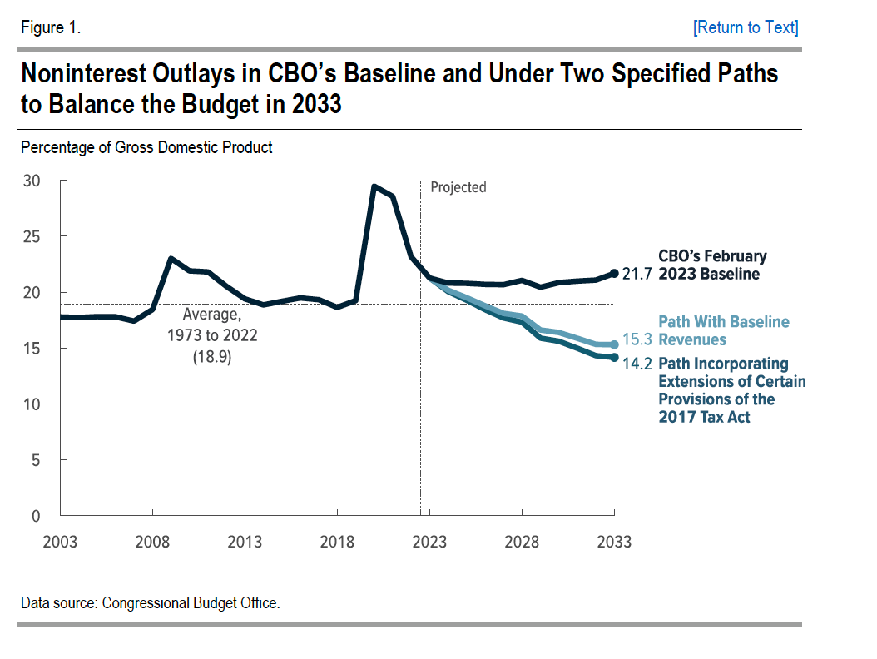
Year | CBO’s February 2023 Baseline | Path With Baseline Revenues | Path Incorporating Extensions of Certain Provisions of the 2017 Tax Act
2003 | 17.8
2004 | 17.7
2005 | 17.8
2006 | 17.8
2007 | 17.4
2008 | 18.4
2009 | 23.0
2010 | 21.9
2011 | 21.8
2012 | 20.5
2013 | 19.4
2014 | 18.9
2015 | 19.2
2016 | 19.5
2017 | 19.3
2018 | 18.6
2019 | 19.2
2020 | 29.5
2021 | 28.6
2022 | 23.2
2023 | 21.3
2024 | 20.8 | 20.2 | 20.1
2025 | 20.8 | 19.5 | 19.3
2026 | 20.7 | 18.8 | 18.4
2027 | 20.7 | 18.1 | 17.7
2028 | 21.1 | 17.9 | 17.3
2029 | 20.5 | 16.6 | 15.9
2030 | 20.9 | 16.4 | 15.6
2031 | 21.0 | 15.9 | 15.0
2032 | 21.1 | 15.3 | 14.3
2033 | 21.7 | 15.3 | 14.2

Back to Table of Contents

