Table 1
This file presents the data from the tables and figures in CBO's April 2022 report The Economic Effects of Waiting to Stabilize Federal Debt.
www.cbo.gov/publication/57867

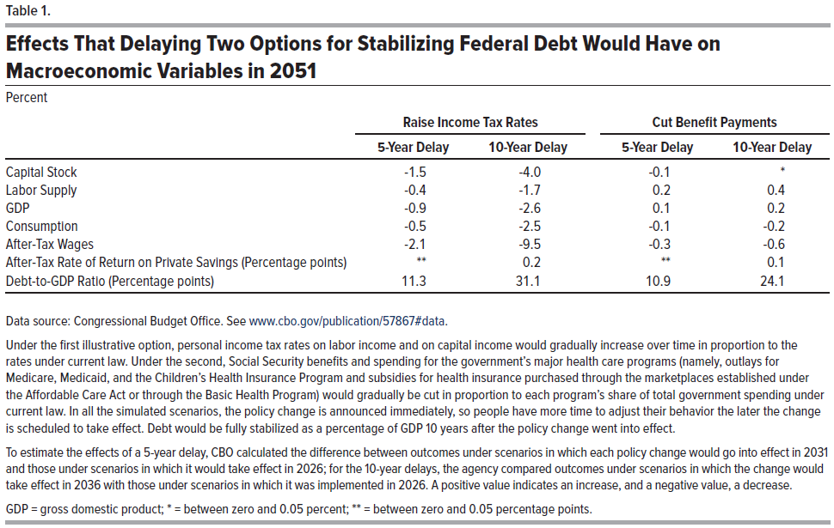
Table 1. Effects That Delaying Two Options for Stabilizing Federal Debt Would Have on Macroeconomic Variables in 2051
Percent
 | Raise Income Tax Rates |  | Cut Benefit Payments
 | 5-Year Delay | 10-Year Delay | 5-Year Delay | 10-Year Delay
Capital Stock | -1.5 | -4.0 | -0.1 | *
Labor Supply | -0.4 | -1.7 | 0.2 | 0.4
GDP | -0.9 | -2.6 | 0.1 | 0.2
Consumption | -0.5 | -2.5 | -0.1 | -0.2
After-Tax Wages | -2.1 | -9.5 | -0.3 | -0.6
After-Tax Rate of Return on Private Savings (Percentage points) | ** | 0.2 | ** | 0.1
Debt-to-GDP Ratio (Percentage points) | 11.3 | 31.1 | 10.9 | 24.1

Back to Table of Contents

Table 2
This file presents the data from the tables and figures in CBO's April 2022 report The Economic Effects of Waiting to Stabilize Federal Debt.
www.cbo.gov/publication/57867

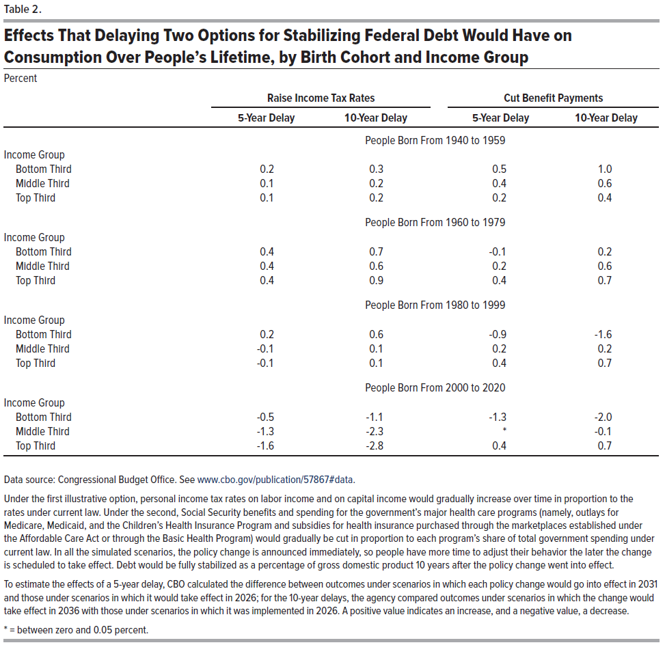
Table 2. Effects That Delaying Two Options for Stabilizing Federal Debt Would Have on Consumption Over People’s Lifetime, by Birth Cohort and Income Group
Percent
 | Raise Income Tax Rates |  | Cut Benefit Payments
 | 5-Year Delay | 10-Year Delay | 5-Year Delay | 10-Year Delay
 | People Born From 1940 to 1959
Income Group
Bottom Third | 0.2 | 0.3 | 0.5 | 1.0
Middle Third | 0.1 | 0.2 | 0.4 | 0.6
Top Third | 0.1 | 0.2 | 0.2 | 0.4
 | People Born From 1960 to 1979
Income Group
Bottom Third | 0.4 | 0.7 | -0.1 | 0.2
Middle Third | 0.4 | 0.6 | 0.2 | 0.6
Top Third | 0.4 | 0.9 | 0.4 | 0.7
 | People Born From 1980 to 1999
Income Group
Bottom Third | 0.2 | 0.6 | -0.9 | -1.6
Middle Third | -0.1 | 0.1 | 0.2 | 0.2
Top Third | -0.1 | 0.1 | 0.4 | 0.7
 | People Born From 2000 to 2020
Income Group
Bottom Third | -0.5 | -1.1 | -1.3 | -2
Middle Third | -1.3 | -2.3 | * | -0.1
Top Third | -1.6 | -2.8 | 0.4 | 0.7

Back to Table of Contents

Table 3
This file presents the data from the tables and figures in CBO's April 2022 report The Economic Effects of Waiting to Stabilize Federal Debt.
www.cbo.gov/publication/57867

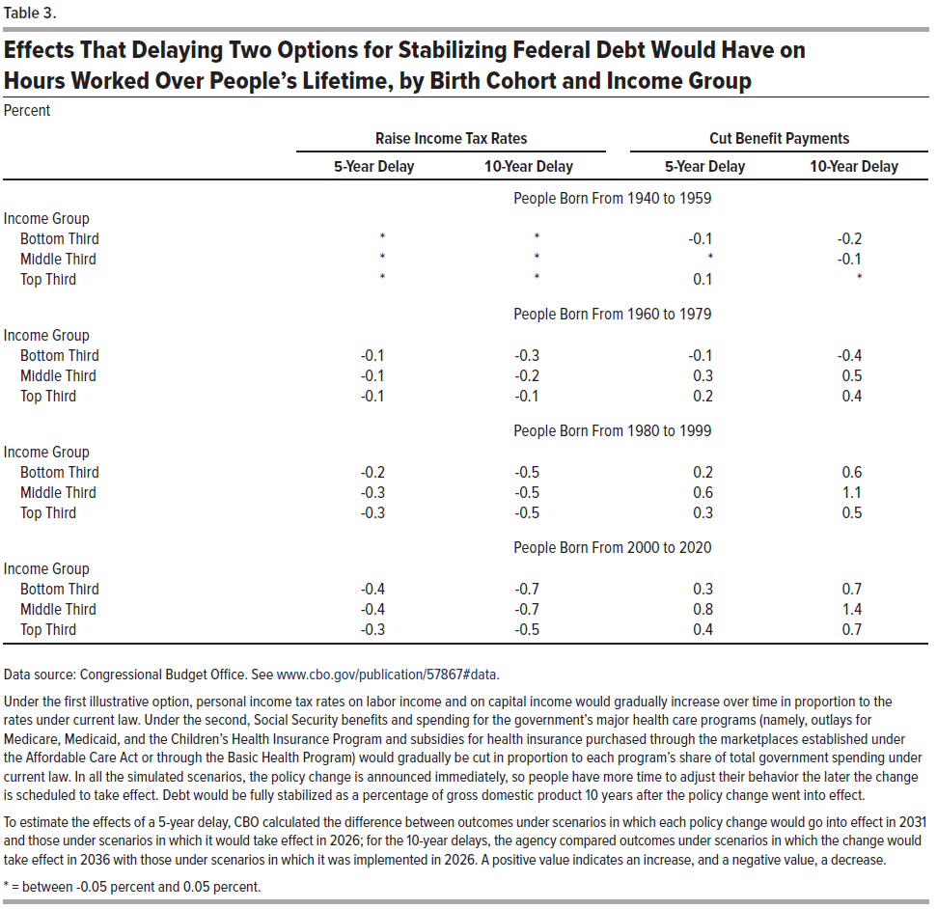
Table 3. Effects That Delaying Two Options for Stabilizing Federal Debt Would Have on Hours Worked Over People’s Lifetime, by Birth Cohort and Income Group
Percent
 | Raise Income Tax Rates |  | Cut Benefit Payments
 | 5-Year Delay | 10-Year Delay | 5-Year Delay | 10-Year Delay
 | People Born From 1940 to 1959
Income Group
Bottom Third | * | * | -0.1 | -0.2
Middle Third | * | * | * | -0.1
Top Third | * | * | 0.1 | *
 | People Born From 1960 to 1979
Income Group
Bottom Third | -0.1 | -0.3 | -0.1 | -0.4
Middle Third | -0.1 | -0.2 | 0.3 | 0.5
Top Third | -0.1 | -0.1 | 0.2 | 0.4
 | People Born From 1980 to 1999
Income Group
Bottom Third | -0.2 | -0.5 | 0.2 | 0.6
Middle Third | -0.3 | -0.5 | 0.6 | 1.1
Top Third | -0.3 | -0.5 | 0.3 | 0.5
 | People Born From 2000 to 2020
Income Group
Bottom Third | -0.4 | -0.7 | 0.3 | 0.7
Middle Third | -0.4 | -0.7 | 0.8 | 1.4
Top Third | -0.3 | -0.5 | 0.4 | 0.7

Back to Table of Contents

Figure 1
This file presents the data from the tables and figures in CBO's April 2022 report The Economic Effects of Waiting to Stabilize Federal Debt.
www.cbo.gov/publication/57867

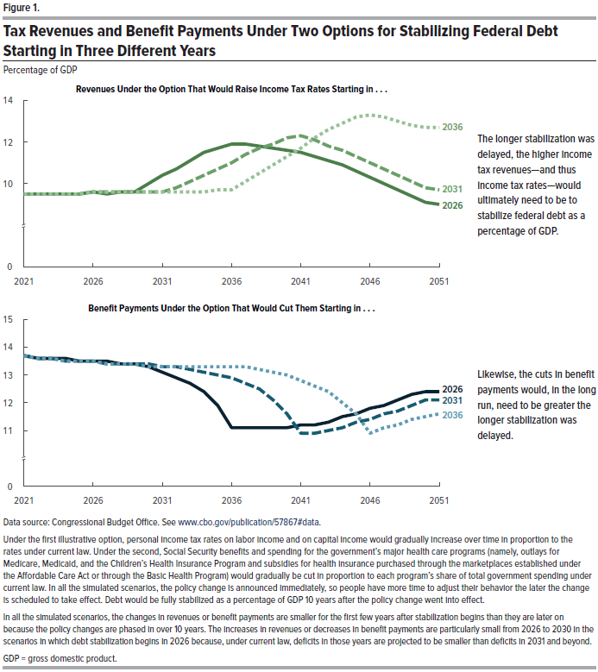
Figure 1. Tax Revenues and Benefit Payments Under Two Options for Stabilizing Federal Debt Starting in Three Different Years
Percentage of Gross Domestic Product
 | Revenues Under the Option That Would Raise Income Tax Rates Starting in . . . |  |  | Benefit Payments Under the Option That Would Cut Them Starting in . . .
 | 2026 | 2031 | 2036 | 2026 | 2031 | 2036
2021 | 9.5 | 9.5 | 9.5 | 13.7 | 13.7 | 13.7
2022 | 9.5 | 9.5 | 9.5 | 13.6 | 13.6 | 13.6
2023 | 9.5 | 9.5 | 9.5 | 13.6 | 13.6 | 13.6
2024 | 9.5 | 9.5 | 9.5 | 13.6 | 13.5 | 13.5
2025 | 9.5 | 9.5 | 9.5 | 13.5 | 13.5 | 13.5
2026 | 9.6 | 9.6 | 9.6 | 13.5 | 13.5 | 13.5
2027 | 9.5 | 9.6 | 9.6 | 13.5 | 13.4 | 13.4
2028 | 9.6 | 9.6 | 9.6 | 13.4 | 13.4 | 13.4
2029 | 9.6 | 9.6 | 9.6 | 13.4 | 13.4 | 13.4
2030 | 10.0 | 9.6 | 9.6 | 13.3 | 13.4 | 13.3
2031 | 10.4 | 9.6 | 9.6 | 13.1 | 13.3 | 13.3
2032 | 10.7 | 9.8 | 9.6 | 12.9 | 13.3 | 13.3
2033 | 11.1 | 10.1 | 9.6 | 12.7 | 13.2 | 13.3
2034 | 11.5 | 10.4 | 9.6 | 12.4 | 13.1 | 13.3
2035 | 11.7 | 10.7 | 9.7 | 11.9 | 13.0 | 13.3
2036 | 11.9 | 11.0 | 9.7 | 11.1 | 12.9 | 13.3
2037 | 11.9 | 11.4 | 10.1 | 11.1 | 12.7 | 13.3
2038 | 11.8 | 11.7 | 10.5 | 11.1 | 12.5 | 13.2
2039 | 11.7 | 11.9 | 10.9 | 11.1 | 12.1 | 13.1
2040 | 11.6 | 12.2 | 11.3 | 11.1 | 11.6 | 13.0
2041 | 11.5 | 12.3 | 11.7 | 11.2 | 10.9 | 12.8
2042 | 11.3 | 12.1 | 12.2 | 11.2 | 10.9 | 12.6
2043 | 11.1 | 11.8 | 12.6 | 11.3 | 11.0 | 12.4
2044 | 10.9 | 11.6 | 12.9 | 11.5 | 11.1 | 12.0
2045 | 10.6 | 11.3 | 13.2 | 11.6 | 11.3 | 11.6
2046 | 10.3 | 11.0 | 13.3 | 11.8 | 11.4 | 10.9
2047 | 10.0 | 10.7 | 13.2 | 11.9 | 11.6 | 11.1
2048 | 9.7 | 10.4 | 13.0 | 12.1 | 11.7 | 11.2
2049 | 9.4 | 10.1 | 12.8 | 12.3 | 11.9 | 11.4
2050 | 9.1 | 9.8 | 12.7 | 12.4 | 12.1 | 11.5
2051 | 9.0 | 9.7 | 12.7 | 12.4 | 12.1 | 11.6

Back to Table of Contents

Figure 2
This file presents the data from the tables and figures in CBO's April 2022 report The Economic Effects of Waiting to Stabilize Federal Debt.
www.cbo.gov/publication/57867

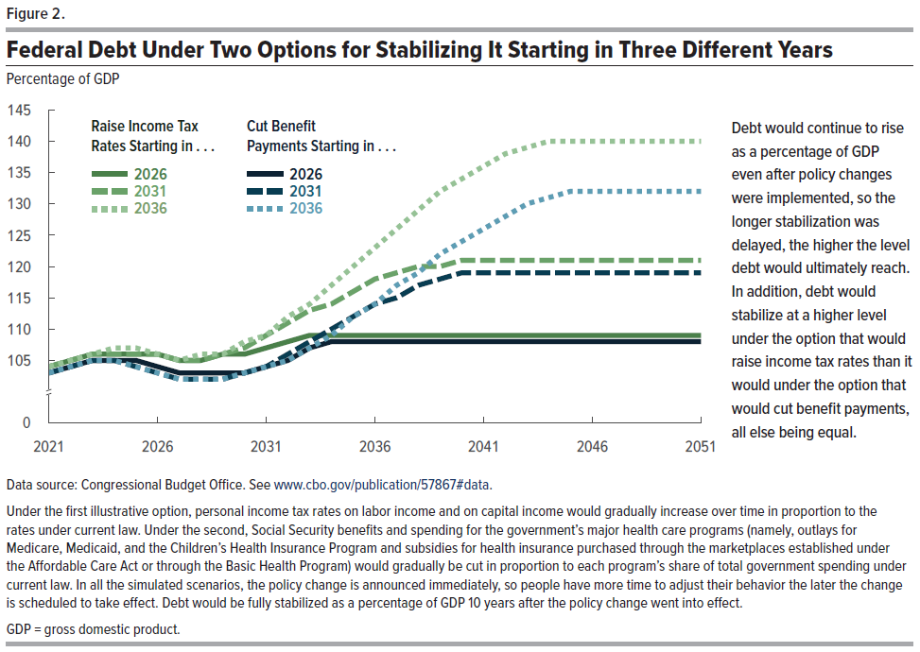
Figure 2. Federal Debt Under Two Options for Stabilizing It Starting in Three Different Years
Percentage of Gross Domestic Product
 | Raise Income Tax Rates Starting in . . . |  |  | Cut Benefit Payments Starting in . . .
 | 2026 | 2031 | 2036 | 2026 | 2031 | 2036
2021 | 104 | 104 | 104 | 103 | 103 | 103
2022 | 105 | 105 | 105 | 104 | 104 | 104
2023 | 106 | 106 | 106 | 105 | 105 | 105
2024 | 106 | 106 | 107 | 105 | 105 | 105
2025 | 106 | 106 | 107 | 105 | 104 | 104
2026 | 106 | 106 | 106 | 104 | 103 | 103
2027 | 105 | 105 | 105 | 103 | 102 | 102
2028 | 105 | 105 | 106 | 103 | 102 | 102
2029 | 106 | 106 | 106 | 103 | 102 | 102
2030 | 106 | 107 | 108 | 103 | 103 | 103
2031 | 107 | 109 | 109 | 104 | 104 | 104
2032 | 108 | 111 | 112 | 105 | 106 | 105
2033 | 109 | 113 | 114 | 107 | 108 | 107
2034 | 109 | 114 | 117 | 108 | 110 | 109
2035 | 109 | 116 | 120 | 108 | 112 | 112
2036 | 109 | 118 | 123 | 108 | 114 | 114
2037 | 109 | 119 | 126 | 108 | 115 | 117
2038 | 109 | 120 | 129 | 108 | 117 | 119
2039 | 109 | 120 | 132 | 108 | 118 | 122
2040 | 109 | 121 | 134 | 108 | 119 | 124
2041 | 109 | 121 | 136 | 108 | 119 | 126
2042 | 109 | 121 | 138 | 108 | 119 | 128
2043 | 109 | 121 | 139 | 108 | 119 | 130
2044 | 109 | 121 | 140 | 108 | 119 | 131
2045 | 109 | 121 | 140 | 108 | 119 | 132
2046 | 109 | 121 | 140 | 108 | 119 | 132
2047 | 109 | 121 | 140 | 108 | 119 | 132
2048 | 109 | 121 | 140 | 108 | 119 | 132
2049 | 109 | 121 | 140 | 108 | 119 | 132
2050 | 109 | 121 | 140 | 108 | 119 | 132
2051 | 109 | 121 | 140 | 108 | 119 | 132

Back to Table of Contents

Figure 3
This file presents the data from the tables and figures in CBO's April 2022 report The Economic Effects of Waiting to Stabilize Federal Debt.
www.cbo.gov/publication/57867

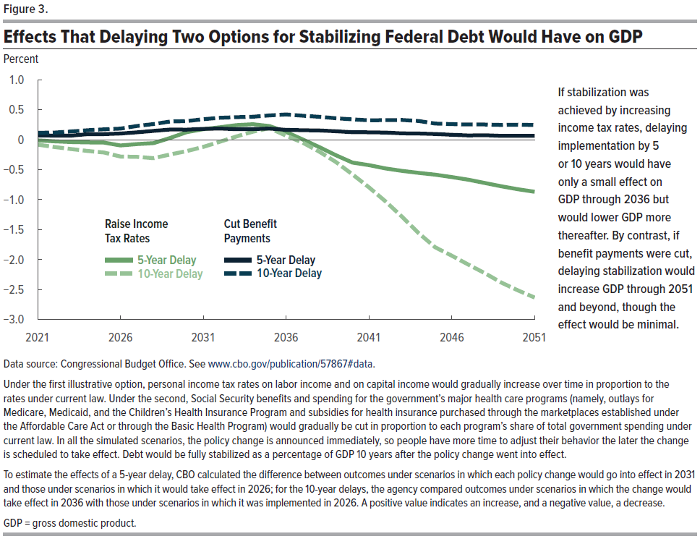
Figure 3. Effects That Delaying Two Options for Stabilizing Federal Debt Would Have on GDP
Percent
 | Raise Income Tax Rates |  | Cut Benefit Payments
 | 5-Year Delay | 10-Year Delay | 5-Year Delay | 10-Year Delay
2021 | 0.0 | -0.1 | 0.1 | 0.1
2022 | 0.0 | -0.1 | 0.1 | 0.1
2023 | 0.0 | -0.2 | 0.1 | 0.1
2024 | 0.0 | -0.2 | 0.1 | 0.2
2025 | 0.0 | -0.2 | 0.1 | 0.2
2026 | -0.1 | -0.3 | 0.1 | 0.2
2027 | -0.1 | -0.3 | 0.1 | 0.2
2028 | -0.1 | -0.3 | 0.1 | 0.3
2029 | 0.0 | -0.2 | 0.2 | 0.3
2030 | 0.1 | -0.2 | 0.2 | 0.3
2031 | 0.2 | -0.1 | 0.2 | 0.3
2032 | 0.2 | 0.0 | 0.2 | 0.4
2033 | 0.2 | 0.1 | 0.2 | 0.4
2034 | 0.3 | 0.1 | 0.2 | 0.4
2035 | 0.2 | 0.2 | 0.2 | 0.4
2036 | 0.1 | 0.1 | 0.2 | 0.4
2037 | 0.0 | -0.1 | 0.2 | 0.4
2038 | -0.1 | -0.2 | 0.2 | 0.4
2039 | -0.3 | -0.4 | 0.1 | 0.4
2040 | -0.4 | -0.6 | 0.1 | 0.3
2041 | -0.4 | -0.8 | 0.1 | 0.3
2042 | -0.5 | -1.0 | 0.1 | 0.3
2043 | -0.5 | -1.3 | 0.1 | 0.3
2044 | -0.6 | -1.6 | 0.1 | 0.3
2045 | -0.6 | -1.8 | 0.1 | 0.3
2046 | -0.6 | -1.9 | 0.1 | 0.3
2047 | -0.7 | -2.1 | 0.1 | 0.3
2048 | -0.7 | -2.2 | 0.1 | 0.3
2049 | -0.8 | -2.4 | 0.1 | 0.2
2050 | -0.8 | -2.5 | 0.1 | 0.2
2051 | -0.9 | -2.6 | 0.1 | 0.2

Back to Table of Contents

Figure 4
This file presents the data from the tables and figures in CBO's April 2022 report The Economic Effects of Waiting to Stabilize Federal Debt.
www.cbo.gov/publication/57867

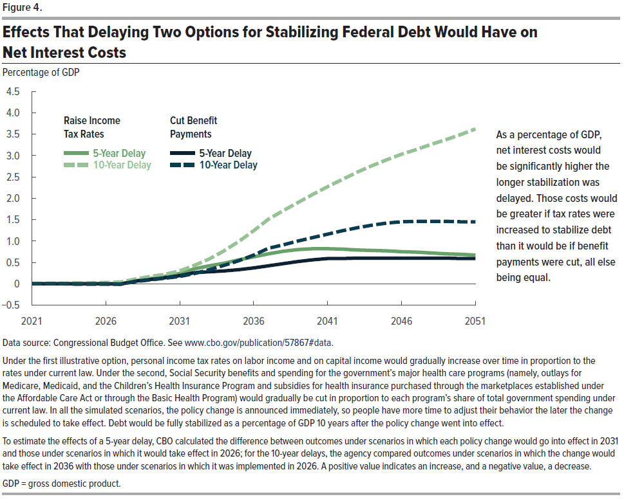
Figure 4. Effects That Delaying Two Options for Stabilizing Federal Debt Would Have on Net Interest Costs
Percentage of Gross Domestic Product
 | Raise Income Tax Rates |  | Cut Benefit Payments
 | 5-Year Delay | 10-Year Delay | 5-Year Delay | 10-Year Delay
2021 | 0 | 0 | 0 | 0
2022 | 0 | 0.01 | 0 | 0
2023 | 0 | 0.01 | 0 | 0
2024 | 0 | 0.02 | 0 | -0.01
2025 | 0 | 0.02 | 0 | -0.01
2026 | 0 | 0.03 | 0 | -0.01
2027 | 0 | 0.04 | -0.01 | -0.01
2028 | 0.07 | 0.11 | 0.06 | 0.05
2029 | 0.12 | 0.17 | 0.10 | 0.09
2030 | 0.17 | 0.22 | 0.14 | 0.13
2031 | 0.24 | 0.30 | 0.19 | 0.17
2032 | 0.35 | 0.43 | 0.26 | 0.24
2033 | 0.42 | 0.58 | 0.28 | 0.33
2034 | 0.48 | 0.77 | 0.30 | 0.43
2035 | 0.56 | 0.99 | 0.33 | 0.54
2036 | 0.63 | 1.24 | 0.37 | 0.67
2037 | 0.70 | 1.51 | 0.42 | 0.83
2038 | 0.76 | 1.71 | 0.47 | 0.91
2039 | 0.80 | 1.90 | 0.52 | 1.00
2040 | 0.82 | 2.09 | 0.56 | 1.08
2041 | 0.82 | 2.27 | 0.59 | 1.16
2042 | 0.81 | 2.44 | 0.59 | 1.24
2043 | 0.79 | 2.61 | 0.60 | 1.31
2044 | 0.78 | 2.76 | 0.60 | 1.37
2045 | 0.77 | 2.90 | 0.60 | 1.42
2046 | 0.75 | 3.03 | 0.60 | 1.45
2047 | 0.74 | 3.14 | 0.60 | 1.46
2048 | 0.72 | 3.26 | 0.60 | 1.46
2049 | 0.70 | 3.37 | 0.60 | 1.46
2050 | 0.69 | 3.49 | 0.59 | 1.45
2051 | 0.67 | 3.62 | 0.59 | 1.45

Back to Table of Contents

