Figure 1
This file presents the data from the figures in CBO's April 2022 report Availability and Use of F-35 Fighter Aircraft.
http://www.cbo.gov/publication/57842

Figure 1. Size of F-35 Fleets
Number of Aircraft
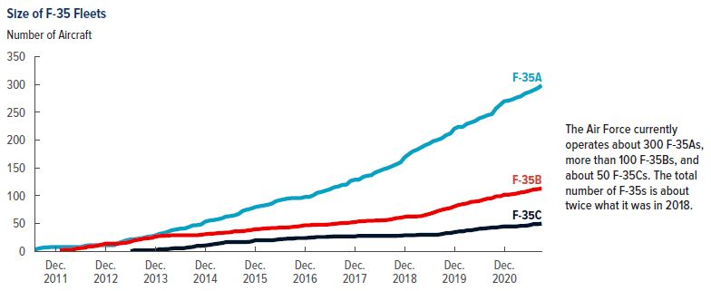
 | F-35As | F-35Bs | F-35Cs
2011-07-01 | 3.2
2011-08-01 | 5.5
2011-09-01 | 6.9
2011-10-01 | 7.3
2011-11-01 | 8.0
2011-12-01 | 8.0
2012-01-01 | 8.0 | 1.7
2012-02-01 | 8.0 | 3.0
2012-03-01 | 8.0 | 3.0
2012-04-01 | 8.0 | 3.0
2012-05-01 | 8.0 | 5.0
2012-06-01 | 8.0 | 6.0
2012-07-01 | 9.8 | 6.6
2012-08-01 | 11.0 | 9.0
2012-09-01 | 11.0 | 9.1
2012-10-01 | 11.0 | 10.4
2012-11-01 | 11.0 | 12.2
2012-12-01 | 11.0 | 14.0
2013-01-01 | 11.0 | 14.0
2013-02-01 | 11.0 | 14.0
2013-03-01 | 14.9 | 14.0
2013-04-01 | 17.4 | 14.9
2013-05-01 | 19.8 | 15.6
2013-06-01 | 21.7 | 17.5 | 0.5
2013-07-01 | 22.0 | 20.1 | 2.0
2013-08-01 | 23.0 | 21.0 | 2.0
2013-09-01 | 24.2 | 22.7 | 2.0
2013-10-01 | 26.3 | 23.9 | 2.0
2013-11-01 | 27.0 | 24.0 | 2.0
2013-12-01 | 28.8 | 26.8 | 2.0
2014-01-01 | 31.7 | 27.6 | 4.0
2014-02-01 | 33.0 | 28.0 | 4.0
2014-03-01 | 35.3 | 28.6 | 4.2
2014-04-01 | 38.2 | 29.0 | 5.2
2014-05-01 | 39.4 | 29.0 | 6.0
2014-06-01 | 41.0 | 29.0 | 6.0
2014-07-01 | 41.1 | 29.0 | 6.0
2014-08-01 | 43.7 | 29.0 | 7.3
2014-09-01 | 46.8 | 29.0 | 8.0
2014-10-01 | 47.2 | 29.0 | 10.0
2014-11-01 | 48.5 | 29.9 | 10.0
2014-12-01 | 53.6 | 30.9 | 10.7
2015-01-01 | 55.5 | 31.8 | 11.7
2015-02-01 | 56.4 | 32.0 | 13.0
2015-03-01 | 57.7 | 32.8 | 14.0
2015-04-01 | 59.4 | 33.2 | 15.0
2015-05-01 | 62.6 | 34.0 | 16.6
2015-06-01 | 63.4 | 34.2 | 17.0
2015-07-01 | 64.7 | 36.0 | 17.0
2015-08-01 | 67.1 | 36.0 | 17.0
2015-09-01 | 72.8 | 36.3 | 17.0
2015-10-01 | 75.1 | 37.5 | 17.0
2015-11-01 | 76.9 | 38.4 | 17.6
2015-12-01 | 79.6 | 39.9 | 20.0
2016-01-01 | 81.2 | 40.2 | 20.0
2016-02-01 | 82.4 | 41.0 | 20.0
2016-03-01 | 83.9 | 41.6 | 20.0
2016-04-01 | 85.8 | 42.0 | 20.0
2016-05-01 | 90.2 | 42.0 | 20.9
2016-06-01 | 92.2 | 43.0 | 22.0
2016-07-01 | 93.8 | 43.0 | 22.4
2016-08-01 | 95.2 | 43.2 | 23.0
2016-09-01 | 96.0 | 44.0 | 23.0
2016-10-01 | 96.0 | 44.7 | 24.0
2016-11-01 | 96.0 | 45.7 | 24.0
2016-12-01 | 97.9 | 47.0 | 24.0
2017-01-01 | 98.0 | 47.0 | 24.6
2017-02-01 | 101.0 | 47.8 | 25.2
2017-03-01 | 105.4 | 48.0 | 26.0
2017-04-01 | 107.0 | 48.0 | 26.0
2017-05-01 | 109.3 | 48.0 | 26.0
2017-06-01 | 111.6 | 48.6 | 26.5
2017-07-01 | 115.2 | 49.4 | 27.0
2017-08-01 | 116.7 | 50.3 | 27.0
2017-09-01 | 119.6 | 51.0 | 27.0
2017-10-01 | 120.1 | 51.0 | 27.0
2017-11-01 | 126.9 | 52.0 | 27.0
2017-12-01 | 128.8 | 52.7 | 27.0
2018-01-01 | 129.0 | 54.0 | 28.0
2018-02-01 | 134.0 | 54.2 | 28.0
2018-03-01 | 136.0 | 55.0 | 28.0
2018-04-01 | 137.0 | 55.0 | 28.0
2018-05-01 | 142.0 | 55.5 | 28.0
2018-06-01 | 144.8 | 55.7 | 28.0
2018-07-01 | 147.9 | 56.0 | 28.0
2018-08-01 | 150.0 | 56.7 | 28.0
2018-09-01 | 153.3 | 58.0 | 28.0
2018-10-01 | 156.6 | 60.0 | 28.0
2018-11-01 | 159.9 | 60.4 | 28.1
2018-12-01 | 169.0 | 62.1 | 29.0
2019-01-01 | 174.8 | 63.0 | 29.0
2019-02-01 | 180.1 | 63.0 | 29.0
2019-03-01 | 182.7 | 63.0 | 29.4
2019-04-01 | 186.9 | 63.4 | 30.0
2019-05-01 | 190.8 | 65.4 | 30.0
2019-06-01 | 194.0 | 67.4 | 30.0
2019-07-01 | 198.4 | 69.7 | 30.0
2019-08-01 | 200.5 | 72.6 | 30.0
2019-09-01 | 203.6 | 74.8 | 31.2
2019-10-01 | 208.9 | 76.5 | 32.9
2019-11-01 | 211.8 | 78.0 | 33.0
2019-12-01 | 220.7 | 80.8 | 34.5
2020-01-01 | 224.0 | 83.6 | 35.8
2020-02-01 | 224.0 | 85.0 | 36.0
2020-03-01 | 229.2 | 86.2 | 37.8
2020-04-01 | 231.7 | 89.0 | 38.0
2020-05-01 | 234.5 | 89.6 | 39.3
2020-06-01 | 239.4 | 90.7 | 40.7
2020-07-01 | 241.7 | 92.9 | 41.1
2020-08-01 | 245.0 | 95.0 | 42.0
2020-09-01 | 246.7 | 95.7 | 42.8
2020-10-01 | 257.0 | 99.0 | 43.0
2020-11-01 | 263.6 | 99.0 | 44.0
2020-12-01 | 270.1 | 102.0 | 45.0
2021-01-01 | 271.0 | 102.0 | 45.0
2021-02-01 | 273.5 | 103.0 | 45.0
2021-03-01 | 276.5 | 104.0 | 45.0
2021-04-01 | 278.8 | 106.0 | 46.0
2021-05-01 | 283.8 | 107.0 | 46.0
2021-06-01 | 286.4 | 109.0 | 47.0
2021-07-01 | 289.6 | 111.0 | 49.0
2021-08-01 | 293.2 | 112.0 | 49.0
2021-09-01 | 298.5 | 113.0 | 50.0

Back to Table of Contents

Figure 2
This file presents the data from the figures in CBO's April 2022 report Availability and Use of F-35 Fighter Aircraft.
www.cbo.gov/publication/57842

Figure 2. Ages of F-35s
Number of Aircraft
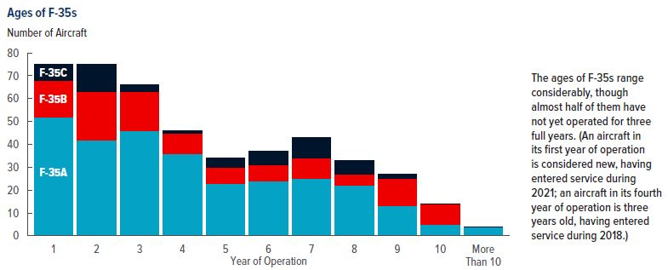
 | F-35As | F-35Bs | F-35Cs
1 | 52 | 16 | 7
2 | 42 | 21 | 12
3 | 46 | 17 | 3
4 | 36 | 9 | 1
5 | 23 | 7 | 4
6 | 24 | 7 | 6
7 | 25 | 9 | 9
8 | 22 | 5 | 6
9 | 13 | 12 | 2
10 | 5 | 9 | 0
More Than 10 | 4 | 0 | 0

Back to Table of Contents

Figure 3
This file presents the data from the figures in CBO's April 2022 report Availability and Use of F-35 Fighter Aircraft.
www.cbo.gov/publication/57842

Figure 3. Availability Rates of F-35s
Percent
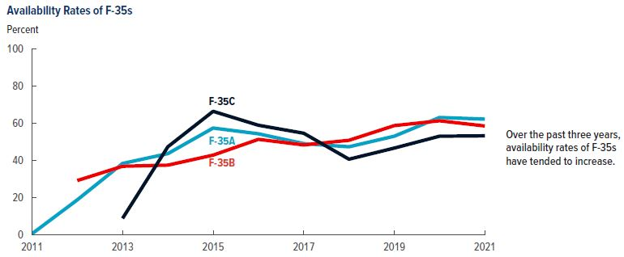
 | F-35As | F-35Bs | F-35Cs
2011 | 0.4
2012 | 18.7 | 29.1
2013 | 38.3 | 36.8 | 8.7
2014 | 43.6 | 37.4 | 47.3
2015 | 57.4 | 42.8 | 66.4
2016 | 54.3 | 51.3 | 58.9
2017 | 49.0 | 48.3 | 54.6
2018 | 47.3 | 50.8 | 40.6
2019 | 53.0 | 58.7 | 46.6
2020 | 63.1 | 61.3 | 53.0
2021 | 62.2 | 58.5 | 53.2

Back to Table of Contents

Figure 4
This file presents the data from the figures in CBO's April 2022 report Availability and Use of F-35 Fighter Aircraft.
www.cbo.gov/publication/57842

Figure 4. Availability Rates of DoD's Fighters and Attack Aircraft in 2021
Percent
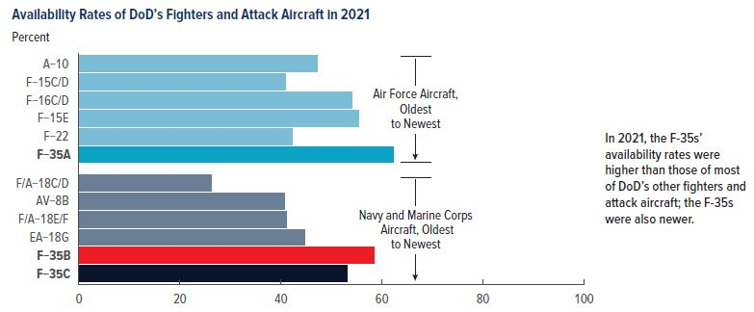
Air Force | Rate
A-10 | 47.2
F-15C/D | 41.0
F-16C/D | 54.0
F-15E | 55.4
F-22 | 42.3
F-35A | 62.2

Navy and Marine Corps
F/A-18C/D | 26.3
AV-8B | 40.7
F/A-18E/F | 41.2
EA-18G | 44.8
F-35B | 58.5
F-35C | 53.2

Back to Table of Contents

Figure 5
This file presents the data from the figures in CBO's April 2022 report Availability and Use of F-35 Fighter Aircraft.
www.cbo.gov/publication/57842

Figure 5. Differences Between DoD’s and CBO’s Measures of Availability of F-35s
Percent
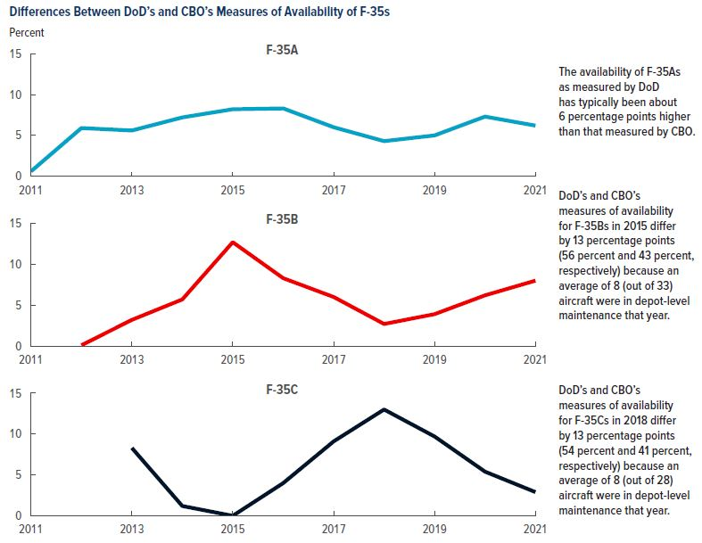
 | F-35As | F-35Bs | F-35Cs
2011 | 0.6
2012 | 5.9 | 0.1
2013 | 5.6 | 3.2 | 8.3
2014 | 7.2 | 5.7 | 1.2
2015 | 8.2 | 12.7 | 0.0
2016 | 8.3 | 8.3 | 4.0
2017 | 6.0 | 6.0 | 9.1
2018 | 4.3 | 2.7 | 13.0
2019 | 5.0 | 3.9 | 9.7
2020 | 7.3 | 6.2 | 5.4
2021 | 6.2 | 8.0 | 2.9

Back to Table of Contents

Figure 6
This file presents the data from the figures in CBO's April 2022 report Availability and Use of F-35 Fighter Aircraft.
www.cbo.gov/publication/57842

Figure 6. Months in Depot-Level Maintenance
Number of Aircraft
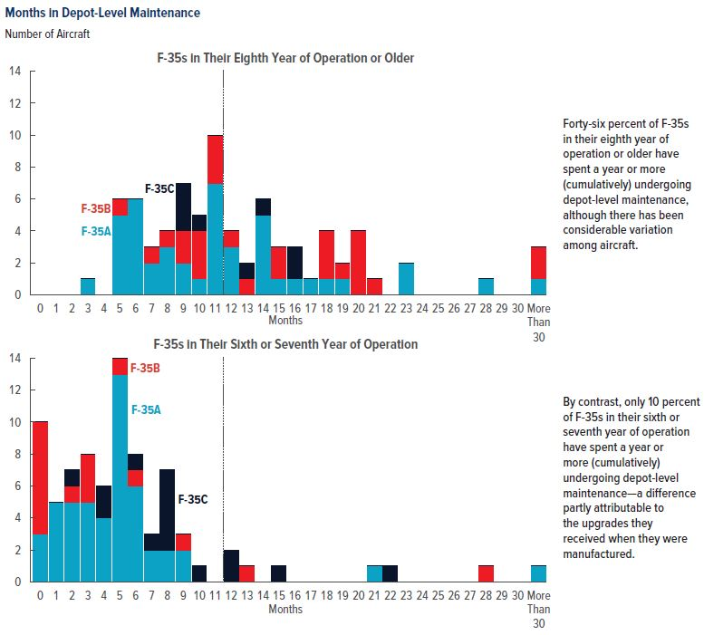
 | F-35s in Their Eighth Year of Operation or Older |  |  | F-35s in Their Sixth or Seventh Year of Operation
Months | F-35As | F-35Bs | F-35Cs | F-35As | F-35Bs | F-35Cs
0 | 0 | 0 | 0 | 3 | 7 | 0
1 | 0 | 0 | 0 | 5 | 0 | 0
2 | 0 | 0 | 0 | 5 | 1 | 1
3 | 1 | 0 | 0 | 5 | 3 | 0
4 | 0 | 0 | 0 | 4 | 0 | 2
5 | 5 | 1 | 0 | 13 | 1 | 0
6 | 6 | 0 | 0 | 6 | 1 | 1
7 | 2 | 1 | 0 | 2 | 0 | 1
8 | 3 | 1 | 0 | 2 | 0 | 5
9 | 2 | 2 | 3 | 2 | 1 | 0
10 | 1 | 3 | 1 | 0 | 0 | 1
11 | 7 | 3 | 0 | 0 | 0 | 0
12 | 3 | 1 | 0 | 0 | 0 | 2
13 | 0 | 1 | 1 | 0 | 1 | 0
14 | 5 | 0 | 1 | 0 | 0 | 0
15 | 1 | 2 | 0 | 0 | 0 | 1
16 | 1 | 0 | 2 | 0 | 0 | 0
17 | 1 | 0 | 0 | 0 | 0 | 0
18 | 1 | 3 | 0 | 0 | 0 | 0
19 | 1 | 1 | 0 | 0 | 0 | 0
20 | 0 | 4 | 0 | 0 | 0 | 0
21 | 0 | 1 | 0 | 1 | 0 | 0
22 | 0 | 0 | 0 | 0 | 0 | 1
23 | 2 | 0 | 0 | 0 | 0 | 0
24 | 0 | 0 | 0 | 0 | 0 | 0
25 | 0 | 0 | 0 | 0 | 0 | 0
26 | 0 | 0 | 0 | 0 | 0 | 0
27 | 0 | 0 | 0 | 0 | 0 | 0
28 | 1 | 0 | 0 | 0 | 1 | 0
29 | 0 | 0 | 0 | 0 | 0 | 0
30 | 0 | 0 | 0 | 0 | 0 | 0
More Than 30 | 1 | 2 | 0 | 1 | 0 | 0

Back to Table of Contents

Figure 7
This file presents the data from the figures in CBO's April 2022 report Availability and Use of F-35 Fighter Aircraft.
www.cbo.gov/publication/57842

Figure 7. The Oldest F-35s: Time Between First Flight and First Four-Month Period Undergoing Depot-Level Maintenance
Number of Aircraft
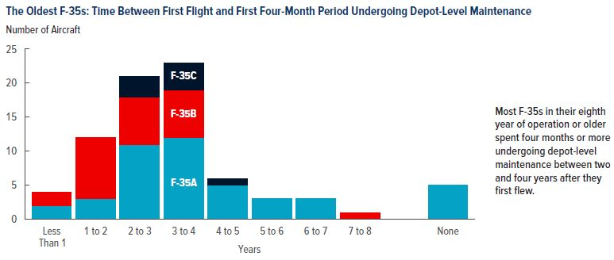
Years | F-35As | F-35Bs | F-35Cs
Less Than 1 | 2 | 2
1 to 2 | 3 | 9
2 to 3 | 11 | 7 | 3
3 to 4 | 12 | 7 | 4
4 to 5 | 5 |  | 1
5 to 6 | 3
6 to 7 | 3
7 to 8 |  | 1
None | 5

Back to Table of Contents

Figure 8
This file presents the data from the figures in CBO's April 2022 report Availability and Use of F-35 Fighter Aircraft.
www.cbo.gov/publication/57842

Figure 8. Annual Flying Hours per Fleet
Thousands of Hours
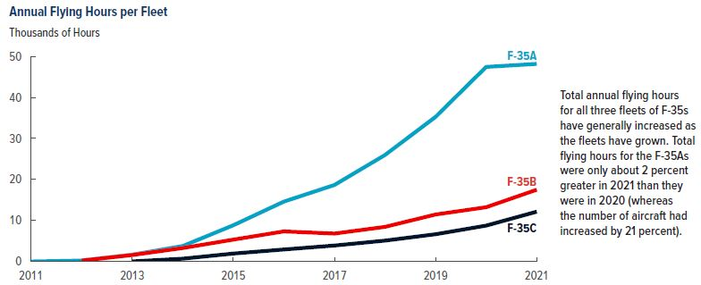
 | F-35As | F-35Bs | F-35Cs
2011 | 0.01 | 0 | 0
2012 | 0.22 | 0.23 | 0
2013 | 1.66 | 1.57 | 0.02
2014 | 3.76 | 3.28 | 0.68
2015 | 8.83 | 5.33 | 1.93
2016 | 14.59 | 7.33 | 2.93
2017 | 18.65 | 6.81 | 3.89
2018 | 25.96 | 8.44 | 5.09
2019 | 35.25 | 11.46 | 6.64
2020 | 47.43 | 13.23 | 8.75
2021 | 48.17 | 17.49 | 12.14

Back to Table of Contents

Figure 9
This file presents the data from the figures in CBO's April 2022 report Availability and Use of F-35 Fighter Aircraft.
www.cbo.gov/publication/57842

Figure 9. Annual Flying Hours per Aircraft
Number of Hours
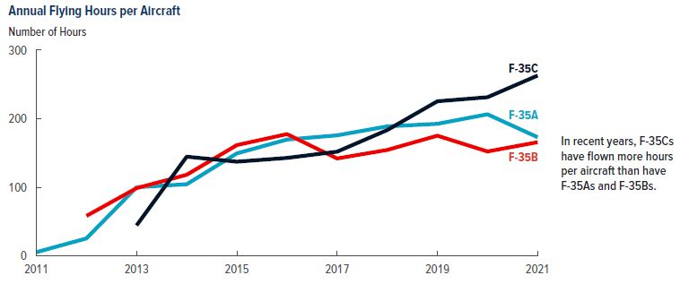
 | F-35As | F-35Bs | F-35Cs
2011 | 5.3
2012 | 25.4 | 58.2
2013 | 100.1 | 98.7 | 44.4
2014 | 104.4 | 118.2 | 144.6
2015 | 149.4 | 161.5 | 137.3
2016 | 169.6 | 177.5 | 142.8
2017 | 175.7 | 142.0 | 151.9
2018 | 188.8 | 154.4 | 183.4
2019 | 192.5 | 175.2 | 225.4
2020 | 206.4 | 152.2 | 231.3
2021 | 173.0 | 165.7 | 262.9

Back to Table of Contents

Figure 10
This file presents the data from the figures in CBO's April 2022 report Availability and Use of F-35 Fighter Aircraft.
www.cbo.gov/publication/57842

Figure 10. Distribution of Lifetime Flying Hours
Number of Aircraft
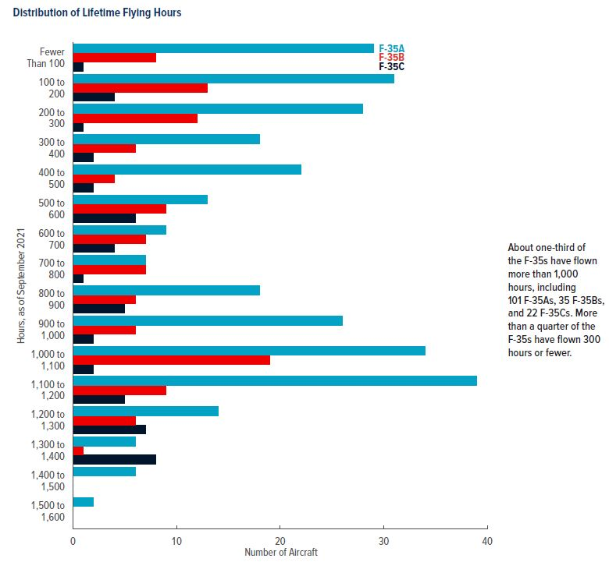
 | F-35As | F-35Bs | F-35Cs
Fewer than 100 | 29 | 8 | 1
100 to 200 | 31 | 13 | 4
200 to 300 | 28 | 12 | 1
300 to 400 | 18 | 6 | 2
400 to 500 | 22 | 4 | 2
500 to 600 | 13 | 9 | 6
600 to 700 | 9 | 7 | 4
700 to 800 | 7 | 7 | 1
800 to 900 | 18 | 6 | 5
900 to 1000 | 26 | 6 | 2
1000 to 1100 | 34 | 19 | 2
1100 to 1200 | 39 | 9 | 5
1200 to 1300 | 14 | 6 | 7
1300 to 1400 | 6 | 1 | 8
1400 to 1500 | 6 | 0 | 0
1500 to 1600 | 2 | 0 | 0

Back to Table of Contents

Figure 11
This file presents the data from the figures in CBO's April 2022 report Availability and Use of F-35 Fighter Aircraft.
www.cbo.gov/publication/57842

Figure 11. Quarterly Availability Rates of F-35 Fleets in 2020 and 2021
Percent
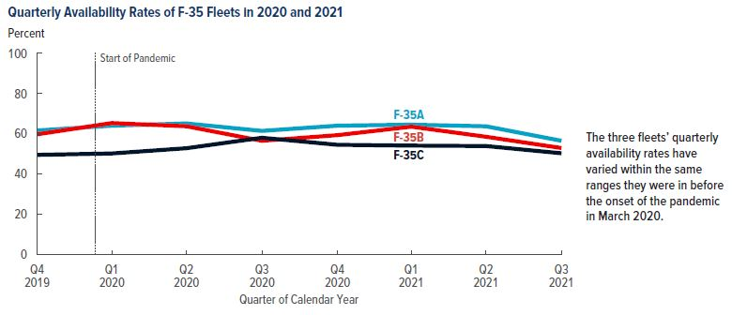
 | F-35As | F-35Bs | F-35Cs
Q4 2019 | 61.7 | 59.8 | 49.6
Q1 2020 | 64.1 | 65.4 | 50.3
Q2 2020 | 65.2 | 63.8 | 52.9
Q3 2020 | 61.5 | 56.6 | 58.1
Q4 2020 | 64.1 | 59.4 | 54.6
Q1 2021 | 64.6 | 63.6 | 54.2
Q2 2021 | 63.8 | 58.6 | 54.0
Q3 2021 | 56.6 | 53.0 | 50.4

Back to Table of Contents

Figure 12
This file presents the data from the figures in CBO's April 2022 report Availability and Use of F-35 Fighter Aircraft.
www.cbo.gov/publication/57842

Figure 12. Quarterly Flying Hours per Aircraft in 2020 and 2021 in Relation to the Average for the Same Quarters From 2015 to 2019
Percent
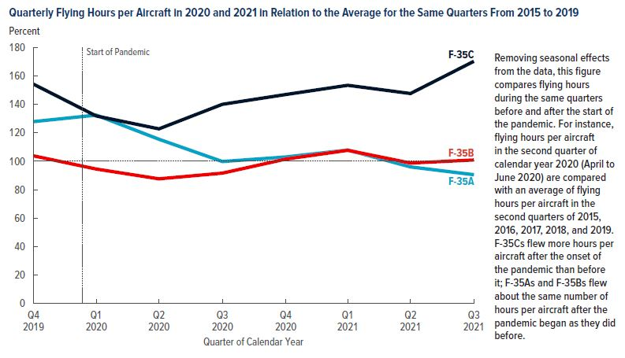
 | F-35As | F-35Bs | F-35Cs
Q4 2019 | 127.9 | 103.8 | 154.3
Q1 2020 | 132.5 | 94.5 | 131.9
Q2 2020 | 115.5 | 87.6 | 122.8
Q3 2020 | 99.8 | 91.6 | 140.1
Q4 2020 | 103.0 | 101.5 | 147.0
Q1 2021 | 107.9 | 107.7 | 153.5
Q2 2021 | 96.0 | 98.7 | 147.7
Q3 2021 | 90.5 | 100.9 | 170.4

Back to Table of Contents

