Table 1
This file presents the data from the tables and figures in CBO's August 2021 report Effects of Physical Infrastructure Spending on the Economy and the Budget Under Two Illustrative Scenarios.
www.cbo.gov/publication/57327


Table 1. Spending on Physical Infrastructure in the Illustrative Scenarios
Billions of Dollars

 | 2022 | 2023 | 2024 | 2025 | 2026 | 2027 | 2028 | 2029 | 2030 | 2031 | Total, 2022-2031
Funding | 50 | 50 | 50 | 50 | 50 | 50 | 50 | 50 | 50 | 50 | 500
Outlays | 8 | 18 | 25 | 33 | 38 | 41 | 44 | 45 | 45 | 46 | 339

Back to Table of Contents

Table 2
This file presents the data from the tables and figures in CBO's August 2021 report Effects of Physical Infrastructure Spending on the Economy and the Budget Under Two Illustrative Scenarios.
www.cbo.gov/publication/57327

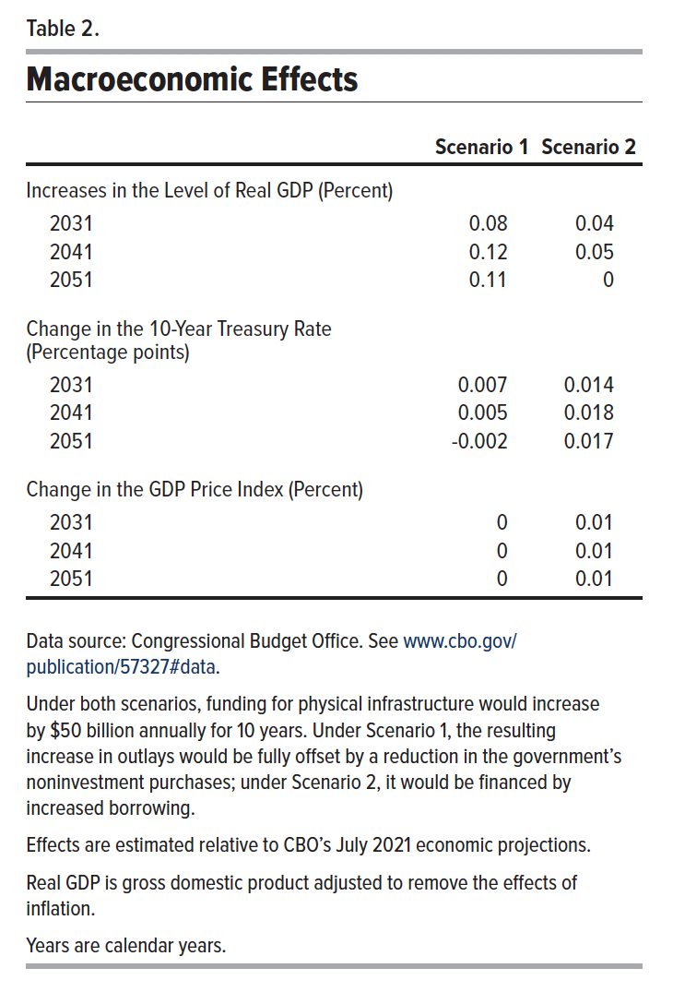
Table 2. Macroeconomic Effects

 | Scenario 1 | Scenario 2
 | 2031 | 2031
Increases in the Level of Real GDP (Percent)
2031 | 0.08 | 0.04
2041 | 0.12 | 0.05
2051 | 0.11 | 0
10-Year Treasury Rate (Percentage Points)
2031 | 0.007 | 0.014
2041 | 0.005 | 0.018
2051 | -0.002 | 0.017
GDP Price Index (Percent)
2031 | 0 | 0.01
2041 | 0 | 0.01
2051 | 0 | 0.01

Back to Table of Contents

Table 3
This file presents the data from the tables and figures in CBO's August 2021 report Effects of Physical Infrastructure Spending on the Economy and the Budget Under Two Illustrative Scenarios.
www.cbo.gov/publication/57327

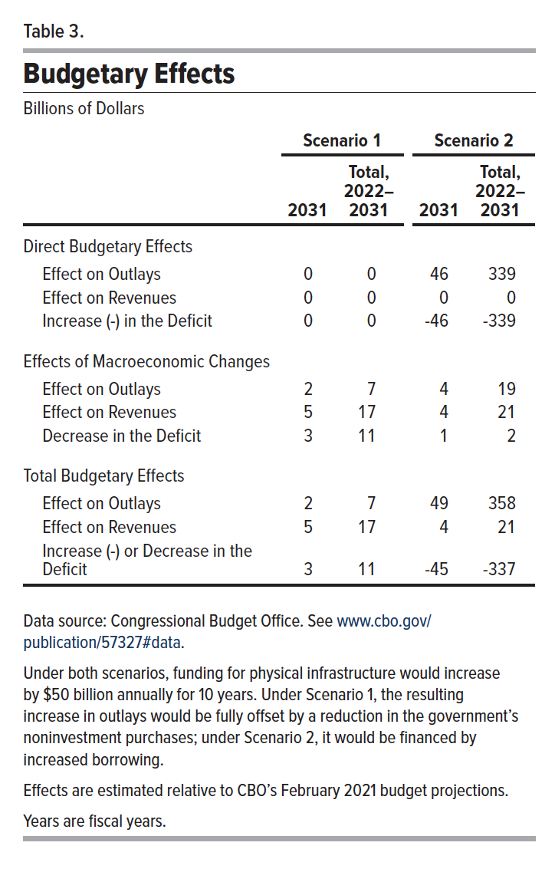
Table 3. Budgetary Effects
Billions of Dollars
 | Scenario 1 |  | Scenario 2
 | 2031 | Total, 2022-2031 | 2031 | Total, 2022-2031
Direct Budgetary Effects
Effect on Outlays | 0 | 0 | 46 | 339
Effect on Revenues | 0 | 0 | 0 | 0
Increase (-) or Decrease in the Deficit | 0 | 0 | -46 | -339

Effects of Macroeconomic Changes
Effect on Outlays | 2 | 7 | 4 | 19
Effect on Revenues | 5 | 17 | 4 | 21
Increase (-) or Decrease in the Deficit | 3 | 11 | 1 | 2

Total Budgetary Effects
Effect on Outlays | 2 | 7 | 49 | 358
Effect on Revenues | 5 | 17 | 4 | 21
Increase (-) or Decrease in the Deficit | 3 | 11 | -45 | -337

Back to Table of Contents

Figure 1
This file presents the data from the tables and figures in CBO's August 2021 report Effects of Physical Infrastructure Spending on the Economy and the Budget Under Two Illustrative Scenarios.
www.cbo.gov/publication/57327

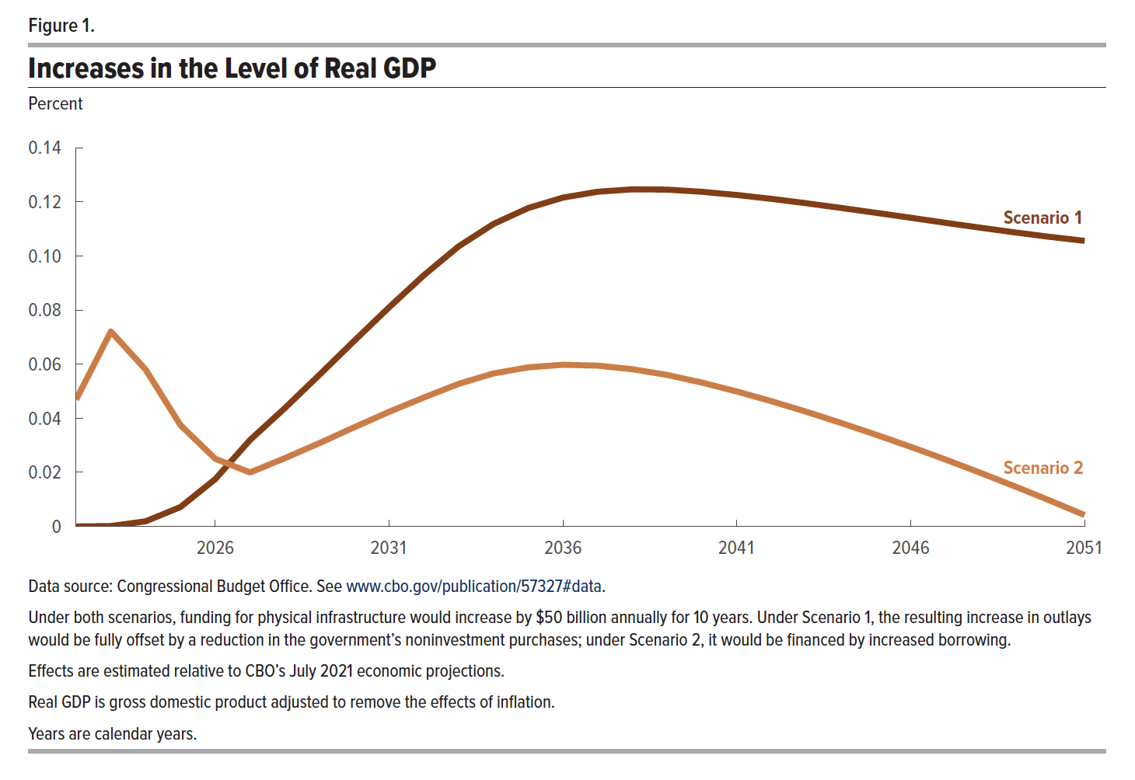
Figure 1. Increases in the Level of Real GDP
Percent

 | Scenario 1 | Scenario 2
2022 | 0 | 0.05
2023 | 0 | 0.07
2024 | 0.00 | 0.06
2025 | 0.01 | 0.04
2026 | 0.02 | 0.03
2027 | 0.03 | 0.02
2028 | 0.04 | 0.03
2029 | 0.06 | 0.03
2030 | 0.07 | 0.04
2031 | 0.08 | 0.04
2032 | 0.09 | 0.05
2033 | 0.10 | 0.05
2034 | 0.11 | 0.06
2035 | 0.12 | 0.06
2036 | 0.12 | 0.06
2037 | 0.12 | 0.06
2038 | 0.12 | 0.06
2039 | 0.12 | 0.06
2040 | 0.12 | 0.05
2041 | 0.12 | 0.05
2042 | 0.12 | 0.05
2043 | 0.12 | 0.04
2044 | 0.12 | 0.04
2045 | 0.12 | 0.03
2046 | 0.11 | 0.03
2047 | 0.11 | 0.02
2048 | 0.11 | 0.02
2049 | 0.11 | 0.01
2050 | 0.11 | 0.01
2051 | 0.11 | 0.00

Back to Table of Contents

