Figure 1-1
This file presents the data underlying the figures in CBO's April 2021 report A Public Option for Health Insurance in the Nongroup Marketplaces: Key Design Considerations and Implications.
www.cbo.gov/publication/57020

Figure 1-1. Number of Insurers That People Enrolling in Coverage Through the Marketplaces Were Able to Choose From
Percent
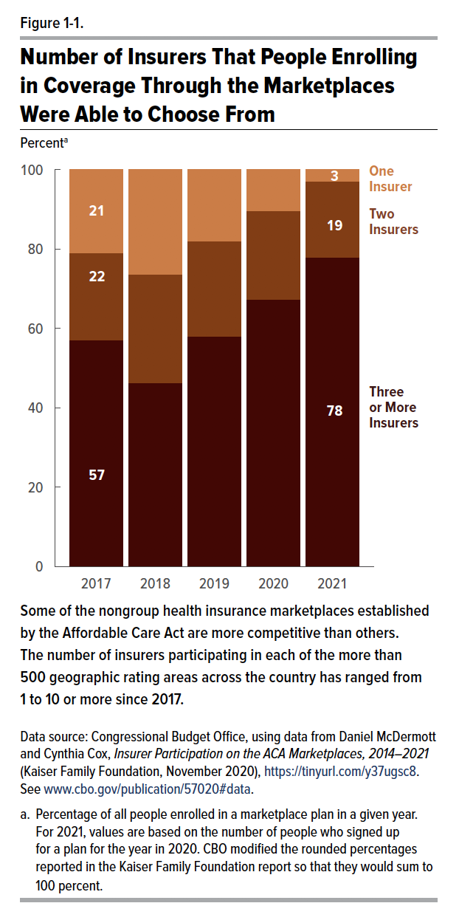
Year | One Insurer | Two Insurers | Three or More Insurers
2017 | 21.0 | 22.0 | 57.0
2018 | 26.3 | 27.3 | 46.3
2019 | 18.0 | 24.0 | 58.0
2020 | 10.3 | 22.3 | 67.3
2021 | 3.0 | 19.0 | 78.0

Back to Table of Contents

Figure 1-2
This file presents the data underlying the figures in CBO's April 2021 report A Public Option for Health Insurance in the Nongroup Marketplaces: Key Design Considerations and Implications.
www.cbo.gov/publication/57020

Figure 1-2. Average Monthly Premiums of Benchmark Plans in 2021, by the Number of Insurers Participating in the Marketplace
Dollars
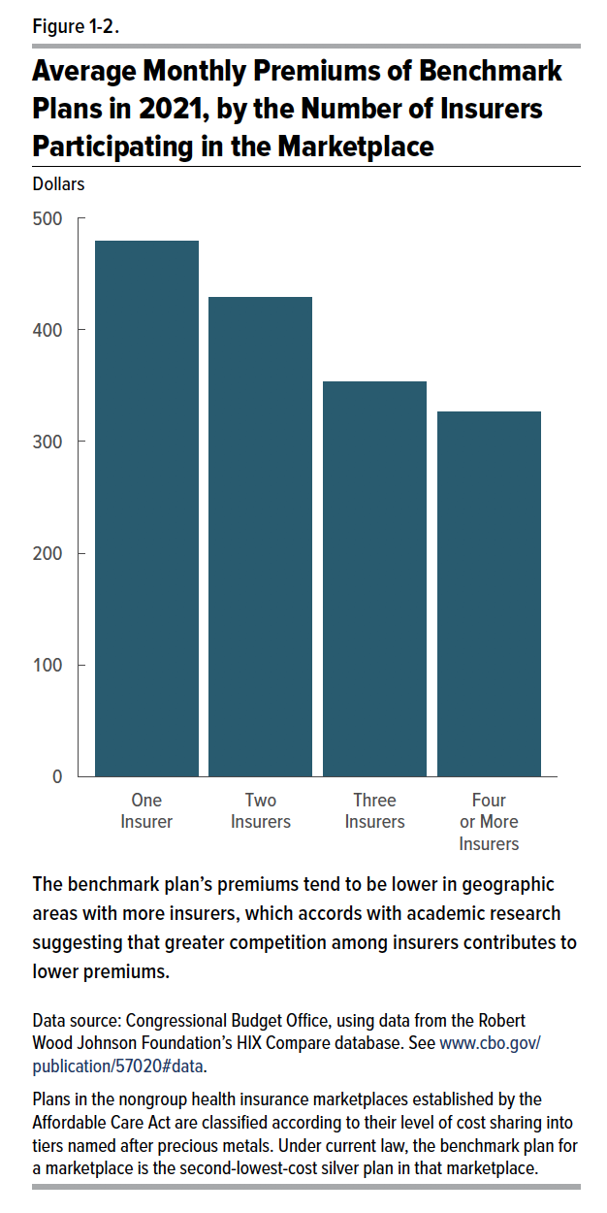
Insurers | Monthly Average Benchmark Premium
One Insurer | 479
Two Insurers | 429
Three Insurers | 353
Four or More Insurers | 326

Back to Table of Contents

