Figure 1
This file presents the data underlying the figures in CBO's December 2020 report Federal Policies in Response to Declining Entrepreneurship.
www.cbo.gov/publication/56906

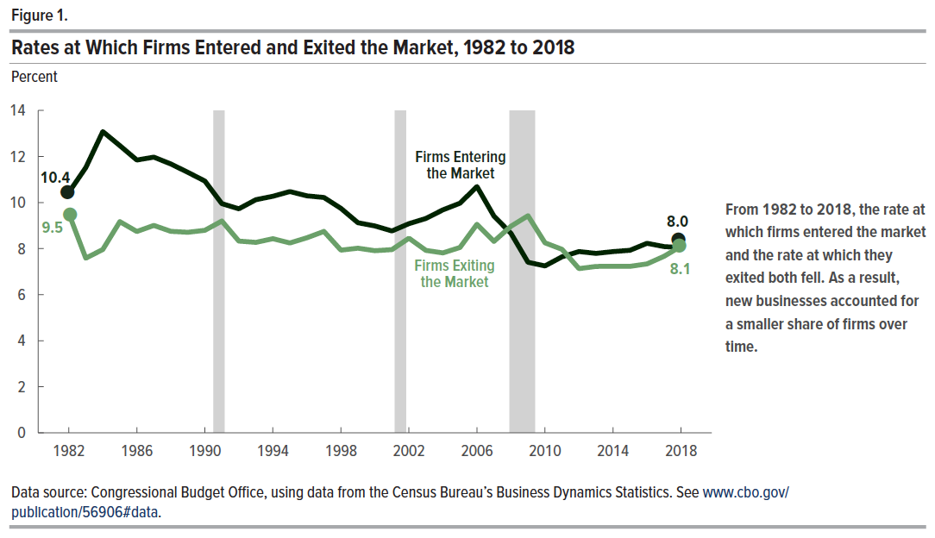
Figure 1. Rates at Which Firms Entered and Exited the Market, 1982 to 2018
Percent

Year | Firms Entering | Firms Exiting
1982 | 10.4 | 9.5
1983 | 11.5 | 7.6
1984 | 13.1 | 8.0
1985 | 12.5 | 9.2
1986 | 11.8 | 8.7
1987 | 12.0 | 9.0
1988 | 11.7 | 8.7
1989 | 11.3 | 8.7
1990 | 10.9 | 8.8
1991 | 10.0 | 9.2
1992 | 9.7 | 8.3
1993 | 10.1 | 8.3
1994 | 10.3 | 8.4
1995 | 10.5 | 8.2
1996 | 10.3 | 8.5
1997 | 10.2 | 8.7
1998 | 9.7 | 7.9
1999 | 9.1 | 8.0
2000 | 9.0 | 7.9
2001 | 8.8 | 8.0
2002 | 9.1 | 8.5
2003 | 9.3 | 7.9
2004 | 9.7 | 7.8
2005 | 10.0 | 8.0
2006 | 10.7 | 9.1
2007 | 9.4 | 8.3
2008 | 8.7 | 9.0
2009 | 7.4 | 9.4
2010 | 7.2 | 8.3
2011 | 7.6 | 8.0
2012 | 7.9 | 7.1
2013 | 7.8 | 7.2
2014 | 7.9 | 7.2
2015 | 7.9 | 7.2
2016 | 8.2 | 7.3
2017 | 8.1 | 7.7
2018 | 8.0 | 8.1

Back to Table of Contents

Figure 2
This file presents the data underlying the figures in CBO's December 2020 report Federal Policies in Response to Declining Entrepreneurship.
www.cbo.gov/publication/56906

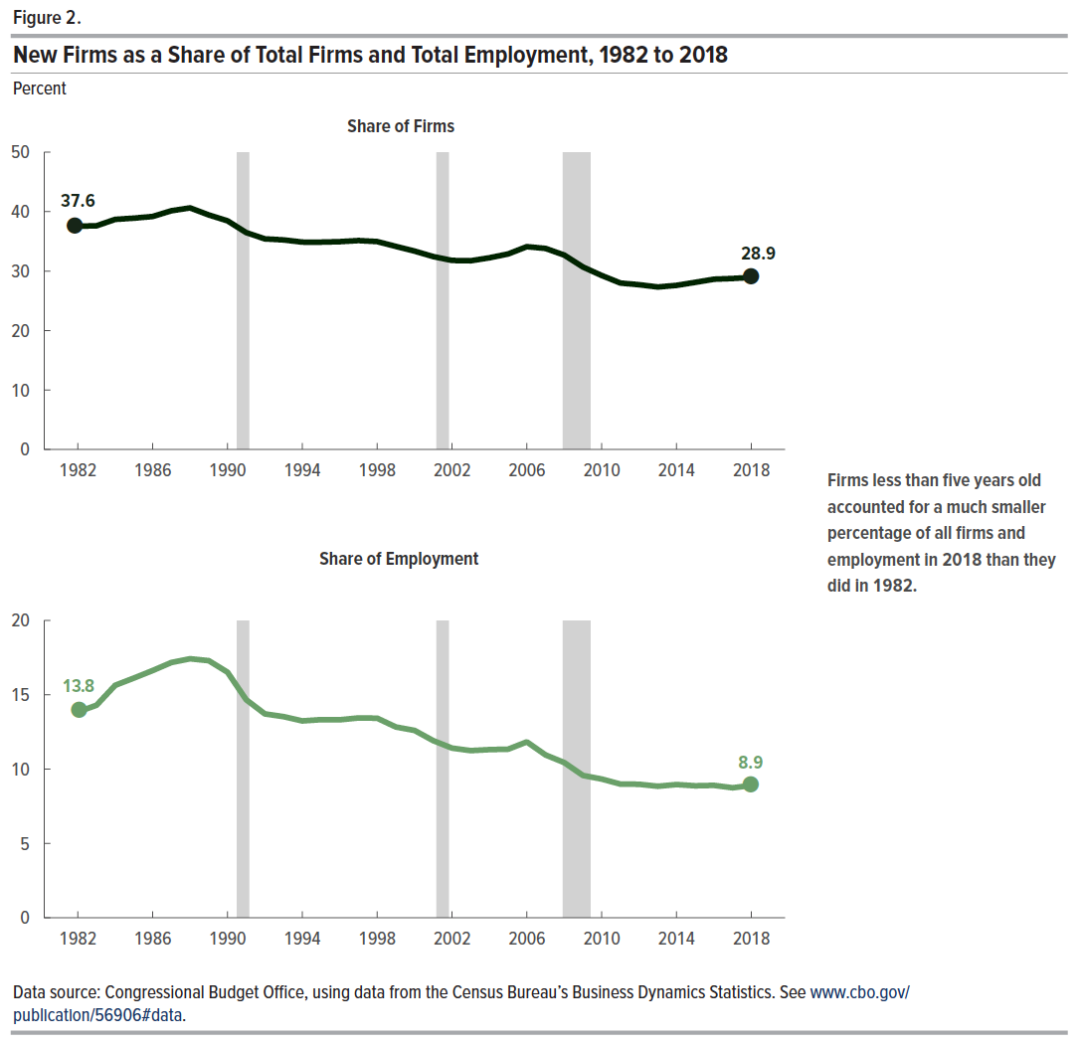
Figure 2. New Firms as a Share of Total Firms and Total Employment, 1982 to 2018
Percent

Year | Share of Firms | Share of Employment
1982 | 37.6 | 13.8
1983 | 37.6 | 14.3
1984 | 38.7 | 15.6
1985 | 38.9 | 16.1
1986 | 39.2 | 16.6
1987 | 40.2 | 17.2
1988 | 40.6 | 17.4
1989 | 39.4 | 17.3
1990 | 38.5 | 16.5
1991 | 36.5 | 14.7
1992 | 35.4 | 13.7
1993 | 35.2 | 13.5
1994 | 34.9 | 13.2
1995 | 34.9 | 13.3
1996 | 35.0 | 13.3
1997 | 35.1 | 13.4
1998 | 35.0 | 13.4
1999 | 34.2 | 12.8
2000 | 33.4 | 12.6
2001 | 32.4 | 11.9
2002 | 31.8 | 11.4
2003 | 31.7 | 11.2
2004 | 32.2 | 11.3
2005 | 32.9 | 11.3
2006 | 34.1 | 11.8
2007 | 33.8 | 11.0
2008 | 32.7 | 10.4
2009 | 30.7 | 9.6
2010 | 29.3 | 9.3
2011 | 28.0 | 9.0
2012 | 27.7 | 9.0
2013 | 27.3 | 8.8
2014 | 27.6 | 9.0
2015 | 28.1 | 8.9
2016 | 28.6 | 8.9
2017 | 28.8 | 8.7
2018 | 28.9 | 8.9

Back to Table of Contents

Figure 3
This file presents the data underlying the figures in CBO's December 2020 report Federal Policies in Response to Declining Entrepreneurship.
www.cbo.gov/publication/56906

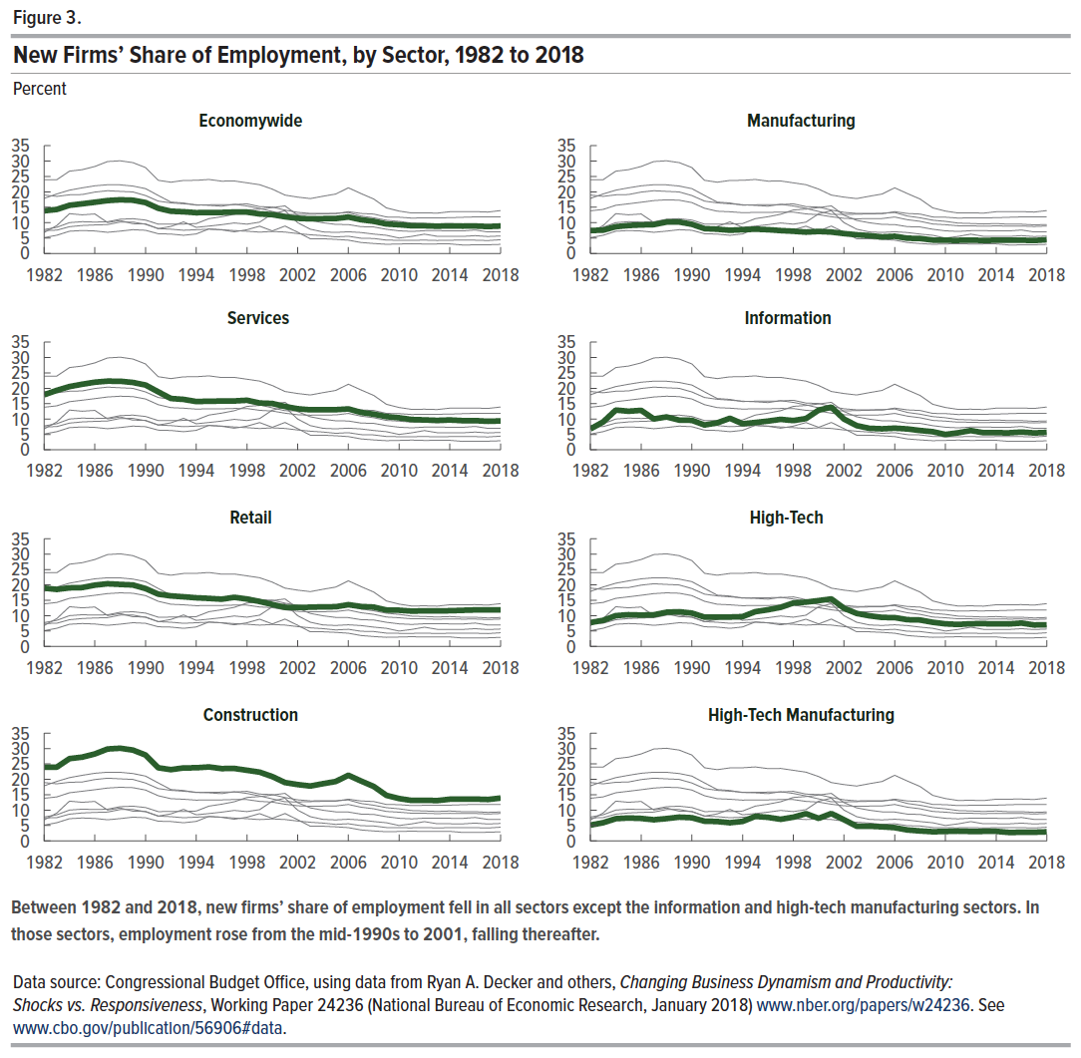
Figure 3. New Firms’ Share of Employment, by Sector, 1982 to 2018
Percent

Year | Economywide | Services | Retail | Construction | Manufacturing | Information | High-Tech | High-Tech Manufacturing
1982 | 13.8 | 17.9 | 19.0 | 24.0 | 7.5 | 6.8 | 7.8 | 5.1
1983 | 14.3 | 19.3 | 18.5 | 24.0 | 7.6 | 9.1 | 8.5 | 5.9
1984 | 15.6 | 20.6 | 19.0 | 26.7 | 8.7 | 12.9 | 10.0 | 7.2
1985 | 16.1 | 21.3 | 19.1 | 27.2 | 9.1 | 12.5 | 10.3 | 7.4
1986 | 16.6 | 22.0 | 19.9 | 28.2 | 9.3 | 12.8 | 10.2 | 7.3
1987 | 17.2 | 22.3 | 20.4 | 29.9 | 9.4 | 10.0 | 10.3 | 6.9
1988 | 17.4 | 22.3 | 20.2 | 30.1 | 10.2 | 10.7 | 11.1 | 7.3
1989 | 17.3 | 21.9 | 20.0 | 29.5 | 10.2 | 9.7 | 11.3 | 7.7
1990 | 16.5 | 21.1 | 18.8 | 27.9 | 9.5 | 9.6 | 10.8 | 7.5
1991 | 14.7 | 18.8 | 17.0 | 23.8 | 8.1 | 8.1 | 9.5 | 6.4
1992 | 13.7 | 16.7 | 16.4 | 23.1 | 7.9 | 8.8 | 9.5 | 6.3
1993 | 13.5 | 16.4 | 16.1 | 23.7 | 7.5 | 10.3 | 9.6 | 5.9
1994 | 13.2 | 15.7 | 15.8 | 23.7 | 7.7 | 8.5 | 9.7 | 6.3
1995 | 13.3 | 15.8 | 15.6 | 24.0 | 7.9 | 8.9 | 11.3 | 8.0
1996 | 13.3 | 15.9 | 15.4 | 23.5 | 7.7 | 9.3 | 11.9 | 7.7
1997 | 13.4 | 15.9 | 16.0 | 23.5 | 7.4 | 9.9 | 12.7 | 7.0
1998 | 13.4 | 16.1 | 15.4 | 22.9 | 7.2 | 9.5 | 14.1 | 7.7
1999 | 12.8 | 15.2 | 14.6 | 22.3 | 6.9 | 10.2 | 14.4 | 8.9
2000 | 12.6 | 15.1 | 13.6 | 20.9 | 7.1 | 12.9 | 14.9 | 7.3
2001 | 11.9 | 14.1 | 12.7 | 19.0 | 6.9 | 13.9 | 15.4 | 8.9
2002 | 11.4 | 13.4 | 12.7 | 18.3 | 6.5 | 10.0 | 12.4 | 6.9
2003 | 11.2 | 13.0 | 12.8 | 17.8 | 6.1 | 7.9 | 10.7 | 4.8
2004 | 11.3 | 13.0 | 12.9 | 18.6 | 5.8 | 7.0 | 10.0 | 4.8
2005 | 11.3 | 13.0 | 12.9 | 19.3 | 5.4 | 6.8 | 9.4 | 4.6
2006 | 11.8 | 13.3 | 13.6 | 21.3 | 5.6 | 7.0 | 9.4 | 4.3
2007 | 11.0 | 12.2 | 13.0 | 19.5 | 4.9 | 6.8 | 8.7 | 3.6
2008 | 10.4 | 11.6 | 12.8 | 17.7 | 4.9 | 6.3 | 8.6 | 3.2
2009 | 9.6 | 10.8 | 11.8 | 14.8 | 4.3 | 5.9 | 7.9 | 3.0
2010 | 9.3 | 10.4 | 11.8 | 13.8 | 4.3 | 5.0 | 7.4 | 3.1
2011 | 9.0 | 9.9 | 11.5 | 13.1 | 4.3 | 5.5 | 7.2 | 3.2
2012 | 9.0 | 9.7 | 11.6 | 13.2 | 4.3 | 6.3 | 7.4 | 3.1
2013 | 8.8 | 9.6 | 11.6 | 13.1 | 4.2 | 5.6 | 7.4 | 3.1
2014 | 9.0 | 9.7 | 11.6 | 13.5 | 4.3 | 5.6 | 7.3 | 3.1
2015 | 8.9 | 9.5 | 11.7 | 13.6 | 4.3 | 5.5 | 7.3 | 2.7
2016 | 8.9 | 9.5 | 11.9 | 13.6 | 4.3 | 5.8 | 7.6 | 2.8
2017 | 8.7 | 9.3 | 11.9 | 13.4 | 4.2 | 5.5 | 7.0 | 2.8
2018 | 8.9 | 9.4 | 11.9 | 13.9 | 4.5 | 5.7 | 7.0 | 2.9

Back to Table of Contents

Figure 4
This file presents the data underlying the figures in CBO's December 2020 report Federal Policies in Response to Declining Entrepreneurship.
www.cbo.gov/publication/56906

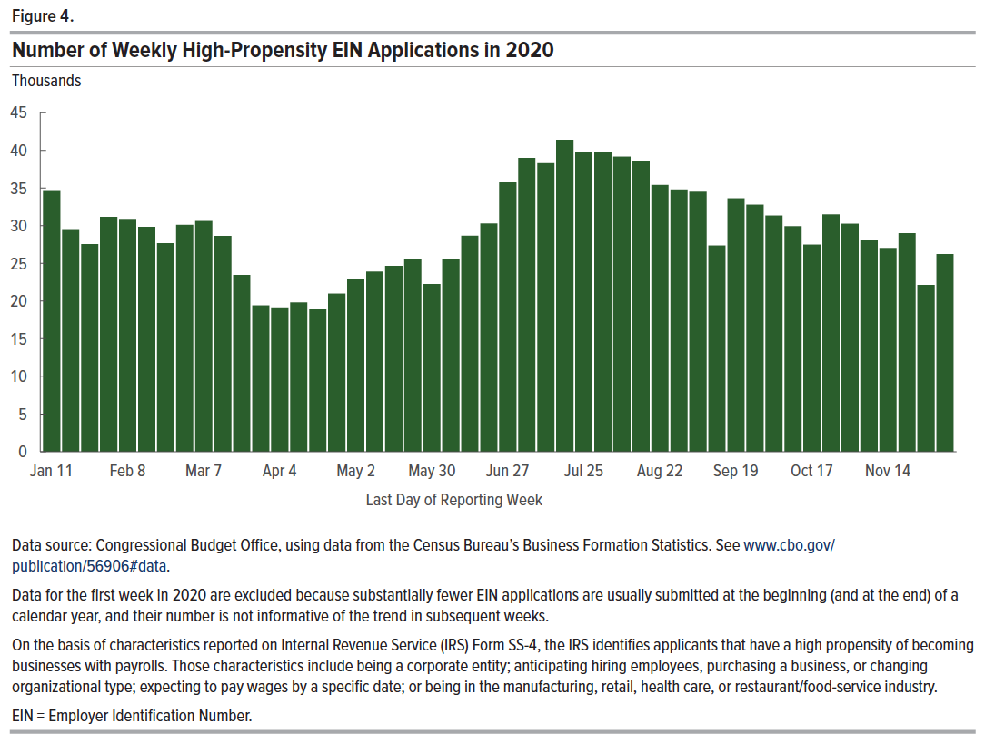
Figure 4. Number of Weekly High-Propensity EIN Applications in 2020
Thousands

Week | Applications
2 | 34.7
3 | 29.5
4 | 27.5
5 | 31.2
6 | 30.9
7 | 29.8
8 | 27.7
9 | 30.1
10 | 30.6
11 | 28.6
12 | 23.5
13 | 19.4
14 | 19.2
15 | 19.8
16 | 18.9
17 | 21.0
18 | 22.9
19 | 23.9
20 | 24.7
21 | 25.6
22 | 22.3
23 | 25.6
24 | 28.7
25 | 30.3
26 | 35.7
27 | 39.0
28 | 38.3
29 | 41.4
30 | 39.8
31 | 39.8
32 | 39.2
33 | 38.6
34 | 35.4
35 | 34.8
36 | 34.5
37 | 27.4
38 | 33.6
39 | 32.8
40 | 31.3
41 | 29.9
42 | 27.5
43 | 31.5
44 | 30.3
45 | 28.1
46 | 27.0
47 | 29.0
48 | 22.1
49 | 26.2

Back to Table of Contents

Figure 5
This file presents the data underlying the figures in CBO's December 2020 report Federal Policies in Response to Declining Entrepreneurship.
www.cbo.gov/publication/56906

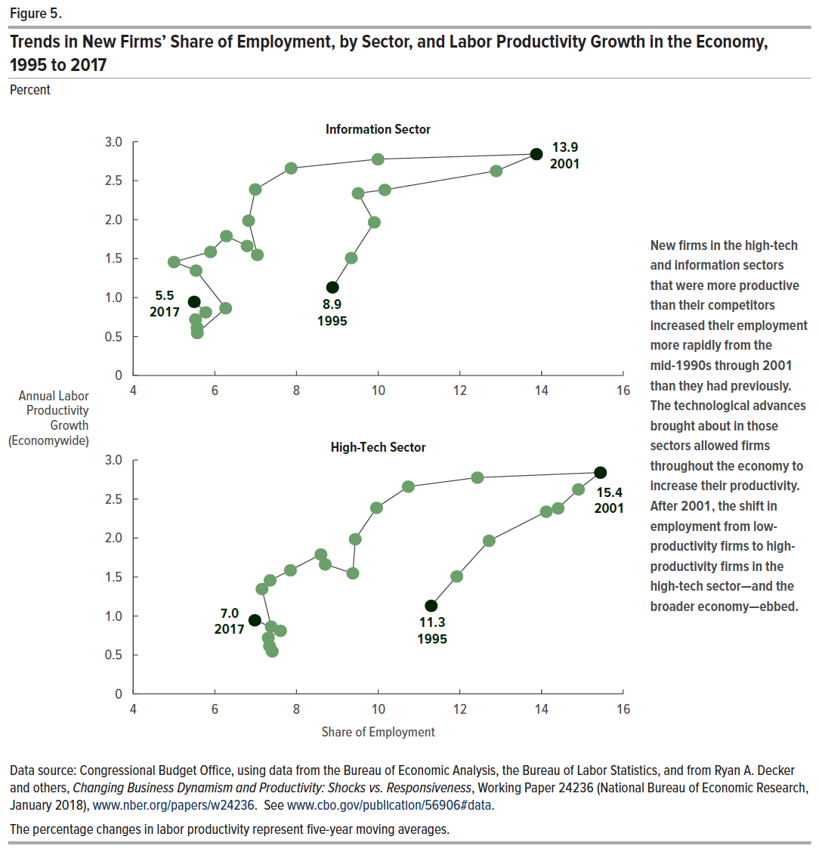
Figure 5. Trends in New Firms’ Share of Employment, by Sector, and Labor Productivity Growth in the Economy, 1995 to 2017
Percent

Year | Share of Employment, Information Sector | Share of Employment, High-Tech Sector | Annual Labor Productivity Growth (Economywide)
1995 | 8.9 | 11.3 | 1.1
1996 | 9.3 | 11.9 | 1.5
1997 | 9.9 | 12.7 | 2.0
1998 | 9.5 | 14.1 | 2.3
1999 | 10.2 | 14.4 | 2.4
2000 | 12.9 | 14.9 | 2.6
2001 | 13.9 | 15.4 | 2.8
2002 | 10.0 | 12.4 | 2.8
2003 | 7.9 | 10.7 | 2.7
2004 | 7.0 | 10.0 | 2.4
2005 | 6.8 | 9.4 | 2.0
2006 | 7.0 | 9.4 | 1.5
2007 | 6.8 | 8.7 | 1.7
2008 | 6.3 | 8.6 | 1.8
2009 | 5.9 | 7.9 | 1.6
2010 | 5.0 | 7.4 | 1.5
2011 | 5.5 | 7.2 | 1.3
2012 | 6.3 | 7.4 | 0.9
2013 | 5.6 | 7.4 | 0.5
2014 | 5.6 | 7.3 | 0.6
2015 | 5.5 | 7.3 | 0.7
2016 | 5.8 | 7.6 | 0.8
2017 | 5.5 | 7.0 | 0.9

Back to Table of Contents

Figure 6
This file presents the data underlying the figures in CBO's December 2020 report Federal Policies in Response to Declining Entrepreneurship.
www.cbo.gov/publication/56906

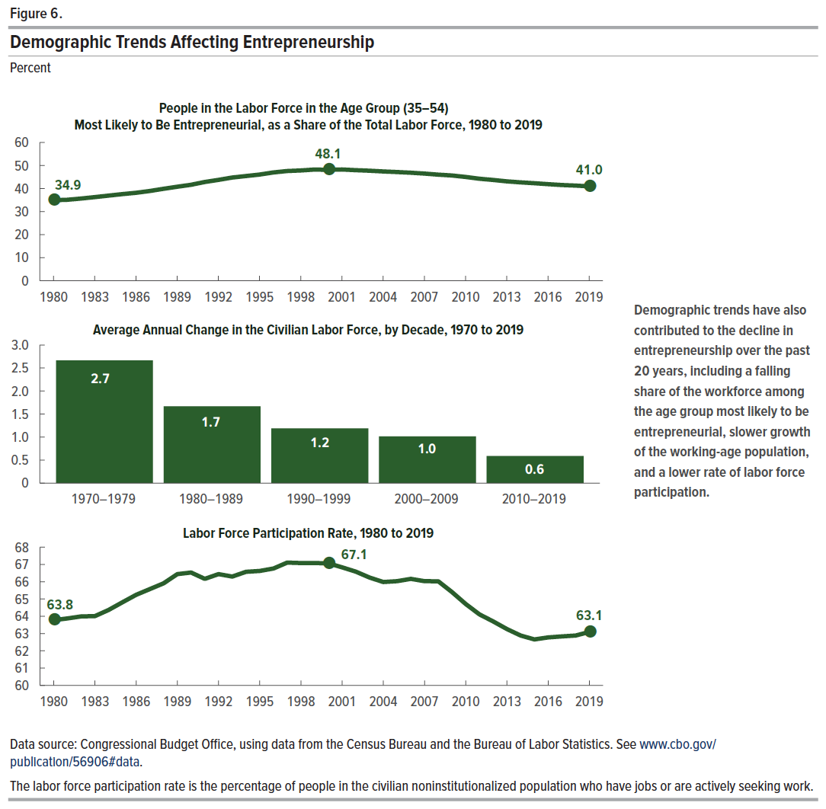
Figure 6. Demographic Trends Affecting Entrepreneurship
Percent

Year | Share of People in the Labor Force Ages 35–54 | Labor Force Participation Rate | Year Range | Average Annual Change in the Civilian Labor Force
1980 | 34.9 | 63.8 | 1970–1979 | 2.7
1981 | 35.1 | 63.9 | 1980–1989 | 1.7
1982 | 35.7 | 64.0 | 1990–1999 | 1.2
1983 | 36.3 | 64.0 | 2000–2009 | 1.0
1984 | 36.9 | 64.4 | 2010–2019 | 0.6
1985 | 37.6 | 64.8
1986 | 38.2 | 65.2
1987 | 38.9 | 65.6
1988 | 39.9 | 65.9
1989 | 40.8 | 66.4
1990 | 41.6 | 66.5
1991 | 42.8 | 66.2
1992 | 43.8 | 66.4
1993 | 44.8 | 66.3
1994 | 45.4 | 66.6
1995 | 46.1 | 66.6
1996 | 47.0 | 66.8
1997 | 47.6 | 67.1
1998 | 47.9 | 67.1
1999 | 48.3 | 67.1
2000 | 48.1 | 67.1
2001 | 48.3 | 66.8
2002 | 48.0 | 66.6
2003 | 47.8 | 66.2
2004 | 47.4 | 66.0
2005 | 47.2 | 66.0
2006 | 46.9 | 66.2
2007 | 46.5 | 66.0
2008 | 46.0 | 66.0
2009 | 45.7 | 65.4
2010 | 45.1 | 64.7
2011 | 44.3 | 64.1
2012 | 43.7 | 63.7
2013 | 43.1 | 63.3
2014 | 42.7 | 62.9
2015 | 42.3 | 62.7
2016 | 41.9 | 62.8
2017 | 41.5 | 62.8
2018 | 41.3 | 62.9
2019 | 41.0 | 63.1

Back to Table of Contents

Figure 7
This file presents the data underlying the figures in CBO's December 2020 report Federal Policies in Response to Declining Entrepreneurship.
www.cbo.gov/publication/56906

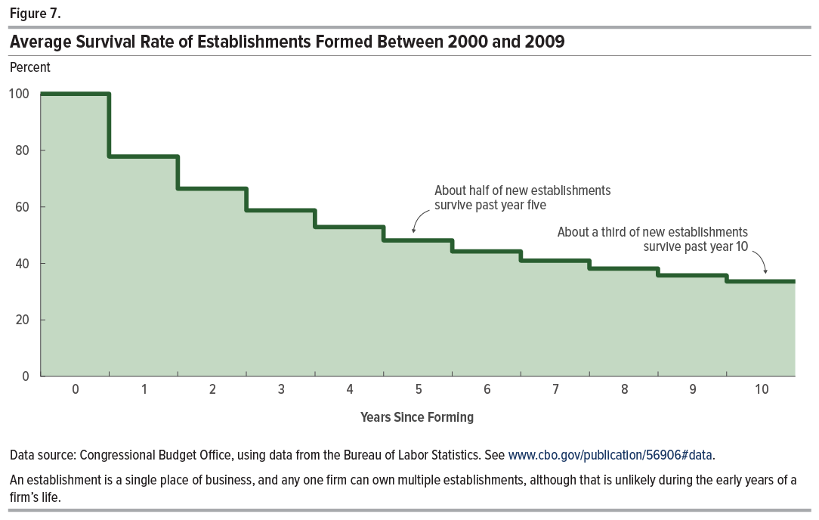
Figure 7. Average Survival Rate of Establishments Formed Between 2000 and 2009
Percent

Year | Survival Rate
0 | 100.0
1 | 77.8
2 | 66.4
3 | 58.7
4 | 52.9
5 | 48.1
6 | 44.2
7 | 41.0
8 | 38.1
9 | 35.7
10 | 33.6

Back to Table of Contents

