Figure 1-1
This file presents the data underlying the figures in CBO's December 2020 report Federal Net Interest Costs: A Primer.
www.cbo.gov/publication/56780

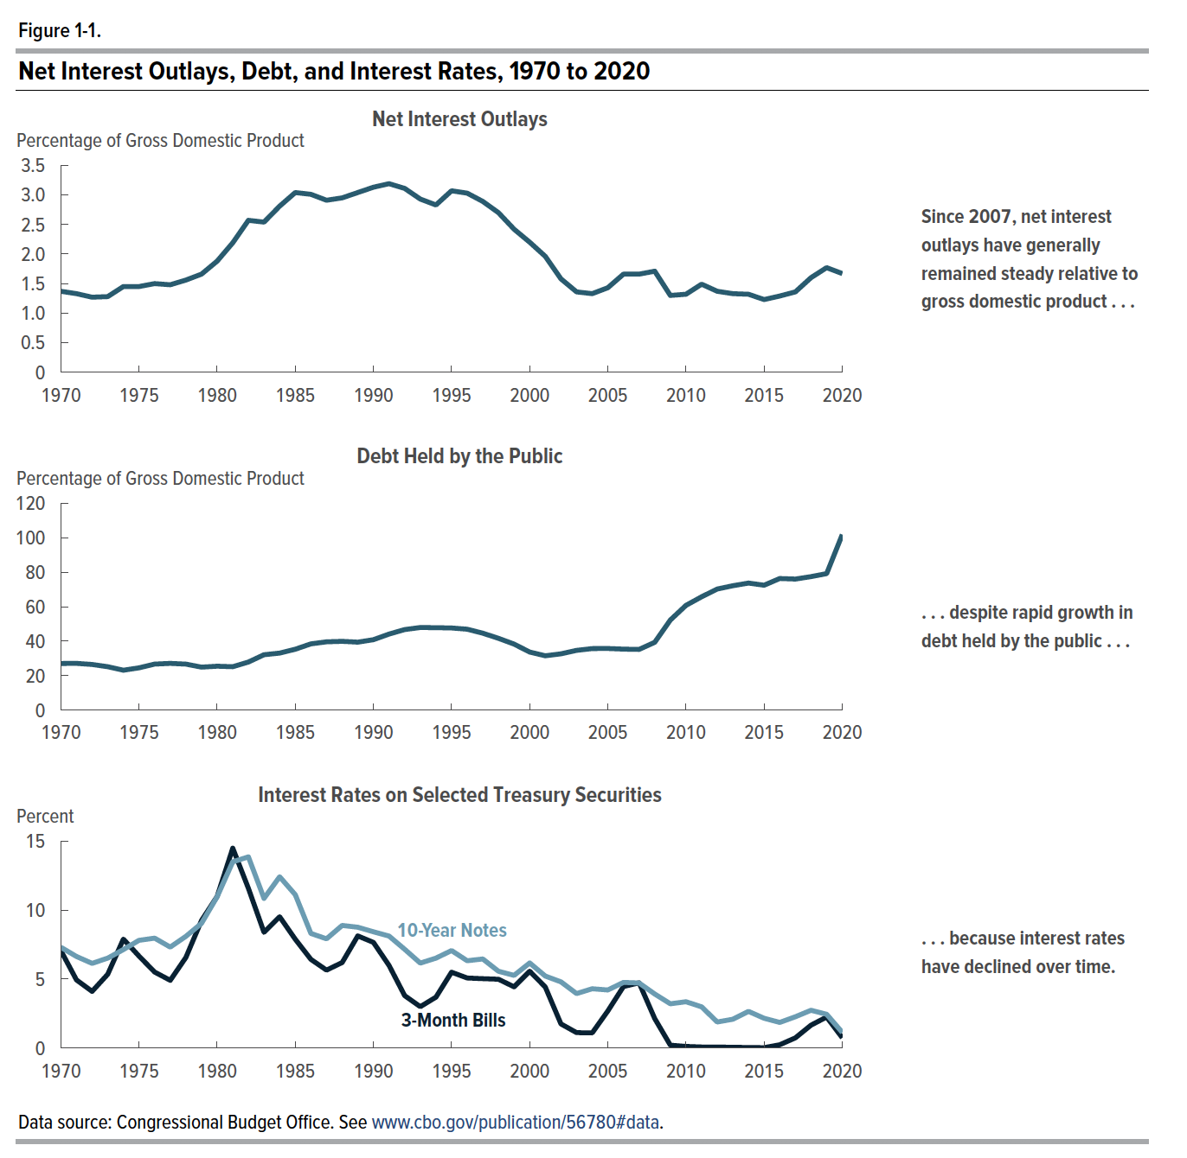
Figure 1-1. Net Interest Outlays, Debt, and Interest Rates, 1970 to 2020

 |  |  | Interest Rates on Selected Treasury Securities
 | Net Interest Outlays (Percentage of Gross Domestic Product) | Debt Held by the Public (Percentage of Gross Domestic Product) | 3-Month Bills (Percent) | 10-Year Notes (Percent)
1971 | 1.33 | 27.14 | 4.94 | 6.64
1972 | 1.27 | 26.51 | 4.11 | 6.14
1973 | 1.28 | 25.20 | 5.35 | 6.52
1974 | 1.45 | 23.18 | 7.90 | 7.14
1975 | 1.45 | 24.56 | 6.67 | 7.81
1976 | 1.50 | 26.73 | 5.51 | 7.97
1977 | 1.48 | 27.13 | 4.91 | 7.32
1978 | 1.56 | 26.71 | 6.57 | 8.10
1979 | 1.66 | 24.96 | 9.25 | 9.04
1980 | 1.88 | 25.50 | 10.99 | 10.97
1981 | 2.20 | 25.20 | 14.49 | 13.50
1982 | 2.57 | 27.91 | 11.58 | 13.86
1983 | 2.54 | 32.16 | 8.39 | 10.85
1984 | 2.81 | 33.10 | 9.52 | 12.42
1985 | 3.04 | 35.34 | 7.89 | 11.12
1986 | 3.01 | 38.46 | 6.43 | 8.31
1987 | 2.91 | 39.64 | 5.65 | 7.92
1988 | 2.95 | 39.93 | 6.20 | 8.89
1989 | 3.04 | 39.44 | 8.13 | 8.76
1990 | 3.13 | 40.88 | 7.66 | 8.43
1991 | 3.19 | 44.13 | 5.99 | 8.12
1992 | 3.11 | 46.75 | 3.80 | 7.16
1993 | 2.93 | 47.95 | 3.00 | 6.16
1994 | 2.83 | 47.84 | 3.69 | 6.52
1995 | 3.07 | 47.67 | 5.50 | 7.07
1996 | 3.03 | 46.96 | 5.08 | 6.33
1997 | 2.89 | 44.64 | 5.03 | 6.46
1998 | 2.70 | 41.67 | 4.99 | 5.57
1999 | 2.42 | 38.32 | 4.44 | 5.27
2000 | 2.20 | 33.70 | 5.57 | 6.17
2001 | 1.96 | 31.54 | 4.42 | 5.22
2002 | 1.58 | 32.68 | 1.75 | 4.80
2003 | 1.36 | 34.68 | 1.12 | 3.95
2004 | 1.33 | 35.72 | 1.10 | 4.30
2005 | 1.43 | 35.78 | 2.69 | 4.21
2006 | 1.66 | 35.41 | 4.46 | 4.76
2007 | 1.66 | 35.23 | 4.73 | 4.72
2008 | 1.71 | 39.36 | 2.14 | 3.92
2009 | 1.30 | 52.28 | 0.21 | 3.21
2010 | 1.32 | 60.78 | 0.12 | 3.36
2011 | 1.49 | 65.75 | 0.08 | 2.99
2012 | 1.37 | 70.26 | 0.07 | 1.89
2013 | 1.33 | 72.17 | 0.06 | 2.09
2014 | 1.32 | 73.72 | 0.04 | 2.66
2015 | 1.23 | 72.47 | 0.03 | 2.16
2016 | 1.29 | 76.36 | 0.24 | 1.86
2017 | 1.36 | 76.04 | 0.74 | 2.27
2018 | 1.60 | 77.45 | 1.66 | 2.74
2019 | 1.77 | 79.18 | 2.25 | 2.45
2020 | 1.64 | 100.11 | 0.74 | 1.13

Back to Table of Contents

Figure 2-1
This file presents the data underlying the figures in CBO's December 2020 report Federal Net Interest Costs: A Primer.
www.cbo.gov/publication/56780

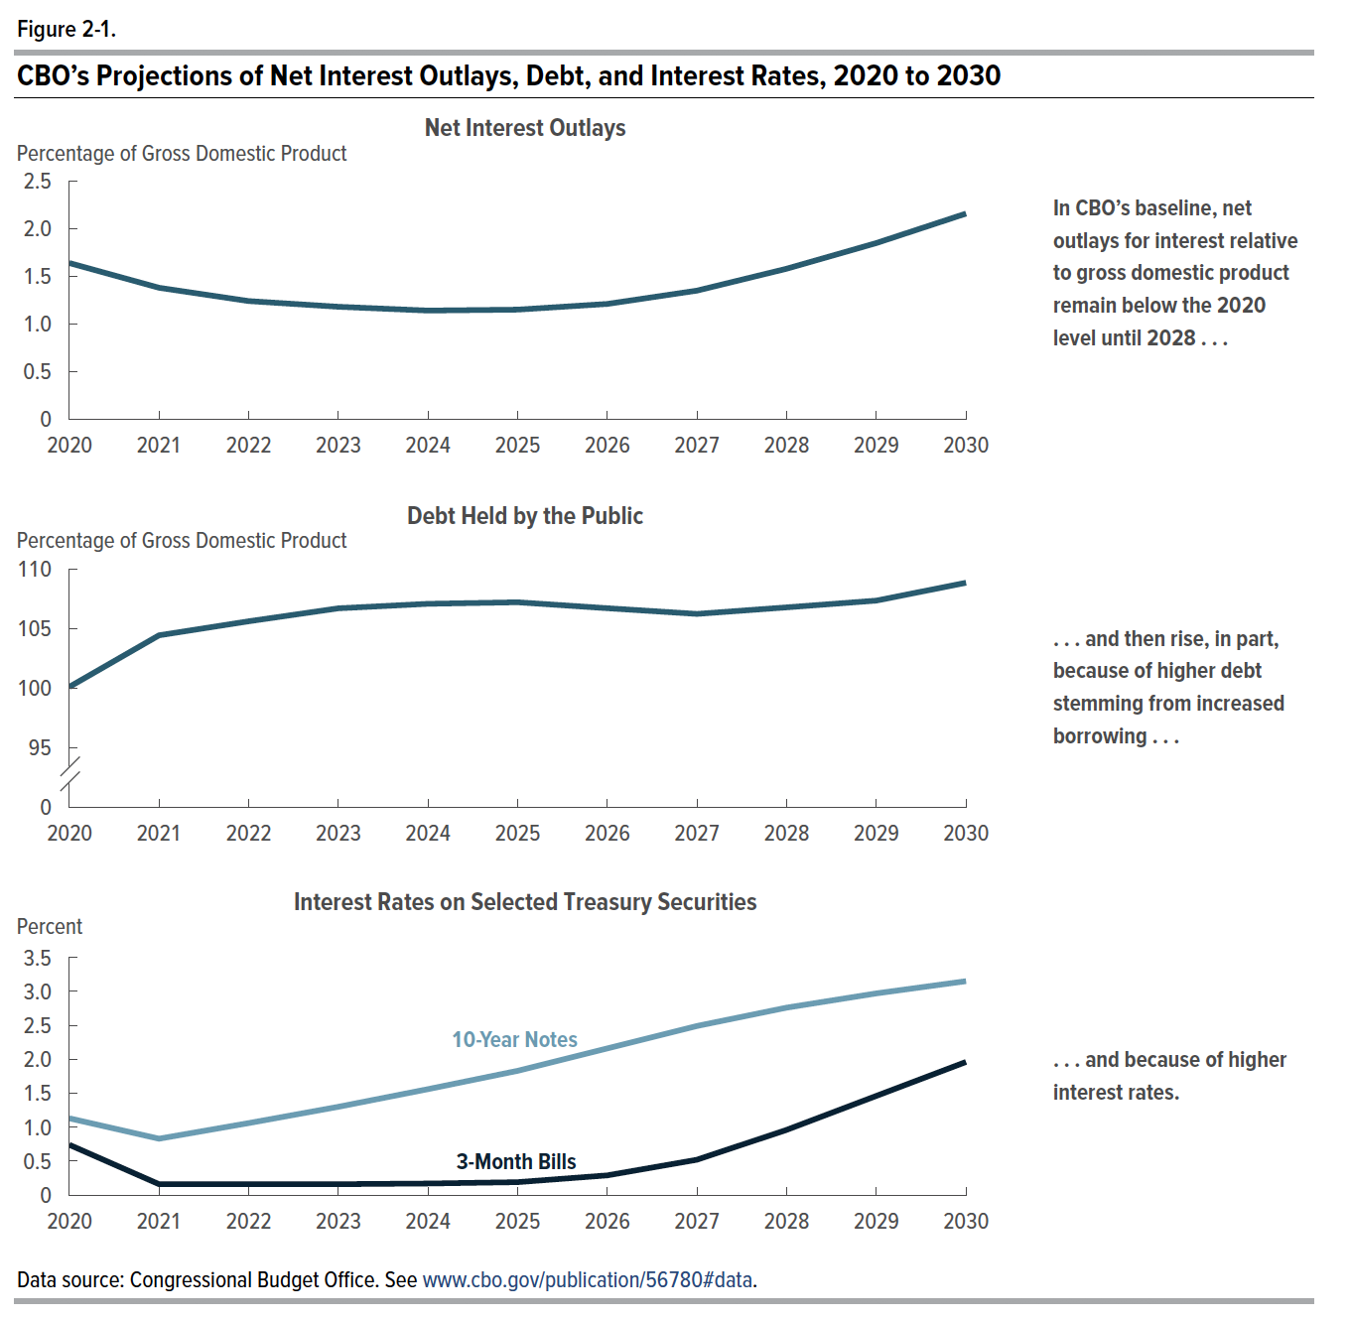
Figure 2-1. CBO’s Projections of Net Interest Outlays, Debt, and Interest Rates, 2020 to 2030

 |  |  | Interest Rates on Selected Treasury Securities
 | Net Interest Outlays (Percentage of Gross Domestic Product) | Debt Held by the Public (Percentage of Gross Domestic Product) | 3-Month Bills (Percent) | 10-Year Notes (Percent)
2020 | 1.64 | 100.11 | 0.74 | 1.13
2021 | 1.38 | 104.45 | 0.16 | 0.83
2022 | 1.24 | 105.63 | 0.16 | 1.06
2023 | 1.18 | 106.72 | 0.16 | 1.30
2024 | 1.14 | 107.10 | 0.17 | 1.56
2025 | 1.15 | 107.23 | 0.19 | 1.83
2026 | 1.21 | 106.73 | 0.29 | 2.16
2027 | 1.35 | 106.25 | 0.52 | 2.49
2028 | 1.58 | 106.80 | 0.96 | 2.76
2029 | 1.85 | 107.37 | 1.46 | 2.97
2030 | 2.16 | 108.87 | 1.96 | 3.15

Back to Table of Contents

Figure 2-2
This file presents the data underlying the figures in CBO's December 2020 report Federal Net Interest Costs: A Primer.
www.cbo.gov/publication/56780

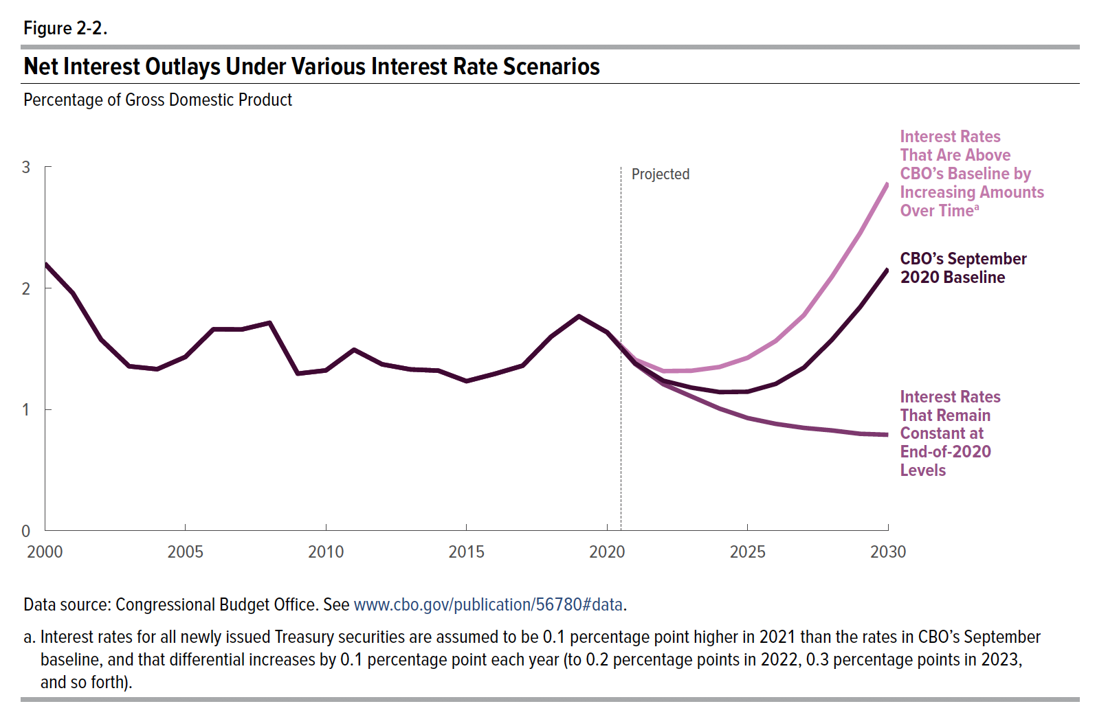
Figure 2-2. Net Interest Outlays Under Various Interest Rate Scenarios
Percentage of Gross Domestic Product

Year | Interest Rates That Are Above CBO’s Baseline by Increasing Amounts Over Time | CBO’s September 2020 Baseline | Interest Rates That Remain Constant at End-of-2020 Levels
2000 | 2.20 | 2.20 | 2.20
2001 | 1.96 | 1.96 | 1.96
2002 | 1.58 | 1.58 | 1.58
2003 | 1.36 | 1.36 | 1.36
2004 | 1.33 | 1.33 | 1.33
2005 | 1.43 | 1.43 | 1.43
2006 | 1.66 | 1.66 | 1.66
2007 | 1.66 | 1.66 | 1.66
2008 | 1.71 | 1.71 | 1.71
2009 | 1.30 | 1.30 | 1.30
2010 | 1.32 | 1.32 | 1.32
2011 | 1.49 | 1.49 | 1.49
2012 | 1.37 | 1.37 | 1.37
2013 | 1.33 | 1.33 | 1.33
2014 | 1.32 | 1.32 | 1.32
2015 | 1.23 | 1.23 | 1.23
2016 | 1.29 | 1.29 | 1.29
2017 | 1.36 | 1.36 | 1.36
2018 | 1.60 | 1.60 | 1.60
2019 | 1.77 | 1.77 | 1.77
2020 | 1.64 | 1.64 | 1.64
2021 | 1.41 | 1.38 | 1.38
2022 | 1.32 | 1.24 | 1.21
2023 | 1.32 | 1.18 | 1.11
2024 | 1.35 | 1.14 | 1.01
2025 | 1.43 | 1.15 | 0.93
2026 | 1.57 | 1.21 | 0.88
2027 | 1.78 | 1.35 | 0.85
2028 | 2.10 | 1.58 | 0.83
2029 | 2.45 | 1.84 | 0.80
2030 | 2.87 | 2.16 | 0.79

Back to Table of Contents

