Figure 1
This file presents the data underlying the figures and tables in CBO's October 2020 report The Cost of the Navy’s New Frigate.
www.cbo.gov/publication/56669

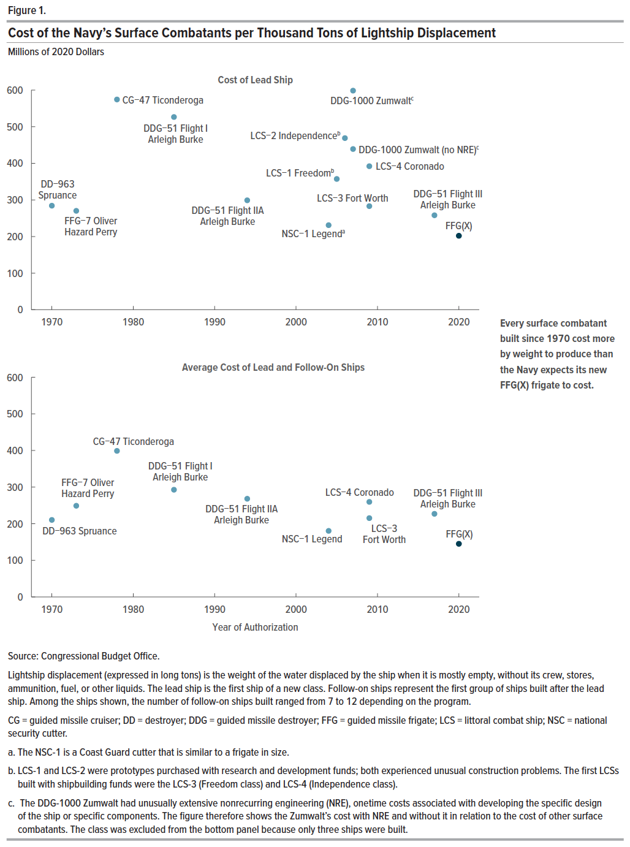
Figure 1. Cost of the Navy’s Surface Combatants per Thousand Tons of Lightship Displacement
Millions of 2020 Dollars

Ship | Year | Cost of Lead Ship | Average Cost of Lead and Follow-On Ships
DD-963 Spruance | 1970 | 284 | 210
FFG-7 Oliver Hazard Perry | 1973 | 270 | 249
CG-47 Ticonderoga | 1978 | 574 | 399
DDG-51 Flight I Arleigh Burke | 1985 | 526 | 293
DDG-51 Flight IIA Arleigh Burke | 1994 | 299 | 268
DDG-51 Flight III Arleigh Burke | 2017 | 258 | 227
NSC-1 Legend | 2004 | 231 | 180
LCS-1 Freedom | 2005 | 357 | 0
LCS-2 Independence | 2006 | 469 | 0
LCS-3 Fort Worth | 2009 | 283 | 215
LCS-4 Coronado | 2009 | 392 | 260
DDG-1000 Zumwalt (no NRE) | 2007 | 439 | 0
DDG-1000 Zumwalt | 2007 | 598 | 0
FFG(X) | 2020 | 202 | 145

Back to Table of Contents

Figure 2
This file presents the data underlying the figures and tables in CBO's October 2020 report The Cost of the Navy’s New Frigate.
www.cbo.gov/publication/56669

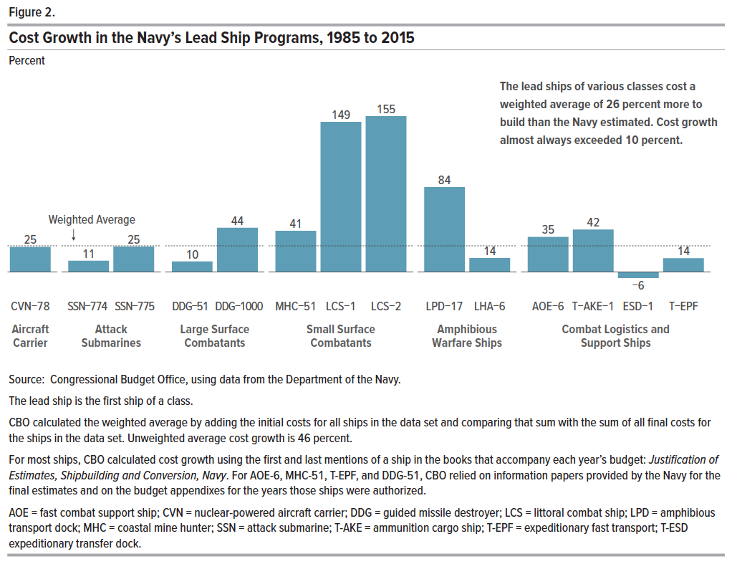
Figure 2. Cost Growth in the Navy’s Lead Ship Programs, 1985 to 2015
Percent

Ship | Cost Growth | Ship Type
CVN-78 | 25 | Aircraft Carrier
SSN-774 | 11 | Attack Submarines
SSN-775 | 25 | Attack Submarines
DDG-51 | 10 | Large Surface Combatants
DDG-1000 | 44 | Large Surface Combatants
MHC-51 | 41 | Small Surface Combatants
LCS-1 | 149 | Small Surface Combatants
LCS-2 | 155 | Small Surface Combatants
LPD-17 | 84 | Amphibious Warfare Ships
LHA-6 | 14 | Amphibious Warfare Ships
AOE-6 | 35 | Combat Logistics and Support Ships
T-AKE-1 | 42 | Combat Logistics and Support Ships
ESD-1 | -6 | Combat Logistics and Support Ships
T-EPF | 14 | Combat Logistics and Support Ships

Back to Table of Contents

Table 1
This file presents the data underlying the figures and tables in CBO's October 2020 report The Cost of the Navy’s New Frigate.
www.cbo.gov/publication/56669

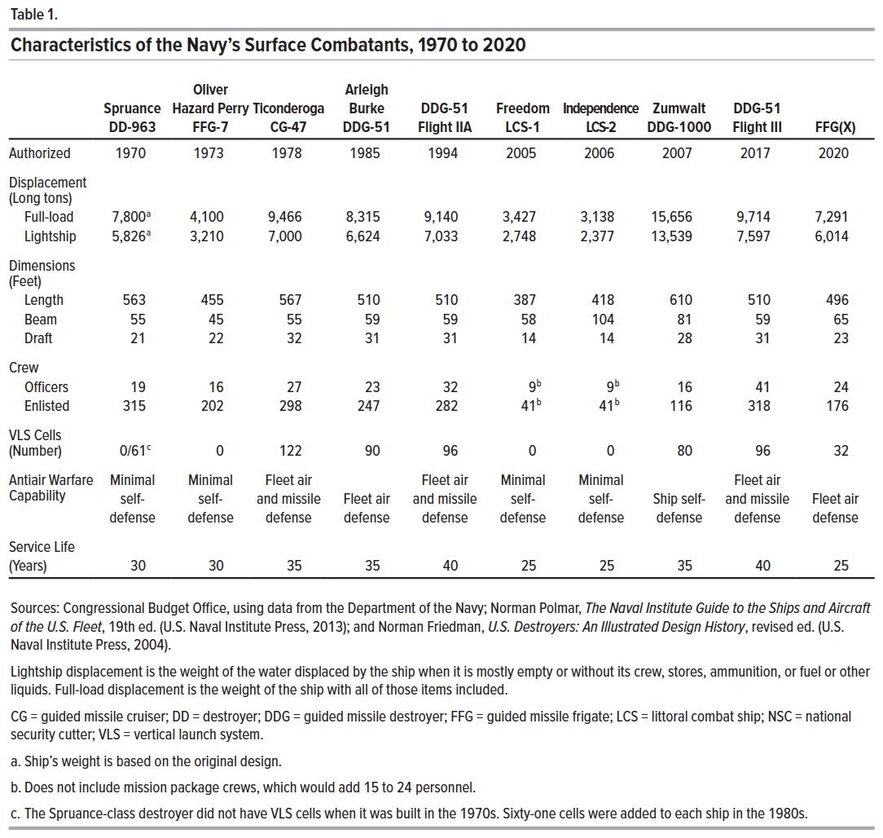
Table 1. Characteristics of the Navy’s Surface Combatants, 1970 to 2020

 | Spruance DD-963 | Oliver Hazard Perry FFG-7 | Ticonderoga CG-47 | Arleigh Burke DDG-51 | DDG-51 Flight IIA | Freedom LCS-1 | Independence LCS-2 | Zumwalt DDG-1000 | DDG-51 Flight III | FFG(X)
Authorized | 1970 | 1973 | 1978 | 1985 | 1994 | 2005 | 2006 | 2007 | 2017 | 2020
Displacement (Long tons)
Full-load | 7,800 | 4,100 | 9,466 | 8,315 | 9,140 | 3,427 | 3,138 | 15,656 | 9,714 | 7,291
Lightship | 5,826 | 3,210 | 7,000 | 6,624 | 7,033 | 2,748 | 2,377 | 13,539 | 7,597 | 6,014
Dimensions (Feet)
Length | 563 | 455 | 567 | 510 | 510 | 387 | 418 | 610 | 510 | 496
Beam | 55 | 45 | 55 | 59 | 59 | 58 | 104 | 81 | 59 | 65
Draft | 21 | 22 | 32 | 31 | 31 | 14 | 14 | 28 | 31 | 23
Crew
Officers | 19 | 16 | 27 | 23 | 32 | 9 | 9 | 16 | 41 | 24
Enlisted | 315 | 202 | 298 | 247 | 282 | 41 | 41 | 116 | 318 | 176
VLS Cells (Number) | 0/61 | 0 | 122 | 90 | 96 | 0 | 0 | 80 | 96 | 32
Antiair Warfare Capability | Minimal self-defense | Minimal self-defense | Fleet air and missile defense | Fleet air defense | Fleet air and missile defense | Minimal self-defense | Minimal self-defense | Ship self-defense | Fleet air and missile defense | Fleet air defense
Service Life (Years) | 30 | 30 | 35 | 35 | 40 | 25 | 25 | 35 | 40 | 25

Back to Table of Contents

Table 2
This file presents the data underlying the figures and tables in CBO's October 2020 report The Cost of the Navy’s New Frigate.
www.cbo.gov/publication/56669

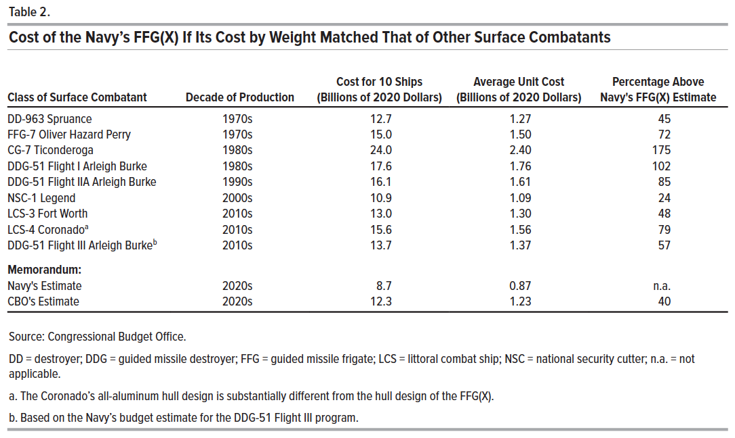
Table 2. Cost of the Navy’s FFG(X) If Its Cost by Weight Matched That of Other Surface Combatants

Class of Surface Combatant | Decade of Production | Cost for 10 Ships (Billions of 2020 Dollars) | Average Unit Cost (Billions of 2020 Dollars) | Percentage Above Navy's FFG(X) Estimate
DD-963 Spruance | 1970s | 12.7 | 1.27 | 45
FFG-7 Oliver Hazard Perry | 1970s | 15.0 | 1.50 | 72
CG-7 Ticonderoga | 1980s | 24.0 | 2.40 | 175
DDG-51 Flight I Arleigh Burke | 1980s | 17.6 | 1.76 | 102
DDG-51 Flight IIA Arleigh Burke | 1990s | 16.1 | 1.61 | 85
NSC-1 Legend | 2000s | 10.9 | 1.09 | 24
LCS-3 Fort Worth | 2010s | 13.0 | 1.30 | 48
LCS-4 Coronado | 2010s | 15.6 | 1.56 | 79
DDG-51 Flight III Arleigh Burke | 2010s | 13.7 | 1.37 | 57
Memorandum:
Navy's Estimate | 2020s | 8.7 | 0.87 | n.a.
CBO's Estimate | 2020s | 12.3 | 1.23 | 40

Back to Table of Contents

