Figure 1
This file presents the data underlying the figures in CBO's September 2020 report Who Went Without Health Insurance in 2019, and Why?
www.cbo.gov/publication/56504

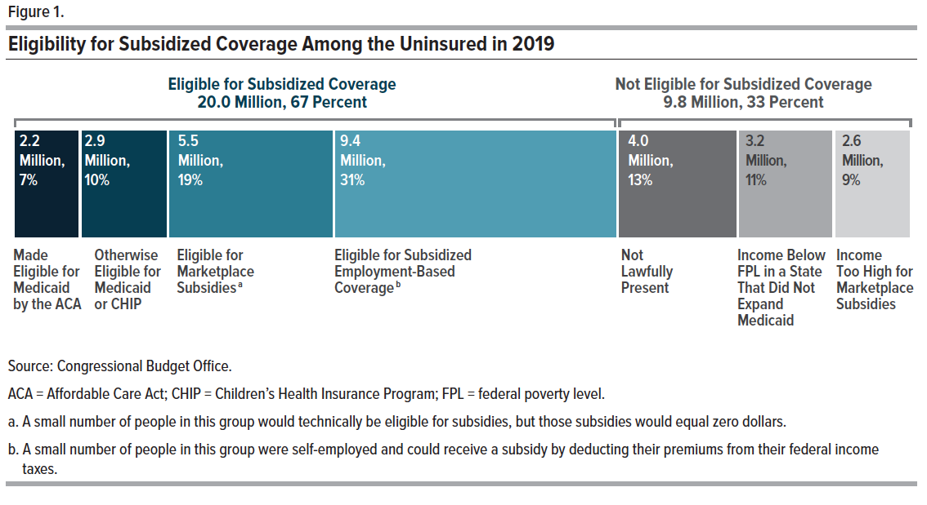
Figure 1. Eligibility for Subsidized Coverage Among the Uninsured in 2019
Millions of people
 |  | Uninsured
Major Category | Subcategory | in 2019
Eligible for Subsidized Coverage | Made eligible for Medicaid by the ACA | 2.2
Eligible for Subsidized Coverage | Otherwise Eligible for Medicaid or CHIP | 2.9
Eligible for Subsidized Coverage | Eligible for Marketplace Subsidies | 5.5
Eligible for Subsidized Coverage | Eligible for Subsidized Employment-Based Coverage | 9.4
Not Eligible for Subsidized Coverage | Not Lawfully Present | 4.0
Not Eligible for Subsidized Coverage | Income Below FPL in a State That Did Not Expand Medicaid | 3.2
Not Eligible for Subsidized Coverage | Income Too High for Marketplace Subsidies | 2.6

Back to Table of Contents

Figure 3
This file presents the data underlying the figures in CBO's September 2020 report Who Went Without Health Insurance in 2019, and Why?
www.cbo.gov/publication/56504

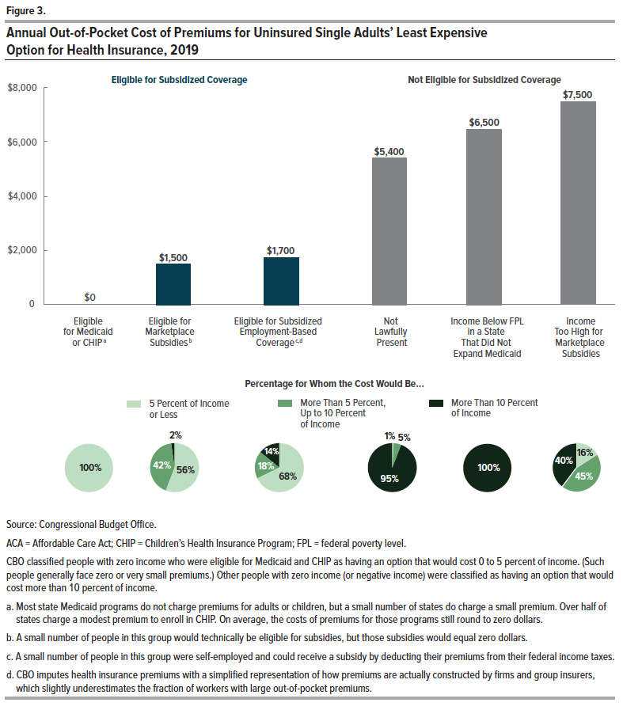
Figure 3. Annual Out-of-Pocket Cost of Premiums for Uninsured Single Adults’ Least Expensive Option for Health Insurance, 2019

 |  | Average Cost | Percentage of Individuals for Whom the Cost Would Be…
 |  | After Taxes and Subsidies
 |  |  | 5 Percent of | More Than 5 Percent, | More Than
Major Category | Subcategory | (in 2019 dollars) | Income or Less | Up to 10 Percent | 10 Percent
Eligible for Subsidized Coverage | Eligible for Medicaid or CHIP | 0 | 100.0 | 0.0 | 0.0
Eligible for Subsidized Coverage | Eligible for Marketplace Subsidies | 1,500 | 56.3 | 41.7 | 2.0
Eligible for Subsidized Coverage | Eligible for Subsidized Employment-Based Coverage | 1,700 | 67.6 | 18.4 | 13.9
Not Eligible for Subsidized Coverage | Not Lawfully Present | 5,400 | 0.9 | 4.5 | 94.6
Not Eligible for Subsidized Coverage | Income Below FPL in a State That Did Not Expand Medicaid | 6,500 | 0.0 | 0.0 | 100.0
Not Eligible for Subsidized Coverage | Income Too High for Marketplace Subsidies | 7,500 | 15.8 | 44.6 | 39.6

Back to Table of Contents

