Figure 1
This file presents data shown in the tables and underlying the figures in CBO’s August 2019 report Budgetary Outcomes Under Alternative Assumptions About Fiscal Policy.
www.cbo.gov/publication/55580

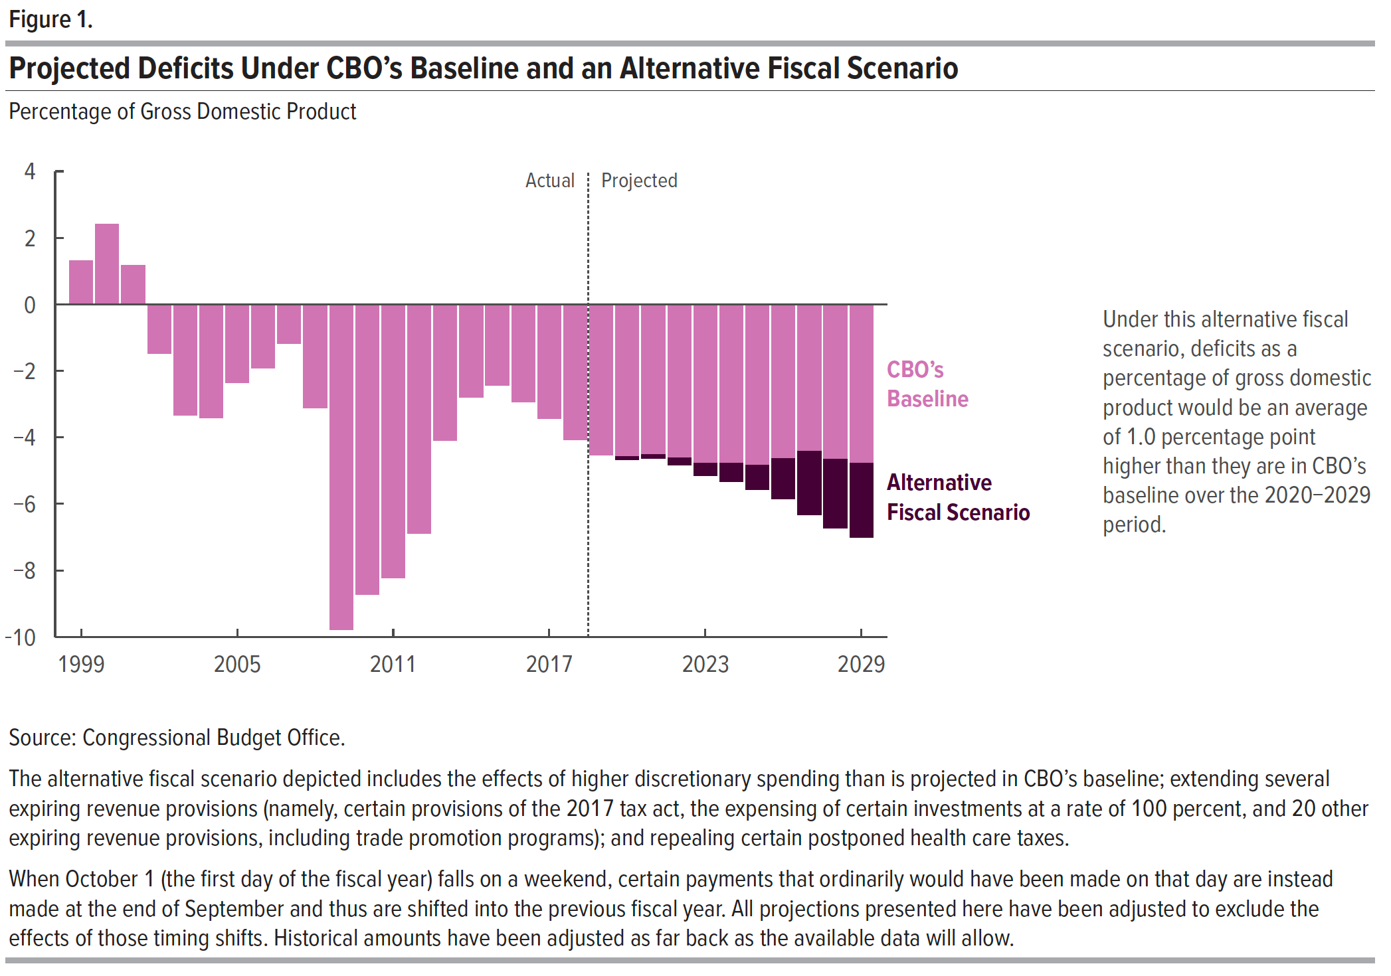
Figure 1. Projected Deficits Under CBO's Baseline and an Alternative Fiscal Scenario
Percentage of Gross Domestic Product

 | Deficits in CBO's August 2019 Baseline | Effect of an Alternative Fiscal Scenario

1999 | 1.3
2000 | 2.4
2001 | 1.2
2002 | -1.5
2003 | -3.3
2004 | -3.4
2005 | -2.4
2006 | -1.9
2007 | -1.2
2008 | -3.1
2009 | -9.8
2010 | -8.7
2011 | -8.2
2012 | -6.9
2013 | -4.1
2014 | -2.8
2015 | -2.4
2016 | -2.9
2017 | -3.4
2018 | -4.1
2019 | -4.5
2020 | -4.6 | -0.1
2021 | -4.5 | -0.1
2022 | -4.6 | -0.2
2023 | -4.8 | -0.4
2024 | -4.8 | -0.5
2025 | -4.8 | -0.7
2026 | -4.6 | -1.2
2027 | -4.4 | -1.9
2028 | -4.7 | -2.1
2029 | -4.8 | -2.2

Source: Congressional Budget Office.

Back to Table of Contents

Figure 2
This file presents data shown in the tables and underlying the figures in CBO’s August 2019 report Budgetary Outcomes Under Alternative Assumptions About Fiscal Policy.
www.cbo.gov/publication/55580

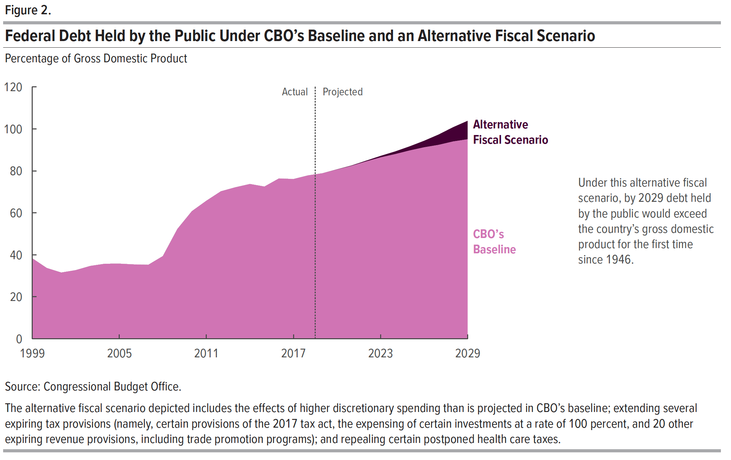
Figure 2. Federal Debt Held by the Public Under CBO's Baseline and an Alternative Fiscal Scenario
Percentage of Gross Domestic Product

 | Debt in CBO's August 2019 Baseline | Effect of an Alternative Fiscal Scenario

1999 | 38.3
2000 | 33.7
2001 | 31.5
2002 | 32.7
2003 | 34.7
2004 | 35.7
2005 | 35.8
2006 | 35.4
2007 | 35.2
2008 | 39.4
2009 | 52.3
2010 | 60.8
2011 | 65.8
2012 | 70.3
2013 | 72.2
2014 | 73.7
2015 | 72.5
2016 | 76.4
2017 | 76.1
2018 | 77.8
2019 | 78.9
2020 | 80.7 | 0.1
2021 | 82.4 | 0.2
2022 | 84.5 | 0.4
2023 | 86.4 | 0.8
2024 | 88.0 | 1.3
2025 | 89.7 | 2.0
2026 | 91.2 | 3.1
2027 | 92.4 | 4.9
2028 | 94.0 | 6.8
2029 | 95.1 | 8.8

Source: Congressional Budget Office.

Back to Table of Contents

