Figure 1
This file presents the data underlying the tables and figures in CBO's May 2019 report An Analysis of the President's 2020 Budget.
www.cbo.gov/publication/55195

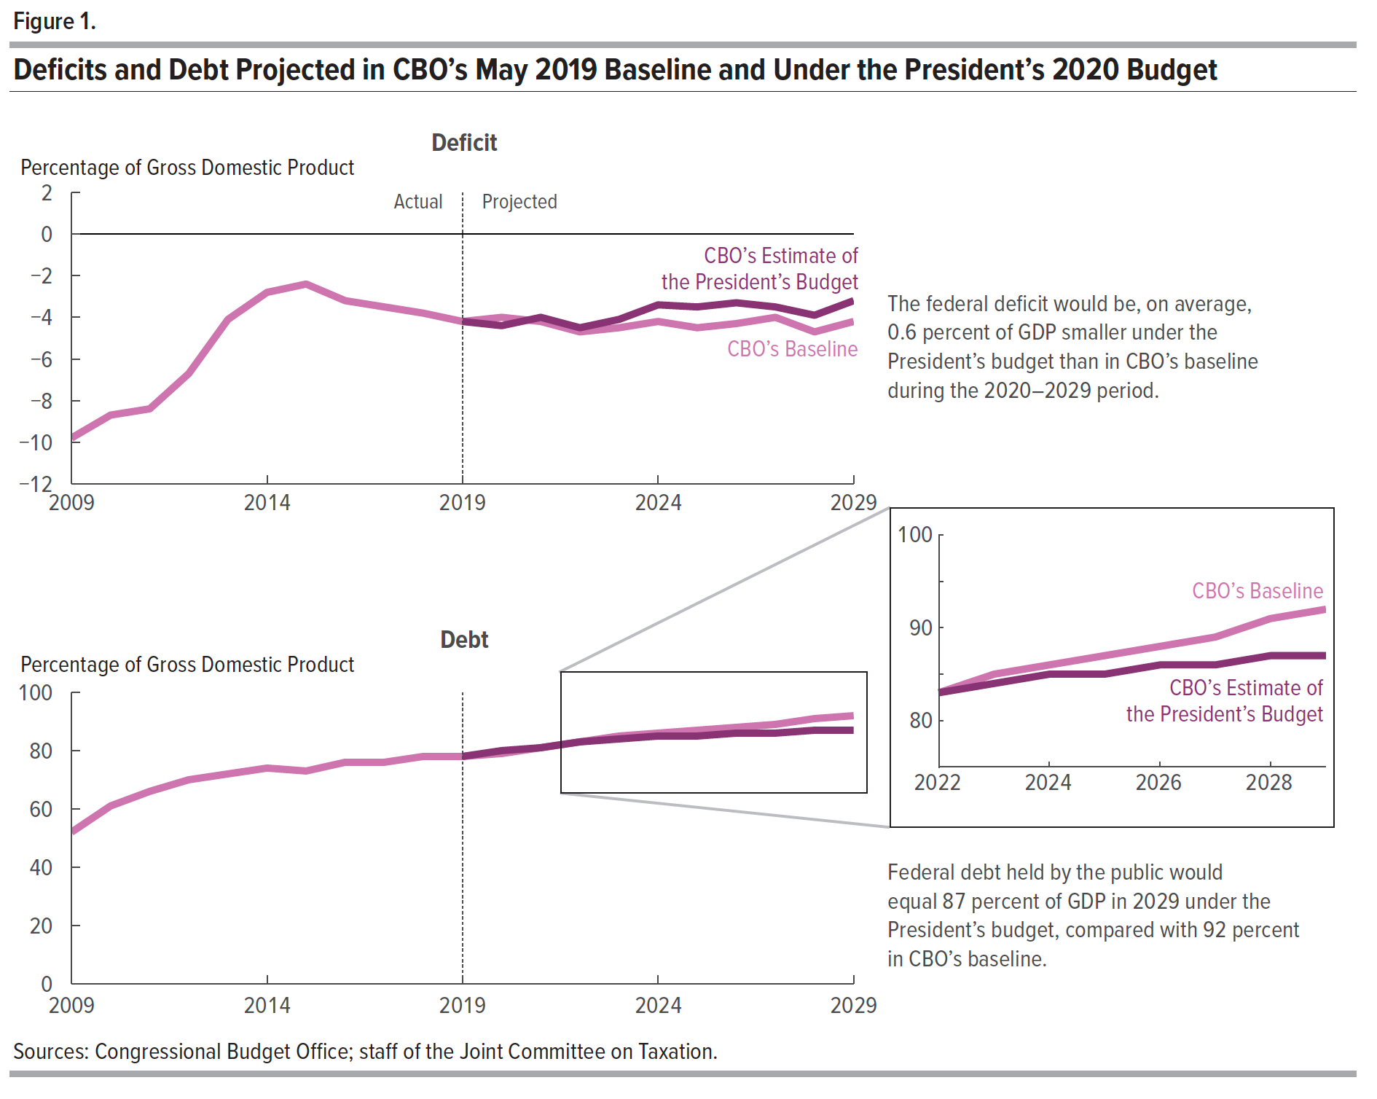
Figure 1. Deficits and Debt Projected in CBO’s May 2019 Baseline and Under the President’s 2020 Budget
Percentage of Gross Domestic Product
 | Deficits in CBO's Baseline | Deficits Under the President's Budget | Federal Debt Held by the Public in CBO's Baseline | Federal Debt Held by the Public Under the President's Budget

2009 | -9.8 |  | 52.3
2010 | -8.7 |  | 60.8
2011 | -8.4 |  | 65.8
2012 | -6.7 |  | 70.3
2013 | -4.1 |  | 72.2
2014 | -2.8 |  | 73.7
2015 | -2.4 |  | 72.5
2016 | -3.2 |  | 76.4
2017 | -3.5 |  | 76.1
2018 | -3.9 |  | 77.8
2019 | -4.2 | -4.2 | 78.2 | 78.2
2020 | -4.0 | -4.4 | 79.5 | 79.8
2021 | -4.2 | -4.0 | 81.0 | 81.2
2022 | -4.7 | -4.5 | 83.1 | 83.1
2023 | -4.5 | -4.1 | 84.8 | 84.3
2024 | -4.2 | -3.5 | 85.9 | 84.8
2025 | -4.5 | -3.5 | 87.2 | 85.3
2026 | -4.3 | -3.4 | 88.5 | 85.8
2027 | -4.0 | -3.5 | 89.4 | 86.4
2028 | -4.7 | -3.9 | 90.8 | 87.2
2029 | -4.2 | -3.3 | 91.8 | 87.4

Sources: Congressional Budget Office; staff of the Joint Committee on Taxation.

Back to Table of Contents

Figure 2
This file presents the data underlying the tables and figures in CBO's May 2019 report An Analysis of the President's 2020 Budget.
www.cbo.gov/publication/55195

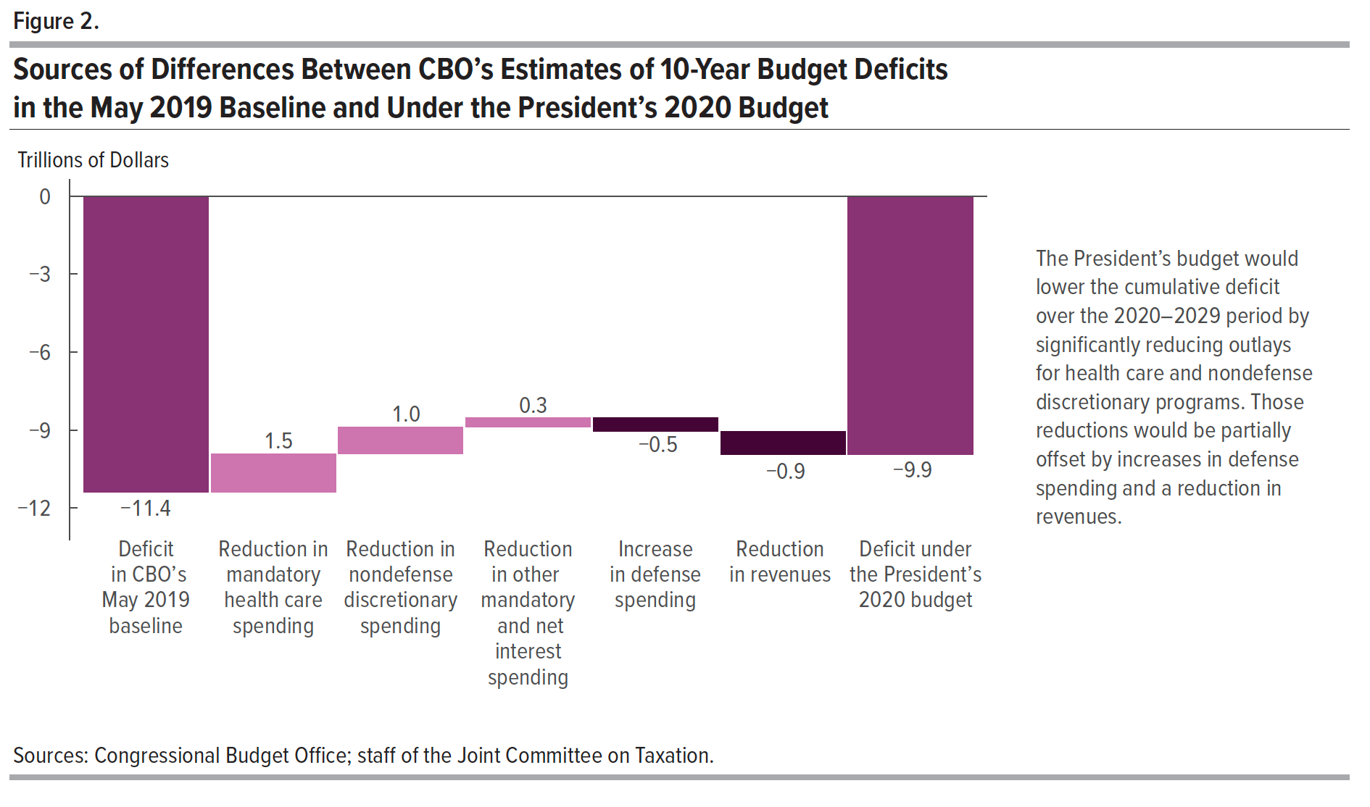
Figure 2. Sources of Differences Between CBO’s Estimates of 10-Year Budget Deficits in the May 2019 Baseline and Under the President’s 2020 Budget
Trillions of Dollars
 | Deficit in CBO's May 2019 baseline | Reduction in mandatory health care spending | Reduction in nondefense discretionary spending | Reduction in other mandatory and net interest spending | Increase in defense spending | Reduction in revenues | Deficit under the President's 2020 budget

Deficit | -11.4 |  |  |  |  |  | -9.9
Increase (-) or decrease in the deficit |  | 1.5 | 1.0 | 0.3 | -0.5 | -0.9

Sources: Congressional Budget Office; staff of the Joint Committee on Taxation.

Back to Table of Contents

