Figure 1
This file presents data underlying the figures in CBO's March 2018 report, Comparing a 355-Ship Fleet to Smaller Naval Forces, www.cbo.gov/publication/53637.

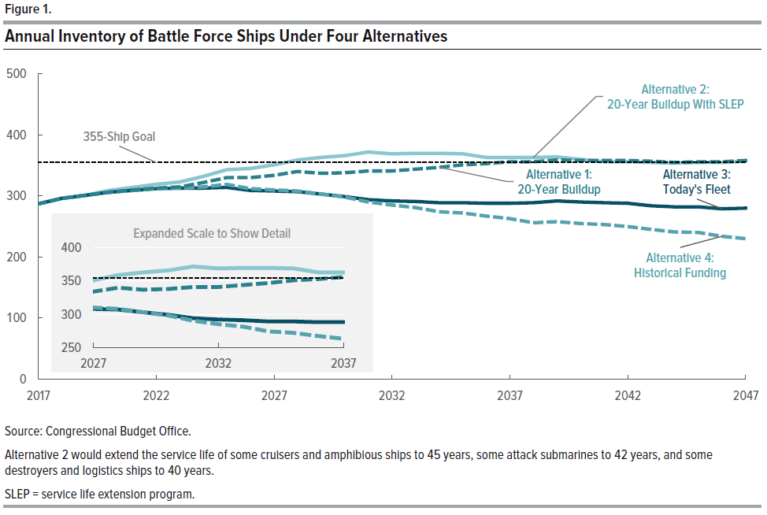
Figure 1.
Annual Inventory of Battle Force Ships Under Four Alternatives

 | 2017 | 2018 | 2019 | 2020 | 2021 | 2022 | 2023 | 2024 | 2025 | 2026 | 2027 | 2028 | 2029 | 2030 | 2031 | 2032 | 2033 | 2034 | 2035 | 2036 | 2037 | 2038 | 2039 | 2040 | 2041 | 2042 | 2043 | 2044 | 2045 | 2046 | 2047
Alternative 1: 20-Year Buildup | 280 | 296 | 301 | 306 | 310 | 313 | 315 | 322 | 330 | 330 | 334 | 340 | 337 | 338 | 341 | 341 | 344 | 347 | 351 | 353 | 356 | 356 | 359 | 358 | 358 | 358 | 357 | 355 | 356 | 356 | 358
Alternative 2: 20-Year Buildup With SLEP | 280 | 296 | 301 | 309 | 314 | 319 | 323 | 332 | 343 | 345 | 351 | 359 | 363 | 366 | 372 | 369 | 370 | 370 | 369 | 363 | 363 | 363 | 364 | 360 | 356 | 356 | 355 | 354 | 355 | 355 | 357
Alternative 3: Today's Fleet | 280 | 296 | 301 | 306 | 309 | 312 | 313 | 313 | 314 | 309 | 308 | 307 | 303 | 299 | 294 | 292 | 291 | 289 | 289 | 288 | 288 | 289 | 292 | 290 | 289 | 288 | 284 | 282 | 282 | 279 | 280
Alternative 4: Historical Funding | 280 | 296 | 301 | 306 | 309 | 312 | 313 | 315 | 319 | 312 | 310 | 308 | 303 | 298 | 290 | 285 | 281 | 274 | 272 | 267 | 263 | 256 | 258 | 255 | 253 | 250 | 245 | 241 | 240 | 234 | 230
355-Ship Goal | 355 | 355 | 355 | 355 | 355 | 355 | 355 | 355 | 355 | 355 | 355 | 355 | 355 | 355 | 355 | 355 | 355 | 355 | 355 | 355 | 355 | 355 | 355 | 355 | 355 | 355 | 355 | 355 | 355 | 355 | 355

Source: Congressional Budget Office.
Alternative 2 would extend the service life of some cruisers and amphibious ships to 45 years, some attack submarines to 42 years, and some destroyers and logistics ships to 40 years.
SLEP = service life extension program.

Figure 2
This file presents data underlying the figures in CBO's March 2018 report, Comparing a 355-Ship Fleet to Smaller Naval Forces, www.cbo.gov/publication/53637.

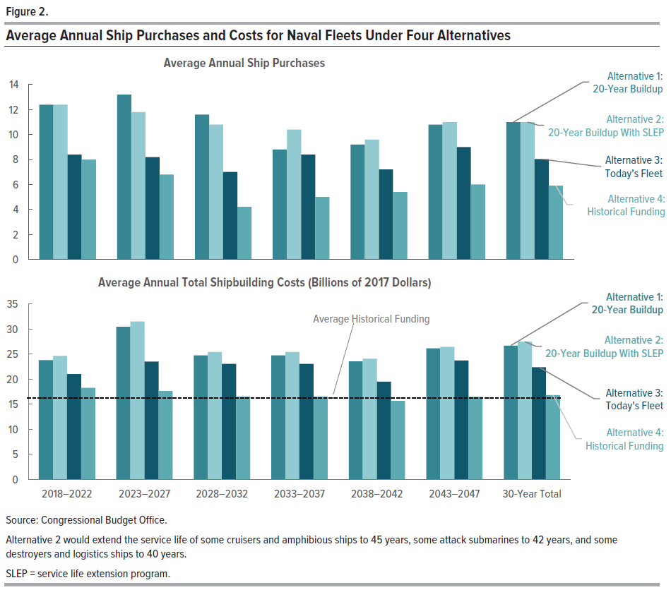
Figure 2.
Average Annual Shp Purchases and Costs for Naval Fleets Under Four Alternatives

Top Panel

Average Annual Ship Purchases

 | 2018-2022 | 2023-2027 | 2028-2032 | 2033-2037 | 2038-2042 | 2043-2047 | 30-Year Total
Alternative 1: 20-Year Buildup | 12.4 | 13.2 | 11.6 | 8.8 | 9.2 | 10.8 | 11.0
Alternative 2: 20-Year Buildup With SLEP | 12.4 | 11.8 | 10.8 | 10.4 | 9.6 | 11.0 | 11.0
Alternative 3: Today's Fleet | 8.4 | 8.2 | 7.0 | 8.4 | 7.2 | 9.0 | 8.0
Alternative 4: Historical Funding | 8.0 | 6.8 | 4.2 | 5.0 | 5.4 | 6.0 | 5.9

Bottom Panel

Average Annual Total Shipbuilding Costs
Billions of 2017 Dollars

 | 2018-2022 | 2023-2027 | 2028-2032 | 2033-2037 | 2038-2042 | 2043-2047 | 30-Year Total

Alternative 1: 20-Year Buildup | 23.8 | 30.4 | 24.7 | 24.7 | 23.5 | 26.1 | 26.7
Alternative 2: 20-Year Buildup With SLEP | 24.6 | 31.5 | 25.4 | 25.4 | 24.1 | 26.4 | 27.5
Alternative 3: Today's Fleet | 21.0 | 23.5 | 23.0 | 23.0 | 19.5 | 23.7 | 22.4
Alternative 4: Historical Funding | 18.3 | 17.7 | 16.5 | 16.5 | 15.7 | 16.5 | 16.8
Average Annual Funding | 16.3 | 16.3 | 16.3 | 16.3 | 16.3 | 16.3 | 16.3

Source: Congressional Budget Office.
Alternative 2 would extend the service life of some cruisers and amphibious ships to 45 years, some attack submarines to 2 years, and some destroyers and logistics ships to 40 years.
SLEP = service life extension program.

Figure 3
This file presents data underlying the figures in CBO's March 2018 report, Comparing a 355-Ship Fleet to Smaller Naval Forces, www.cbo.gov/publication/53637.

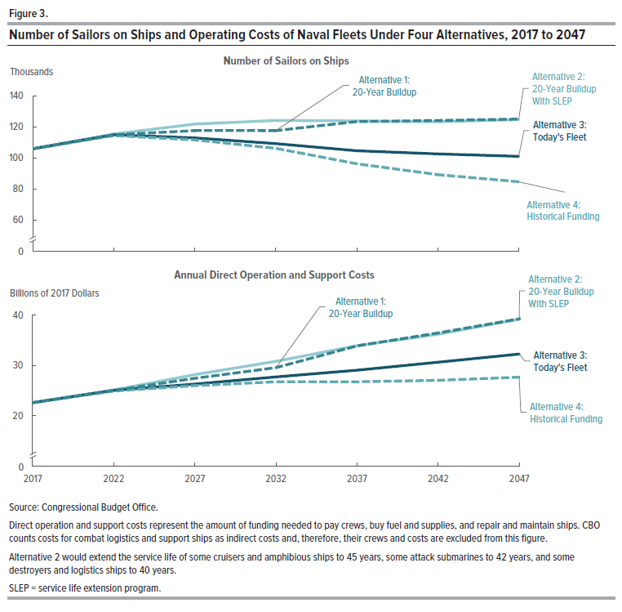
Figure 3.
Number of Sailors on Ships and Operating Costs of Naval Fleets Under Four Alternatives, 2017 to 2047

Top Panel
Number of Sailors on Ships
Thousands

 | 2017 | 2022 | 2027 | 2032 | 2037 | 2042 | 2047
Alternative 1: 20-Year Buildup | 106 | 115 | 118 | 118 | 123 | 124 | 125
Alternative 2: 20-Year Buildup With SLEP | 106 | 115 | 122 | 124 | 124 | 123 | 125
Alternative 3: Today's Fleet | 106 | 115 | 113 | 109 | 105 | 103 | 101
Alternative 4: Historical Funding | 106 | 114 | 112 | 106 | 96 | 89 | 85

Bottom Panel
Annual Direct Operating Costs
Billions of 2017 Dollars

Alternative 1: 20-Year Buildup | 23 | 25 | 27 | 30 | 34 | 36 | 39
Alternative 2: 20-Year Buildup With SLEP | 23 | 25 | 28 | 31 | 34 | 36 | 39
Alternative 3: Today's Fleet | 23 | 25 | 26 | 28 | 29 | 31 | 32
Alternative 4: Historical Funding | 23 | 25 | 26 | 27 | 27 | 27 | 28

Source: Congressional Budget Office.
Direct operation and support costs represent the amount of funding needed to pay crews, buy fuel and supplies, and repair and maintain the ships. CBO counts costs for combat logistics and support ships as indirect costs and, therefore, their crews and costs are excluded from this figure.
Alternative 2 would extend the service life of some cruisers and amphibious ships to 45 years, some attack submarines to 42 years, and some destroyers and logistics ships to 40 years.
SLEP = service life extension program.

Figure 4
This file presents data underlying the figures in CBO's March 2018 report, Comparing a 355-Ship Fleet to Smaller Naval Forces, www.cbo.gov/publication/53637.

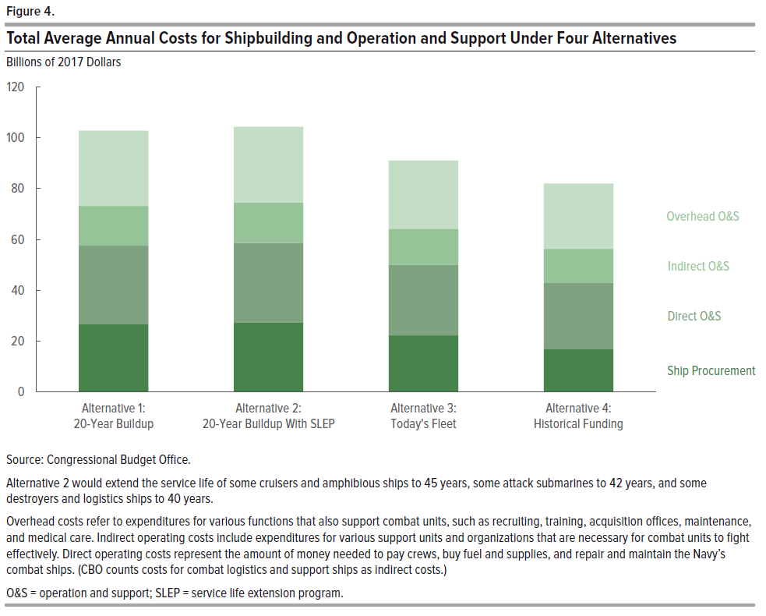
Figure 4.
Total Average Annual Costs for Shipbuilding and Operation and Support Under Four Alternatives

 | Ship Procurement | Direct O&S | Indirect O&S | Overhead O&S
Alternative 1: 20-Year Buildup | 26.7 | 30.9 | 15.6 | 29.6
Alternative 2: 20-Year Buildup With SLEP | 27.5 | 31.2 | 15.8 | 29.9
Alternative 3: Today's Fleet | 22.3 | 27.7 | 14.2 | 26.9
Alternative 4: Historical Funding | 16.8 | 26.2 | 13.4 | 25.6

Source: Congressional Budget Office.
Alternative 2 would extend the service life of some cruisers and amphibious ships to 45 years, some attack submarines to 42 years, and some destroyers and logistics ships to 40 years.
Overhead costs refer to expenditures for various functions that also support combat units, such as recruiting, training, acquisition offices, maintenance, and medical care. Indirect operating costs include expenditures for various support units and organizations that are necessary for combat units to fight effectively. Direct operating costs represent the amount of money needed to pay crews, buy fuel and supplies, and repair and maintain the Navy’s combat ships. (CBO counts costs for combat logistics and support ships as indirect costs.)
O&S = operation and support; SLEP = service life extension program.

Figure 5
This file presents data underlying the figures in CBO's March 2018 report, Comparing a 355-Ship Fleet to Smaller Naval Forces, www.cbo.gov/publication/53637.

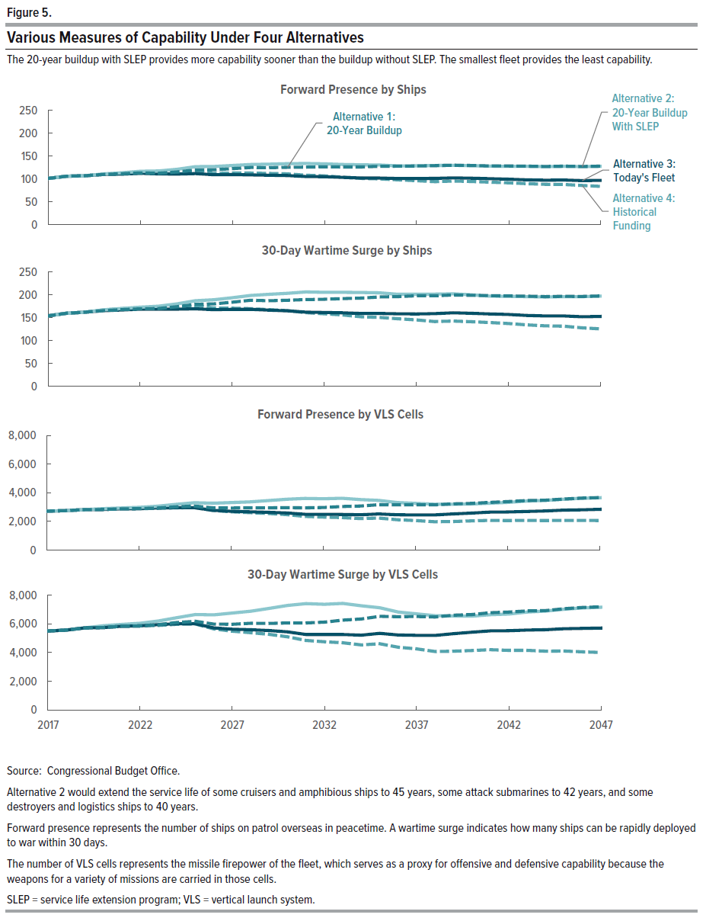
Figure 5.
Various Measures of Capability Under Four Alternatives

 | 2017 | 2018 | 2019 | 2020 | 2021 | 2022 | 2023 | 2024 | 2025 | 2026 | 2027 | 2028 | 2029 | 2030 | 2031 | 2032 | 2033 | 2034 | 2035 | 2036 | 2037 | 2038 | 2039 | 2040 | 2041 | 2042 | 2043 | 2044 | 2045 | 2046 | 2047
Forward Presence by Ships
Alternative 1: 20-Year Buildup | 101 | 106 | 107 | 110 | 111 | 113 | 112 | 115 | 120 | 120 | 122 | 125 | 124 | 125 | 125 | 126 | 126 | 126 | 127 | 128 | 128 | 129 | 130 | 129 | 128 | 128 | 128 | 127 | 128 | 127 | 128
Alternative 2: 20-Year Buildup With SLEP | 101 | 106 | 107 | 111 | 113 | 116 | 117 | 121 | 127 | 127 | 129 | 131 | 132 | 133 | 133 | 133 | 131 | 130 | 130 | 128 | 128 | 129 | 130 | 129 | 128 | 127 | 127 | 127 | 127 | 127 | 127
Alternative 3: Today's Fleet | 101 | 106 | 107 | 110 | 110 | 112 | 111 | 110 | 112 | 109 | 109 | 109 | 108 | 107 | 105 | 105 | 103 | 102 | 102 | 101 | 100 | 101 | 102 | 101 | 100 | 99 | 98 | 97 | 97 | 96 | 97
Alternative 4 Historical Funding | 101 | 106 | 107 | 110 | 111 | 112 | 112 | 112 | 115 | 112 | 113 | 112 | 112 | 111 | 108 | 106 | 104 | 101 | 100 | 98 | 96 | 94 | 95 | 94 | 93 | 91 | 90 | 88 | 88 | 85 | 83

30-Day Wartime Surge
by Ships
Alternative 1: 20-Year Buildup | 154 | 160 | 162 | 166 | 168 | 169 | 170 | 174 | 179 | 180 | 184 | 188 | 187 | 188 | 190 | 190 | 192 | 193 | 195 | 196 | 198 | 198 | 200 | 199 | 198 | 198 | 197 | 196 | 197 | 197 | 198
Alternative 2: 20-Year Buildup With SLEP | 154 | 160 | 162 | 167 | 170 | 173 | 175 | 180 | 187 | 189 | 194 | 199 | 201 | 203 | 206 | 205 | 205 | 205 | 205 | 201 | 201 | 202 | 202 | 200 | 197 | 197 | 196 | 196 | 196 | 196 | 197
Alternative 3: Today's Fleet | 154 | 160 | 162 | 166 | 167 | 169 | 169 | 169 | 170 | 168 | 168 | 168 | 167 | 165 | 162 | 162 | 161 | 159 | 159 | 159 | 158 | 159 | 161 | 160 | 158 | 157 | 155 | 154 | 154 | 152 | 153
Alternative 4 Historical Funding | 154 | 160 | 162 | 167 | 170 | 172 | 172 | 173 | 176 | 171 | 171 | 170 | 168 | 166 | 161 | 159 | 156 | 152 | 151 | 148 | 146 | 142 | 143 | 141 | 140 | 137 | 134 | 132 | 132 | 128 | 126

Forward Presence by VLS Cells
20-Year Buildup | 2,700 | 2,700 | 2,800 | 2,800 | 2,900 | 2,900 | 2,900 | 3,000 | 3,100 | 2,900 | 2,900 | 2,900 | 2,900 | 2,900 | 2,900 | 3000 | 3,000 | 3,100 | 3,200 | 3,200 | 3,200 | 3,200 | 3,200 | 3,300 | 3,300 | 3,400 | 3,400 | 3,500 | 3,600 | 3,600 | 3700
20-Year Buildup with SLEP | 2,700 | 2,700 | 2,800 | 2,900 | 2,900 | 3,000 | 3,000 | 3,200 | 3,300 | 3,300 | 3,300 | 3,400 | 3,400 | 3,500 | 3,600 | 3600 | 3,600 | 3,500 | 3,500 | 3,300 | 3,300 | 3,200 | 3,200 | 3,200 | 3,300 | 3,300 | 3,400 | 3,500 | 3,500 | 3,600 | 3600
Today's Fleet | 2,700 | 2,700 | 2,800 | 2,800 | 2,900 | 2,900 | 2,900 | 3,000 | 2,900 | 2,800 | 2,700 | 2,700 | 2,600 | 2,600 | 2,500 | 2500 | 2,500 | 2,500 | 2,500 | 2,500 | 2,400 | 2,400 | 2,500 | 2,600 | 2,600 | 2,700 | 2,700 | 2,700 | 2,800 | 2,800 | 2800
Historical Funding | 2,700 | 2,700 | 2,800 | 2,800 | 2,900 | 2,900 | 2,900 | 2,900 | 3,000 | 2,800 | 2,700 | 2,600 | 2,500 | 2,500 | 2,300 | 2300 | 2,300 | 2,200 | 2,200 | 2,100 | 2,000 | 2,000 | 2,000 | 2,000 | 2,100 | 2,100 | 2,100 | 2,100 | 2,100 | 2,100 | 2000

30-Day Wartime Surge
of VLS Cells
20-Year Buildup | 5,500 | 5,600 | 5,700 | 5,700 | 5,800 | 5,900 | 5,900 | 6,100 | 6,200 | 6,000 | 6,000 | 6,000 | 6,000 | 6,100 | 6,100 | 6100 | 6,300 | 6,300 | 6,500 | 6,500 | 6,500 | 6,500 | 6,600 | 6,700 | 6,800 | 6,800 | 6,900 | 6,900 | 7,100 | 7,100 | 7200
20-Year Buildup with SLEP | 5,500 | 5,600 | 5,700 | 5,900 | 6,000 | 6,000 | 6,200 | 6,400 | 6,600 | 6,600 | 6,700 | 6,900 | 7,100 | 7,300 | 7,400 | 7400 | 7,400 | 7,300 | 7,100 | 6,800 | 6,700 | 6,600 | 6,500 | 6,500 | 6,600 | 6,700 | 6,800 | 6,900 | 7,000 | 7,100 | 7200
Today's Fleet | 5,500 | 5,600 | 5,700 | 5,700 | 5,800 | 5,900 | 5,900 | 6,000 | 6,000 | 5,700 | 5,600 | 5,600 | 5,500 | 5,400 | 5,300 | 5300 | 5,300 | 5,200 | 5,300 | 5,200 | 5,200 | 5,200 | 5,300 | 5,400 | 5,500 | 5,500 | 5,600 | 5,600 | 5,700 | 5,700 | 5700
Historical Funding | 5,500 | 5,600 | 5,700 | 5,700 | 5,800 | 5,900 | 5,900 | 6,000 | 6,000 | 5,700 | 5,500 | 5,400 | 5,300 | 5,100 | 4,800 | 4700 | 4,700 | 4,500 | 4,600 | 4,400 | 4,200 | 4,100 | 4,100 | 4,100 | 4,200 | 4,100 | 4,100 | 4,100 | 4,100 | 4,100 | 4000

Source: Congressional Budget Office.
Alternative 2 would extend the service life of some cruisers and amphibious ships to 45 years, some attack submarines to 42 years, and some destroyers and logistics ships to 40 years.
Forward presence represents the number of ships on patrol overseas in peacetime. A wartime surge indicates how many ships can be rapidly deployed to war within 30 days.
The number of VLS cells represents the missile firepower of the fleet, which serves as a proxy for offensive and defensive capability because the weapons for a variety of missions are carried in those cells.
SLEP = service life extension program; VLS = vertical launch system.

Figure 6
This file presents data underlying the figures in CBO's March 2018 report, Comparing a 355-Ship Fleet to Smaller Naval Forces, www.cbo.gov/publication/53637.

Figure 6.
Average Annual Age of the Fleet Under Four Alternatives
Years
 | 2017 | 2018 | 2019 | 2020 | 2021 | 2022 | 2023 | 2024 | 2025 | 2026 | 2027 | 2028 | 2029 | 2030 | 2031 | 2032 | 2033 | 2034 | 2035 | 2036 | 2037 | 2038 | 2039 | 2040 | 2041 | 2042 | 2043 | 2044 | 2045 | 2046 | 2047
Alternative 1: 20-Year Buildup | 18.2 | 18.5 | 18.7 | 18.6 | 18.3 | 18.3 | 18.4 | 18.3 | 17.9 | 17.5 | 17.1 | 16.7 | 16.4 | 16.1 | 15.7 | 15.6 | 15.6 | 15.2 | 15.3 | 15.1 | 14.9 | 14.7 | 14.8 | 14.8 | 15.0 | 15.0 | 14.8 | 14.9 | 15.1 | 14.7 | 14.6
Alternative 2: 20-Year Buildup with SLEP | 18.2 | 18.5 | 18.7 | 18.7 | 18.5 | 18.7 | 18.9 | 18.8 | 18.7 | 18.5 | 18.2 | 18.2 | 18.3 | 18.4 | 18.3 | 18.2 | 18.2 | 17.7 | 17.3 | 16.6 | 16.1 | 15.7 | 15.5 | 15.2 | 14.9 | 14.9 | 14.6 | 14.7 | 14.9 | 14.5 | 14.4
Alternative 3: Today's Fleet | 18.2 | 18.5 | 18.7 | 18.6 | 18.4 | 18.4 | 18.6 | 18.8 | 18.9 | 18.7 | 18.4 | 18.3 | 18.0 | 17.8 | 17.7 | 17.6 | 17.7 | 17.3 | 17.3 | 17.1 | 16.8 | 16.4 | 16.2 | 16.1 | 16.1 | 15.8 | 15.7 | 15.6 | 15.7 | 15.3 | 14.8
Alternative 4: Historical Funding | 18.2 | 18.5 | 18.7 | 18.6 | 18.4 | 18.4 | 18.6 | 18.7 | 18.5 | 18.5 | 18.3 | 18.3 | 18.0 | 17.8 | 17.9 | 18.0 | 18.3 | 18.3 | 18.4 | 18.4 | 18.3 | 18.4 | 18.1 | 18.0 | 18.0 | 17.7 | 17.6 | 17.6 | 17.6 | 17.3 | 17.0
Half-Life | 17.9 | 17.9 | 17.9 | 17.9 | 17.9 | 17.9 | 17.9 | 17.9 | 17.9 | 17.9 | 17.9 | 17.9 | 17.9 | 17.9 | 17.9 | 17.9 | 17.9 | 17.9 | 17.9 | 17.9 | 17.9 | 17.9 | 17.9 | 17.9 | 17.9 | 17.9 | 17.9 | 17.9 | 17.9 | 17.9 | 17.9

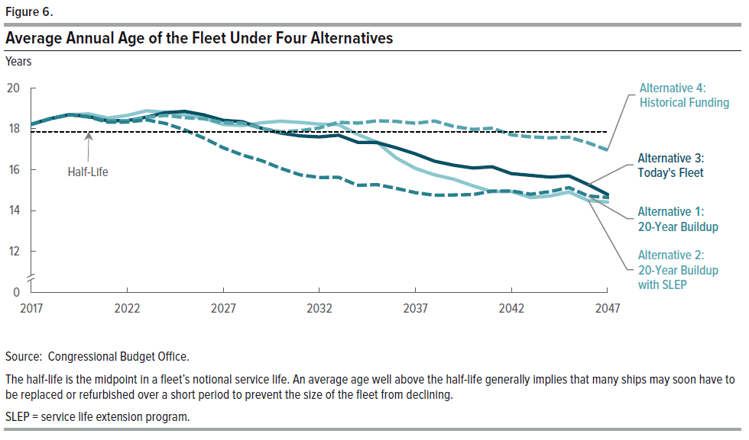
Source: Congressional Budget Office.
The half-life is the midpoint in a fleet’s notional service life. An average age well above the half-life generally implies that many ships may soon have to be replaced or refurbished over a short period to prevent the size of the fleet from declining.
SLEP = service life extension program.

