Table 1
This file presents the data from the table and figures in CBO’s October 18, 2023, testimony The Status of the Highway Trust Fund: 2023 Update.
www.cbo.gov/publication/59634

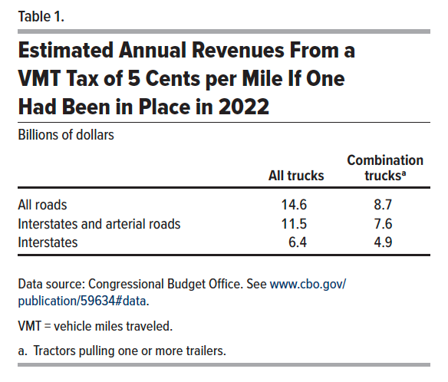
Table 1. Estimated Annual Revenues From a VMT Tax of 5 Cents per Mile If One Had Been in Place in 2022
Billions of dollars

 | All trucks | Combination trucks
All roads | 14.6 | 8.7
Interstates and arterial roads | 11.5 | 7.6
Interstates | 6.4 | 4.9

Back to Table of Contents

Figure 1
This file presents the data from the table and figures in CBO’s October 18, 2023, testimony The Status of the Highway Trust Fund: 2023 Update.
www.cbo.gov/publication/59634

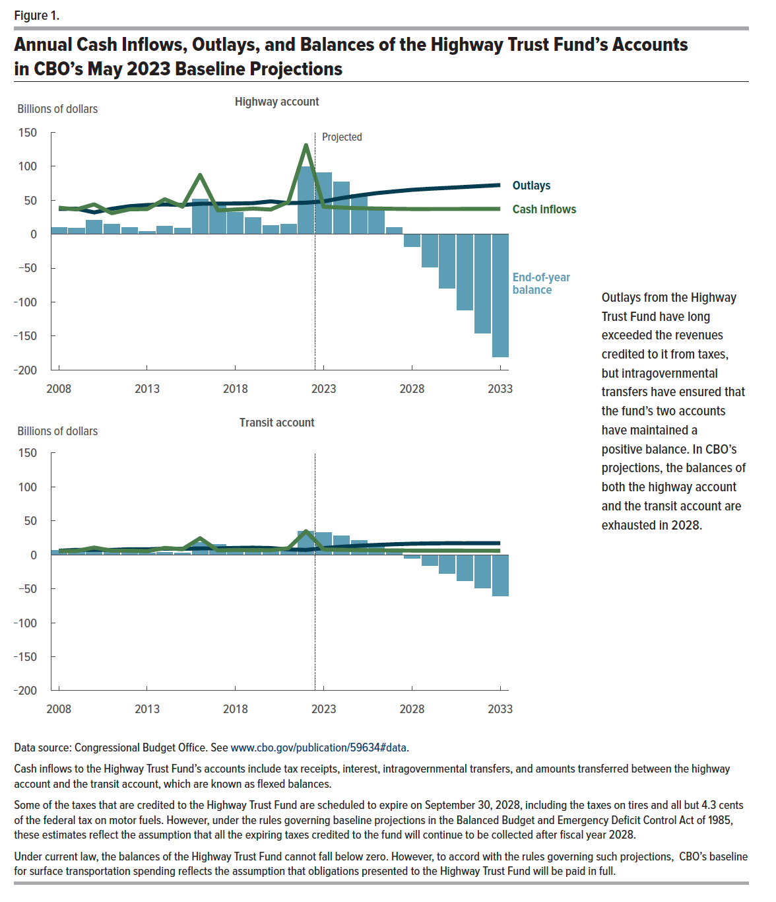
Figure 1. Annual Cash Inflows, Outlays, and Balances of the Highway Trust Fund in CBO’s May 2023 Baseline Projections
Billions of dollars

 | Highway account |  |  | Transit account
 | Outlays | Cash Inflows | End-of-year balance | Outlays | Cash Inflows | End-of-year balance
2008 | 37.0 | 38.9 | 10.0 | 6.0 | 5.5 | 6.8
2009 | 37.6 | 36.4 | 8.9 | 7.3 | 5.7 | 5.2
2010 | 32.0 | 43.9 | 20.7 | 7.4 | 10.6 | 8.5
2011 | 37.3 | 30.9 | 14.3 | 7.2 | 6.0 | 7.3
2012 | 41.2 | 36.6 | 9.7 | 8.2 | 6.1 | 5.2
2013 | 42.9 | 37.0 | 3.8 | 8.1 | 5.4 | 2.5
2014 | 43.8 | 51.4 | 11.4 | 9.1 | 10.1 | 3.5
2015 | 43.0 | 40.6 | 9.0 | 8.9 | 8.3 | 2.9
2016 | 44.8 | 87.2 | 51.4 | 9.5 | 24.4 | 17.8
2017 | 45.0 | 35.0 | 41.4 | 9.4 | 6.5 | 14.9
2018 | 45.1 | 36.3 | 32.6 | 10.1 | 7.2 | 11.9
2019 | 45.6 | 37.7 | 24.7 | 10.5 | 6.9 | 8.3
2020 | 48.3 | 36.2 | 12.6 | 9.9 | 6.8 | 5.1
2021 | 45.7 | 47.4 | 14.3 | 8.0 | 9.7 | 6.9
2022 | 46.4 | 131.0 | 98.9 | 7.2 | 34.9 | 34.6
2023 | 48.3 | 40.3 | 90.9 | 9.9 | 7.8 | 32.4
2024 | 53.0 | 39.2 | 77.0 | 11.8 | 7.4 | 28.0
2025 | 57.0 | 38.2 | 58.3 | 13.4 | 6.9 | 21.5
2026 | 60.4 | 37.7 | 35.6 | 14.5 | 6.7 | 13.7
2027 | 62.9 | 37.3 | 10.0 | 15.6 | 6.4 | 4.5
2028 | 65.2 | 37.0 | -18.3 | 16.4 | 6.2 | -5.6
2029 | 66.9 | 37.0 | -48.1 | 16.8 | 6.2 | -16.2
2030 | 68.1 | 37.1 | -79.2 | 17.1 | 6.1 | -27.1
2031 | 69.5 | 37.1 | -111.7 | 17.0 | 6.1 | -38.0
2032 | 70.9 | 37.1 | -145.5 | 17.2 | 6.0 | -49.2
2033 | 72.3 | 37.1 | -180.6 | 17.1 | 6.0 | -60.3

Back to Table of Contents

 |  |  |  |  |  |  | Please use the same source.

 |  |  |  |  |  |  | See Congressional Budget Office, “Details About Baseline Projections for Selected Programs: Highway Trust Fund Accounts” (May 2023), www.cbo.gov/publication/51300

 |  |  |  |  |  |  | Cash inflows include amounts transferred from the highway account to the transit account, which are known as flexed balances.

 |  |  |  |  |  |  | Some of the taxes that are credited to the Highway Trust Fund are scheduled to expire on September 30, 2028, including the taxes on tires and all but 4.3 cents of the federal tax on motor fuels. However, under the rules governing baseline projections in the Balanced Budget and Emergency Deficit Control Act of 1985, these estimates reflect the assumption that all of the expiring taxes credited to the fund will continue to be collected after fiscal year 2028.

 |  |  |  |  |  |  | Under current law, the Highway Trust Fund cannot incur negative balances. However, to accord with the rules governing such projections, CBO’s baseline for surface transportation spending reflects the assumption that obligations presented to the Highway Trust Fund will be paid in full.

Figure 2
This file presents the data from the table and figures in CBO’s October 18, 2023, testimony The Status of the Highway Trust Fund: 2023 Update.
www.cbo.gov/publication/59634

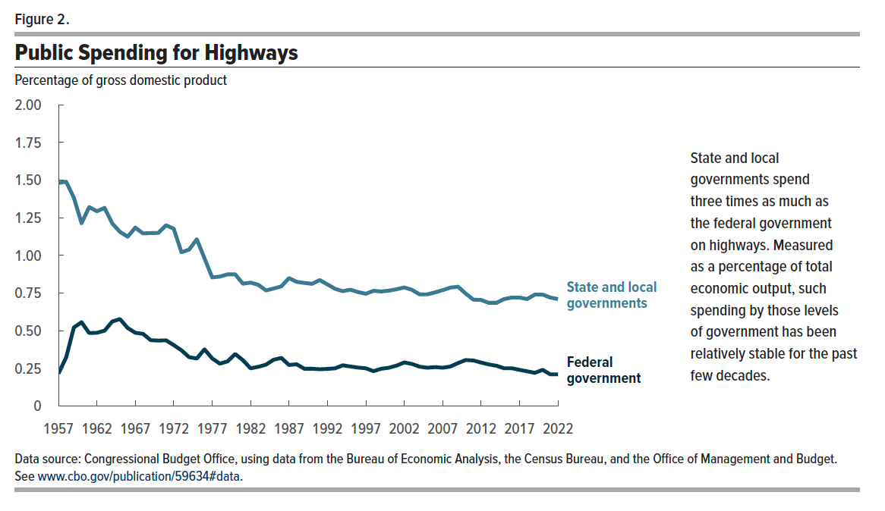
Figure 2. Public Spending for Highways
Percentage of gross domestic product

 | Federal government | State and local governments
1957 | 0.22 | 1.48
1958 | 0.32 | 1.49
1959 | 0.52 | 1.38
1960 | 0.56 | 1.21
1961 | 0.48 | 1.32
1962 | 0.49 | 1.29
1963 | 0.50 | 1.32
1964 | 0.56 | 1.21
1965 | 0.58 | 1.16
1966 | 0.52 | 1.12
1967 | 0.49 | 1.18
1968 | 0.48 | 1.15
1969 | 0.44 | 1.15
1970 | 0.43 | 1.15
1971 | 0.44 | 1.20
1972 | 0.40 | 1.18
1973 | 0.37 | 1.02
1974 | 0.32 | 1.04
1975 | 0.32 | 1.11
1976 | 0.38 | 0.98
1977 | 0.32 | 0.85
1978 | 0.28 | 0.86
1979 | 0.30 | 0.87
1980 | 0.35 | 0.87
1981 | 0.30 | 0.81
1982 | 0.25 | 0.82
1983 | 0.26 | 0.81
1984 | 0.27 | 0.77
1985 | 0.31 | 0.78
1986 | 0.32 | 0.79
1987 | 0.27 | 0.85
1988 | 0.28 | 0.82
1989 | 0.25 | 0.82
1990 | 0.25 | 0.81
1991 | 0.24 | 0.84
1992 | 0.25 | 0.81
1993 | 0.25 | 0.78
1994 | 0.27 | 0.76
1995 | 0.26 | 0.77
1996 | 0.26 | 0.76
1997 | 0.25 | 0.75
1998 | 0.23 | 0.77
1999 | 0.25 | 0.76
2000 | 0.25 | 0.77
2001 | 0.27 | 0.78
2002 | 0.29 | 0.79
2003 | 0.28 | 0.77
2004 | 0.26 | 0.74
2005 | 0.25 | 0.74
2006 | 0.26 | 0.75
2007 | 0.25 | 0.77
2008 | 0.26 | 0.79
2009 | 0.29 | 0.79
2010 | 0.31 | 0.75
2011 | 0.30 | 0.71
2012 | 0.29 | 0.70
2013 | 0.28 | 0.69
2014 | 0.27 | 0.69
2015 | 0.25 | 0.71
2016 | 0.25 | 0.72
2017 | 0.24 | 0.72
2018 | 0.23 | 0.71
2019 | 0.22 | 0.74
2020 | 0.24 | 0.74
2021 | 0.21 | 0.72
2022 | 0.21 | 0.71

Back to Table of Contents

Figure 3
This file presents the data from the table and figures in CBO’s October 18, 2023, testimony The Status of the Highway Trust Fund: 2023 Update.
www.cbo.gov/publication/59634

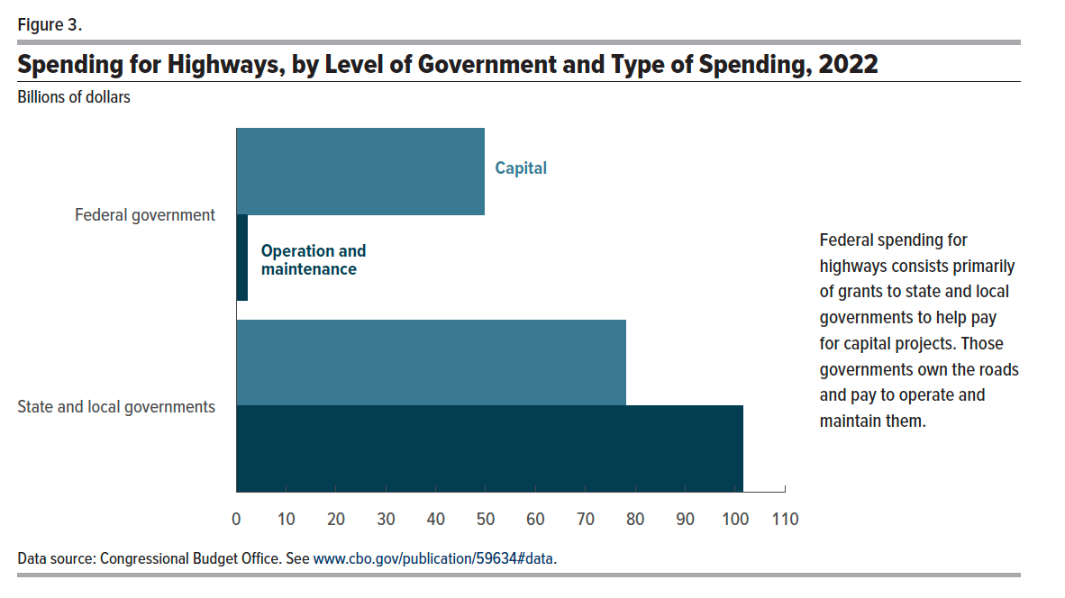
Figure 3. Spending for Highways, by Level of Government and Type of Spending, 2022
Billions of dollars

 | Capital | Operation and maintenance
Federal government | 49.8 | 2.2
State and local governments | 78.2 | 101.6

Back to Table of Contents

Figure 4
This file presents the data from the table and figures in CBO’s October 18, 2023, testimony The Status of the Highway Trust Fund: 2023 Update.
www.cbo.gov/publication/59634

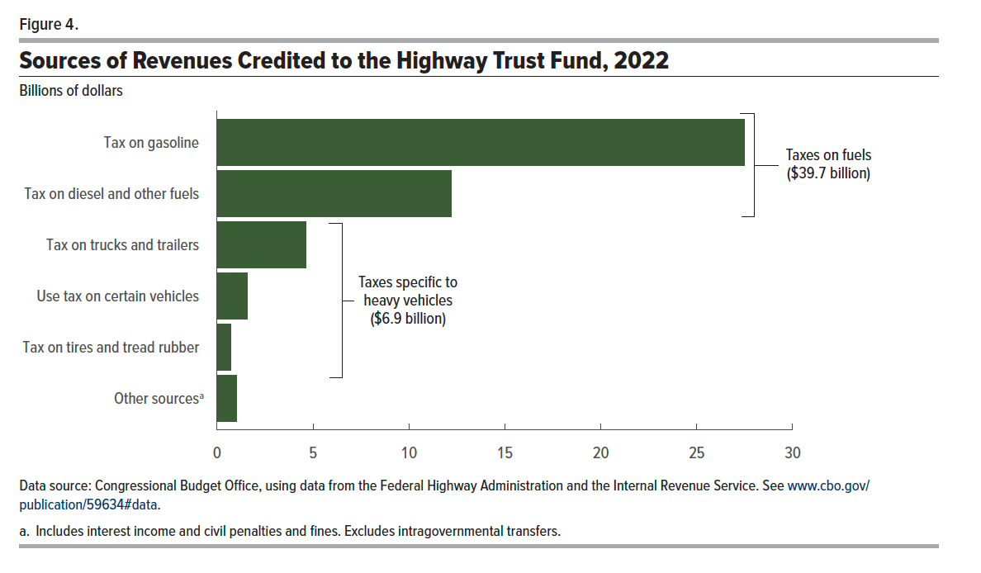
Figure 4. Sources of Revenues Credited to the Highway Trust Fund, 2022
Billions of dollars

 | Revenues
Tax on fuels
Tax on gasoline | 27.5
Tax on diesel and other fuels | 12.2
Subtotal | 39.7
Taxes specific to heavy vehicles
Tax on trucks and trailers | 4.6
Use tax on certain vehicles | 1.6
Tax on tires and tread rubber | 0.7
Subtotal | 6.9
Other sources | 1.0

Back to Table of Contents

