Table 1
This file presents the data underlying the figures in CBO’s September 2023 report Federal Budgetary Effects of the Activities of the Center for Medicare & Medicaid Innovation.
www.cbo.gov/publications/59274

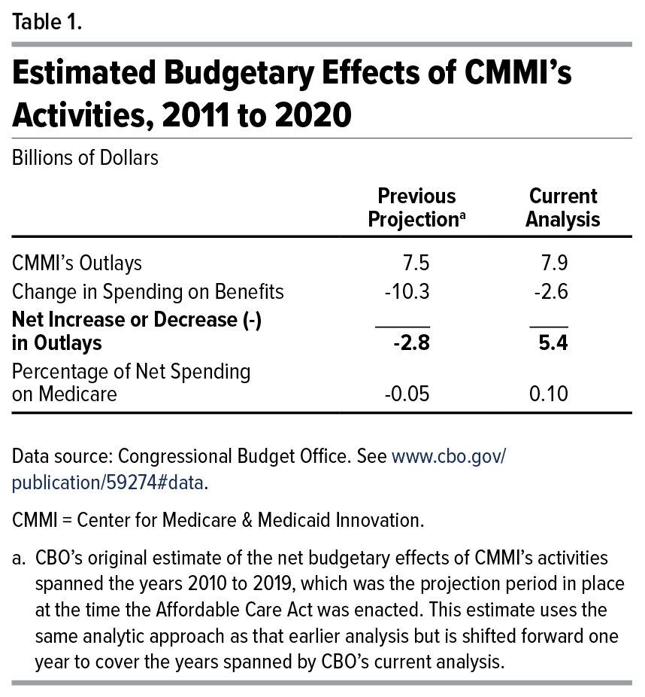
Table 1. Estimated Budgetary Effects of CMMI’s Activities, 2011 to 2020
Billions of Dollars

 | Previous Projection | Current Analysis
CMMI’s Outlays | 7.5 | 7.9
Change in Spending on Benefits | -10.3 | -2.6
Net Increase or Decrease (-) in Outlays | -2.8 | 5.4
Percentage of Net Spending on Medicare | -0.05 | 0.1

Back to Table of Contents

Table 3
This file presents the data underlying the figures in CBO’s September 2023 report Federal Budgetary Effects of the Activities of the Center for Medicare & Medicaid Innovation.
www.cbo.gov/publications/59274

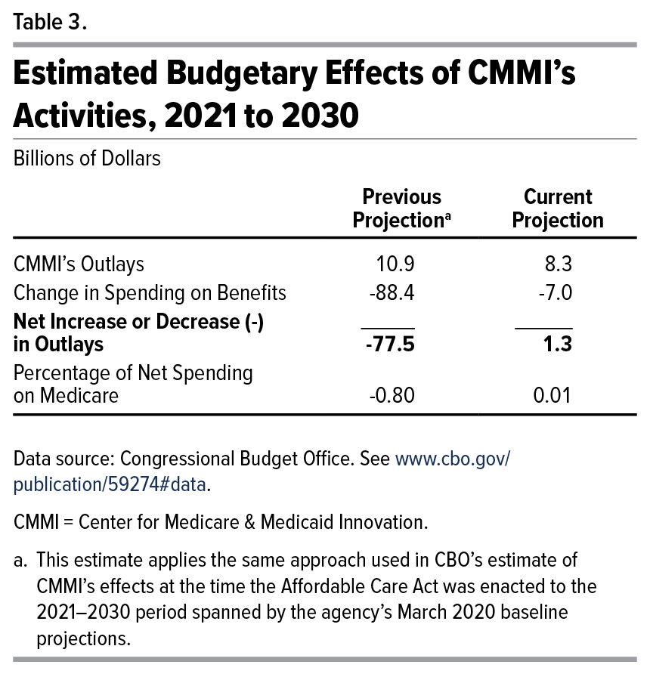
Table 3. Estimated Budgetary Effects of CMMI’s Activities, 2021 to 2030
Billions of Dollars

 | Previous Projection | Current Projection
CMMI’s Outlays | 10.9 | 8.3
Change in Spending on Benefits | -88.4 | -7.0
Net Increase or Decrease (-) in Outlays | -77.5 | 1.3
Percentage of Net Spending on Medicare | -0.8 | 0.01

Back to Table of Contents

Table 4
This file presents the data underlying the figures in CBO’s September 2023 report Federal Budgetary Effects of the Activities of the Center for Medicare & Medicaid Innovation.
www.cbo.gov/publications/59274

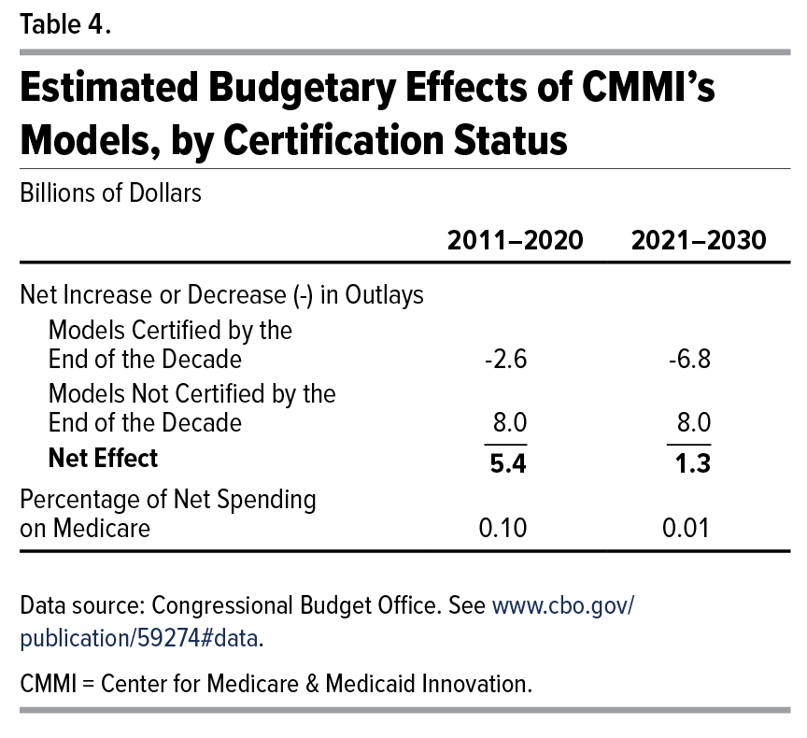
Table 4. Estimated Budgetary Effects of CMMI’s Models, by Certification Status
Billions of Dollars

 | 2011–2020 | 2021–2030
Net Increase or Decrease (-) in Outlays
Models Certified by the End of the Decade | -2.6 | -6.8
Models Not Certified by the End of the Decade | 8.0 | 8.0
Net Effect | 5.4 | 1.3
Percentage of Net Spending on Medicare | 0.1 | 0.01

Back to Table of Contents

Table 5
This file presents the data underlying the figures in CBO’s September 2023 report Federal Budgetary Effects of the Activities of the Center for Medicare & Medicaid Innovation.
www.cbo.gov/publications/59274

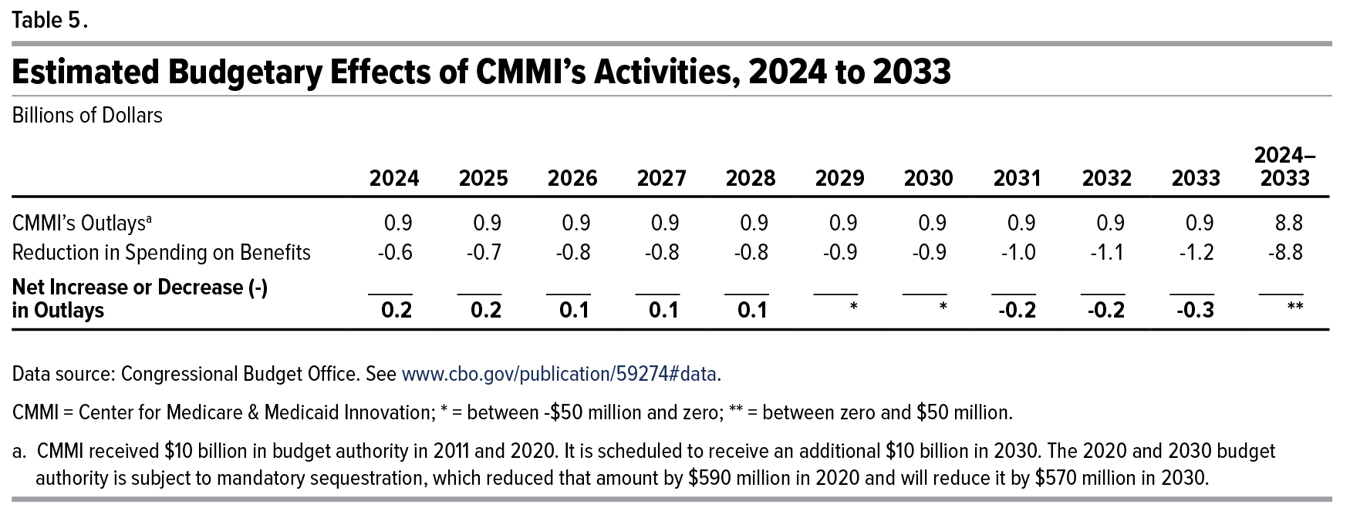
Table 5. Estimated Budgetary Effects of CMMI’s Activities, 2024 to 2033
Billions of Dollars

 | 2024 | 2025 | 2026 | 2027 | 2028 | 2029 | 2030 | 2031 | 2032 | 2033 | 2024–2033
CMMI’s Outlays | 0.9 | 0.9 | 0.9 | 0.9 | 0.9 | 0.9 | 0.9 | 0.9 | 0.9 | 0.9 | 8.8
Reduction in Spending on Benefits | -0.6 | -0.7 | -0.8 | -0.8 | -0.8 | -0.9 | -0.9 | -1.0 | -1.1 | -1.2 | -8.8
Net Increase or Decrease (-) in Outlays | 0.2 | 0.2 | 0.1 | 0.1 | 0.1 | * | * | -0.2 | -0.2 | -0.3 | **

Back to Table of Contents

