Figure 1
This file presents the data from the figures in CBO's February 2023 report Availability and Use of F-35 Fighter Aircraft: An Update.
www.cbo.gov/publication/58902

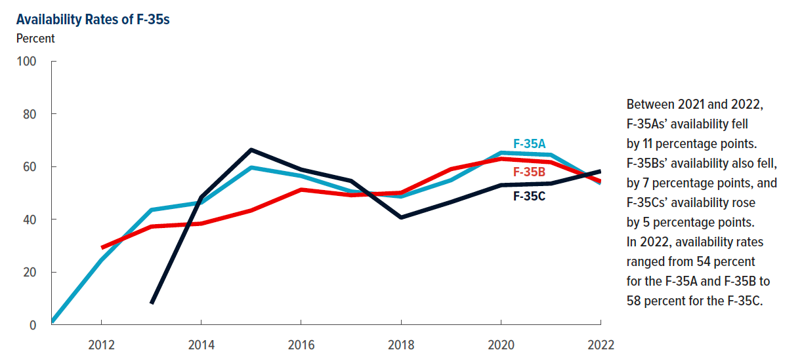
Figure 1. Availability Rates of F-35s
Percent

 | F-35As | F-35Bs | F-35Cs
2011 | 1.0
2012 | 24.6 | 29.2
2013 | 43.6 | 37.3 | 8.0
2014 | 46.4 | 38.4 | 48.4
2015 | 59.7 | 43.4 | 66.4
2016 | 56.5 | 51.3 | 58.9
2017 | 50.6 | 49.2 | 54.6
2018 | 48.7 | 50.1 | 40.7
2019 | 54.9 | 59.1 | 46.6
2020 | 65.3 | 63.0 | 53.0
2021 | 64.5 | 61.7 | 53.6
2022 | 53.7 | 54.4 | 58.3

Back to Table of Contents

Figure 2
This file presents the data from the figures in CBO's February 2023 report Availability and Use of F-35 Fighter Aircraft: An Update.
www.cbo.gov/publication/58902

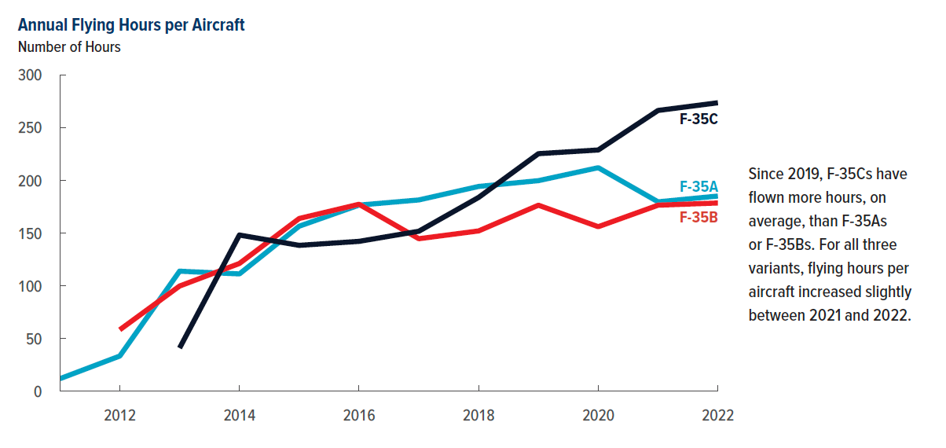
Figure 2. Annual Flying Hours per Aircraft
Number of Hours

 | F-35As | F-35Bs | F-35Cs
2011 | 11.9
2012 | 33.4 | 58.3
2013 | 113.9 | 99.8 | 41
2014 | 111.3 | 121.2 | 148.2
2015 | 156.6 | 163.9 | 138.4
2016 | 176.6 | 177.4 | 142.2
2017 | 181.5 | 144.7 | 151.8
2018 | 194.3 | 152.1 | 183.9
2019 | 199.8 | 176.5 | 225.4
2020 | 212.1 | 156.1 | 228.9
2021 | 179.7 | 176.5 | 266.4
2022 | 185.2 | 178.6 | 273.7

Back to Table of Contents

Figure 3
This file presents the data from the figures in CBO's February 2023 report Availability and Use of F-35 Fighter Aircraft: An Update.
www.cbo.gov/publication/58902

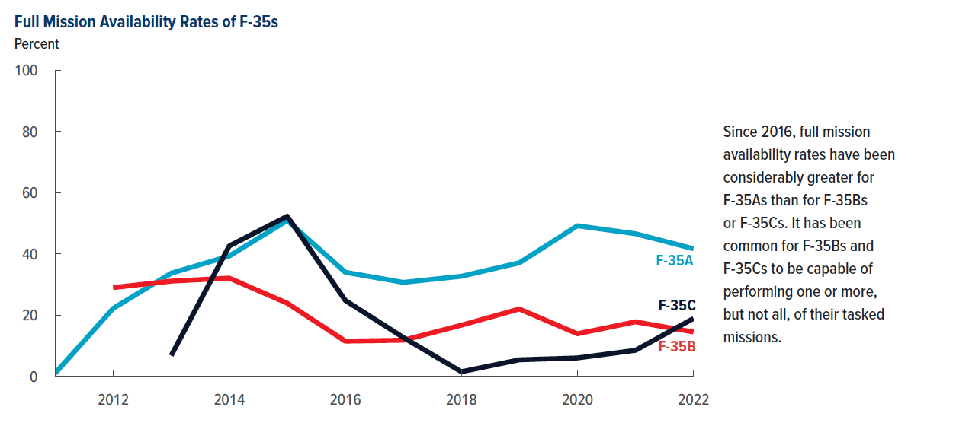
Figure 3. Full Mission Availability Rates of F-35s
Percent

 | F-35As | F-35Bs | F-35Cs
2011 | 1.0
2012 | 22.2 | 29.0
2013 | 33.7 | 31.1 | 6.8
2014 | 39.3 | 32.1 | 42.6
2015 | 50.9 | 23.9 | 52.3
2016 | 34.0 | 11.5 | 24.8
2017 | 30.7 | 11.8 | 12.7
2018 | 32.7 | 16.7 | 1.5
2019 | 37.1 | 22.0 | 5.4
2020 | 49.2 | 13.9 | 6.0
2021 | 46.6 | 17.8 | 8.5
2022 | 41.7 | 14.5 | 18.9

Back to Table of Contents

Figure 4
This file presents the data from the figures in CBO's February 2023 report Availability and Use of F-35 Fighter Aircraft: An Update.
www.cbo.gov/publication/58902

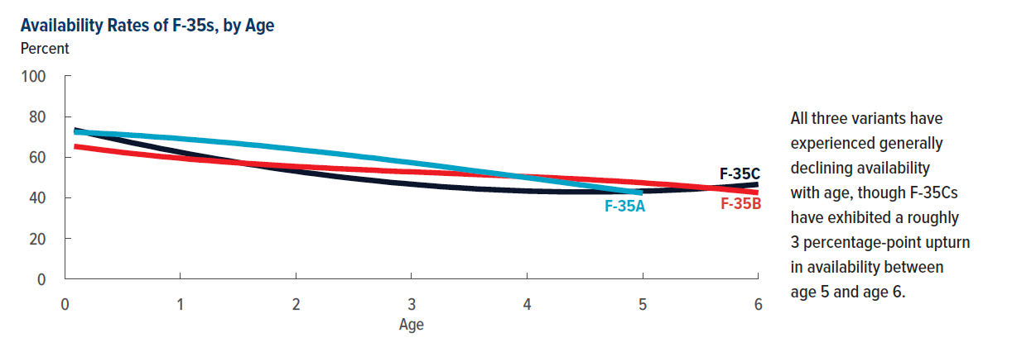
Figure 4. Availability Rates of F-35s, by Age
Percent

Age | F-35As | F-35Bs | F-35Cs
0.08 | 72.3 | 65.3 | 73.4
0.17 | 72.1 | 64.7 | 72.3
0.25 | 71.9 | 64.1 | 71.2
0.33 | 71.6 | 63.5 | 70.2
0.42 | 71.4 | 62.9 | 69.1
0.5 | 71.1 | 62.3 | 68.1
0.58 | 70.8 | 61.8 | 67.1
0.67 | 70.5 | 61.3 | 66.1
0.75 | 70.1 | 60.8 | 65.2
0.83 | 69.8 | 60.3 | 64.2
0.92 | 69.5 | 59.9 | 63.3
1 | 69.1 | 59.5 | 62.4
1.08 | 68.7 | 59.0 | 61.5
1.17 | 68.3 | 58.6 | 60.6
1.25 | 67.9 | 58.3 | 59.8
1.33 | 67.5 | 57.9 | 59.0
1.42 | 67.1 | 57.5 | 58.2
1.5 | 66.7 | 57.2 | 57.4
1.58 | 66.2 | 56.9 | 56.6
1.67 | 65.8 | 56.6 | 55.9
1.75 | 65.3 | 56.3 | 55.1
1.83 | 64.8 | 56.0 | 54.4
1.92 | 64.3 | 55.7 | 53.7
2 | 63.8 | 55.4 | 53.1
2.08 | 63.3 | 55.2 | 52.4
2.17 | 62.8 | 54.9 | 51.8
2.25 | 62.3 | 54.7 | 51.2
2.33 | 61.8 | 54.4 | 50.6
2.42 | 61.2 | 54.2 | 50.0
2.5 | 60.7 | 54.0 | 49.5
2.58 | 60.1 | 53.8 | 49.0
2.67 | 59.6 | 53.6 | 48.5
2.75 | 59.0 | 53.3 | 48.0
2.83 | 58.4 | 53.1 | 47.5
2.92 | 57.8 | 52.9 | 47.1
3 | 57.3 | 52.8 | 46.7
3.08 | 56.7 | 52.6 | 46.3
3.17 | 56.1 | 52.4 | 45.9
3.25 | 55.5 | 52.2 | 45.5
3.33 | 54.9 | 52.0 | 45.2
3.42 | 54.2 | 51.8 | 44.9
3.5 | 53.6 | 51.6 | 44.6
3.58 | 53.0 | 51.4 | 44.3
3.67 | 52.4 | 51.2 | 44.1
3.75 | 51.8 | 51.0 | 43.9
3.83 | 51.2 | 50.8 | 43.7
3.92 | 50.5 | 50.6 | 43.5
4 | 49.9 | 50.4 | 43.3
4.08 | 49.3 | 50.2 | 43.2
4.17 | 48.6 | 50.0 | 43.1
4.25 | 48.0 | 49.8 | 43.0
4.33 | 47.4 | 49.5 | 42.9
4.42 | 46.7 | 49.3 | 42.9
4.5 | 46.1 | 49.1 | 42.9
4.58 | 45.5 | 48.8 | 42.9
4.67 | 44.8 | 48.5 | 42.9
4.75 | 44.2 | 48.3 | 43.0
4.83 | 43.6 | 48.0 | 43.0
4.92 | 42.9 | 47.7 | 43.1
5 | 42.3 | 47.4 | 43.3
5.08 |  | 47.0 | 43.4
5.17 |  | 46.7 | 43.6
5.25 |  | 46.4 | 43.8
5.33 |  | 46.0 | 44.0
5.42 |  | 45.6 | 44.2
5.5 |  | 45.2 | 44.5
5.58 |  | 44.8 | 44.8
5.67 |  | 44.4 | 45.1
5.75 |  | 43.9 | 45.4
5.83 |  | 43.5 | 45.8
5.92 |  | 43.0 | 46.2
6 |  | 42.5 | 46.6

Back to Table of Contents

Figure 5
This file presents the data from the figures in CBO's February 2023 report Availability and Use of F-35 Fighter Aircraft: An Update.
www.cbo.gov/publication/58902

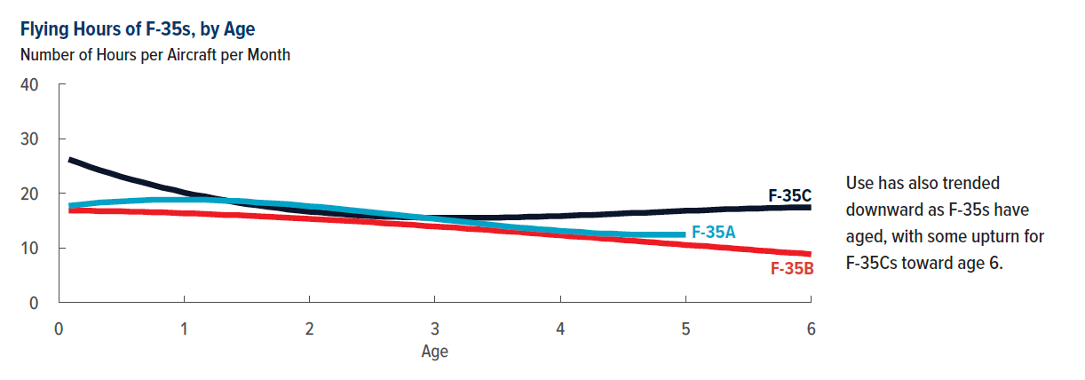
Figure 5. Flying Hours of F-35s, by Age
Number of Hours per Aircraft per Month

Age | F-35As | F-35Bs | F-35Cs
0.08 | 17.7 | 16.8 | 26.2
0.17 | 17.9 | 16.8 | 25.5
0.25 | 18.1 | 16.8 | 24.8
0.33 | 18.3 | 16.7 | 24.2
0.42 | 18.4 | 16.7 | 23.6
0.5 | 18.5 | 16.7 | 23.0
0.58 | 18.6 | 16.6 | 22.5
0.67 | 18.7 | 16.6 | 22.0
0.75 | 18.8 | 16.5 | 21.5
0.83 | 18.8 | 16.5 | 21.0
0.92 | 18.8 | 16.4 | 20.6
1 | 18.8 | 16.3 | 20.1
1.08 | 18.8 | 16.3 | 19.7
1.17 | 18.8 | 16.2 | 19.4
1.25 | 18.7 | 16.1 | 19.0
1.33 | 18.6 | 16.0 | 18.7
1.42 | 18.6 | 16.0 | 18.3
1.5 | 18.5 | 15.9 | 18.0
1.58 | 18.3 | 15.8 | 17.8
1.67 | 18.2 | 15.7 | 17.5
1.75 | 18.1 | 15.6 | 17.3
1.83 | 18.0 | 15.5 | 17.0
1.92 | 17.8 | 15.4 | 16.8
2 | 17.6 | 15.3 | 16.6
2.08 | 17.5 | 15.2 | 16.5
2.17 | 17.3 | 15.1 | 16.3
2.25 | 17.1 | 15.0 | 16.2
2.33 | 16.9 | 14.9 | 16.0
2.42 | 16.7 | 14.8 | 15.9
2.5 | 16.5 | 14.7 | 15.8
2.58 | 16.3 | 14.5 | 15.7
2.67 | 16.1 | 14.4 | 15.7
2.75 | 15.9 | 14.3 | 15.6
2.83 | 15.7 | 14.2 | 15.6
2.92 | 15.5 | 14.0 | 15.5
3 | 15.3 | 13.9 | 15.5
3.08 | 15.1 | 13.8 | 15.5
3.17 | 14.9 | 13.7 | 15.5
3.25 | 14.7 | 13.5 | 15.5
3.33 | 14.5 | 13.4 | 15.5
3.42 | 14.3 | 13.3 | 15.5
3.5 | 14.1 | 13.1 | 15.5
3.58 | 13.9 | 13.0 | 15.6
3.67 | 13.7 | 12.9 | 15.6
3.75 | 13.6 | 12.7 | 15.7
3.83 | 13.4 | 12.6 | 15.7
3.92 | 13.3 | 12.4 | 15.8
4 | 13.1 | 12.3 | 15.8
4.08 | 13.0 | 12.1 | 15.9
4.17 | 12.9 | 12.0 | 16.0
4.25 | 12.7 | 11.9 | 16.0
4.33 | 12.6 | 11.7 | 16.1
4.42 | 12.6 | 11.6 | 16.2
4.5 | 12.5 | 11.4 | 16.3
4.58 | 12.4 | 11.3 | 16.4
4.67 | 12.4 | 11.1 | 16.4
4.75 | 12.4 | 11.0 | 16.5
4.83 | 12.4 | 10.8 | 16.6
4.92 | 12.4 | 10.7 | 16.7
5 | 12.4 | 10.5 | 16.8
5.08 |  | 10.4 | 16.8
5.17 |  | 10.3 | 16.9
5.25 |  | 10.1 | 17.0
5.33 |  | 10.0 | 17.1
5.42 |  | 9.8 | 17.1
5.5 |  | 9.7 | 17.2
5.58 |  | 9.5 | 17.2
5.67 |  | 9.4 | 17.3
5.75 |  | 9.2 | 17.3
5.83 |  | 9.1 | 17.4
5.92 |  | 9.0 | 17.4
6 |  | 8.8 | 17.4

Back to Table of Contents

Figure 6
This file presents the data from the figures in CBO's February 2023 report Availability and Use of F-35 Fighter Aircraft: An Update.
www.cbo.gov/publication/58902

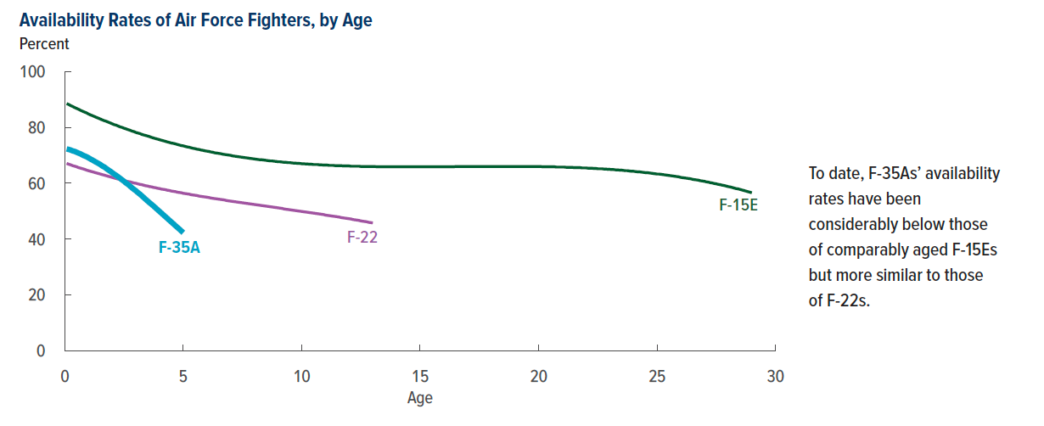
Figure 6. Availability Rates of Air Force Fighters, by Age
Percent

Age | F-35As | F-15Es | F-22s
0.08 | 72.3 | 88.5 | 67.1
0.17 | 72.1 | 88.2 | 66.8
0.25 | 71.9 | 87.8 | 66.6
0.33 | 71.6 | 87.5 | 66.3
0.42 | 71.4 | 87.1 | 66.1
0.5 | 71.1 | 86.8 | 65.9
0.58 | 70.8 | 86.5 | 65.6
0.67 | 70.5 | 86.1 | 65.4
0.75 | 70.1 | 85.8 | 65.2
0.83 | 69.8 | 85.5 | 65.0
0.92 | 69.5 | 85.2 | 64.7
1 | 69.1 | 84.8 | 64.5
1.08 | 68.7 | 84.5 | 64.3
1.17 | 68.3 | 84.2 | 64.1
1.25 | 67.9 | 83.9 | 63.9
1.33 | 67.5 | 83.6 | 63.7
1.42 | 67.1 | 83.3 | 63.5
1.5 | 66.7 | 83.0 | 63.3
1.58 | 66.2 | 82.7 | 63.1
1.67 | 65.8 | 82.4 | 62.9
1.75 | 65.3 | 82.2 | 62.7
1.83 | 64.8 | 81.9 | 62.5
1.92 | 64.3 | 81.6 | 62.3
2 | 63.8 | 81.3 | 62.1
2.08 | 63.3 | 81.0 | 61.9
2.17 | 62.8 | 80.8 | 61.7
2.25 | 62.3 | 80.5 | 61.5
2.33 | 61.8 | 80.2 | 61.3
2.42 | 61.2 | 80.0 | 61.2
2.5 | 60.7 | 79.7 | 61.0
2.58 | 60.1 | 79.5 | 60.8
2.67 | 59.6 | 79.2 | 60.6
2.75 | 59.0 | 79.0 | 60.5
2.83 | 58.4 | 78.7 | 60.3
2.92 | 57.8 | 78.5 | 60.1
3 | 57.3 | 78.2 | 60.0
3.08 | 56.7 | 78.0 | 59.8
3.17 | 56.1 | 77.8 | 59.6
3.25 | 55.5 | 77.5 | 59.5
3.33 | 54.9 | 77.3 | 59.3
3.42 | 54.2 | 77.1 | 59.1
3.5 | 53.6 | 76.9 | 59.0
3.58 | 53.0 | 76.7 | 58.8
3.67 | 52.4 | 76.4 | 58.7
3.75 | 51.8 | 76.2 | 58.5
3.83 | 51.2 | 76.0 | 58.4
3.92 | 50.5 | 75.8 | 58.2
4 | 49.9 | 75.6 | 58.1
4.08 | 49.3 | 75.4 | 57.9
4.17 | 48.6 | 75.2 | 57.8
4.25 | 48.0 | 75.0 | 57.7
4.33 | 47.4 | 74.8 | 57.5
4.42 | 46.7 | 74.6 | 57.4
4.5 | 46.1 | 74.4 | 57.2
4.58 | 45.5 | 74.3 | 57.1
4.67 | 44.8 | 74.1 | 57.0
4.75 | 44.2 | 73.9 | 56.8
4.83 | 43.6 | 73.7 | 56.7
4.92 | 42.9 | 73.5 | 56.6
5 | 42.3 | 73.4 | 56.4
5.08 |  | 73.2 | 56.3
5.17 |  | 73.0 | 56.2
5.25 |  | 72.9 | 56.1
5.33 |  | 72.7 | 55.9
5.42 |  | 72.5 | 55.8
5.5 |  | 72.4 | 55.7
5.58 |  | 72.2 | 55.6
5.67 |  | 72.1 | 55.4
5.75 |  | 71.9 | 55.3
5.83 |  | 71.8 | 55.2
5.92 |  | 71.6 | 55.1
6 |  | 71.5 | 55.0
6.08 |  | 71.4 | 54.9
6.17 |  | 71.2 | 54.7
6.25 |  | 71.1 | 54.6
6.33 |  | 70.9 | 54.5
6.42 |  | 70.8 | 54.4
6.5 |  | 70.7 | 54.3
6.58 |  | 70.6 | 54.2
6.67 |  | 70.4 | 54.1
6.75 |  | 70.3 | 54.0
6.83 |  | 70.2 | 53.8
6.92 |  | 70.1 | 53.7
7 |  | 70.0 | 53.6
7.08 |  | 69.8 | 53.5
7.17 |  | 69.7 | 53.4
7.25 |  | 69.6 | 53.3
7.33 |  | 69.5 | 53.2
7.42 |  | 69.4 | 53.1
7.5 |  | 69.3 | 53.0
7.58 |  | 69.2 | 52.9
7.67 |  | 69.1 | 52.8
7.75 |  | 69.0 | 52.7
7.83 |  | 68.9 | 52.6
7.92 |  | 68.8 | 52.5
8 |  | 68.7 | 52.4
8.08 |  | 68.6 | 52.3
8.17 |  | 68.5 | 52.2
8.25 |  | 68.4 | 52.1
8.33 |  | 68.4 | 52.0
8.42 |  | 68.3 | 51.9
8.5 |  | 68.2 | 51.8
8.58 |  | 68.1 | 51.7
8.67 |  | 68.0 | 51.6
8.75 |  | 68.0 | 51.5
8.83 |  | 67.9 | 51.4
8.92 |  | 67.8 | 51.3
9 |  | 67.7 | 51.2
9.08 |  | 67.7 | 51.1
9.17 |  | 67.6 | 51.0
9.25 |  | 67.5 | 50.8
9.33 |  | 67.5 | 50.7
9.42 |  | 67.4 | 50.6
9.5 |  | 67.4 | 50.5
9.58 |  | 67.3 | 50.4
9.67 |  | 67.2 | 50.3
9.75 |  | 67.2 | 50.2
9.83 |  | 67.1 | 50.1
9.92 |  | 67.1 | 50.0
10 |  | 67.0 | 49.9
10.08 |  | 67.0 | 49.8
10.17 |  | 66.9 | 49.7
10.25 |  | 66.9 | 49.6
10.33 |  | 66.8 | 49.5
10.42 |  | 66.8 | 49.4
10.5 |  | 66.7 | 49.3
10.58 |  | 66.7 | 49.2
10.67 |  | 66.7 | 49.1
10.75 |  | 66.6 | 49.0
10.83 |  | 66.6 | 48.9
10.92 |  | 66.5 | 48.8
11 |  | 66.5 | 48.6
11.08 |  | 66.5 | 48.5
11.17 |  | 66.4 | 48.4
11.25 |  | 66.4 | 48.3
11.33 |  | 66.4 | 48.2
11.42 |  | 66.3 | 48.1
11.5 |  | 66.3 | 48.0
11.58 |  | 66.3 | 47.9
11.67 |  | 66.3 | 47.7
11.75 |  | 66.2 | 47.6
11.83 |  | 66.2 | 47.5
11.92 |  | 66.2 | 47.4
12 |  | 66.2 | 47.3
12.08 |  | 66.1 | 47.2
12.17 |  | 66.1 | 47.0
12.25 |  | 66.1 | 46.9
12.33 |  | 66.1 | 46.8
12.42 |  | 66.1 | 46.7
12.5 |  | 66.0 | 46.5
12.58 |  | 66.0 | 46.4
12.67 |  | 66.0 | 46.3
12.75 |  | 66.0 | 46.2
12.83 |  | 66.0 | 46.0
12.92 |  | 66.0 | 45.9
13 |  | 66.0 | 45.8
13.08 |  | 66.0
13.17 |  | 65.9
13.25 |  | 65.9
13.33 |  | 65.9
13.42 |  | 65.9
13.5 |  | 65.9
13.58 |  | 65.9
13.67 |  | 65.9
13.75 |  | 65.9
13.83 |  | 65.9
13.92 |  | 65.9
14 |  | 65.9
14.08 |  | 65.9
14.17 |  | 65.9
14.25 |  | 65.9
14.33 |  | 65.9
14.42 |  | 65.9
14.5 |  | 65.9
14.58 |  | 65.9
14.67 |  | 65.9
14.75 |  | 65.9
14.83 |  | 65.9
14.92 |  | 65.9
15 |  | 65.9
15.08 |  | 65.9
15.17 |  | 65.9
15.25 |  | 65.9
15.33 |  | 65.9
15.42 |  | 65.9
15.5 |  | 65.9
15.58 |  | 65.9
15.67 |  | 65.9
15.75 |  | 65.9
15.83 |  | 65.9
15.92 |  | 65.9
16 |  | 65.9
16.08 |  | 65.9
16.17 |  | 65.9
16.25 |  | 65.9
16.33 |  | 65.9
16.42 |  | 65.9
16.5 |  | 66.0
16.58 |  | 66.0
16.67 |  | 66.0
16.75 |  | 66.0
16.83 |  | 66.0
16.92 |  | 66.0
17 |  | 66.0
17.08 |  | 66.0
17.17 |  | 66.0
17.25 |  | 66.0
17.33 |  | 66.0
17.42 |  | 66.0
17.5 |  | 66.0
17.58 |  | 66.0
17.67 |  | 66.0
17.75 |  | 66.0
17.83 |  | 66.0
17.92 |  | 66.0
18 |  | 66.0
18.08 |  | 66.0
18.17 |  | 66.0
18.25 |  | 66.0
18.33 |  | 66.0
18.42 |  | 66.0
18.5 |  | 66.0
18.58 |  | 66.0
18.67 |  | 66.0
18.75 |  | 66.0
18.83 |  | 66.0
18.92 |  | 66.0
19 |  | 66.0
19.08 |  | 66.0
19.17 |  | 66.0
19.25 |  | 66.0
19.33 |  | 66.0
19.42 |  | 66.0
19.5 |  | 66.0
19.58 |  | 66.0
19.67 |  | 66.0
19.75 |  | 66.0
19.83 |  | 66.0
19.92 |  | 66.0
20 |  | 66.0
20.08 |  | 66.0
20.17 |  | 65.9
20.25 |  | 65.9
20.33 |  | 65.9
20.42 |  | 65.9
20.5 |  | 65.9
20.58 |  | 65.9
20.67 |  | 65.9
20.75 |  | 65.8
20.83 |  | 65.8
20.92 |  | 65.8
21 |  | 65.8
21.08 |  | 65.8
21.17 |  | 65.7
21.25 |  | 65.7
21.33 |  | 65.7
21.42 |  | 65.7
21.5 |  | 65.6
21.58 |  | 65.6
21.67 |  | 65.6
21.75 |  | 65.6
21.83 |  | 65.5
21.92 |  | 65.5
22 |  | 65.5
22.08 |  | 65.4
22.17 |  | 65.4
22.25 |  | 65.4
22.33 |  | 65.3
22.42 |  | 65.3
22.5 |  | 65.2
22.58 |  | 65.2
22.67 |  | 65.2
22.75 |  | 65.1
22.83 |  | 65.1
22.92 |  | 65.0
23 |  | 65.0
23.08 |  | 64.9
23.17 |  | 64.9
23.25 |  | 64.8
23.33 |  | 64.8
23.42 |  | 64.7
23.5 |  | 64.7
23.58 |  | 64.6
23.67 |  | 64.5
23.75 |  | 64.5
23.83 |  | 64.4
23.92 |  | 64.3
24 |  | 64.3
24.08 |  | 64.2
24.17 |  | 64.1
24.25 |  | 64.1
24.33 |  | 64.0
24.42 |  | 63.9
24.5 |  | 63.8
24.58 |  | 63.8
24.67 |  | 63.7
24.75 |  | 63.6
24.83 |  | 63.5
24.92 |  | 63.4
25 |  | 63.3
25.08 |  | 63.3
25.17 |  | 63.2
25.25 |  | 63.1
25.33 |  | 63.0
25.42 |  | 62.9
25.5 |  | 62.8
25.58 |  | 62.7
25.67 |  | 62.6
25.75 |  | 62.5
25.83 |  | 62.4
25.92 |  | 62.3
26 |  | 62.1
26.08 |  | 62.0
26.17 |  | 61.9
26.25 |  | 61.8
26.33 |  | 61.7
26.42 |  | 61.6
26.5 |  | 61.4
26.58 |  | 61.3
26.67 |  | 61.2
26.75 |  | 61.1
26.83 |  | 60.9
26.92 |  | 60.8
27 |  | 60.7
27.08 |  | 60.5
27.17 |  | 60.4
27.25 |  | 60.2
27.33 |  | 60.1
27.42 |  | 59.9
27.5 |  | 59.8
27.58 |  | 59.6
27.67 |  | 59.5
27.75 |  | 59.3
27.83 |  | 59.2
27.92 |  | 59.0
28 |  | 58.8
28.08 |  | 58.7
28.17 |  | 58.5
28.25 |  | 58.3
28.33 |  | 58.1
28.42 |  | 58.0
28.5 |  | 57.8
28.58 |  | 57.6
28.67 |  | 57.4
28.75 |  | 57.2
28.83 |  | 57.0
28.92 |  | 56.8
29 |  | 56.6

Back to Table of Contents

Figure 7
This file presents the data from the figures in CBO's February 2023 report Availability and Use of F-35 Fighter Aircraft: An Update.
www.cbo.gov/publication/58902

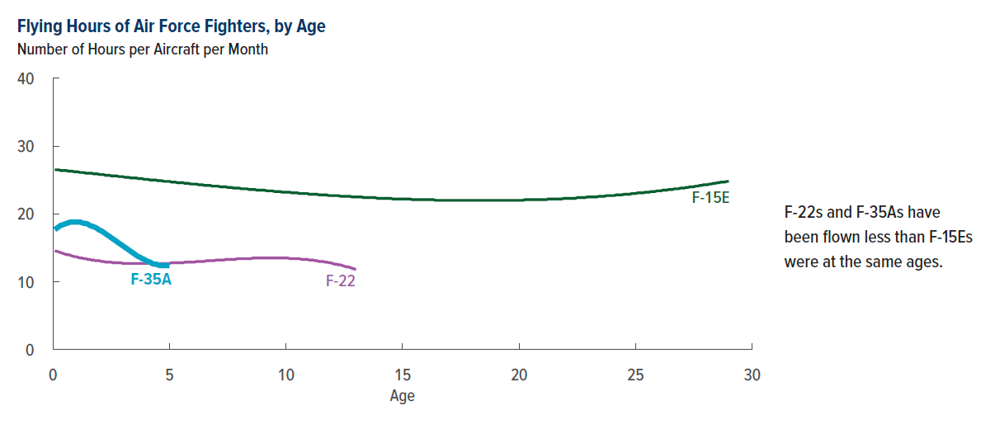
Figure 7. Flying Hours of Air Force Fighters, by Age
Number of Hours per Aircraft per Month

Age | F-35As | F-15Es | F-22s
0.08 | 17.7 | 26.5 | 14.5
0.17 | 17.9 | 26.5 | 14.5
0.25 | 18.1 | 26.5 | 14.4
0.33 | 18.3 | 26.4 | 14.3
0.42 | 18.4 | 26.4 | 14.2
0.5 | 18.5 | 26.4 | 14.1
0.58 | 18.6 | 26.4 | 14.0
0.67 | 18.7 | 26.3 | 14.0
0.75 | 18.8 | 26.3 | 13.9
0.83 | 18.8 | 26.3 | 13.8
0.92 | 18.8 | 26.2 | 13.7
1 | 18.8 | 26.2 | 13.7
1.08 | 18.8 | 26.2 | 13.6
1.17 | 18.8 | 26.1 | 13.5
1.25 | 18.7 | 26.1 | 13.5
1.33 | 18.6 | 26.1 | 13.4
1.42 | 18.6 | 26.0 | 13.4
1.5 | 18.5 | 26.0 | 13.3
1.58 | 18.3 | 26.0 | 13.3
1.67 | 18.2 | 26.0 | 13.2
1.75 | 18.1 | 25.9 | 13.2
1.83 | 18.0 | 25.9 | 13.1
1.92 | 17.8 | 25.9 | 13.1
2 | 17.6 | 25.8 | 13.1
2.08 | 17.5 | 25.8 | 13.0
2.17 | 17.3 | 25.8 | 13.0
2.25 | 17.1 | 25.7 | 12.9
2.33 | 16.9 | 25.7 | 12.9
2.42 | 16.7 | 25.7 | 12.9
2.5 | 16.5 | 25.6 | 12.9
2.58 | 16.3 | 25.6 | 12.8
2.67 | 16.1 | 25.6 | 12.8
2.75 | 15.9 | 25.6 | 12.8
2.83 | 15.7 | 25.5 | 12.8
2.92 | 15.5 | 25.5 | 12.8
3 | 15.3 | 25.5 | 12.7
3.08 | 15.1 | 25.4 | 12.7
3.17 | 14.9 | 25.4 | 12.7
3.25 | 14.7 | 25.4 | 12.7
3.33 | 14.5 | 25.3 | 12.7
3.42 | 14.3 | 25.3 | 12.7
3.5 | 14.1 | 25.3 | 12.7
3.58 | 13.9 | 25.3 | 12.7
3.67 | 13.7 | 25.2 | 12.7
3.75 | 13.6 | 25.2 | 12.7
3.83 | 13.4 | 25.2 | 12.7
3.92 | 13.3 | 25.1 | 12.7
4 | 13.1 | 25.1 | 12.7
4.08 | 13.0 | 25.1 | 12.7
4.17 | 12.9 | 25.0 | 12.7
4.25 | 12.7 | 25.0 | 12.7
4.33 | 12.6 | 25.0 | 12.7
4.42 | 12.6 | 25.0 | 12.7
4.5 | 12.5 | 24.9 | 12.7
4.58 | 12.4 | 24.9 | 12.7
4.67 | 12.4 | 24.9 | 12.7
4.75 | 12.4 | 24.8 | 12.7
4.83 | 12.4 | 24.8 | 12.7
4.92 | 12.4 | 24.8 | 12.7
5 | 12.4 | 24.8 | 12.7
5.08 |  | 24.7 | 12.8
5.17 |  | 24.7 | 12.8
5.25 |  | 24.7 | 12.8
5.33 |  | 24.6 | 12.8
5.42 |  | 24.6 | 12.8
5.5 |  | 24.6 | 12.8
5.58 |  | 24.6 | 12.8
5.67 |  | 24.5 | 12.9
5.75 |  | 24.5 | 12.9
5.83 |  | 24.5 | 12.9
5.92 |  | 24.4 | 12.9
6 |  | 24.4 | 12.9
6.08 |  | 24.4 | 12.9
6.17 |  | 24.4 | 13.0
6.25 |  | 24.3 | 13.0
6.33 |  | 24.3 | 13.0
6.42 |  | 24.3 | 13.0
6.5 |  | 24.2 | 13.0
6.58 |  | 24.2 | 13.1
6.67 |  | 24.2 | 13.1
6.75 |  | 24.2 | 13.1
6.83 |  | 24.1 | 13.1
6.92 |  | 24.1 | 13.1
7 |  | 24.1 | 13.2
7.08 |  | 24.1 | 13.2
7.17 |  | 24.0 | 13.2
7.25 |  | 24.0 | 13.2
7.33 |  | 24.0 | 13.2
7.42 |  | 24.0 | 13.3
7.5 |  | 23.9 | 13.3
7.58 |  | 23.9 | 13.3
7.67 |  | 23.9 | 13.3
7.75 |  | 23.8 | 13.3
7.83 |  | 23.8 | 13.3
7.92 |  | 23.8 | 13.4
8 |  | 23.8 | 13.4
8.08 |  | 23.7 | 13.4
8.17 |  | 23.7 | 13.4
8.25 |  | 23.7 | 13.4
8.33 |  | 23.7 | 13.4
8.42 |  | 23.6 | 13.4
8.5 |  | 23.6 | 13.4
8.58 |  | 23.6 | 13.5
8.67 |  | 23.6 | 13.5
8.75 |  | 23.5 | 13.5
8.83 |  | 23.5 | 13.5
8.92 |  | 23.5 | 13.5
9 |  | 23.5 | 13.5
9.08 |  | 23.5 | 13.5
9.17 |  | 23.4 | 13.5
9.25 |  | 23.4 | 13.5
9.33 |  | 23.4 | 13.5
9.42 |  | 23.4 | 13.5
9.5 |  | 23.3 | 13.5
9.58 |  | 23.3 | 13.5
9.67 |  | 23.3 | 13.5
9.75 |  | 23.3 | 13.5
9.83 |  | 23.2 | 13.5
9.92 |  | 23.2 | 13.5
10 |  | 23.2 | 13.5
10.08 |  | 23.2 | 13.5
10.17 |  | 23.2 | 13.4
10.25 |  | 23.1 | 13.4
10.33 |  | 23.1 | 13.4
10.42 |  | 23.1 | 13.4
10.5 |  | 23.1 | 13.4
10.58 |  | 23.0 | 13.4
10.67 |  | 23.0 | 13.3
10.75 |  | 23.0 | 13.3
10.83 |  | 23.0 | 13.3
10.92 |  | 23.0 | 13.3
11 |  | 22.9 | 13.2
11.08 |  | 22.9 | 13.2
11.17 |  | 22.9 | 13.2
11.25 |  | 22.9 | 13.1
11.33 |  | 22.9 | 13.1
11.42 |  | 22.8 | 13.0
11.5 |  | 22.8 | 13.0
11.58 |  | 22.8 | 13.0
11.67 |  | 22.8 | 12.9
11.75 |  | 22.8 | 12.9
11.83 |  | 22.7 | 12.8
11.92 |  | 22.7 | 12.8
12 |  | 22.7 | 12.7
12.08 |  | 22.7 | 12.6
12.17 |  | 22.7 | 12.6
12.25 |  | 22.7 | 12.5
12.33 |  | 22.6 | 12.5
12.42 |  | 22.6 | 12.4
12.5 |  | 22.6 | 12.3
12.58 |  | 22.6 | 12.2
12.67 |  | 22.6 | 12.2
12.75 |  | 22.6 | 12.1
12.83 |  | 22.5 | 12.0
12.92 |  | 22.5 | 11.9
13 |  | 22.5 | 11.8
13.08 |  | 22.5
13.17 |  | 22.5
13.25 |  | 22.5
13.33 |  | 22.4
13.42 |  | 22.4
13.5 |  | 22.4
13.58 |  | 22.4
13.67 |  | 22.4
13.75 |  | 22.4
13.83 |  | 22.4
13.92 |  | 22.3
14 |  | 22.3
14.08 |  | 22.3
14.17 |  | 22.3
14.25 |  | 22.3
14.33 |  | 22.3
14.42 |  | 22.3
14.5 |  | 22.3
14.58 |  | 22.2
14.67 |  | 22.2
14.75 |  | 22.2
14.83 |  | 22.2
14.92 |  | 22.2
15 |  | 22.2
15.08 |  | 22.2
15.17 |  | 22.2
15.25 |  | 22.2
15.33 |  | 22.2
15.42 |  | 22.1
15.5 |  | 22.1
15.58 |  | 22.1
15.67 |  | 22.1
15.75 |  | 22.1
15.83 |  | 22.1
15.92 |  | 22.1
16 |  | 22.1
16.08 |  | 22.1
16.17 |  | 22.1
16.25 |  | 22.1
16.33 |  | 22.1
16.42 |  | 22.0
16.5 |  | 22.0
16.58 |  | 22.0
16.67 |  | 22.0
16.75 |  | 22.0
16.83 |  | 22.0
16.92 |  | 22.0
17 |  | 22.0
17.08 |  | 22.0
17.17 |  | 22.0
17.25 |  | 22.0
17.33 |  | 22.0
17.42 |  | 22.0
17.5 |  | 22.0
17.58 |  | 22.0
17.67 |  | 22.0
17.75 |  | 22.0
17.83 |  | 22.0
17.92 |  | 22.0
18 |  | 22.0
18.08 |  | 22.0
18.17 |  | 22.0
18.25 |  | 22.0
18.33 |  | 22.0
18.42 |  | 22.0
18.5 |  | 22.0
18.58 |  | 22.0
18.67 |  | 22.0
18.75 |  | 22.0
18.83 |  | 22.0
18.92 |  | 22.0
19 |  | 22.0
19.08 |  | 22.0
19.17 |  | 22.0
19.25 |  | 22.0
19.33 |  | 22.0
19.42 |  | 22.0
19.5 |  | 22.0
19.58 |  | 22.0
19.67 |  | 22.0
19.75 |  | 22.0
19.83 |  | 22.0
19.92 |  | 22.0
20 |  | 22.0
20.08 |  | 22.0
20.17 |  | 22.0
20.25 |  | 22.1
20.33 |  | 22.1
20.42 |  | 22.1
20.5 |  | 22.1
20.58 |  | 22.1
20.67 |  | 22.1
20.75 |  | 22.1
20.83 |  | 22.1
20.92 |  | 22.1
21 |  | 22.1
21.08 |  | 22.1
21.17 |  | 22.1
21.25 |  | 22.2
21.33 |  | 22.2
21.42 |  | 22.2
21.5 |  | 22.2
21.58 |  | 22.2
21.67 |  | 22.2
21.75 |  | 22.2
21.83 |  | 22.2
21.92 |  | 22.3
22 |  | 22.3
22.08 |  | 22.3
22.17 |  | 22.3
22.25 |  | 22.3
22.33 |  | 22.3
22.42 |  | 22.3
22.5 |  | 22.4
22.58 |  | 22.4
22.67 |  | 22.4
22.75 |  | 22.4
22.83 |  | 22.4
22.92 |  | 22.5
23 |  | 22.5
23.08 |  | 22.5
23.17 |  | 22.5
23.25 |  | 22.5
23.33 |  | 22.5
23.42 |  | 22.6
23.5 |  | 22.6
23.58 |  | 22.6
23.67 |  | 22.6
23.75 |  | 22.7
23.83 |  | 22.7
23.92 |  | 22.7
24 |  | 22.7
24.08 |  | 22.7
24.17 |  | 22.8
24.25 |  | 22.8
24.33 |  | 22.8
24.42 |  | 22.8
24.5 |  | 22.9
24.58 |  | 22.9
24.67 |  | 22.9
24.75 |  | 22.9
24.83 |  | 23.0
24.92 |  | 23.0
25 |  | 23.0
25.08 |  | 23.1
25.17 |  | 23.1
25.25 |  | 23.1
25.33 |  | 23.1
25.42 |  | 23.2
25.5 |  | 23.2
25.58 |  | 23.2
25.67 |  | 23.3
25.75 |  | 23.3
25.83 |  | 23.3
25.92 |  | 23.4
26 |  | 23.4
26.08 |  | 23.4
26.17 |  | 23.5
26.25 |  | 23.5
26.33 |  | 23.5
26.42 |  | 23.6
26.5 |  | 23.6
26.58 |  | 23.6
26.67 |  | 23.7
26.75 |  | 23.7
26.83 |  | 23.7
26.92 |  | 23.8
27 |  | 23.8
27.08 |  | 23.8
27.17 |  | 23.9
27.25 |  | 23.9
27.33 |  | 24.0
27.42 |  | 24.0
27.5 |  | 24.0
27.58 |  | 24.1
27.67 |  | 24.1
27.75 |  | 24.2
27.83 |  | 24.2
27.92 |  | 24.3
28 |  | 24.3
28.08 |  | 24.3
28.17 |  | 24.4
28.25 |  | 24.4
28.33 |  | 24.5
28.42 |  | 24.5
28.5 |  | 24.6
28.58 |  | 24.6
28.67 |  | 24.7
28.75 |  | 24.7
28.83 |  | 24.7
28.92 |  | 24.8
29 |  | 24.8

Back to Table of Contents

Figure 8
This file presents the data from the figures in CBO's February 2023 report Availability and Use of F-35 Fighter Aircraft: An Update.
www.cbo.gov/publication/58902

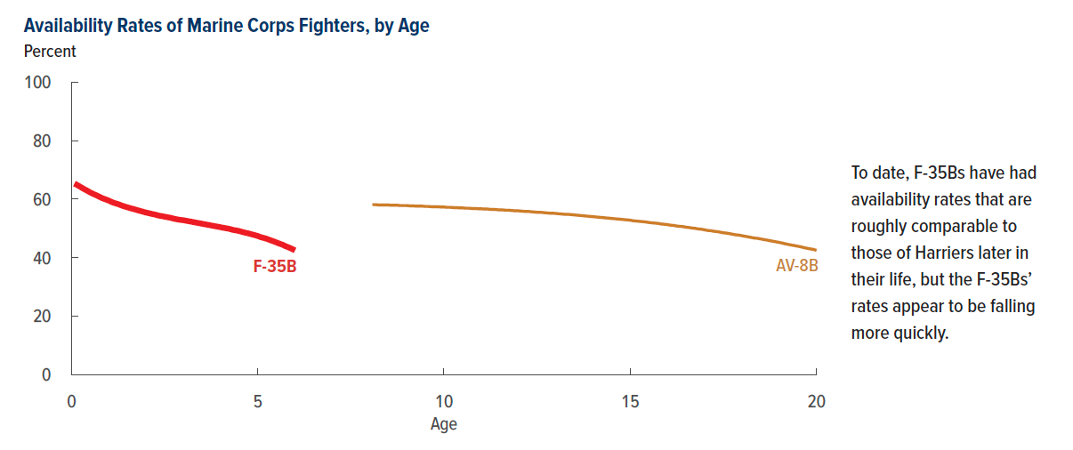
Figure 8. Availability Rates of Marine Corps Fighters, by Age
Percent

Age | F-35Bs | AV-8Bs
0.08 | 65.3
0.17 | 64.7
0.25 | 64.1
0.33 | 63.5
0.42 | 62.9
0.5 | 62.3
0.58 | 61.8
0.67 | 61.3
0.75 | 60.8
0.83 | 60.3
0.92 | 59.9
1 | 59.5
1.08 | 59.0
1.17 | 58.6
1.25 | 58.3
1.33 | 57.9
1.42 | 57.5
1.5 | 57.2
1.58 | 56.9
1.67 | 56.6
1.75 | 56.3
1.83 | 56.0
1.92 | 55.7
2 | 55.4
2.08 | 55.2
2.17 | 54.9
2.25 | 54.7
2.33 | 54.4
2.42 | 54.2
2.5 | 54.0
2.58 | 53.8
2.67 | 53.6
2.75 | 53.3
2.83 | 53.1
2.92 | 52.9
3 | 52.8
3.08 | 52.6
3.17 | 52.4
3.25 | 52.2
3.33 | 52.0
3.42 | 51.8
3.5 | 51.6
3.58 | 51.4
3.67 | 51.2
3.75 | 51.0
3.83 | 50.8
3.92 | 50.6
4 | 50.4
4.08 | 50.2
4.17 | 50.0
4.25 | 49.8
4.33 | 49.5
4.42 | 49.3
4.5 | 49.1
4.58 | 48.8
4.67 | 48.5
4.75 | 48.3
4.83 | 48.0
4.92 | 47.7
5 | 47.4
5.08 | 47.0
5.17 | 46.7
5.25 | 46.4
5.33 | 46.0
5.42 | 45.6
5.5 | 45.2
5.58 | 44.8
5.67 | 44.4
5.75 | 43.9
5.83 | 43.5
5.92 | 43.0
6 | 42.5
6.08
6.17
6.25
6.33
6.42
6.5
6.58
6.67
6.75
6.83
6.92
7
7.08
7.17
7.25
7.33
7.42
7.5
7.58
7.67
7.75
7.83
7.92
8
8.08 |  | 58.1
8.17 |  | 58.1
8.25 |  | 58.0
8.33 |  | 58.0
8.42 |  | 58.0
8.5 |  | 58.0
8.58 |  | 57.9
8.67 |  | 57.9
8.75 |  | 57.9
8.83 |  | 57.8
8.92 |  | 57.8
9 |  | 57.8
9.08 |  | 57.7
9.17 |  | 57.7
9.25 |  | 57.6
9.33 |  | 57.6
9.42 |  | 57.6
9.5 |  | 57.5
9.58 |  | 57.5
9.67 |  | 57.4
9.75 |  | 57.4
9.83 |  | 57.4
9.92 |  | 57.3
10 |  | 57.3
10.08 |  | 57.2
10.17 |  | 57.2
10.25 |  | 57.1
10.33 |  | 57.1
10.42 |  | 57.0
10.5 |  | 57.0
10.58 |  | 56.9
10.67 |  | 56.9
10.75 |  | 56.8
10.83 |  | 56.8
10.92 |  | 56.7
11 |  | 56.7
11.08 |  | 56.6
11.17 |  | 56.6
11.25 |  | 56.5
11.33 |  | 56.5
11.42 |  | 56.4
11.5 |  | 56.3
11.58 |  | 56.3
11.67 |  | 56.2
11.75 |  | 56.2
11.83 |  | 56.1
11.92 |  | 56.0
12 |  | 56.0
12.08 |  | 55.9
12.17 |  | 55.8
12.25 |  | 55.8
12.33 |  | 55.7
12.42 |  | 55.6
12.5 |  | 55.5
12.58 |  | 55.5
12.67 |  | 55.4
12.75 |  | 55.3
12.83 |  | 55.2
12.92 |  | 55.2
13 |  | 55.1
13.08 |  | 55.0
13.17 |  | 54.9
13.25 |  | 54.8
13.33 |  | 54.8
13.42 |  | 54.7
13.5 |  | 54.6
13.58 |  | 54.5
13.67 |  | 54.4
13.75 |  | 54.3
13.83 |  | 54.2
13.92 |  | 54.1
14 |  | 54.0
14.08 |  | 53.9
14.17 |  | 53.8
14.25 |  | 53.7
14.33 |  | 53.6
14.42 |  | 53.5
14.5 |  | 53.4
14.58 |  | 53.3
14.67 |  | 53.2
14.75 |  | 53.1
14.83 |  | 53.0
14.92 |  | 52.9
15 |  | 52.8
15.08 |  | 52.6
15.17 |  | 52.5
15.25 |  | 52.4
15.33 |  | 52.3
15.42 |  | 52.2
15.5 |  | 52.0
15.58 |  | 51.9
15.67 |  | 51.8
15.75 |  | 51.7
15.83 |  | 51.5
15.92 |  | 51.4
16 |  | 51.3
16.08 |  | 51.1
16.17 |  | 51.0
16.25 |  | 50.8
16.33 |  | 50.7
16.42 |  | 50.6
16.5 |  | 50.4
16.58 |  | 50.3
16.67 |  | 50.1
16.75 |  | 50.0
16.83 |  | 49.8
16.92 |  | 49.7
17 |  | 49.5
17.08 |  | 49.3
17.17 |  | 49.2
17.25 |  | 49.0
17.33 |  | 48.9
17.42 |  | 48.7
17.5 |  | 48.5
17.58 |  | 48.4
17.67 |  | 48.2
17.75 |  | 48.0
17.83 |  | 47.8
17.92 |  | 47.7
18 |  | 47.5
18.08 |  | 47.3
18.17 |  | 47.1
18.25 |  | 46.9
18.33 |  | 46.7
18.42 |  | 46.6
18.5 |  | 46.4
18.58 |  | 46.2
18.67 |  | 46.0
18.75 |  | 45.8
18.83 |  | 45.6
18.92 |  | 45.4
19 |  | 45.2
19.08 |  | 45.0
19.17 |  | 44.7
19.25 |  | 44.5
19.33 |  | 44.3
19.42 |  | 44.1
19.5 |  | 43.9
19.58 |  | 43.7
19.67 |  | 43.4
19.75 |  | 43.2
19.83 |  | 43.0
19.92 |  | 42.8
20 |  | 42.5

Back to Table of Contents

Figure 9
This file presents the data from the figures in CBO's February 2023 report Availability and Use of F-35 Fighter Aircraft: An Update.
www.cbo.gov/publication/58902

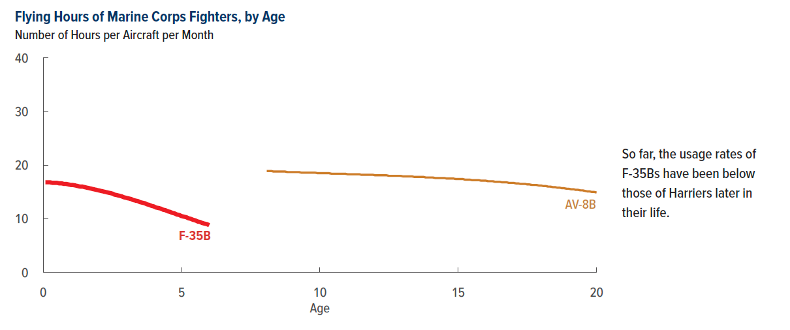
Figure 9. Flying Hours of Marine Corps Fighters, by Age
Flying Hours per Aircraft per Month

Age | F-35Bs | AV-8Bs
0.08 | 16.8
0.17 | 16.8
0.25 | 16.8
0.33 | 16.7
0.42 | 16.7
0.5 | 16.7
0.58 | 16.6
0.67 | 16.6
0.75 | 16.5
0.83 | 16.5
0.92 | 16.4
1 | 16.3
1.08 | 16.3
1.17 | 16.2
1.25 | 16.1
1.33 | 16.0
1.42 | 16.0
1.5 | 15.9
1.58 | 15.8
1.67 | 15.7
1.75 | 15.6
1.83 | 15.5
1.92 | 15.4
2 | 15.3
2.08 | 15.2
2.17 | 15.1
2.25 | 15.0
2.33 | 14.9
2.42 | 14.8
2.5 | 14.7
2.58 | 14.5
2.67 | 14.4
2.75 | 14.3
2.83 | 14.2
2.92 | 14.0
3 | 13.9
3.08 | 13.8
3.17 | 13.7
3.25 | 13.5
3.33 | 13.4
3.42 | 13.3
3.5 | 13.1
3.58 | 13.0
3.67 | 12.9
3.75 | 12.7
3.83 | 12.6
3.92 | 12.4
4 | 12.3
4.08 | 12.1
4.17 | 12.0
4.25 | 11.9
4.33 | 11.7
4.42 | 11.6
4.5 | 11.4
4.58 | 11.3
4.67 | 11.1
4.75 | 11.0
4.83 | 10.8
4.92 | 10.7
5 | 10.5
5.08 | 10.4
5.17 | 10.3
5.25 | 10.1
5.33 | 10.0
5.42 | 9.8
5.5 | 9.7
5.58 | 9.5
5.67 | 9.4
5.75 | 9.2
5.83 | 9.1
5.92 | 9.0
6 | 8.8
6.08
6.17
6.25
6.33
6.42
6.5
6.58
6.67
6.75
6.83
6.92
7
7.08
7.17
7.25
7.33
7.42
7.5
7.58
7.67
7.75
7.83
7.92
8
8.08 |  | 18.9
8.17 |  | 18.9
8.25 |  | 18.9
8.33 |  | 18.8
8.42 |  | 18.8
8.5 |  | 18.8
8.58 |  | 18.8
8.67 |  | 18.8
8.75 |  | 18.8
8.83 |  | 18.7
8.92 |  | 18.7
9 |  | 18.7
9.08 |  | 18.7
9.17 |  | 18.7
9.25 |  | 18.7
9.33 |  | 18.6
9.42 |  | 18.6
9.5 |  | 18.6
9.58 |  | 18.6
9.67 |  | 18.6
9.75 |  | 18.6
9.83 |  | 18.6
9.92 |  | 18.5
10 |  | 18.5
10.08 |  | 18.5
10.17 |  | 18.5
10.25 |  | 18.5
10.33 |  | 18.5
10.42 |  | 18.4
10.5 |  | 18.4
10.58 |  | 18.4
10.67 |  | 18.4
10.75 |  | 18.4
10.83 |  | 18.4
10.92 |  | 18.4
11 |  | 18.3
11.08 |  | 18.3
11.17 |  | 18.3
11.25 |  | 18.3
11.33 |  | 18.3
11.42 |  | 18.3
11.5 |  | 18.2
11.58 |  | 18.2
11.67 |  | 18.2
11.75 |  | 18.2
11.83 |  | 18.2
11.92 |  | 18.2
12 |  | 18.1
12.08 |  | 18.1
12.17 |  | 18.1
12.25 |  | 18.1
12.33 |  | 18.1
12.42 |  | 18.1
12.5 |  | 18.0
12.58 |  | 18.0
12.67 |  | 18.0
12.75 |  | 18.0
12.83 |  | 18.0
12.92 |  | 18.0
13 |  | 17.9
13.08 |  | 17.9
13.17 |  | 17.9
13.25 |  | 17.9
13.33 |  | 17.9
13.42 |  | 17.8
13.5 |  | 17.8
13.58 |  | 17.8
13.67 |  | 17.8
13.75 |  | 17.8
13.83 |  | 17.7
13.92 |  | 17.7
14 |  | 17.7
14.08 |  | 17.7
14.17 |  | 17.6
14.25 |  | 17.6
14.33 |  | 17.6
14.42 |  | 17.6
14.5 |  | 17.6
14.58 |  | 17.5
14.67 |  | 17.5
14.75 |  | 17.5
14.83 |  | 17.5
14.92 |  | 17.4
15 |  | 17.4
15.08 |  | 17.4
15.17 |  | 17.4
15.25 |  | 17.3
15.33 |  | 17.3
15.42 |  | 17.3
15.5 |  | 17.2
15.58 |  | 17.2
15.67 |  | 17.2
15.75 |  | 17.2
15.83 |  | 17.1
15.92 |  | 17.1
16 |  | 17.1
16.08 |  | 17.0
16.17 |  | 17.0
16.25 |  | 17.0
16.33 |  | 16.9
16.42 |  | 16.9
16.5 |  | 16.9
16.58 |  | 16.8
16.67 |  | 16.8
16.75 |  | 16.8
16.83 |  | 16.7
16.92 |  | 16.7
17 |  | 16.7
17.08 |  | 16.6
17.17 |  | 16.6
17.25 |  | 16.5
17.33 |  | 16.5
17.42 |  | 16.5
17.5 |  | 16.4
17.58 |  | 16.4
17.67 |  | 16.3
17.75 |  | 16.3
17.83 |  | 16.3
17.92 |  | 16.2
18 |  | 16.2
18.08 |  | 16.1
18.17 |  | 16.1
18.25 |  | 16.0
18.33 |  | 16.0
18.42 |  | 15.9
18.5 |  | 15.9
18.58 |  | 15.8
18.67 |  | 15.8
18.75 |  | 15.7
18.83 |  | 15.7
18.92 |  | 15.6
19 |  | 15.6
19.08 |  | 15.5
19.17 |  | 15.5
19.25 |  | 15.4
19.33 |  | 15.4
19.42 |  | 15.3
19.5 |  | 15.3
19.58 |  | 15.2
19.67 |  | 15.1
19.75 |  | 15.1
19.83 |  | 15.0
19.92 |  | 15.0
20 |  | 14.9

Back to Table of Contents

Figure 10
This file presents the data from the figures in CBO's February 2023 report Availability and Use of F-35 Fighter Aircraft: An Update.
www.cbo.gov/publication/58902

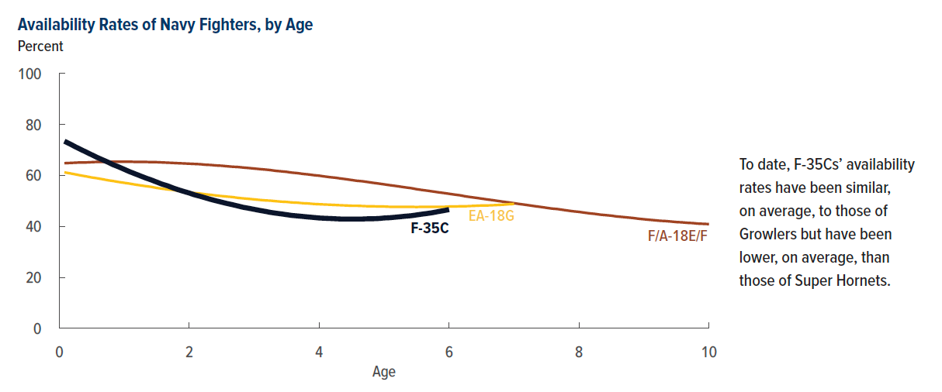
Figure 10. Availability Rates of Navy Fighters, by Age
Percent

Age | F-35Cs | F/A-18E/Fs | EA-18Gs
0.08 | 73.4 | 64.8 | 61.2
0.17 | 72.3 | 64.9 | 60.8
0.25 | 71.2 | 65.0 | 60.4
0.33 | 70.2 | 65.1 | 60.0
0.42 | 69.1 | 65.1 | 59.6
0.5 | 68.1 | 65.2 | 59.2
0.58 | 67.1 | 65.3 | 58.9
0.67 | 66.1 | 65.3 | 58.5
0.75 | 65.2 | 65.3 | 58.1
0.83 | 64.2 | 65.4 | 57.8
0.92 | 63.3 | 65.4 | 57.4
1 | 62.4 | 65.4 | 57.1
1.08 | 61.5 | 65.4 | 56.8
1.17 | 60.6 | 65.3 | 56.4
1.25 | 59.8 | 65.3 | 56.1
1.33 | 59.0 | 65.3 | 55.8
1.42 | 58.2 | 65.2 | 55.5
1.5 | 57.4 | 65.2 | 55.1
1.58 | 56.6 | 65.1 | 54.8
1.67 | 55.9 | 65.0 | 54.5
1.75 | 55.1 | 64.9 | 54.3
1.83 | 54.4 | 64.8 | 54.0
1.92 | 53.7 | 64.7 | 53.7
2 | 53.1 | 64.6 | 53.4
2.08 | 52.4 | 64.5 | 53.1
2.17 | 51.8 | 64.4 | 52.9
2.25 | 51.2 | 64.2 | 52.6
2.33 | 50.6 | 64.1 | 52.4
2.42 | 50.0 | 63.9 | 52.1
2.5 | 49.5 | 63.8 | 51.9
2.58 | 49.0 | 63.6 | 51.7
2.67 | 48.5 | 63.4 | 51.5
2.75 | 48.0 | 63.3 | 51.2
2.83 | 47.5 | 63.1 | 51.0
2.92 | 47.1 | 62.9 | 50.8
3 | 46.7 | 62.7 | 50.6
3.08 | 46.3 | 62.5 | 50.4
3.17 | 45.9 | 62.3 | 50.2
3.25 | 45.5 | 62.1 | 50.1
3.33 | 45.2 | 61.8 | 49.9
3.42 | 44.9 | 61.6 | 49.7
3.5 | 44.6 | 61.4 | 49.6
3.58 | 44.3 | 61.1 | 49.4
3.67 | 44.1 | 60.9 | 49.3
3.75 | 43.9 | 60.6 | 49.1
3.83 | 43.7 | 60.4 | 49.0
3.92 | 43.5 | 60.1 | 48.8
4 | 43.3 | 59.9 | 48.7
4.08 | 43.2 | 59.6 | 48.6
4.17 | 43.1 | 59.3 | 48.5
4.25 | 43.0 | 59.1 | 48.4
4.33 | 42.9 | 58.8 | 48.3
4.42 | 42.9 | 58.5 | 48.2
4.5 | 42.9 | 58.2 | 48.1
4.58 | 42.9 | 57.9 | 48.1
4.67 | 42.9 | 57.7 | 48.0
4.75 | 43.0 | 57.4 | 47.9
4.83 | 43.0 | 57.1 | 47.9
4.92 | 43.1 | 56.8 | 47.8
5 | 43.3 | 56.5 | 47.8
5.08 | 43.4 | 56.2 | 47.7
5.17 | 43.6 | 55.9 | 47.7
5.25 | 43.8 | 55.6 | 47.7
5.33 | 44.0 | 55.3 | 47.7
5.42 | 44.2 | 55.0 | 47.7
5.5 | 44.5 | 54.6 | 47.6
5.58 | 44.8 | 54.3 | 47.7
5.67 | 45.1 | 54.0 | 47.7
5.75 | 45.4 | 53.7 | 47.7
5.83 | 45.8 | 53.4 | 47.7
5.92 | 46.2 | 53.1 | 47.7
6 | 46.6 | 52.8 | 47.8
6.08 |  | 52.5 | 47.8
6.17 |  | 52.2 | 47.9
6.25 |  | 51.8 | 47.9
6.33 |  | 51.5 | 48.0
6.42 |  | 51.2 | 48.1
6.5 |  | 50.9 | 48.2
6.58 |  | 50.6 | 48.2
6.67 |  | 50.3 | 48.3
6.75 |  | 50.0 | 48.4
6.83 |  | 49.7 | 48.5
6.92 |  | 49.4 | 48.7
7 |  | 49.1 | 48.8
7.08 |  | 48.8
7.17 |  | 48.5
7.25 |  | 48.2
7.33 |  | 47.9
7.42 |  | 47.6
7.5 |  | 47.3
7.58 |  | 47.0
7.67 |  | 46.8
7.75 |  | 46.5
7.83 |  | 46.2
7.92 |  | 45.9
8 |  | 45.7
8.08 |  | 45.4
8.17 |  | 45.1
8.25 |  | 44.9
8.33 |  | 44.6
8.42 |  | 44.4
8.5 |  | 44.2
8.58 |  | 43.9
8.67 |  | 43.7
8.75 |  | 43.5
8.83 |  | 43.3
8.92 |  | 43.0
9 |  | 42.8
9.08 |  | 42.6
9.17 |  | 42.4
9.25 |  | 42.2
9.33 |  | 42.1
9.42 |  | 41.9
9.5 |  | 41.7
9.58 |  | 41.6
9.67 |  | 41.4
9.75 |  | 41.3
9.83 |  | 41.1
9.92 |  | 41.0
10 |  | 40.9

Back to Table of Contents

Figure 11
This file presents the data from the figures in CBO's February 2023 report Availability and Use of F-35 Fighter Aircraft: An Update.
www.cbo.gov/publication/58902

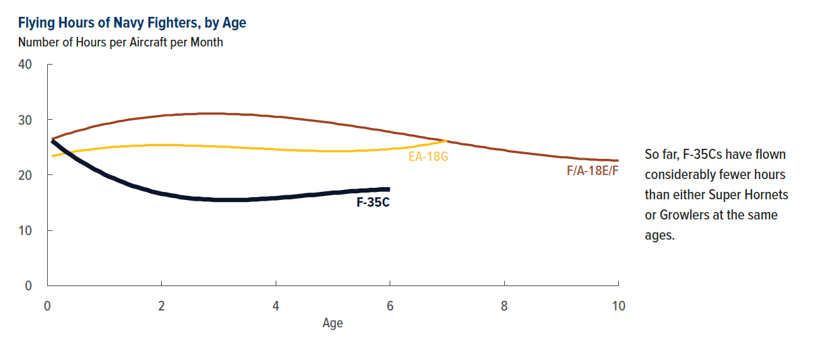
Figure 11. Flying Hours of Navy Fighters, by Age
Number of Hours per Aircraft per Month

Age | F-35Cs | F/A-18E/Fs | EA-18Gs
0.08 | 26.2 | 26.5 | 23.4
0.17 | 25.5 | 26.8 | 23.6
0.25 | 24.8 | 27.1 | 23.8
0.33 | 24.2 | 27.4 | 24.0
0.42 | 23.6 | 27.6 | 24.1
0.5 | 23.0 | 27.9 | 24.3
0.58 | 22.5 | 28.1 | 24.4
0.67 | 22.0 | 28.3 | 24.5
0.75 | 21.5 | 28.6 | 24.6
0.83 | 21.0 | 28.8 | 24.7
0.92 | 20.6 | 29.0 | 24.8
1 | 20.1 | 29.2 | 24.9
1.08 | 19.7 | 29.3 | 25.0
1.17 | 19.4 | 29.5 | 25.1
1.25 | 19.0 | 29.7 | 25.1
1.33 | 18.7 | 29.8 | 25.2
1.42 | 18.3 | 30.0 | 25.2
1.5 | 18.0 | 30.1 | 25.3
1.58 | 17.8 | 30.2 | 25.3
1.67 | 17.5 | 30.3 | 25.3
1.75 | 17.3 | 30.4 | 25.4
1.83 | 17.0 | 30.5 | 25.4
1.92 | 16.8 | 30.6 | 25.4
2 | 16.6 | 30.7 | 25.4
2.08 | 16.5 | 30.8 | 25.4
2.17 | 16.3 | 30.8 | 25.4
2.25 | 16.2 | 30.9 | 25.4
2.33 | 16.0 | 30.9 | 25.4
2.42 | 15.9 | 31.0 | 25.3
2.5 | 15.8 | 31.0 | 25.3
2.58 | 15.7 | 31.0 | 25.3
2.67 | 15.7 | 31.1 | 25.3
2.75 | 15.6 | 31.1 | 25.2
2.83 | 15.6 | 31.1 | 25.2
2.92 | 15.5 | 31.1 | 25.2
3 | 15.5 | 31.1 | 25.1
3.08 | 15.5 | 31.1 | 25.1
3.17 | 15.5 | 31.0 | 25.1
3.25 | 15.5 | 31.0 | 25.0
3.33 | 15.5 | 31.0 | 25.0
3.42 | 15.5 | 30.9 | 24.9
3.5 | 15.5 | 30.9 | 24.9
3.58 | 15.6 | 30.9 | 24.8
3.67 | 15.6 | 30.8 | 24.8
3.75 | 15.7 | 30.7 | 24.8
3.83 | 15.7 | 30.7 | 24.7
3.92 | 15.8 | 30.6 | 24.7
4 | 15.8 | 30.5 | 24.6
4.08 | 15.9 | 30.5 | 24.6
4.17 | 16.0 | 30.4 | 24.5
4.25 | 16.0 | 30.3 | 24.5
4.33 | 16.1 | 30.2 | 24.5
4.42 | 16.2 | 30.1 | 24.4
4.5 | 16.3 | 30.0 | 24.4
4.58 | 16.4 | 29.9 | 24.4
4.67 | 16.4 | 29.8 | 24.4
4.75 | 16.5 | 29.7 | 24.3
4.83 | 16.6 | 29.6 | 24.3
4.92 | 16.7 | 29.5 | 24.3
5 | 16.8 | 29.4 | 24.3
5.08 | 16.8 | 29.2 | 24.3
5.17 | 16.9 | 29.1 | 24.3
5.25 | 17.0 | 29.0 | 24.3
5.33 | 17.1 | 28.9 | 24.3
5.42 | 17.1 | 28.7 | 24.4
5.5 | 17.2 | 28.6 | 24.4
5.58 | 17.2 | 28.5 | 24.4
5.67 | 17.3 | 28.3 | 24.5
5.75 | 17.3 | 28.2 | 24.5
5.83 | 17.4 | 28.1 | 24.6
5.92 | 17.4 | 27.9 | 24.6
6 | 17.4 | 27.8 | 24.7
6.08 |  | 27.6 | 24.8
6.17 |  | 27.5 | 24.8
6.25 |  | 27.4 | 24.9
6.33 |  | 27.2 | 25.0
6.42 |  | 27.1 | 25.1
6.5 |  | 26.9 | 25.3
6.58 |  | 26.8 | 25.4
6.67 |  | 26.6 | 25.5
6.75 |  | 26.5 | 25.7
6.83 |  | 26.4 | 25.8
6.92 |  | 26.2 | 26.0
7 |  | 26.1 | 26.2
7.08 |  | 25.9
7.17 |  | 25.8
7.25 |  | 25.6
7.33 |  | 25.5
7.42 |  | 25.4
7.5 |  | 25.2
7.58 |  | 25.1
7.67 |  | 25.0
7.75 |  | 24.8
7.83 |  | 24.7
7.92 |  | 24.6
8 |  | 24.5
8.08 |  | 24.3
8.17 |  | 24.2
8.25 |  | 24.1
8.33 |  | 24.0
8.42 |  | 23.9
8.5 |  | 23.8
8.58 |  | 23.7
8.67 |  | 23.6
8.75 |  | 23.5
8.83 |  | 23.4
8.92 |  | 23.3
9 |  | 23.2
9.08 |  | 23.2
9.17 |  | 23.1
9.25 |  | 23.0
9.33 |  | 22.9
9.42 |  | 22.9
9.5 |  | 22.8
9.58 |  | 22.8
9.67 |  | 22.7
9.75 |  | 22.7
9.83 |  | 22.7
9.92 |  | 22.6
10 |  | 22.6

Back to Table of Contents

