Table 1
This file presents the data from the table and figure in CBO's December 2022 Statement for the Record Regarding How CBO Would Estimate the Effects of Future Authorizing Legislation on Spending From the Toxic Exposures Fund.
www.cbo.gov/publication/58843

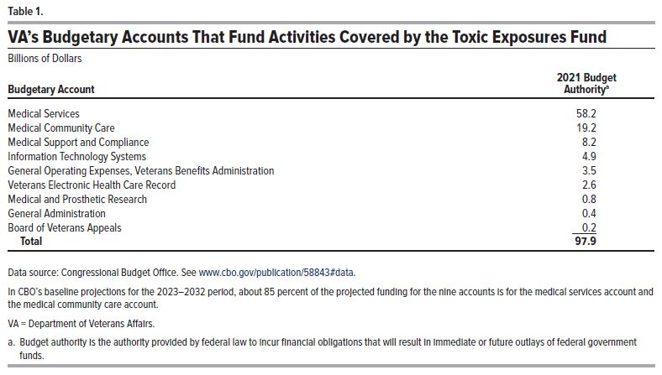
Table 1. VA's Budgetary Accounts That Fund Activities Covered by the Toxic Exposures Fund
Billions of Dollars
Budgetary Account | 2021 Budget Authority
Medical Services | 58.2
Medical Community Care | 19.2
Medical Support and Compliance | 8.2
Information Technology Systems | 4.9
General Operating Expenses, Veterans Benefits Administration | 3.5
Veterans Electronic Health Care Record | 2.6
Medical and Prosthetic Research | 0.8
General Administration | 0.4
Board of Veterans Appeals | 0.2
Total | 97.9

Back to Table of Contents

Figure 1
This file presents the data from the table and figure in CBO's December 2022 Statement for the Record Regarding How CBO Would Estimate the Effects of Future Authorizing Legislation on Spending From the Toxic Exposures Fund.
www.cbo.gov/publication/58843

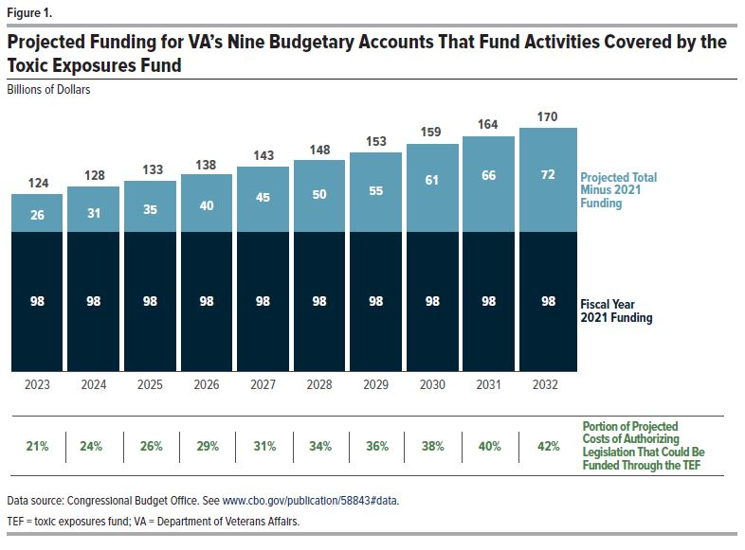
Figure 1. Projected Funding for VA's Nine Budgetary Accounts That Fund Activities Covered by the Toxic Exposures Fund
Billions of Dollars
Fiscal Year | Fiscal Year 2021 Funding | Total Projected Funding | Projected Total Minus 2021 Funding | Portion of Projected Costs of Authorizing Legislation That Could Be Funded Through the TEF (Percent)
2023 | 97.9 | 124.0 | 26.1 | 21.0
2024 | 97.9 | 128.4 | 30.5 | 23.8
2025 | 97.9 | 133.0 | 35.1 | 26.4
2026 | 97.9 | 137.9 | 40.0 | 29.0
2027 | 97.9 | 142.8 | 44.9 | 31.4
2028 | 97.9 | 147.9 | 50.0 | 33.8
2029 | 97.9 | 153.2 | 55.3 | 36.1
2030 | 97.9 | 158.6 | 60.7 | 38.3
2031 | 97.9 | 164.2 | 66.3 | 40.4
2032 | 97.9 | 170.1 | 72.2 | 42.4

Back to Table of Contents

