Table 1
This file presents the data from the table and figures in CBO's June 2021 report Understanding Federal Estate and Gift Taxes.
www.cbo.gov/publication/57129

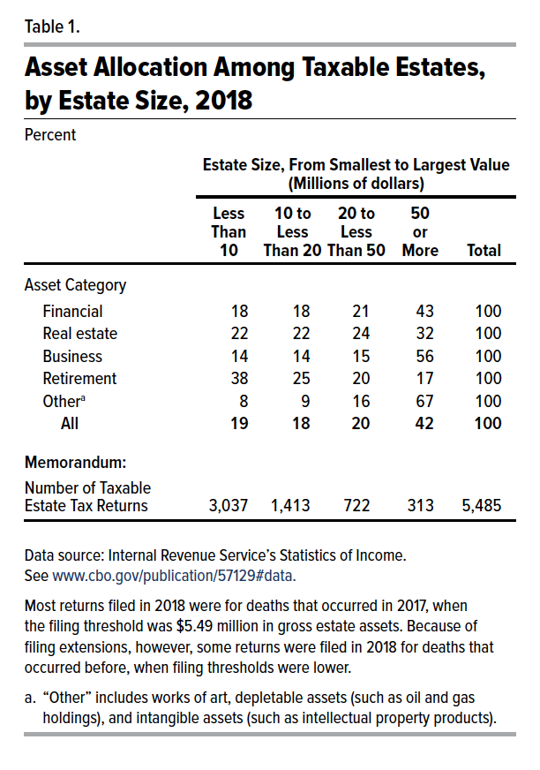
Table 1. Asset Allocation Among Taxable Estates, by Estate Size, 2018
Percent

 | Estate Size, From Smallest to Largest Value (Millions of dollars)
 | 10 or Less | 10 to 20 | 20 to 50 | 50 or More | Total
Asset Category
Financial | 18 | 18 | 21 | 43 | 100
Real estate | 22 | 22 | 24 | 32 | 100
Business | 14 | 14 | 15 | 56 | 100
Retirement | 38 | 25 | 20 | 17 | 100
Other | 8 | 9 | 16 | 67 | 100
All | 19 | 18 | 20 | 42 | 100
Memorandum:
Number of Taxable
Estate Tax Returns | 3,037 | 1,413 | 722 | 313 | 5,485

Back to Table of Contents

Figure 1
This file presents the data from the table and figures in CBO's June 2021 report Understanding Federal Estate and Gift Taxes.
www.cbo.gov/publication/57129

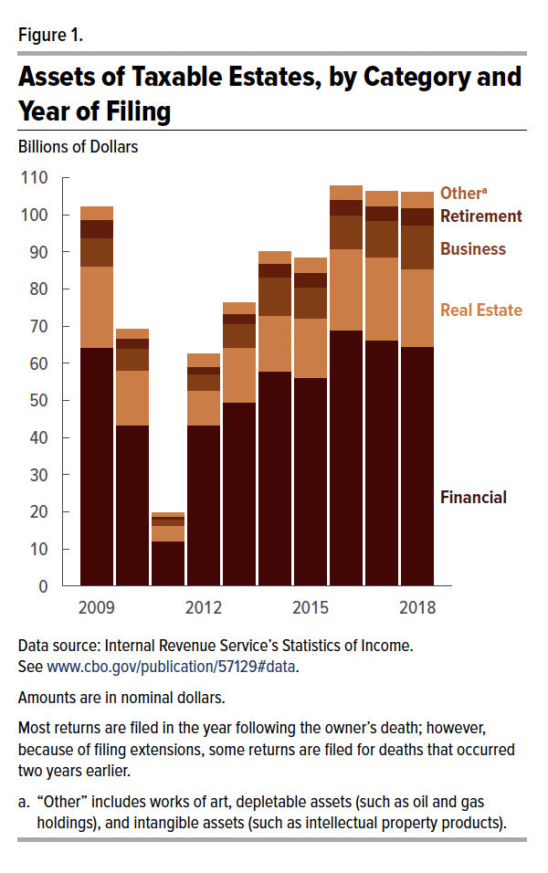
Figure 1. Assets of Taxable Estates, by Category and Year of Filing
Billions of Dollars

 | Financial | Real Estate | Business | Retirement | Other | Total
2009 | 64 | 22 | 8 | 5 | 3 | 102
2010 | 43 | 15 | 6 | 3 | 2 | 69
2011 | 12 | 4 | 2 | 1 | 1 | 20
2012 | 43 | 9 | 4 | 2 | 3 | 62
2013 | 49 | 15 | 6 | 3 | 3 | 76
2014 | 58 | 15 | 10 | 4 | 3 | 90
2015 | 56 | 16 | 8 | 4 | 4 | 88
2016 | 69 | 22 | 9 | 4 | 4 | 108
2017 | 66 | 22 | 10 | 4 | 4 | 106
2018 | 65 | 21 | 12 | 5 | 4 | 106

Back to Table of Contents

Figure 2
This file presents the data from the table and figures in CBO's June 2021 report Understanding Federal Estate and Gift Taxes.
www.cbo.gov/publication/57129

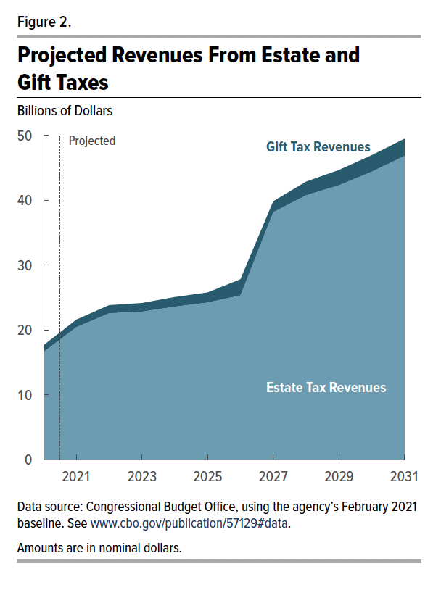
Figure 2. Projected Revenues From Estate and Gift Taxes
Billions of Dollars

Fiscal Year | Estate Tax Revenues | Gift Tax Revenues | Total
2020 | 17 | 1 | 18
2021 | 20 | 1 | 22
2022 | 23 | 1 | 24
2023 | 23 | 1 | 24
2024 | 24 | 1 | 25
2025 | 24 | 2 | 26
2026 | 25 | 2 | 28
2027 | 38 | 2 | 40
2028 | 41 | 2 | 43
2029 | 42 | 2 | 45
2030 | 44 | 3 | 47
2031 | 47 | 3 | 49

Back to Table of Contents

