Summary Figure 1
This file presents the data underlying the figures in CBO's May 2019 report The Role of the Federal Housing Administration in the Reverse-Mortgage Market.
www.cbo.gov/publication/55247

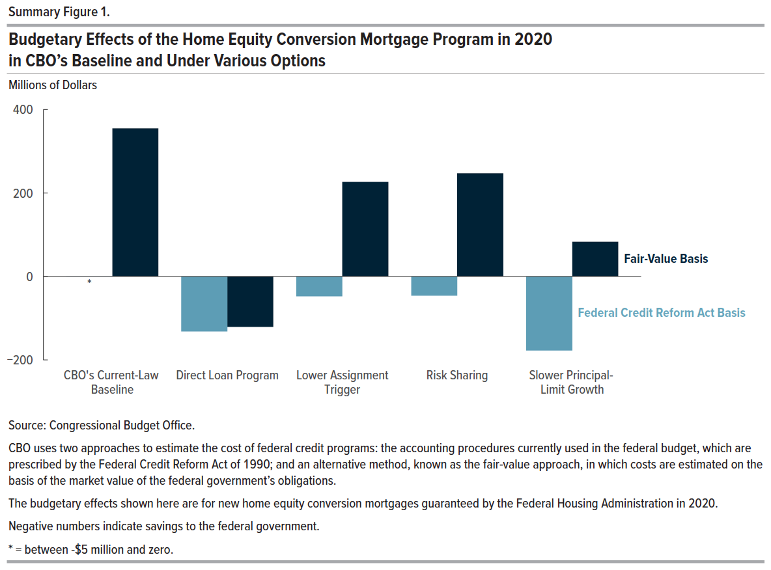
Summary Figure 1. Budgetary Effects of the Home Equity Conversion Mortgage Program in 2020 in CBO’s Baseline and Under Various Options
Millions of Dollars

 | Federal Credit Reform Act Basis | Fair-Value Basis
CBO’s Current-Law Baseline | -0.2 | 354.6
Direct Loan Program | -131.7 | -121.0
Lower Assignment Trigger | -47.8 | 226.2
Risk Sharing | -46.0 | 247.5
Slower Principal-Limit Growth | -177.7 | 82.9

Back to Table of Contents

Figure 3-1.
This file presents the data underlying the figures in CBO's May 2019 report The Role of the Federal Housing Administration in the Reverse-Mortgage Market.
www.cbo.gov/publication/55247

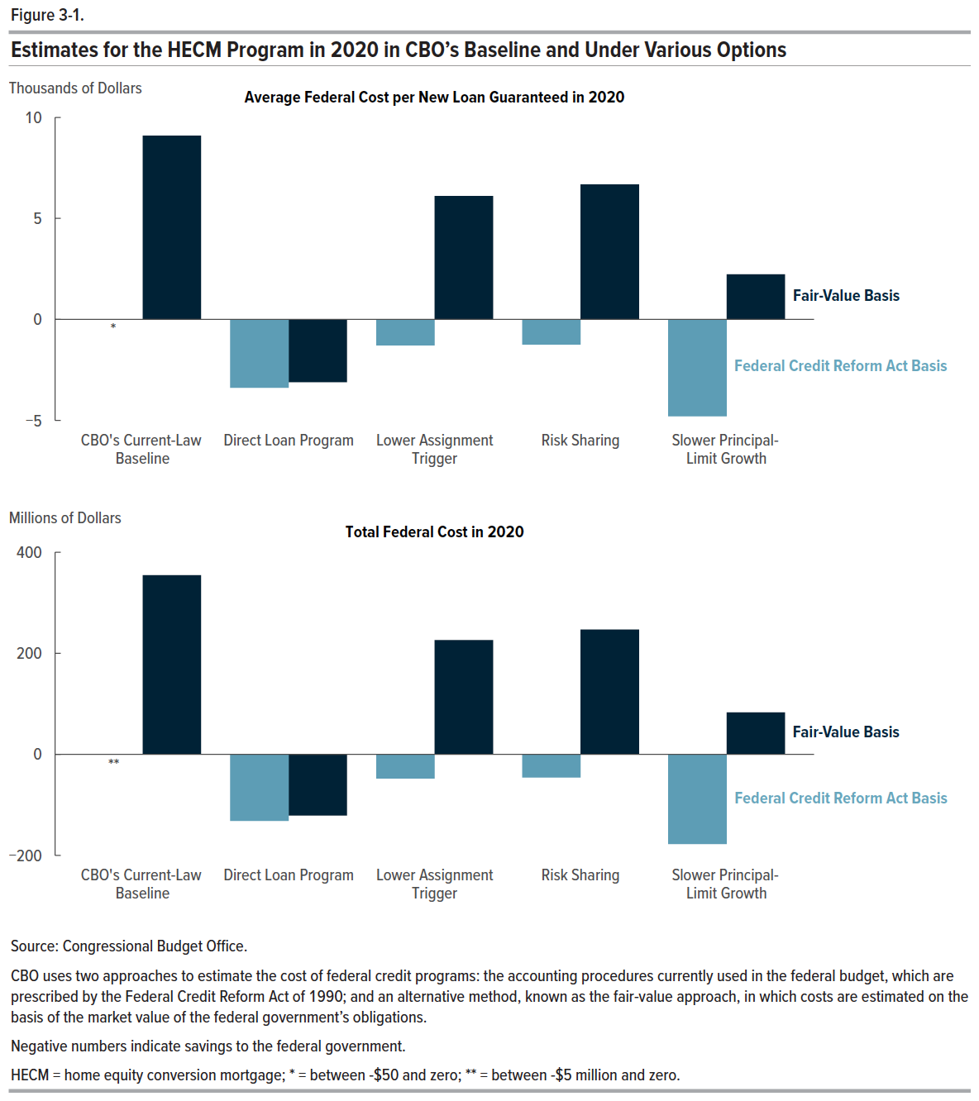
Figure 3-1. Estimates for the HECM Program in 2020 in CBO’s Baseline and Under Various Options

 | Average Federal Cost per Loan |  | Total Federal Cost (Millions of Dollars)
 | Federal Credit Reform Act Basis | Fair-Value Basis | Federal Credit Reform Act Basis | Fair-Value Basis
CBO’s Current-Law Baseline | -5.0 | 9,092.1 | -0.2 | 354.6
Direct Loan Program | -3,378.0 | -3,103.6 | -131.7 | -121.0
Lower Assignment Trigger | -1,290.5 | 6,106.4 | -47.8 | 226.2
Risk Sharing | -1,242.6 | 6,679.4 | -46.0 | 247.5
Slower Principal-Limit Growth | -4,795.5 | 2,236.6 | -177.7 | 82.9

Back to Table of Contents

