Figure 1
This file presents data underlying the figures in the February 27, 2019, testimony of Theresa Gullo, CBO's Assistant Director for Budget Analysis, before the Senate Committee on the Budget, Discretionary Appropriations Under the Budget Control Act.
www.cbo.gov/publication/54988

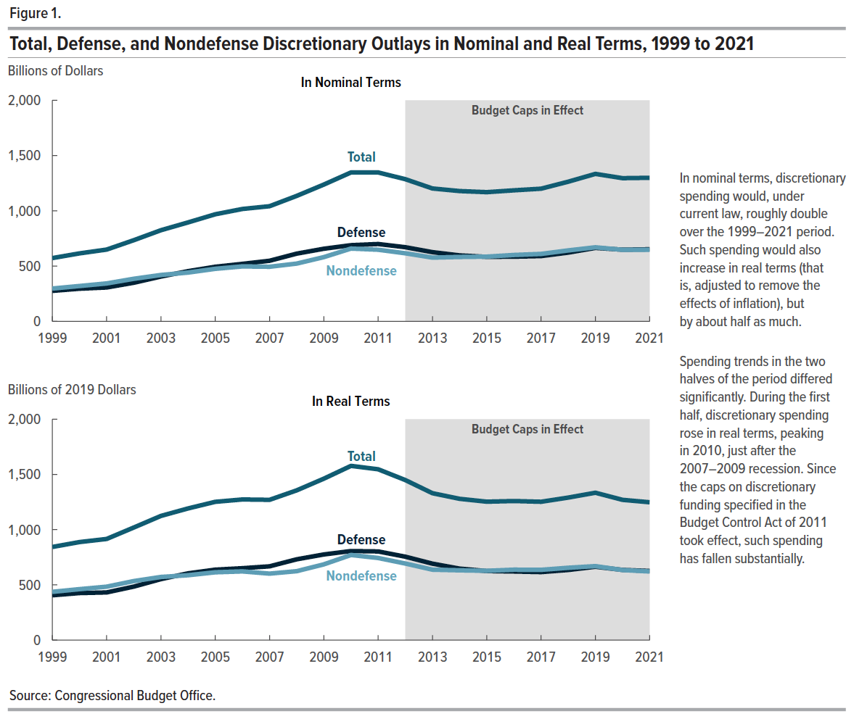
Figure 1. Total, Defense, and Nondefense Discretionary Outlays in Nominal and Real Terms, 1999 to 2021

 | In Nominal Terms (Billions of Dollars) |  |  | In Real Terms (Billions of 2019 Dollars)
 | Total | Defense | Nondefense | Total | Defense | Nondefense
1999 | 572.1 | 275.5 | 296.7 | 843.2 | 406.0 | 437.2
2000 | 614.6 | 295.0 | 319.7 | 887.6 | 426.0 | 461.6
2001 | 649.0 | 306.1 | 343.0 | 915.7 | 431.8 | 483.9
2002 | 734.0 | 349.0 | 385.0 | 1,019.2 | 484.6 | 534.6
2003 | 824.3 | 404.9 | 419.4 | 1,124.2 | 552.2 | 571.9
2004 | 895.1 | 454.1 | 441.0 | 1,192.0 | 604.7 | 587.3
2005 | 968.5 | 493.6 | 474.9 | 1,251.7 | 637.9 | 613.8
2006 | 1,016.6 | 520.0 | 496.7 | 1,273.2 | 651.2 | 622.0
2007 | 1,041.6 | 547.9 | 493.7 | 1,269.9 | 667.9 | 601.9
2008 | 1,134.9 | 612.4 | 522.5 | 1,355.5 | 731.5 | 624.0
2009 | 1,237.5 | 656.7 | 580.8 | 1,461.3 | 775.5 | 685.8
2010 | 1,347.2 | 688.9 | 658.3 | 1,577.1 | 806.4 | 770.7
2011 | 1,347.1 | 699.4 | 647.7 | 1,546.2 | 802.8 | 743.5
2012 | 1,286.1 | 670.5 | 615.6 | 1,448.7 | 755.3 | 693.4
2013 | 1,202.1 | 625.8 | 576.4 | 1,329.7 | 692.1 | 637.5
2014 | 1,178.7 | 596.4 | 582.2 | 1,279.0 | 647.2 | 631.8
2015 | 1,168.7 | 583.4 | 585.3 | 1,252.9 | 625.4 | 627.5
2016 | 1,185.2 | 584.8 | 600.4 | 1,259.1 | 621.3 | 637.8
2017 | 1,200.2 | 590.2 | 610.0 | 1,252.2 | 615.8 | 636.4
2018 | 1,263.4 | 621.7 | 641.7 | 1,290.2 | 634.9 | 655.3
2019 | 1,334.1 | 664.2 | 669.9 | 1,334.1 | 664.2 | 669.9
2020 | 1,295.2 | 648.3 | 647.0 | 1,269.7 | 635.5 | 634.2
2021 | 1,298.8 | 651.9 | 646.9 | 1,247.7 | 626.3 | 621.4

Back to Table of Contents

Figure 2
This file presents data underlying the figures in the February 27, 2019, testimony of Theresa Gullo, CBO's Assistant Director for Budget Analysis, before the Senate Committee on the Budget, Discretionary Appropriations Under the Budget Control Act.
www.cbo.gov/publication/54988

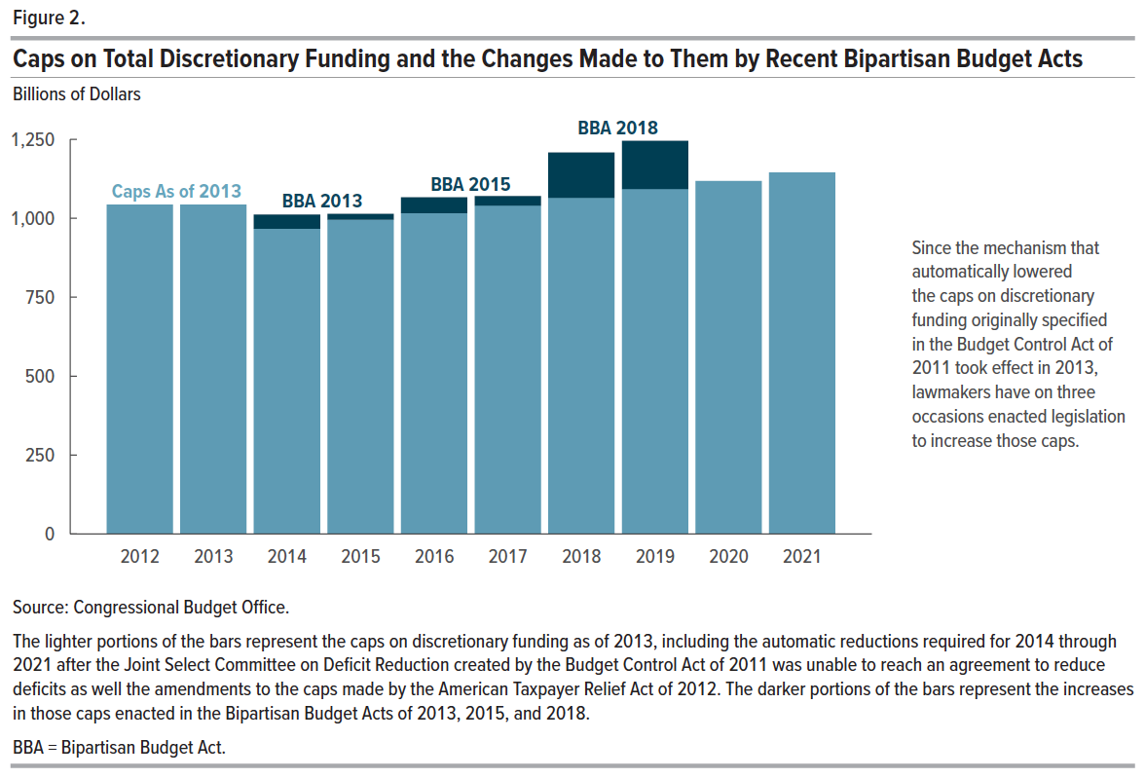
Figure 2. Caps on Total Discretionary Funding and the Changes Made to Them by Recent Bipartisan Budget Acts
Billions of Dollars

 | Cap As of 2013 | Increase Enacted in Bipartisan Budget Act of 2013 | Increase Enacted in Bipartisan Budget Act of 2015 | Increase Enacted in Bipartisan Budget Act of 2018 | Current Cap
2012 | 1,043.0 |  |  |  | 1,043.0
2013 | 1,043.0 |  |  |  | 1,043.0
2014 | 967.5 | 44.8 |  |  | 1,012.2
2015 | 995.2 | 18.5 |  |  | 1,013.6
2016 | 1,016.6 |  | 50.0 |  | 1,066.6
2017 | 1,039.6 |  | 30.0 |  | 1,069.6
2018 | 1,064.8 |  |  | 143.2 | 1,208.0
2019 | 1,091.2 |  |  | 152.8 | 1,244.0
2020 | 1,118.3 |  |  |  | 1,118.3
2021 | 1,144.7 |  |  |  | 1,144.7

Back to Table of Contents

Figure 3
This file presents data underlying the figures in the February 27, 2019, testimony of Theresa Gullo, CBO's Assistant Director for Budget Analysis, before the Senate Committee on the Budget, Discretionary Appropriations Under the Budget Control Act.
www.cbo.gov/publication/54988

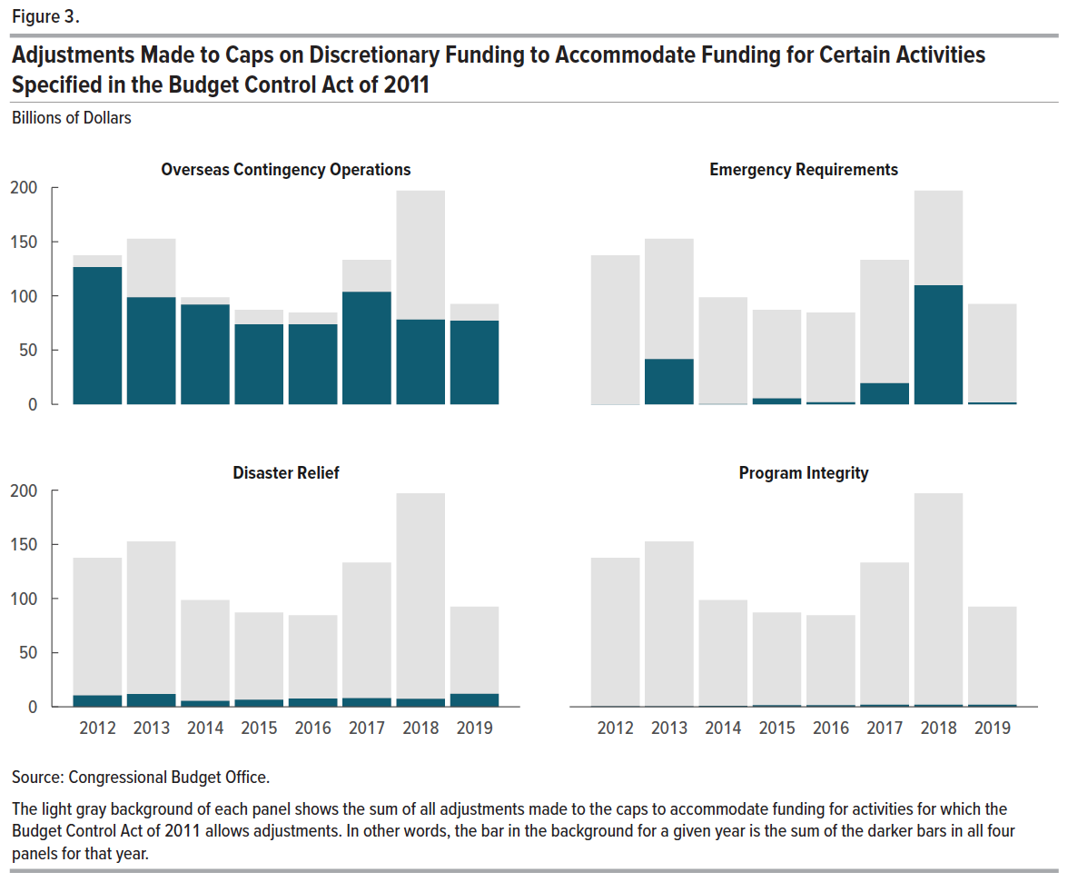
Figure 3. Adjustments Made to Caps on Discretionary Funding to Accommodate Funding for Certain Activities Specified in the Budget Control Act of 2011
Billions of Dollars

 | Overseas Contingency Operations | Emergency Requirements | Disaster Relief | Program Integrity | Total Adjustment Made for All Specified Activities
2012 | 126.5 | 0.0 | 10.5 | 0.5 | 137.5
2013 | 98.7 | 41.6 | 11.8 | 0.5 | 152.6
2014 | 91.9 | 0.2 | 5.6 | 0.9 | 98.6
2015 | 73.7 | 5.4 | 6.5 | 1.5 | 87.1
2016 | 73.7 | 1.7 | 7.6 | 1.5 | 84.5
2017 | 103.7 | 19.4 | 8.1 | 2.0 | 133.2
2018 | 78.1 | 109.7 | 7.4 | 1.9 | 197.1
2019 | 77.0 | 1.7 | 12.0 | 1.9 | 92.6

Back to Table of Contents

