Figure 1
This file presents the data underlying the tables and figure in CBO's May 2018 report An Analysis of the President’s 2019 Budget.
www.cbo.gov/publication/53884

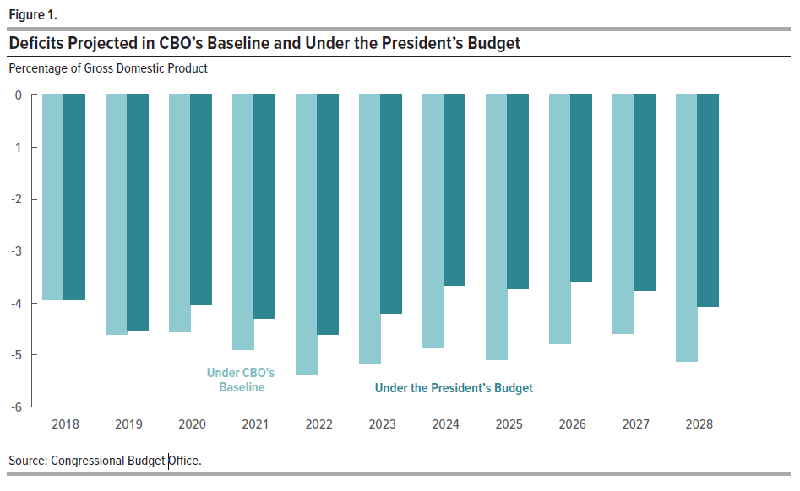
Figure 1.
Deficits Projected in CBO’s Baseline and Under the President’s Budget
(Percentage of Gross Domestic Product)

 | Under CBO's Baseline | Under the President's Budget
2018 | -3.943 | -3.942
2019 | -4.603 | -4.520
2020 | -4.554 | -3.931
2021 | -4.890 | -4.130
2022 | -5.374 | -4.382
2023 | -5.170 | -3.942
2024 | -4.865 | -3.357
2025 | -5.085 | -3.365
2026 | -4.786 | -3.188
2027 | -4.583 | -3.340
2028 | -5.122 | -3.619

Source: Congressional Budget Office.

